Info
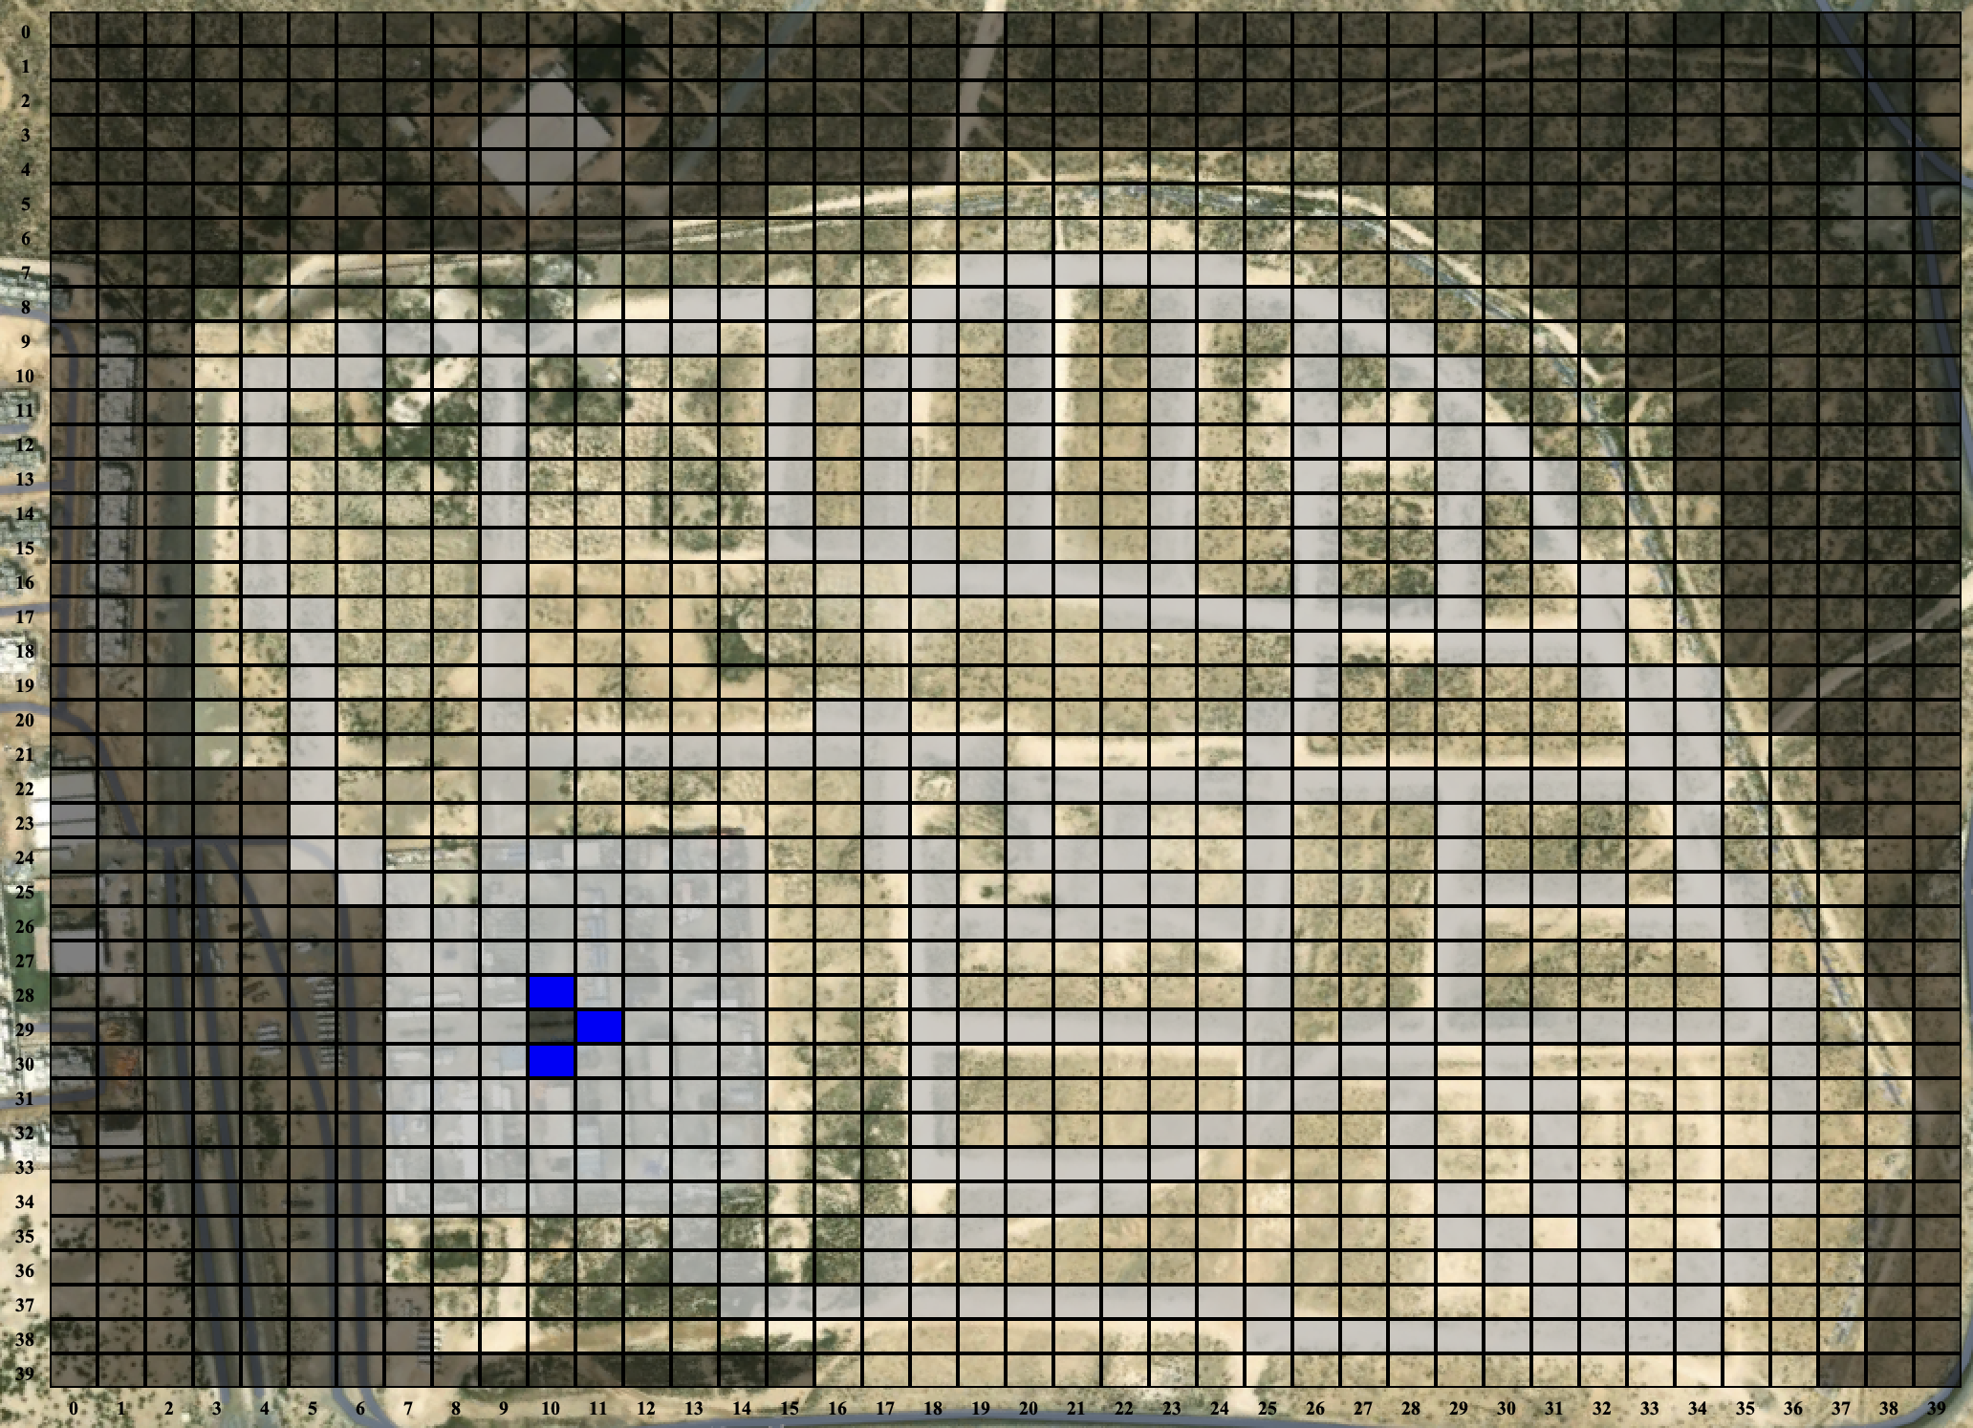
Scenario | D40

ROI dimension (m²) | 512000
Macro-cell dimension (m²) | 160
Micro-cell dimension (m²) | 80
Macro-grid resolution (cells) | 40x40
Micro-grid resolution (cells) | 80x80
Micro-grid dimension (cells) | 6400
No-fly zone (cells) | 2144 | 33.5% | of the scenario
ROI dimension (cells) | 4256 | 66.5% | of the scenario
Roads (cells) | 1620 | 38.1% | of the ROI

Number of UAV nodes | 6400
Number of UAV edges | 16881
Number of BSS nodes | 1620
Number of BSS edges | 2622780

 |  |  |  | numero nodi | numero archi | somma
 |  |  |  | 26 | 2 | 52
 |  |  |  | 91 | 3 | 273
 |  |  |  | 4139 | 4 | 16556
 |  |  |  | 4256 |  | 16881

Statistics
Input | Mission statistics |  |  |  |  |  |  | Execution statistics |  |  |  |  | Failures
Num UAVs | BSS used | tot_energy_used | wasted_energy | num_batteries | mission_time | bss_mission_time | swap_time | DARP | STC | PP UAV | PP BSS | total_execution_time | darpfailures | ppbssfailures | ppuavfailures | ppweatherfailures
1 | 1.0 | 4302.0 | 46.0 | 8.0 | 5516.0 | 269.0 | 1260.0 | 0.000457 | 0.051618 | 0.002969 | 0.002636 | 0.057680 | 0.0 | 0.0 | 0.0 | 0.0
2 | 2.0 | 4286.8 | 34.8 | 8.0 | 2668.0 | 146.0 | 1080.0 | 1.140183 | 0.042704 | 0.001762 | 0.003632 | 1.188281 | 25.1 | 0.0 | 0.0 | 0.0
3 | 3.0 | 4275.4 | 23.4 | 9.0 | 1780.0 | 104.3 | 1080.0 | 0.643486 | 0.043453 | 0.002044 | 0.004593 | 0.693576 | 3.2 | 0.0 | 0.0 | 0.0
4 | 4.0 | 4267.3 | 15.3 | 8.0 | 1244.0 | 65.8 | 720.0 | 0.847071 | 0.045252 | 0.002521 | 0.003932 | 0.898776 | 0.0 | 0.0 | 0.0 | 0.0
5 | 5.0 | 4278.7 | 26.7 | 10.0 | 1032.0 | 66.5 | 900.0 | 0.332172 | 0.047194 | 0.002817 | 0.005689 | 0.387873 | 0.0 | 0.0 | 0.0 | 0.0
6 | 6.0 | 4309.3 | 57.3 | 12.0 | 892.0 | 70.8 | 1080.0 | 0.466961 | 0.047559 | 0.003137 | 0.007402 | 0.525059 | 0.0 | 0.0 | 0.0 | 0.0
7 | 7.0 | 4256.1 | 4.1 | 14.0 | 788.0 | 21.1 | 1260.0 | 0.539268 | 0.049471 | 0.003417 | 0.002650 | 0.594806 | 0.0 | 0.0 | 0.0 | 0.0
8 | 0.0 | 4252.0 | 0.0 | 8.0 | 532.0 | 0.0 | 0.0 | 0.652019 | 0.050728 | 0.003466 | 0.000001 | 0.706215 | 0.0 | 0.0 | 0.0 | 0.0

 | Cumulative energy used |  |  | Mission time |  |  |  | Execution time

