Scenario info
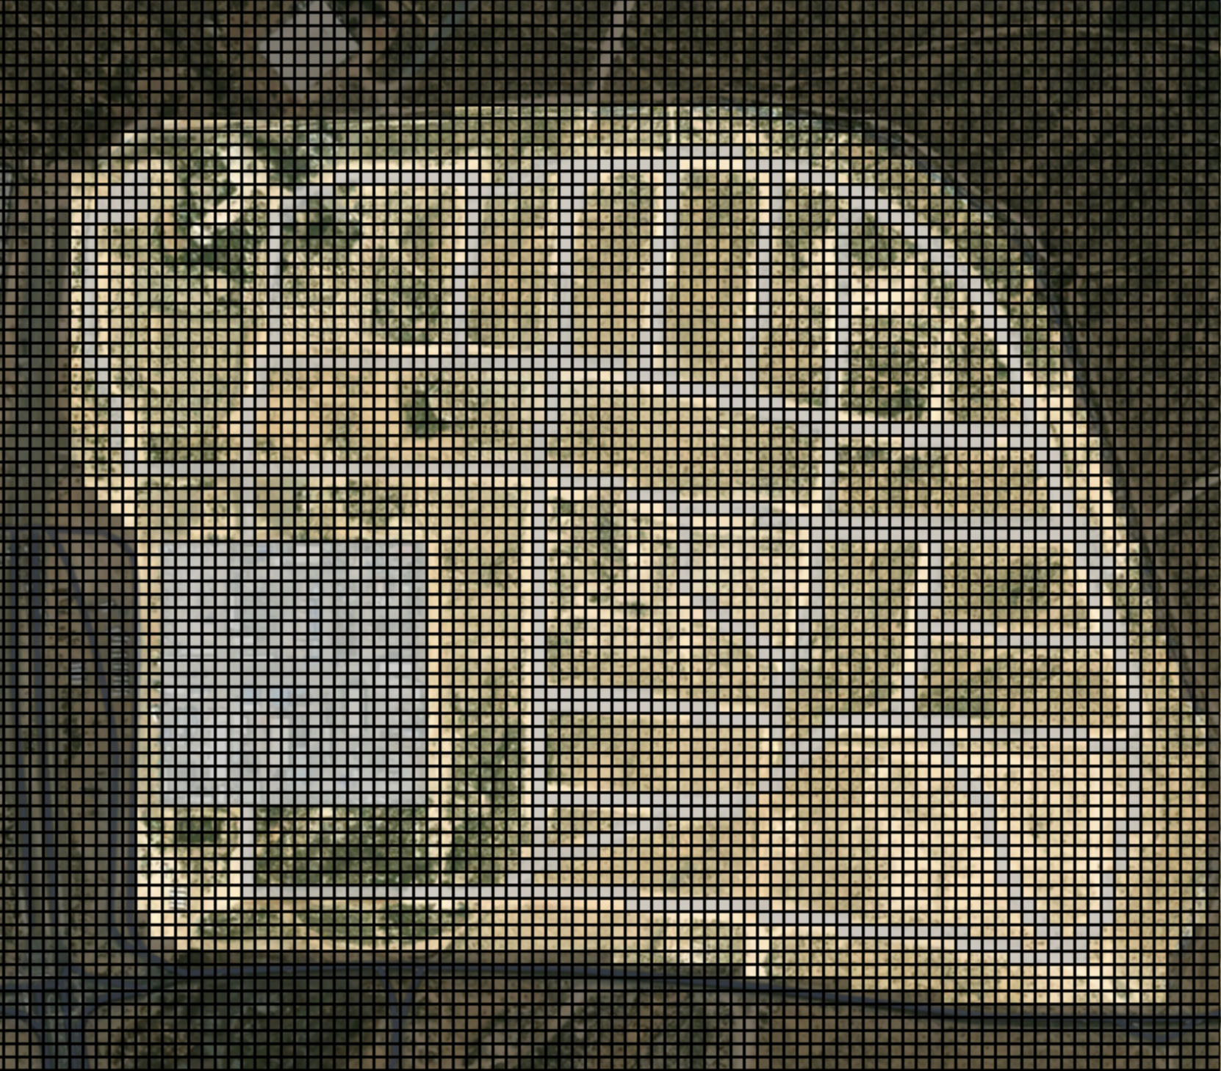
Scenario | D93

ROI dimension (m²) | 518940
Macro-cell dimension (m²) | 30
Micro-cell dimension (m²) | 15
Macro-grid resolution (cells) | 93x93
Micro-grid resolution (cells) | 186x186
Micro-grid dimension (cells) | 34596
No-fly zone (cells) | 15004 | 43.4% | of the scenario
ROI dimension (cells) | 19592 | 56.6% | of the scenario
Roads (cells) | 4616 | 23.6% | of the ROI

Number of UAV nodes | 34596
Number of UAV edges | 138218
Number of BSS nodes | 4616
Number of BSS edges | 21302840

Weather forecasts
Timestamp | Optimal Stationary | Cold Low Variance | Cold High Variance | Warm Low Variance | Warm High Variance
0 | 1143 | 1042 | 1042 | 870 | 870
900 | 1143 | 1052 | 1052 | 829 | 870
1800 | 1143 | 1041 | 1120 | 870 | 1017 |  | Starting temperature | Max cell | Limit 80%
2700 | 1143 | 1052 | 1064 | 870 | 925 | Optimal | 17 | 1429 | 1143
3600 | 1143 | 1052 | 1052 | 850 | 908 | Cold | 0 | 1302 | 1042
4500 | 1143 | 1064 | 1029 | 870 | 787 | Warm | 45 | 1088 | 870
5400 | 1143 | 1052 | 1108 | 829 | 1084
6300 | 1143 | 1029 | 1100 | 870 | 1075

