文件說明
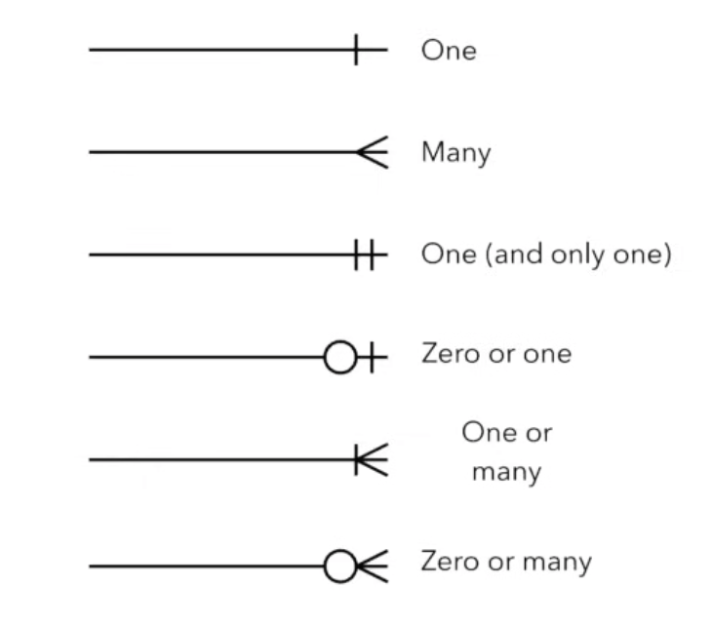
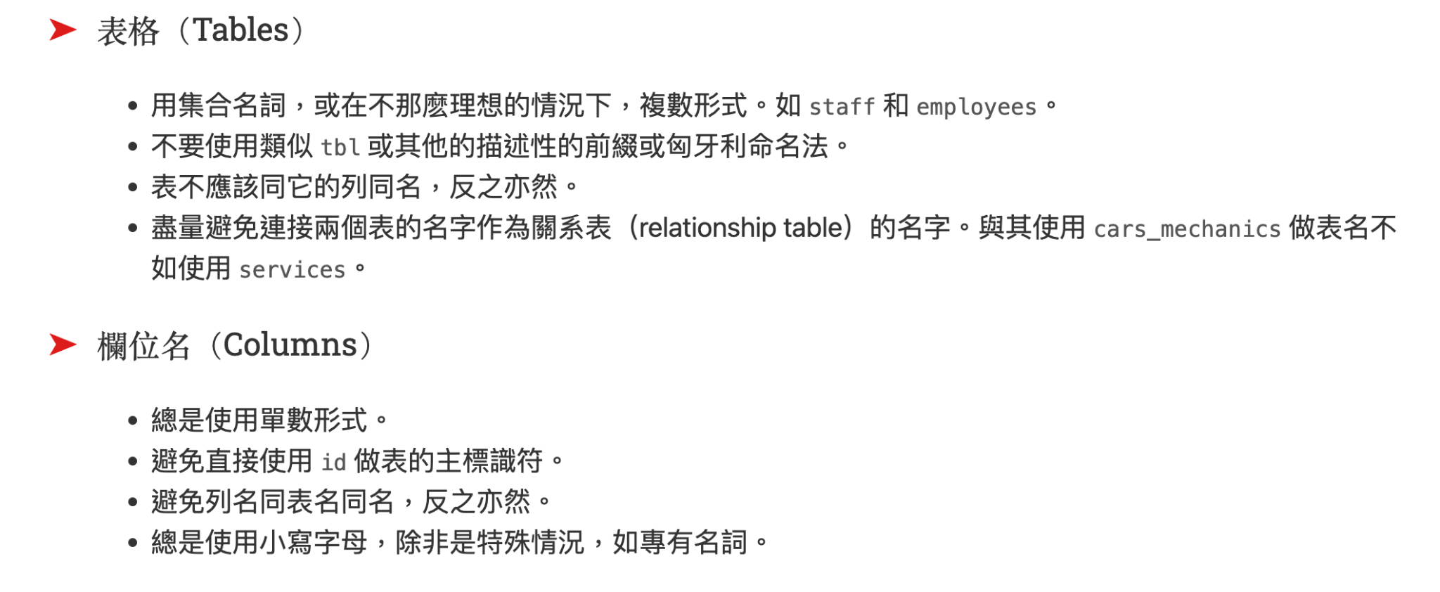
https://www.sqlstyle.guide/zh-tw/ |  |  | https://ithelp.ithome.com.tw/articles/10203456
https://hackmd.io/@johnsonnote/sqlds_naming_rule |  |  | 每個中文 3 字元
 |  |  | 英數符號 1 字元
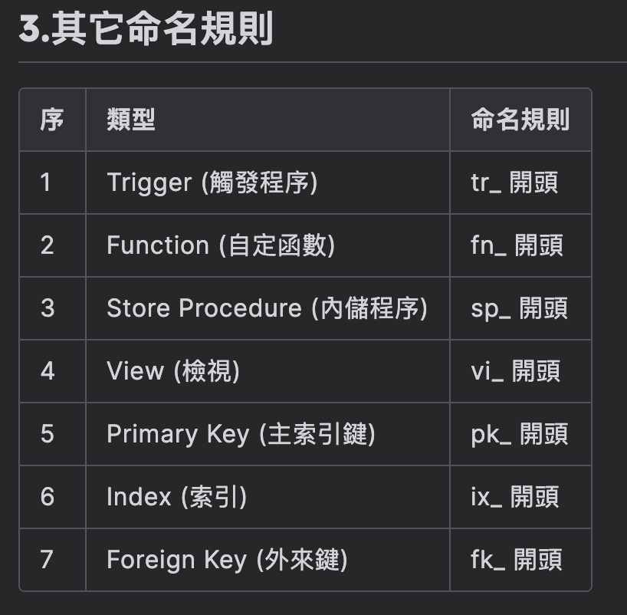
命名規則 表： 1. 首字大寫 2. 不用 _ 3. 永遠使用集合名詞 > 複數型態 4. 關聯表盡量用「關係」或「動作」命名 5. 會重複出現的「模組」則另外統一命名縮寫成 4～5 個字元（前幾個字） 欄： 1. 全小寫 2. 用 _ - 中文語意出現「的」 - 有父子層關係 - 英文語法有空格 3. 使用單數型態 4. 值為陣列則使用附屬型態

 | 模組一覽表
 | 代號 | 模組
 | Rest | 餐廳
 | User | 使用者
 | Filt | 分類
 | Order | 訂單
 | Admin | 業者後台

