ARM
FORMAT

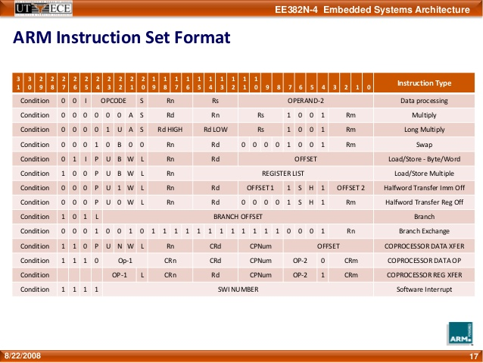

Set Instruksi ARM
Mnmonic | Arti Instruksi | Aksi

ADC | Add with Carry | Rd := Rn + Op2 + Carry
ADD | Add | Rd := Rn + Op2
AND | AND | Rd := Rn AND Op2
B | Branch | R15 := address
BIC | Bit Clear | Rd := Rn AND NOT Op2
BL | Branch with link | R14 := R15, R15 := address
BX | Branch with exchange | R15 := Rn,
 |  | T bit := Rn[0]
CDP | Compressor Data Processing | (Coprocessor-specific)
CMN | Compare Negative | CPSR flags := Rn + Op2
CMP | Compare | CPSR flags := Rn - Op2
EOR | Exclusive OR | Rd := (Rn AND NOT Op2)
 |  | OR (op2 AND NOT Rn)
LDC | Load compressor from memory | Coprocessor load
LDM | Load Multiple registers | Stack manipulation (Pop)
LDR | Load Register from memory | Rd := (address)
MCR | Move CPU register to compressor register | cRn := rRn {<op>cRm}
MLA | Multiply Accumulative | Rd := (Rm * Rs) + Rn
MOV | Move Register or constant | Rd : = Op2
MRC | Move from compressor register to CPU register | Rn := cRn {<op>cRm}
MRS | Move PSR status/flags to register | Rn := PSR
MSR | Move register to PSR status/flags | PSR := Rm
MUL | Multiply | Rd := Rm * Rs
MVN | Move negative register | Rd := 0xFFFFFFFF EOR Op2
ORR | OR | Rd := Rn OR Op2
RSB | Reverse subtract | Rd := Op2 - Rn
RSC | Reverse subtract with carry | Rd := Op2 - Rn - 1 + Carry
SBC | Subtract with carry | Rd := Rn - Op2 - 1 + Carry
STC | Store compressor register to memory | address := CRn
STM | Store multiple | Stack manipulation (Push)
STR | Store register to memory | <address> := Rd
SUB | Subtract | Rd := Rn - Op2
SWI | Software interrupt | OS call
SWP | Swap register with memory | Rd := [Rn], [Rn] := Rm
TEQ | Test bitwise equality | CPSR flags := Rn EOR Op2
TST | Test bits | CPSR flags := Rn AND Op2

