Intel


 | Instruction Set Intel dan ARM

Nama : | Mulyono Eko Prastyo
NIM : | L200150127
Kelas : | A
Mata Kuliah : | Organisasi dan Arsitektur Komputer

Original Intel x86 8086/8088 Instruction

Instruksi | Arti | Opcode

AAA | ASCII adjust AL after addition | 0x37
AAD | ASCII adjust AX before division | 0xD5
AAM | ASCII adjust AX after multiplication | 0xD4
AAS | ASCII adjust AL after subtraction | 0x3f
ADC | Add with carry | 0x10…0x15, 0x80/2…0x83/2
ADD | Add | 0x00…0x05, 0x80/0…0x83/0
AND | Logical AND | 0x20…0x25, 0x80/4…0x83/4
CALL | Call procedure | 0x9A, 0xE8, 0xFF/2, 0xFF/3
CBW | Convert byte to word | 0x98
CLC | Clear carry flag | 0xF8
CLD | Clear direction flag | 0xFC
CLI | Clear interrupt flag | 0xFA
CMC | Complement carry flag | 0xF5
CMP | Compare operands | 0x38…0x3D, 0x80/7…0x83/7
CMPSB | Compare bytes in memory | 0xA6
CMPSW | Compare words | 0xA7
CWD | Convert word to doubleword | 0x99
DAA | Decimal adjust AL after addition | 0x27
DAS | Decimal adjust AL after subtraction | 0x2F
DEC | Decrement by 1 | 0x48, 0xFE/1, 0xFF/1
DIV | Unsigned divide | 0xF6/6, 0xF7/6
ESC | Used with floating-point unit
HLT | Enter halt state | 0xF4
IDIV | Signed divide | 0xF6/7, 0xF7/7
IMUL | Signed multiply | 0x69, 0x6B, 0xF6/5, 0xF7/5, 0x0FAF
IN | Input from port | 0xE4, 0xE5, 0xEC, 0xED
INC | Increment by 1 | 0x40, 0xFE/0, 0xFF/0
INT | Call to interrupt | 0xCD
INTO | Call to interrupt if overflow | 0xCE
IRET | Return from interrupt | 0xCF
Jcc | Jump if condition | 0x70…0x7F, 0xE3, 0x0F83, 0x0F87
JCXZ | Jump if CX is zero | 0xE3
JMP | Jump | 0xE9…0xEB, 0xFF/4, 0xFF/5
LAHF | Load FLAGS into AH register | 0x9F
LDS | Load pointer using DS | 0xC5
LEA | Load Effective Address | 0x8D
LES | Load ES with pointer | 0xC4
LOCK | Assert BUS LOCK# signal | 0xF0
LODSB | Load string byte | 0xAC
LODSW | Load string word | 0xAD
LOOP/LOOPx | Loop control | 0xE0..0xE2
MOV | Move
MOVSB | Move byte from string to string | 0xA4

MOVSW | Move word from string to string | 0xA5

MUL | Unsigned multiply
NEG | Two's complement negation
NOP | No operation | 0x90
NOT | Negate the operand, logical NOT
OR | Logical OR
OUT | Output to port
POP | Pop data from stack
POPF | Pop FLAGS register from stack | 0x9D
PUSH | Push data onto stack
PUSHF | Push FLAGS onto stack | 0x9C
RCL | Rotate left (with carry)
RCR | Rotate right (with carry)
REPxx | Repeat MOVS/STOS/CMPS/LODS/SCAS
RET | Return from procedure
RETN | Return from near procedure
RETF | Return from far procedure
ROL | Rotate left
ROR | Rotate right
SAHF | Store AH into FLAGS | 0x9E
SAL | Shift Arithmetically left (signed shift left)
SAR | Shift Arithmetically right (signed shift right)
SBB | Subtraction with borrow
SCASB | Compare byte string | 0xAE
SCASW | Compare word string | 0xAF
SHL | Shift left (unsigned shift left)
SHR | Shift right (unsigned shift right)
STC | Set carry flag | 0xF9
STD | Set direction flag | 0xFD
STI | Set interrupt flag | 0xFB
STOSB | Store byte in string | 0xAA
STOSW | Store word in string | 0xAB
SUB | Subtraction
TEST | Logical compare (AND)
WAIT | Wait until not busy | 0x9B
XCHG | Exchange data
XLAT | Table look-up translation | 0xD7
XOR | Exclusive OR

ARM
FORMAT

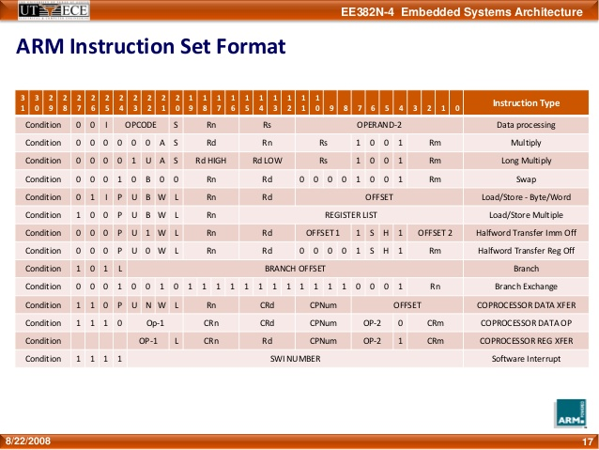

Set Instruksi ARM
Mnmonic | Arti Instruksi | Aksi

ADC | Add with Carry | Rd := Rn + Op2 + Carry
ADD | Add | Rd := Rn + Op2
AND | AND | Rd := Rn AND Op2
B | Branch | R15 := address
BIC | Bit Clear | Rd := Rn AND NOT Op2
BL | Branch with link | R14 := R15, R15 := address
BX | Branch with exchange | R15 := Rn,
 |  | T bit := Rn[0]
CDP | Compressor Data Processing | (Coprocessor-specific)
CMN | Compare Negative | CPSR flags := Rn + Op2
CMP | Compare | CPSR flags := Rn - Op2
EOR | Exclusive OR | Rd := (Rn AND NOT Op2)
 |  | OR (op2 AND NOT Rn)
LDC | Load compressor from memory | Coprocessor load
LDM | Load Multiple registers | Stack manipulation (Pop)
LDR | Load Register from memory | Rd := (address)
MCR | Move CPU register to compressor register | cRn := rRn {<op>cRm}
MLA | Multiply Accumulative | Rd := (Rm * Rs) + Rn
MOV | Move Register or constant | Rd : = Op2
MRC | Move from compressor register to CPU register | Rn := cRn {<op>cRm}
MRS | Move PSR status/flags to register | Rn := PSR
MSR | Move register to PSR status/flags | PSR := Rm
MUL | Multiply | Rd := Rm * Rs
MVN | Move negative register | Rd := 0xFFFFFFFF EOR Op2
ORR | OR | Rd := Rn OR Op2
RSB | Reverse subtract | Rd := Op2 - Rn
RSC | Reverse subtract with carry | Rd := Op2 - Rn - 1 + Carry
SBC | Subtract with carry | Rd := Rn - Op2 - 1 + Carry
STC | Store compressor register to memory | address := CRn
STM | Store multiple | Stack manipulation (Push)
STR | Store register to memory | <address> := Rd
SUB | Subtract | Rd := Rn - Op2
SWI | Software interrupt | OS call
SWP | Swap register with memory | Rd := [Rn], [Rn] := Rm
TEQ | Test bitwise equality | CPSR flags := Rn EOR Op2
TST | Test bits | CPSR flags := Rn AND Op2

