02 1129 Lincoln Blvd
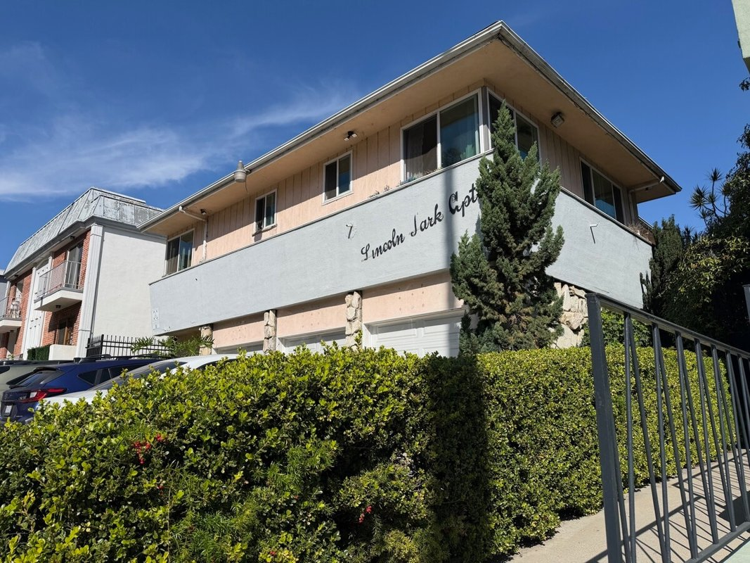
1129 Lincoln Blvd
Santa Monica, CA 90403 | Santa Monica
LoopNet listing | Data pulled 9/17/2026 from LoopNet public listing

PROPERTY
Units | 10
Gross building SF | 7,377
Lot SF | 7,405
Lot acres | 0.17
Year built | 1956
Stories | 1
Zoning | SMR3AY - Santa Monica R2 - Multi-Residential
Occupancy per listing | 100%
APN | 4281-035-016
Assessed value (current) | $787,301
Listing broker(s) | Stephen Lampe
Date on market | 3/9/2026
Listing last updated | 8/18/2026

PRICING
Asking price | $3,100,000
Price per unit | $310,000
Price per gross SF | $420.23
OM / listing cap rate (as published) | 6.32%
OM / listing GRM (as published) | 11.16x

UNIT MIX & SCHEDULED RENT
Unit type | # Units | Avg rent / mo | Monthly total | Annual | Rent source
2 Bd / 2 Ba | 1 | $2,296 | $2,296 | $27,552 | LoopNet published avg rent by unit type
2 Bd / 1.5 Ba | 1 | $2,840 | $2,840 | $34,080 | LoopNet published avg rent by unit type
2 Bd / 1 Ba | 1 | $2,995 | $2,995 | $35,940 | LoopNet published avg rent by unit type
1 Bd / 1 Ba | 5 | $2,300 | $11,500 | $138,000 | LoopNet published avg rent by unit type
Studio | 2 | $1,922 | $3,844 | $46,128 | LoopNet published avg rent by unit type
Total / weighted avg | 10 | $2,348 | $23,475 | $281,700

INCOME
 | OM as presented | LAAA underwritten |  |  | Basis / note
Scheduled gross rent | $277,778 | $281,700 |  |  | OM column: price / published GRM
Other income (laundry, parking, RUBS) | - | -
Gross scheduled income | $277,778 | $281,700
Vacancy & credit loss | ($8,333) | ($8,451) |  |  | OM 3.0% (OM figure if extracted, else 3% assumed); LAAA per Assumptions
Effective gross income | $269,444 | $273,249

OPERATING EXPENSES
Expense line | OM as presented | LAAA benchmark | LAAA underwritten | Delta vs OM | Basis / note
Property taxes (reassessed at price) |  | $35,650 | $35,650 |  | Santa Monica rate x asking price; always reassessed, never MAX
Insurance |  | $9,377 | $9,377 |  | LAAA benchmark (units x $200) + (SF x $1.00)
Management |  | $13,662 | $13,662 |  | % of LAAA EGI
Repairs & maintenance |  | $12,000 | $12,000 |  | per unit, by vintage
Utilities (water/sewer/trash/common electric & gas) |  | $18,000 | $18,000 |  | per unit, by city
Contract services (landscape, pest, cleaning) |  | $4,000 | $4,000 |  | per unit
Admin / legal / licenses / rent registration |  | $2,500 | $2,500 |  | per unit; OM "other" items land here
Replacement reserves |  | $3,000 | $3,000 |  | per unit
Total operating expenses | $73,524 | $98,189 | $98,189 | $24,665 | OM line items not published. OM total IMPLIED = OM EGI - (price x published cap)
Expenses per unit | $7,352 | $9,819 | $9,819
Expenses as % of EGI | 27.29% | 35.93% | 35.93%
OM expense test | OM EXPENSES LIGHT

NOI & RETURNS
 | OM as presented | LAAA underwritten |  |  | Basis / note
Net operating income | $195,920 | $175,060
Cap rate on asking price | 6.32% | 5.65% |  |  | OM column recomputed from OM figures; compare to published cap above
GRM (price / scheduled rent) | 11.16x | 11.00x
NOI per unit | $19,592 | $17,506

FINANCING (illustrative, on LAAA NOI)
LTV loan | $1,860,000
DCR-sized loan | $1,895,454
Loan amount (lesser of) | $1,860,000
Down payment | $1,240,000
Annual debt service | $137,428
DCR | 1.27x
Cash flow after debt service | $37,631
Cash-on-cash return | 3.03%

Legend: yellow = published input, orange = estimated (nothing published), grey = LAAA underwritten (MAX of OM line and benchmark; taxes always reassessed).

