04 947-953 11th St
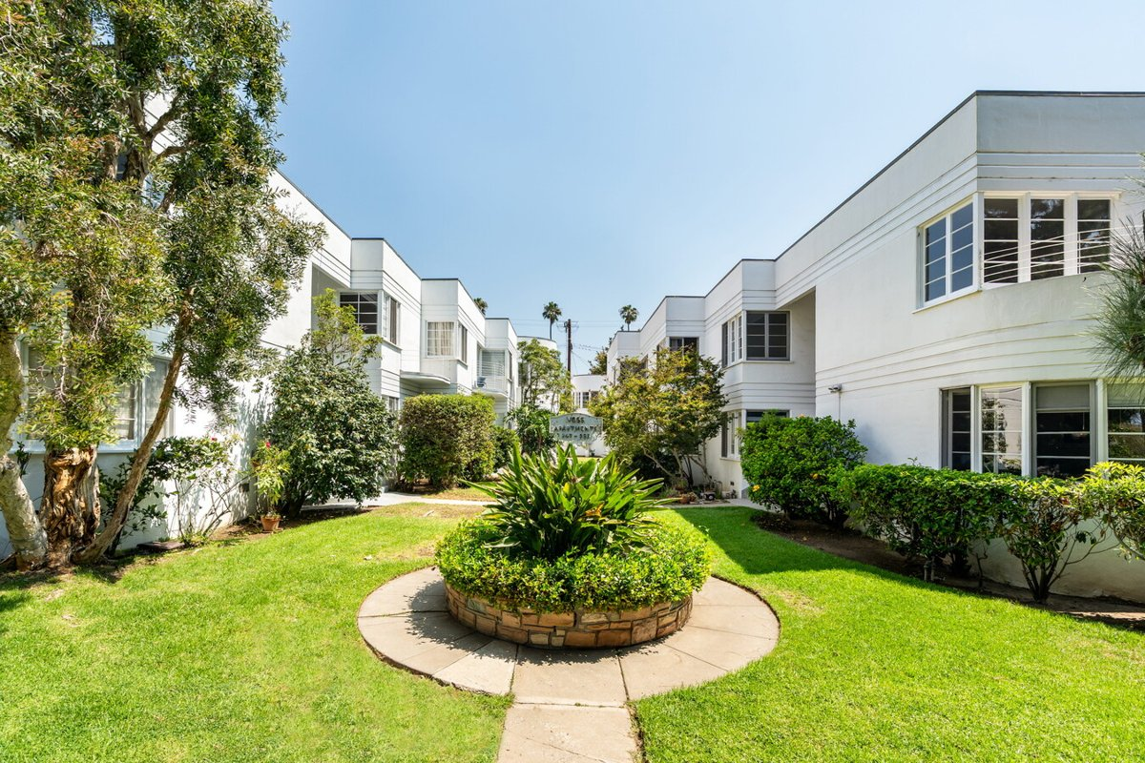
947-953 11th St (Voss Apartments)
Santa Monica, CA 90403 | Santa Monica
LoopNet listing | Data pulled 9/17/2026 from LoopNet public listing
NOTE: 80% occupied per LoopNet

PROPERTY
Units | 15
Gross building SF | 11,850
Lot SF | 14,810
Lot acres | 0.34
Year built | 1937
Stories | 2
Zoning | SMR2*
Occupancy per listing | 80%
APN | Multiple
Assessed value (current) | $2,731,000
Listing broker(s) | Eli Appel
Date on market | 9/4/2026
Listing last updated | 9/14/2026

PRICING
Asking price | $8,500,000
Price per unit | $566,667
Price per gross SF | $717.30
OM / listing cap rate (as published) | 6.04%
OM / listing GRM (as published) | 13.77x

UNIT MIX & SCHEDULED RENT
Unit type | # Units | Avg rent / mo | Monthly total | Annual | Rent source
Studio | 4 | $2,316 | $9,264 | $111,168 | Allocated from published GRM (price / GRM) using LAAA bed weights
1 Bd / 1 Ba | 6 | $3,308 | $19,848 | $238,176 | Allocated from published GRM (price / GRM) using LAAA bed weights
2 Bd / 1 Ba | 4 | $4,466 | $17,864 | $214,368 | Allocated from published GRM (price / GRM) using LAAA bed weights
2 Bd / 2 Ba | 1 | $4,466 | $4,466 | $53,592 | Allocated from published GRM (price / GRM) using LAAA bed weights
Total / weighted avg | 15 | $3,429 | $51,442 | $617,304

INCOME
 | OM as presented | LAAA underwritten |  |  | Basis / note
Scheduled gross rent | $617,284 | $617,304 |  |  | OM column: price / published GRM
Other income (laundry, parking, RUBS) | - | -
Gross scheduled income | $617,284 | $617,304
Vacancy & credit loss | ($18,519) | ($18,519) |  |  | OM 3.0% (OM figure if extracted, else 3% assumed); LAAA per Assumptions
Effective gross income | $598,765 | $598,785

OPERATING EXPENSES
Expense line | OM as presented | LAAA benchmark | LAAA underwritten | Delta vs OM | Basis / note
Property taxes (reassessed at price) |  | $97,750 | $97,750 |  | Santa Monica rate x asking price; always reassessed, never MAX
Insurance |  | $14,850 | $14,850 |  | LAAA benchmark (units x $200) + (SF x $1.00)
Management |  | $29,939 | $29,939 |  | % of LAAA EGI
Repairs & maintenance |  | $18,000 | $18,000 |  | per unit, by vintage
Utilities (water/sewer/trash/common electric & gas) |  | $27,000 | $27,000 |  | per unit, by city
Contract services (landscape, pest, cleaning) |  | $6,000 | $6,000 |  | per unit
Admin / legal / licenses / rent registration |  | $3,750 | $3,750 |  | per unit; OM "other" items land here
Replacement reserves |  | $4,500 | $4,500 |  | per unit
Total operating expenses | $85,365 | $201,789 | $201,789 | $116,424 | OM line items not published. OM total IMPLIED = OM EGI - (price x published cap)
Expenses per unit | $5,691 | $13,453 | $13,453
Expenses as % of EGI | 14.26% | 33.70% | 33.70%
OM expense test | OM EXPENSES LIGHT

NOI & RETURNS
 | OM as presented | LAAA underwritten |  |  | Basis / note
Net operating income | $513,400 | $396,996
Cap rate on asking price | 6.04% | 4.67% |  |  | OM column recomputed from OM figures; compare to published cap above
GRM (price / scheduled rent) | 13.77x | 13.77x
NOI per unit | $34,227 | $26,466

FINANCING (illustrative, on LAAA NOI)
LTV loan | $5,100,000
DCR-sized loan | $4,298,463
Loan amount (lesser of) | $4,298,463
Down payment | $4,201,537
Annual debt service | $317,597
DCR | 1.25x
Cash flow after debt service | $79,399
Cash-on-cash return | 1.89%

Legend: yellow = published input, orange = estimated (nothing published), grey = LAAA underwritten (MAX of OM line and benchmark; taxes always reassessed).

