23 222-228 Idaho Ave
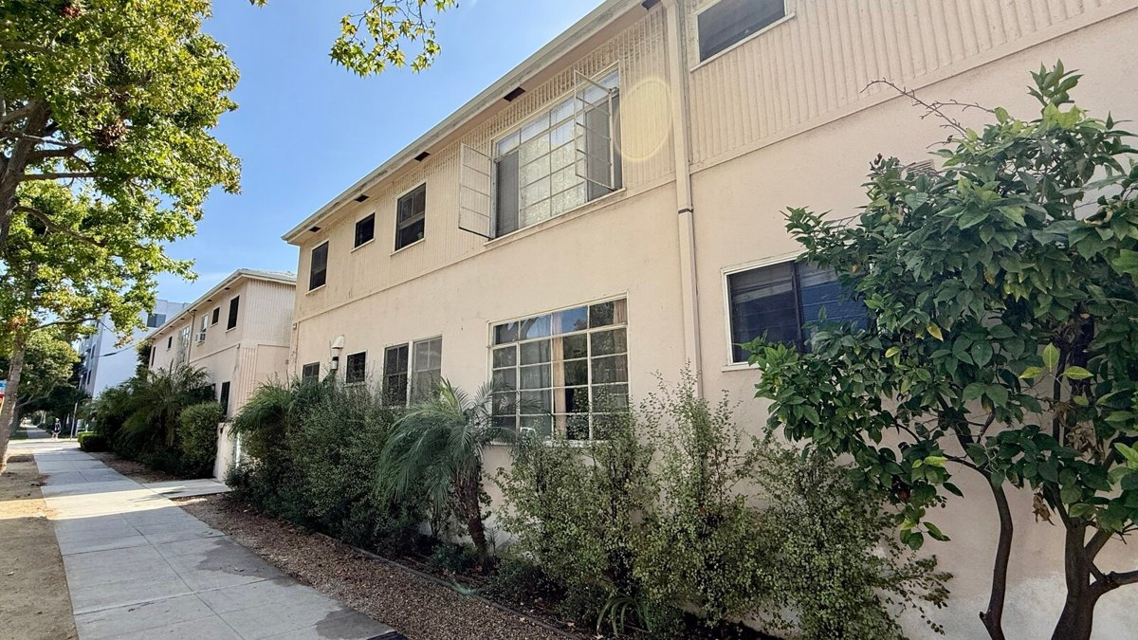
222-228 Idaho Ave
Santa Monica, CA 90403 | Santa Monica
LoopNet listing | Data pulled 9/17/2026 from LoopNet public listing
NOTE: Two parcels 222 & 228 Idaho

PROPERTY
Units | 20
Gross building SF | 15,006
Lot SF | 14,810
Lot acres | 0.34
Year built | 1954
Stories | 2
Zoning | SMR4YY
Occupancy per listing
APN | 4292-023-001
Assessed value (current) | $9,991,928
Listing broker(s) | Warren Berzack
Date on market | 8/26/2026
Listing last updated | 9/14/2026

PRICING
Asking price | $7,795,000
Price per unit | $389,750
Price per gross SF | $519.46
OM / listing cap rate (as published) | 5.07%
OM / listing GRM (as published) | 12.34x

UNIT MIX & SCHEDULED RENT
Unit type | # Units | Avg rent / mo | Monthly total | Annual | Rent source
Studio | 2 | $1,833 | $3,666 | $43,992 | Allocated from published GRM (price / GRM) using LAAA bed weights
1 Bd / 1 Ba | 16 | $2,619 | $41,904 | $502,848 | Allocated from published GRM (price / GRM) using LAAA bed weights
2 Bd / 2 Ba | 2 | $3,536 | $7,072 | $84,864 | Allocated from published GRM (price / GRM) using LAAA bed weights
Total / weighted avg | 20 | $2,632 | $52,642 | $631,704

INCOME
 | OM as presented | LAAA underwritten |  |  | Basis / note
Scheduled gross rent | $631,686 | $631,704 |  |  | OM column: price / published GRM
Other income (laundry, parking, RUBS) | - | -
Gross scheduled income | $631,686 | $631,704
Vacancy & credit loss | ($18,951) | ($18,951) |  |  | OM 3.0% (OM figure if extracted, else 3% assumed); LAAA per Assumptions
Effective gross income | $612,735 | $612,753

OPERATING EXPENSES
Expense line | OM as presented | LAAA benchmark | LAAA underwritten | Delta vs OM | Basis / note
Property taxes (reassessed at price) |  | $89,643 | $89,643 |  | Santa Monica rate x asking price; always reassessed, never MAX
Insurance |  | $19,006 | $19,006 |  | LAAA benchmark (units x $200) + (SF x $1.00)
Management |  | $30,638 | $30,638 |  | % of LAAA EGI
Repairs & maintenance |  | $24,000 | $24,000 |  | per unit, by vintage
Utilities (water/sewer/trash/common electric & gas) |  | $36,000 | $36,000 |  | per unit, by city
Contract services (landscape, pest, cleaning) |  | $8,000 | $8,000 |  | per unit
Admin / legal / licenses / rent registration |  | $5,000 | $5,000 |  | per unit; OM "other" items land here
Replacement reserves |  | $6,000 | $6,000 |  | per unit
Total operating expenses | $217,529 | $218,286 | $218,286 | $758 | OM line items not published. OM total IMPLIED = OM EGI - (price x published cap)
Expenses per unit | $10,876 | $10,914 | $10,914
Expenses as % of EGI | 35.50% | 35.62% | 35.62%
OM expense test | OM expenses reasonable

NOI & RETURNS
 | OM as presented | LAAA underwritten |  |  | Basis / note
Net operating income | $395,207 | $394,467
Cap rate on asking price | 5.07% | 5.06% |  |  | OM column recomputed from OM figures; compare to published cap above
GRM (price / scheduled rent) | 12.34x | 12.34x
NOI per unit | $19,760 | $19,723

FINANCING (illustrative, on LAAA NOI)
LTV loan | $4,677,000
DCR-sized loan | $4,271,081
Loan amount (lesser of) | $4,271,081
Down payment | $3,523,919
Annual debt service | $315,573
DCR | 1.25x
Cash flow after debt service | $78,893
Cash-on-cash return | 2.24%

Legend: yellow = published input, orange = estimated (nothing published), grey = LAAA underwritten (MAX of OM line and benchmark; taxes always reassessed).

