26 1256 S Westgate Ave
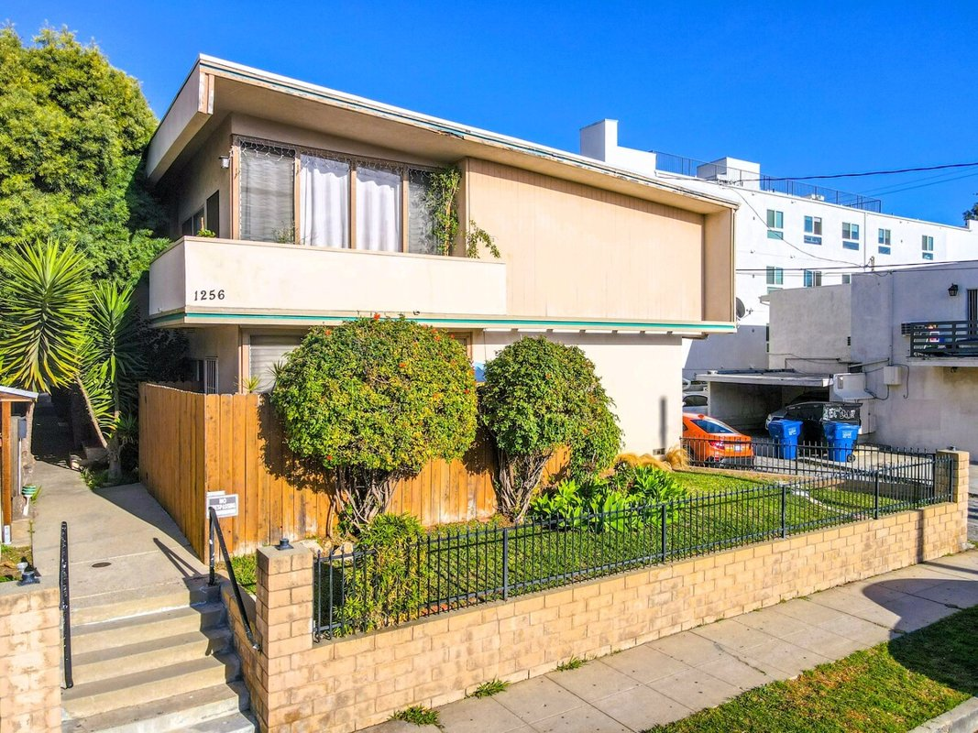
1256 S Westgate Ave
Los Angeles, CA 90025 | West LA / Sawtelle
LoopNet listing | Data pulled 9/17/2026 from LoopNet public listing
NOTE: 80% occupied

PROPERTY
Units | 10
Gross building SF | 7,391
Lot SF | 7,405
Lot acres | 0.17
Year built | 1960
Stories | 2
Zoning | LAR3 - Restricted Density Multiple Dwelling
Occupancy per listing | 80%
APN | 4263-007-025
Assessed value (current) | $882,650
Listing broker(s) | Peter James, Will James
Date on market | 5/28/2026
Listing last updated | 8/12/2026

PRICING
Asking price | $2,695,000
Price per unit | $269,500
Price per gross SF | $364.63
OM / listing cap rate (as published) | 4.85%
OM / listing GRM (as published) | 12.89x

UNIT MIX & SCHEDULED RENT
Unit type | # Units | Avg rent / mo | Monthly total | Annual | Rent source
1 Bd / 1 Ba | 7 | $1,577 | $11,039 | $132,468 | Allocated from published GRM (price / GRM) using LAAA bed weights
2 Bd / 2 Ba | 1 | $2,129 | $2,129 | $25,548 | Allocated from published GRM (price / GRM) using LAAA bed weights
2 Bd / 1 Ba | 2 | $2,129 | $4,258 | $51,096 | Allocated from published GRM (price / GRM) using LAAA bed weights
Total / weighted avg | 10 | $1,743 | $17,426 | $209,112

INCOME
 | OM as presented | LAAA underwritten |  |  | Basis / note
Scheduled gross rent | $209,077 | $209,112 |  |  | OM column: price / published GRM
Other income (laundry, parking, RUBS) | - | -
Gross scheduled income | $209,077 | $209,112
Vacancy & credit loss | ($6,272) | ($6,273) |  |  | OM 3.0% (OM figure if extracted, else 3% assumed); LAAA per Assumptions
Effective gross income | $202,804 | $202,839

OPERATING EXPENSES
Expense line | OM as presented | LAAA benchmark | LAAA underwritten | Delta vs OM | Basis / note
Property taxes (reassessed at price) |  | $33,688 | $33,688 |  | Los Angeles rate x asking price; always reassessed, never MAX
Insurance |  | $9,391 | $9,391 |  | LAAA benchmark (units x $200) + (SF x $1.00)
Management |  | $10,142 | $10,142 |  | % of LAAA EGI
Repairs & maintenance |  | $12,000 | $12,000 |  | per unit, by vintage
Utilities (water/sewer/trash/common electric & gas) |  | $15,000 | $15,000 |  | per unit, by city
Contract services (landscape, pest, cleaning) |  | $4,000 | $4,000 |  | per unit
Admin / legal / licenses / rent registration |  | $2,500 | $2,500 |  | per unit; OM "other" items land here
Replacement reserves |  | $3,000 | $3,000 |  | per unit
Total operating expenses | $72,097 | $89,720 | $89,720 | $17,623 | OM line items not published. OM total IMPLIED = OM EGI - (price x published cap)
Expenses per unit | $7,210 | $8,972 | $8,972
Expenses as % of EGI | 35.55% | 44.23% | 44.23%
OM expense test | OM EXPENSES LIGHT

NOI & RETURNS
 | OM as presented | LAAA underwritten |  |  | Basis / note
Net operating income | $130,707 | $113,118
Cap rate on asking price | 4.85% | 4.20% |  |  | OM column recomputed from OM figures; compare to published cap above
GRM (price / scheduled rent) | 12.89x | 12.89x
NOI per unit | $13,071 | $11,312

FINANCING (illustrative, on LAAA NOI)
LTV loan | $1,617,000
DCR-sized loan | $1,224,785
Loan amount (lesser of) | $1,224,785
Down payment | $1,470,215
Annual debt service | $90,495
DCR | 1.25x
Cash flow after debt service | $22,624
Cash-on-cash return | 1.54%

Legend: yellow = published input, orange = estimated (nothing published), grey = LAAA underwritten (MAX of OM line and benchmark; taxes always reassessed).

