37 Beverly Hills double lot
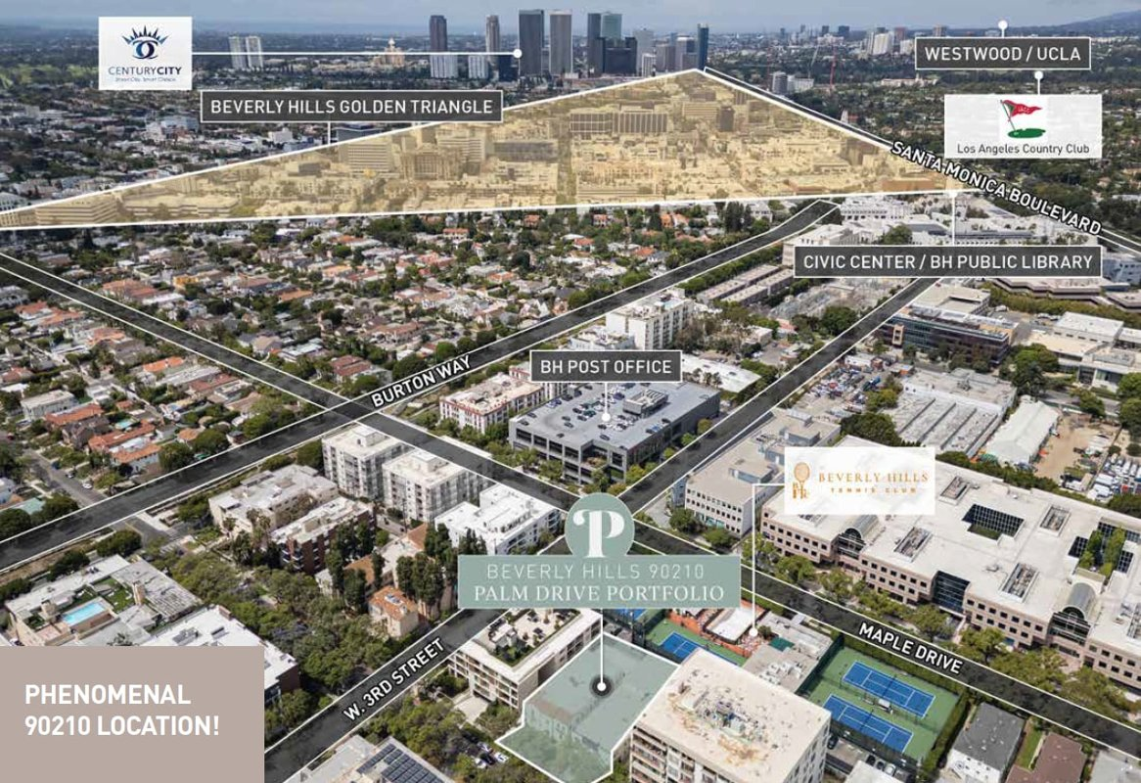
Beverly Hills double lot (18 units, 2 bldgs)
Beverly Hills, CA 90211 | Beverly Hills
LoopNet listing | Data pulled 9/17/2026 from LoopNet public listing
NOTE: Address not published on LoopNet; 15,751 SF combined lot; 6 of 10 units in one bldg delivered vacant. No financials published

PROPERTY
Units | 18
Gross building SF | 18,404
Lot SF | 15,751
Lot acres | 0.36
Year built
Stories
Zoning
Occupancy per listing
APN
Assessed value (current)
Listing broker(s) | Adrienne Barr, Nancy Badzey
Date on market | 6/30/2026
Listing last updated | 9/14/2026

PRICING
Asking price | $10,000,000
Price per unit | $555,556
Price per gross SF | $543.36
OM / listing cap rate (as published)
OM / listing GRM (as published)

UNIT MIX & SCHEDULED RENT
Unit type | # Units | Avg rent / mo | Monthly total | Annual | Rent source
1 Bd / 1 Ba | 12 | $2,400 | $28,800 | $345,600 | ESTIMATED (no rents, GRM or cap published) - verify with OM
2 Bd / 1 Ba | 6 | $3,200 | $19,200 | $230,400 | ESTIMATED (no rents, GRM or cap published) - verify with OM
Total / weighted avg | 18 | $2,667 | $48,000 | $576,000
Unit mix not published; 18 units split assumed 12x1BR / 6x2BR

INCOME
 | OM as presented | LAAA underwritten |  |  | Basis / note
Scheduled gross rent |  | $576,000 |  |  | OM GSR not published
Other income (laundry, parking, RUBS) | - | -
Gross scheduled income | - | $576,000
Vacancy & credit loss | - | ($17,280) |  |  | OM 3.0% (OM figure if extracted, else 3% assumed); LAAA per Assumptions
Effective gross income | - | $558,720

OPERATING EXPENSES
Expense line | OM as presented | LAAA benchmark | LAAA underwritten | Delta vs OM | Basis / note
Property taxes (reassessed at price) |  | $115,000 | $115,000 |  | Beverly Hills rate x asking price; always reassessed, never MAX
Insurance |  | $22,004 | $22,004 |  | LAAA benchmark (units x $200) + (SF x $1.00)
Management |  | $27,936 | $27,936 |  | % of LAAA EGI
Repairs & maintenance |  | $21,600 | $21,600 |  | per unit, by vintage
Utilities (water/sewer/trash/common electric & gas) |  | $28,800 | $28,800 |  | per unit, by city
Contract services (landscape, pest, cleaning) |  | $7,200 | $7,200 |  | per unit
Admin / legal / licenses / rent registration |  | $4,500 | $4,500 |  | per unit; OM "other" items land here
Replacement reserves |  | $5,400 | $5,400 |  | per unit
Total operating expenses |  | $232,440 | $232,440 |  | OM expenses not published
Expenses per unit | - | $12,913 | $12,913
Expenses as % of EGI |  | 41.60% | 41.60%
OM expense test | OM expenses not published

NOI & RETURNS
 | OM as presented | LAAA underwritten |  |  | Basis / note
Net operating income |  | $326,280
Cap rate on asking price | 0.00% | 3.26% |  |  | OM column recomputed from OM figures; compare to published cap above
GRM (price / scheduled rent) |  | 17.36x
NOI per unit | - | $18,127

FINANCING (illustrative, on LAAA NOI)
LTV loan | $6,000,000
DCR-sized loan | $3,532,791
Loan amount (lesser of) | $3,532,791
Down payment | $6,467,209
Annual debt service | $261,024
DCR | 1.25x
Cash flow after debt service | $65,256
Cash-on-cash return | 1.01%

Legend: yellow = published input, orange = estimated (nothing published), grey = LAAA underwritten (MAX of OM line and benchmark; taxes always reassessed).

