15 1400 Venice Blvd
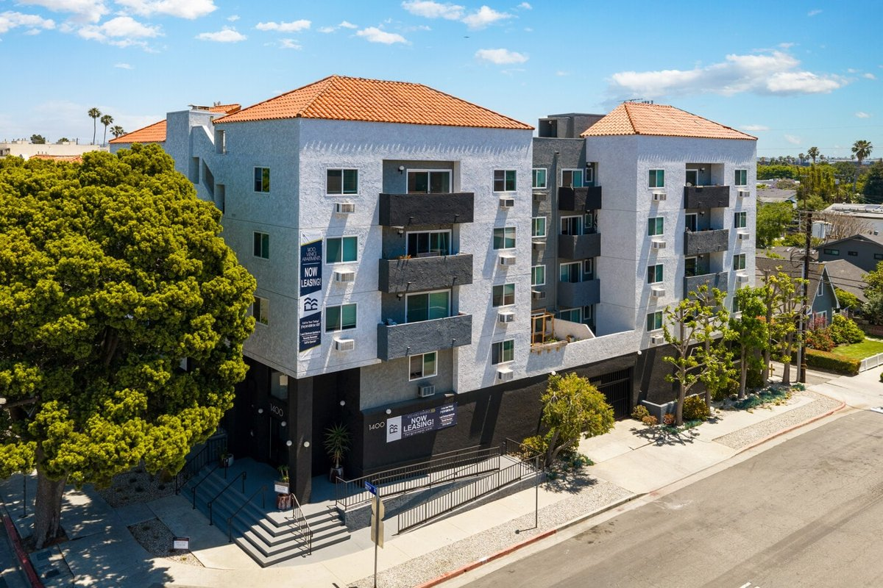
1400 Venice Blvd
Venice, CA 90291 | Venice
LoopNet listing | Data pulled 9/17/2026 from LoopNet public listing
NOTE: 1988 build (non-RSO)

PROPERTY
Units | 31
Gross building SF | 24,605
Lot SF | 11,761
Lot acres | 0.27
Year built | 1988
Stories | 4
Zoning | R4-1, Los Angeles
Occupancy per listing | 94%
APN | 4236-006-026
Assessed value (current) | $10,377,990
Listing broker(s) | Kitty Wallace
Date on market | 6/10/2026
Listing last updated | 9/3/2026

PRICING
Asking price | $12,950,000
Price per unit | $417,742
Price per gross SF | $526.32
OM / listing cap rate (as published) | 5.30%
OM / listing GRM (as published) | 11.65x

UNIT MIX & SCHEDULED RENT
Unit type | # Units | Avg rent / mo | Monthly total | Annual | Rent source
1 Bd / 1 Ba (~700 SF) | 2 | $2,251 | $4,502 | $54,024 | Allocated from published GRM (price / GRM) using LAAA bed weights
2 Bd / 2 Ba (~900 SF) | 29 | $3,039 | $88,131 | $1,057,572 | Allocated from published GRM (price / GRM) using LAAA bed weights
Total / weighted avg | 31 | $2,988 | $92,633 | $1,111,596

INCOME
 | OM as presented | LAAA underwritten |  |  | Basis / note
Scheduled gross rent | $1,111,588 | $1,111,596 |  |  | OM column: price / published GRM
Other income (laundry, parking, RUBS) | - | -
Gross scheduled income | $1,111,588 | $1,111,596
Vacancy & credit loss | ($33,348) | ($33,348) |  |  | OM 3.0% (OM figure if extracted, else 3% assumed); LAAA per Assumptions
Effective gross income | $1,078,240 | $1,078,248

OPERATING EXPENSES
Expense line | OM as presented | LAAA benchmark | LAAA underwritten | Delta vs OM | Basis / note
Property taxes (reassessed at price) |  | $161,875 | $161,875 |  | Los Angeles rate x asking price; always reassessed, never MAX
Insurance |  | $30,805 | $30,805 |  | LAAA benchmark (units x $200) + (SF x $1.00)
Management |  | $53,912 | $53,912 |  | % of LAAA EGI
Repairs & maintenance |  | $37,200 | $37,200 |  | per unit, by vintage
Utilities (water/sewer/trash/common electric & gas) |  | $46,500 | $46,500 |  | per unit, by city
Contract services (landscape, pest, cleaning) |  | $12,400 | $12,400 |  | per unit
Admin / legal / licenses / rent registration |  | $7,750 | $7,750 |  | per unit; OM "other" items land here
Replacement reserves |  | $9,300 | $9,300 |  | per unit
Total operating expenses | $391,890 | $359,742 | $359,742 | ($32,148) | OM line items not published. OM total IMPLIED = OM EGI - (price x published cap)
Expenses per unit | $12,642 | $11,605 | $11,605
Expenses as % of EGI | 36.35% | 33.36% | 33.36%
OM expense test | OM expenses reasonable

NOI & RETURNS
 | OM as presented | LAAA underwritten |  |  | Basis / note
Net operating income | $686,350 | $718,506
Cap rate on asking price | 5.30% | 5.55% |  |  | OM column recomputed from OM figures; compare to published cap above
GRM (price / scheduled rent) | 11.65x | 11.65x
NOI per unit | $22,140 | $23,178

FINANCING (illustrative, on LAAA NOI)
LTV loan | $7,770,000
DCR-sized loan | $7,779,607
Loan amount (lesser of) | $7,770,000
Down payment | $5,180,000
Annual debt service | $574,095
DCR | 1.25x
Cash flow after debt service | $144,411
Cash-on-cash return | 2.79%

Legend: yellow = published input, orange = estimated (nothing published), grey = LAAA underwritten (MAX of OM line and benchmark; taxes always reassessed).

