22 2619 S Sepulveda Blvd
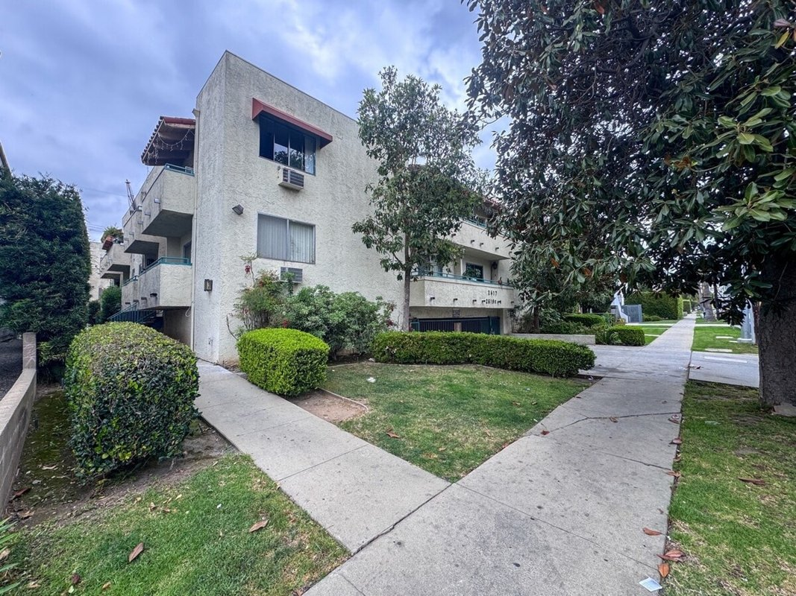
2619 S Sepulveda Blvd
Los Angeles, CA 90064 | West LA / Rancho Park
LoopNet listing | Data pulled 9/17/2026 from LoopNet public listing
NOTE: $325K reduction

PROPERTY
Units | 29
Gross building SF | 19,116
Lot SF | 20,038
Lot acres | 0.46
Year built | 1974
Stories | 3
Zoning | LAR3
Occupancy per listing | 97%
APN | 4256-013-043
Assessed value (current) | $1,010,303
Listing broker(s) | Jonathan Taksa
Date on market | 5/27/2026
Listing last updated | 9/11/2026

PRICING
Asking price | $5,575,000
Price per unit | $192,241
Price per gross SF | $291.64
OM / listing cap rate (as published) | 5.92%
OM / listing GRM (as published) | 10.51x

UNIT MIX & SCHEDULED RENT
Unit type | # Units | Avg rent / mo | Monthly total | Annual | Rent source
2 Bd / 2 Ba (~975 SF) | 3 | $2,282 | $6,846 | $82,152 | Allocated from published GRM (price / GRM) using LAAA bed weights
1 Bd / 1 Ba (~650 SF) | 13 | $1,690 | $21,970 | $263,640 | Allocated from published GRM (price / GRM) using LAAA bed weights
Studio | 13 | $1,183 | $15,379 | $184,548 | Allocated from published GRM (price / GRM) using LAAA bed weights
Total / weighted avg | 29 | $1,524 | $44,195 | $530,340

INCOME
 | OM as presented | LAAA underwritten |  |  | Basis / note
Scheduled gross rent | $530,447 | $530,340 |  |  | OM column: price / published GRM
Other income (laundry, parking, RUBS) | - | -
Gross scheduled income | $530,447 | $530,340
Vacancy & credit loss | ($15,913) | ($15,910) |  |  | OM 3.0% (OM figure if extracted, else 3% assumed); LAAA per Assumptions
Effective gross income | $514,534 | $514,430

OPERATING EXPENSES
Expense line | OM as presented | LAAA benchmark | LAAA underwritten | Delta vs OM | Basis / note
Property taxes (reassessed at price) |  | $69,688 | $69,688 |  | Los Angeles rate x asking price; always reassessed, never MAX
Insurance |  | $24,916 | $24,916 |  | LAAA benchmark (units x $200) + (SF x $1.00)
Management |  | $25,721 | $25,721 |  | % of LAAA EGI
Repairs & maintenance |  | $34,800 | $34,800 |  | per unit, by vintage
Utilities (water/sewer/trash/common electric & gas) |  | $43,500 | $43,500 |  | per unit, by city
Contract services (landscape, pest, cleaning) |  | $11,600 | $11,600 |  | per unit
Admin / legal / licenses / rent registration |  | $7,250 | $7,250 |  | per unit; OM "other" items land here
Replacement reserves |  | $8,700 | $8,700 |  | per unit
Total operating expenses | $184,494 | $226,175 | $226,175 | $41,681 | OM line items not published. OM total IMPLIED = OM EGI - (price x published cap)
Expenses per unit | $6,362 | $7,799 | $7,799
Expenses as % of EGI | 35.86% | 43.97% | 43.97%
OM expense test | OM EXPENSES LIGHT

NOI & RETURNS
 | OM as presented | LAAA underwritten |  |  | Basis / note
Net operating income | $330,040 | $288,255
Cap rate on asking price | 5.92% | 5.17% |  |  | OM column recomputed from OM figures; compare to published cap above
GRM (price / scheduled rent) | 10.51x | 10.51x
NOI per unit | $11,381 | $9,940

FINANCING (illustrative, on LAAA NOI)
LTV loan | $3,345,000
DCR-sized loan | $3,121,074
Loan amount (lesser of) | $3,121,074
Down payment | $2,453,926
Annual debt service | $230,604
DCR | 1.25x
Cash flow after debt service | $57,651
Cash-on-cash return | 2.35%

Legend: yellow = published input, orange = estimated (nothing published), grey = LAAA underwritten (MAX of OM line and benchmark; taxes always reassessed).

