24 1814 Federal Ave
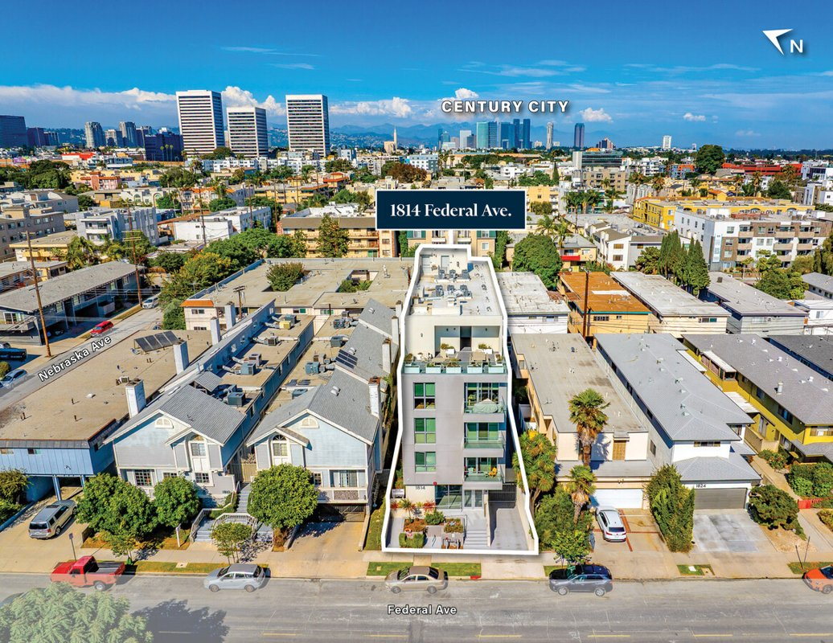
1814 Federal Ave
Los Angeles, CA 90025 | West LA / Sawtelle
LoopNet listing | Data pulled 9/17/2026 from LoopNet public listing
NOTE: UNPRICED. 2024 construction, 12 units

PROPERTY
Units | 12
Gross building SF | 8,000
Lot SF | 5,663
Lot acres | 0.13
Year built | 2024
Stories | 5
Zoning | LAR3 - Restricted Density Multiple Dwelling Zone
Occupancy per listing
APN | 4261-025-027
Assessed value (current) | $4,629,520
Listing broker(s) | Kamran Paydar, Kadie Presley Wilson
Date on market | 10/7/2025
Listing last updated | 9/15/2026

PRICING
Asking price |  | UNPRICED (price upon request)
Price per unit | -
Price per gross SF | $0.00
OM / listing cap rate (as published)
OM / listing GRM (as published)

UNIT MIX & SCHEDULED RENT
Unit type | # Units | Avg rent / mo | Monthly total | Annual | Rent source
Units (mix not published) | 12 | $2,200 | $26,400 | $316,800 | ESTIMATED (no rents, GRM or cap published) - verify with OM
Total / weighted avg | 12 | $2,200 | $26,400 | $316,800

INCOME
 | OM as presented | LAAA underwritten |  |  | Basis / note
Scheduled gross rent |  | $316,800 |  |  | OM GSR not published
Other income (laundry, parking, RUBS) | - | -
Gross scheduled income | - | $316,800
Vacancy & credit loss | - | ($9,504) |  |  | OM 3.0% (OM figure if extracted, else 3% assumed); LAAA per Assumptions
Effective gross income | - | $307,296

OPERATING EXPENSES
Expense line | OM as presented | LAAA benchmark | LAAA underwritten | Delta vs OM | Basis / note
Property taxes (reassessed at price) |  | - | - |  | Los Angeles rate x asking price; always reassessed, never MAX
Insurance |  | $10,400 | $10,400 |  | LAAA benchmark (units x $200) + (SF x $1.00)
Management |  | $15,365 | $15,365 |  | % of LAAA EGI
Repairs & maintenance |  | $9,600 | $9,600 |  | per unit, by vintage
Utilities (water/sewer/trash/common electric & gas) |  | $18,000 | $18,000 |  | per unit, by city
Contract services (landscape, pest, cleaning) |  | $4,800 | $4,800 |  | per unit
Admin / legal / licenses / rent registration |  | $3,000 | $3,000 |  | per unit; OM "other" items land here
Replacement reserves |  | $3,600 | $3,600 |  | per unit
Total operating expenses |  | $64,765 | $64,765 |  | OM expenses not published
Expenses per unit | - | $5,397 | $5,397
Expenses as % of EGI |  | 21.08% | 21.08%
OM expense test | OM expenses not published

NOI & RETURNS
 | OM as presented | LAAA underwritten |  |  | Basis / note
Net operating income |  | $242,531
Cap rate on asking price |  |  |  |  | OM column recomputed from OM figures; compare to published cap above
GRM (price / scheduled rent) |  | 0.00x
NOI per unit | - | $20,211

FINANCING (illustrative, on LAAA NOI)
LTV loan | -
DCR-sized loan | $2,626,002
Loan amount (lesser of) | -
Down payment | -
Annual debt service | -
DCR
Cash flow after debt service | $242,531
Cash-on-cash return

Legend: yellow = published input, orange = estimated (nothing published), grey = LAAA underwritten (MAX of OM line and benchmark; taxes always reassessed).

