30 3750 Midvale Ave
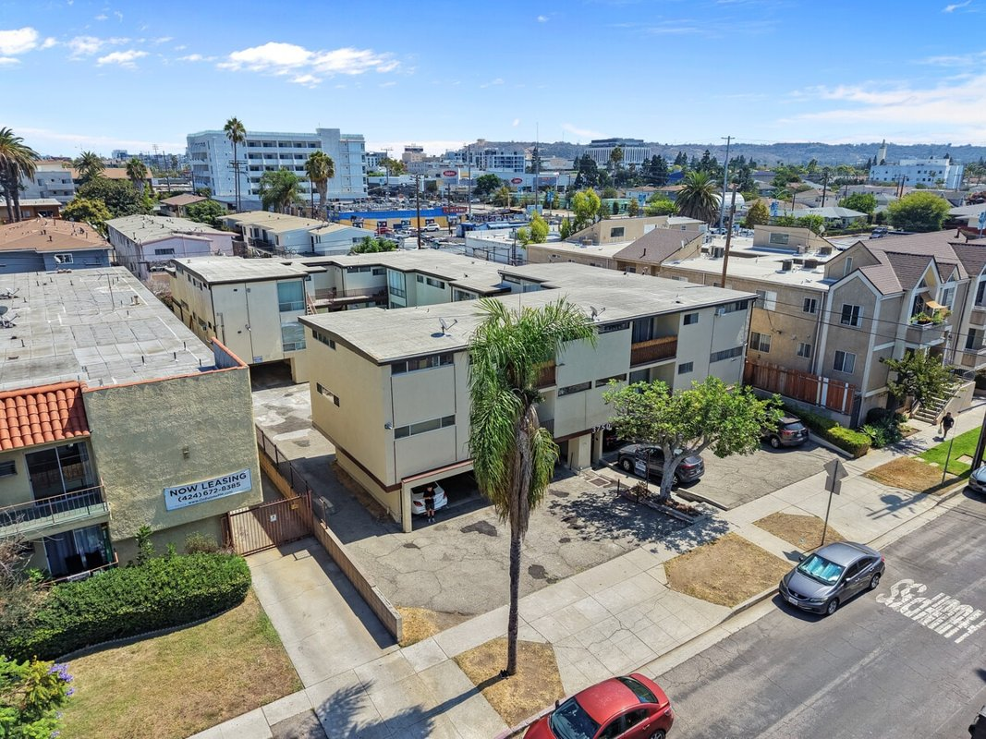
3750 Midvale Ave
Los Angeles, CA 90034 | Palms
LoopNet listing | Data pulled 9/17/2026 from LoopNet public listing
NOTE: New listing 9/10/26, long-term family ownership

PROPERTY
Units | 16
Gross building SF | 13,210
Lot SF | 16,117
Lot acres | 0.37
Year built | 1961
Stories | 2
Zoning | LAR3
Occupancy per listing
APN | 4252-026-012
Assessed value (current) | $606,403
Listing broker(s) | Woody Stahl, Brett Lyon
Date on market | 9/10/2026
Listing last updated | 9/10/2026

PRICING
Asking price | $4,200,000
Price per unit | $262,500
Price per gross SF | $317.94
OM / listing cap rate (as published) | 4.26%
OM / listing GRM (as published) | 12.81x

UNIT MIX & SCHEDULED RENT
Unit type | # Units | Avg rent / mo | Monthly total | Annual | Rent source
2 Bd / 1 Ba | 6 | $2,127 | $12,762 | $153,144 | LoopNet published avg rent by unit type
1 Bd / 1 Ba | 10 | $1,539 | $15,390 | $184,680 | LoopNet published avg rent by unit type
Total / weighted avg | 16 | $1,760 | $28,152 | $337,824

INCOME
 | OM as presented | LAAA underwritten |  |  | Basis / note
Scheduled gross rent | $327,869 | $337,824 |  |  | OM column: price / published GRM
Other income (laundry, parking, RUBS) | - | -
Gross scheduled income | $327,869 | $337,824
Vacancy & credit loss | ($9,836) | ($10,135) |  |  | OM 3.0% (OM figure if extracted, else 3% assumed); LAAA per Assumptions
Effective gross income | $318,033 | $327,689

OPERATING EXPENSES
Expense line | OM as presented | LAAA benchmark | LAAA underwritten | Delta vs OM | Basis / note
Property taxes (reassessed at price) |  | $52,500 | $52,500 |  | Los Angeles rate x asking price; always reassessed, never MAX
Insurance |  | $16,410 | $16,410 |  | LAAA benchmark (units x $200) + (SF x $1.00)
Management |  | $16,384 | $16,384 |  | % of LAAA EGI
Repairs & maintenance |  | $19,200 | $19,200 |  | per unit, by vintage
Utilities (water/sewer/trash/common electric & gas) |  | $24,000 | $24,000 |  | per unit, by city
Contract services (landscape, pest, cleaning) |  | $6,400 | $6,400 |  | per unit
Admin / legal / licenses / rent registration |  | $4,000 | $4,000 |  | per unit; OM "other" items land here
Replacement reserves |  | $4,800 | $4,800 |  | per unit
Total operating expenses | $139,113 | $143,694 | $143,694 | $4,582 | OM line items not published. OM total IMPLIED = OM EGI - (price x published cap)
Expenses per unit | $8,695 | $8,981 | $8,981
Expenses as % of EGI | 43.74% | 43.85% | 43.85%
OM expense test | OM expenses reasonable

NOI & RETURNS
 | OM as presented | LAAA underwritten |  |  | Basis / note
Net operating income | $178,920 | $183,995
Cap rate on asking price | 4.26% | 4.38% |  |  | OM column recomputed from OM figures; compare to published cap above
GRM (price / scheduled rent) | 12.81x | 12.43x
NOI per unit | $11,183 | $11,500

FINANCING (illustrative, on LAAA NOI)
LTV loan | $2,520,000
DCR-sized loan | $1,992,200
Loan amount (lesser of) | $1,992,200
Down payment | $2,207,800
Annual debt service | $147,196
DCR | 1.25x
Cash flow after debt service | $36,799
Cash-on-cash return | 1.67%

Legend: yellow = published input, orange = estimated (nothing published), grey = LAAA underwritten (MAX of OM line and benchmark; taxes always reassessed).

