36 9848 Tabor St
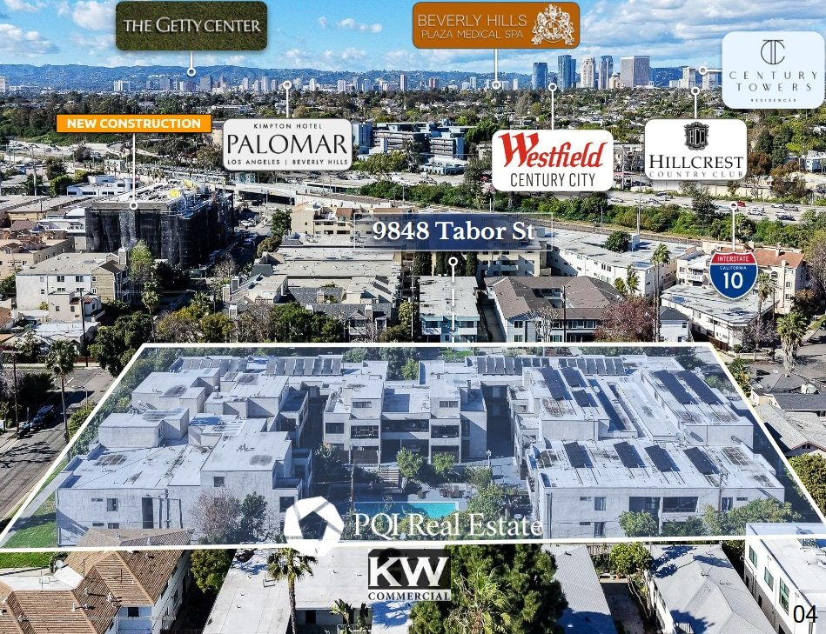
9848 Tabor St
Los Angeles, CA 90034 | Palms
LoopNet listing | Data pulled 9/17/2026 from LoopNet public listing
NOTE: 62 units, 1977

PROPERTY
Units | 62
Gross building SF | 57,810
Lot SF | 49,223
Lot acres | 1.13
Year built | 1977
Stories | 2
Zoning | LAR3 - Restricted Density Multiple Dwelling
Occupancy per listing
APN | 4313-011-026
Assessed value (current) | $6,974,144
Listing broker(s) | Matthew Guerra
Date on market | 3/10/2026
Listing last updated | 9/16/2026

PRICING
Asking price | $28,000,000
Price per unit | $451,613
Price per gross SF | $484.35
OM / listing cap rate (as published) | 4.24%
OM / listing GRM (as published) | 15.29x

UNIT MIX & SCHEDULED RENT
Unit type | # Units | Avg rent / mo | Monthly total | Annual | Rent source
Studio (~561 SF) | 10 | $1,602 | $16,020 | $192,240 | Allocated from published GRM (price / GRM) using LAAA bed weights
1 Bd / 1 Ba | 30 | $2,288 | $68,640 | $823,680 | Allocated from published GRM (price / GRM) using LAAA bed weights
2 Bd / 2 Ba (~1010 SF) | 22 | $3,089 | $67,958 | $815,496 | Allocated from published GRM (price / GRM) using LAAA bed weights
Total / weighted avg | 62 | $2,462 | $152,618 | $1,831,416

INCOME
 | OM as presented | LAAA underwritten |  |  | Basis / note
Scheduled gross rent | $1,831,262 | $1,831,416 |  |  | OM column: price / published GRM
Other income (laundry, parking, RUBS) | - | -
Gross scheduled income | $1,831,262 | $1,831,416
Vacancy & credit loss | ($54,938) | ($54,942) |  |  | OM 3.0% (OM figure if extracted, else 3% assumed); LAAA per Assumptions
Effective gross income | $1,776,324 | $1,776,474

OPERATING EXPENSES
Expense line | OM as presented | LAAA benchmark | LAAA underwritten | Delta vs OM | Basis / note
Property taxes (reassessed at price) |  | $350,000 | $350,000 |  | Los Angeles rate x asking price; always reassessed, never MAX
Insurance |  | $70,210 | $70,210 |  | LAAA benchmark (units x $200) + (SF x $1.00)
Management |  | $88,824 | $88,824 |  | % of LAAA EGI
Repairs & maintenance |  | $74,400 | $74,400 |  | per unit, by vintage
Utilities (water/sewer/trash/common electric & gas) |  | $93,000 | $93,000 |  | per unit, by city
Contract services (landscape, pest, cleaning) |  | $24,800 | $24,800 |  | per unit
Admin / legal / licenses / rent registration |  | $15,500 | $15,500 |  | per unit; OM "other" items land here
Replacement reserves |  | $18,600 | $18,600 |  | per unit
Total operating expenses | $589,124 | $735,334 | $735,334 | $146,209 | OM line items not published. OM total IMPLIED = OM EGI - (price x published cap)
Expenses per unit | $9,502 | $11,860 | $11,860
Expenses as % of EGI | 33.17% | 41.39% | 41.39%
OM expense test | OM EXPENSES LIGHT

NOI & RETURNS
 | OM as presented | LAAA underwritten |  |  | Basis / note
Net operating income | $1,187,200 | $1,041,140
Cap rate on asking price | 4.24% | 3.72% |  |  | OM column recomputed from OM figures; compare to published cap above
GRM (price / scheduled rent) | 15.29x | 15.29x
NOI per unit | $19,148 | $16,793

FINANCING (illustrative, on LAAA NOI)
LTV loan | $16,800,000
DCR-sized loan | $11,272,923
Loan amount (lesser of) | $11,272,923
Down payment | $16,727,077
Annual debt service | $832,912
DCR | 1.25x
Cash flow after debt service | $208,228
Cash-on-cash return | 1.24%

Legend: yellow = published input, orange = estimated (nothing published), grey = LAAA underwritten (MAX of OM line and benchmark; taxes always reassessed).

