39 152 S Peck Dr
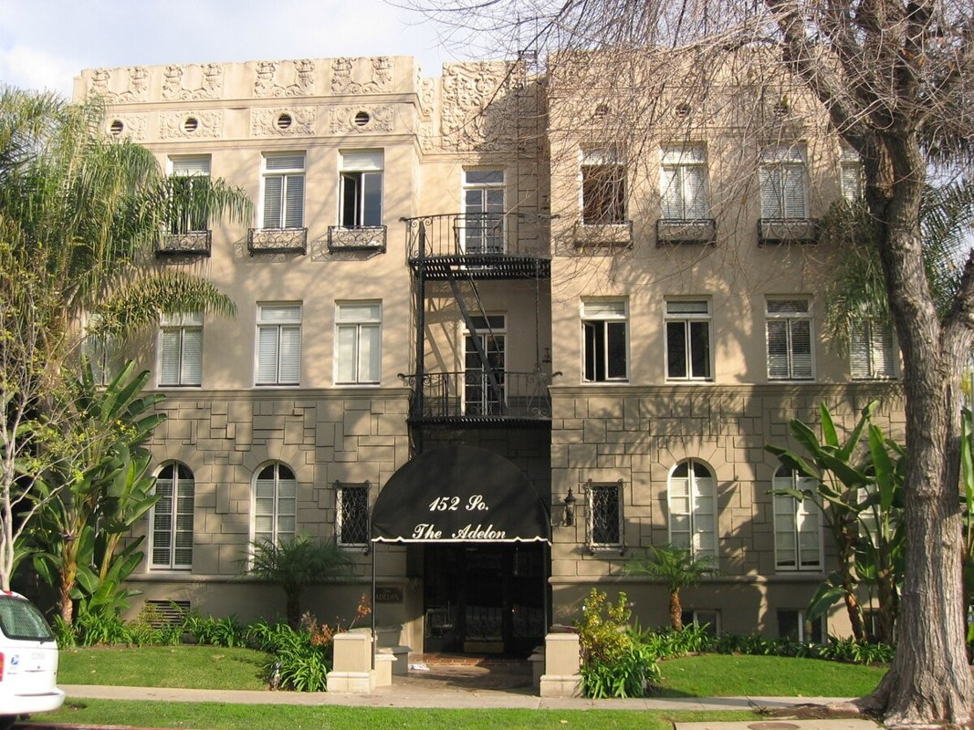
152 S Peck Dr (Adelon Apts)
Beverly Hills, CA 90212 | Beverly Hills
LoopNet listing | Data pulled 9/17/2026 from LoopNet public listing
NOTE: 1929 build; 31% upside claimed

PROPERTY
Units | 31
Gross building SF | 18,456
Lot SF | 9,583
Lot acres | 0.22
Year built | 1929
Stories | 3
Zoning | R4, Beverly Hills - Multiple Dwelling R3 Uses, Churches, Schools, Childcare, Homeless Shelter
Occupancy per listing | 100%
APN | 4328-026-020
Assessed value (current) | $5,565,423
Listing broker(s) | Hamid Soroudi
Date on market | 7/20/2026
Listing last updated | 8/31/2026

PRICING
Asking price | $14,000,000
Price per unit | $451,613
Price per gross SF | $758.56
OM / listing cap rate (as published) | 4.40%
OM / listing GRM (as published) | 14.70x

UNIT MIX & SCHEDULED RENT
Unit type | # Units | Avg rent / mo | Monthly total | Annual | Rent source
Studio | 6 | $1,816 | $10,896 | $130,752 | Allocated from published GRM (price / GRM) using LAAA bed weights
1 Bd / 1 Ba | 21 | $2,594 | $54,474 | $653,688 | Allocated from published GRM (price / GRM) using LAAA bed weights
2 Bd / 1 Ba (~1000 SF) | 4 | $3,501 | $14,004 | $168,048 | Allocated from published GRM (price / GRM) using LAAA bed weights
Total / weighted avg | 31 | $2,560 | $79,374 | $952,488

INCOME
 | OM as presented | LAAA underwritten |  |  | Basis / note
Scheduled gross rent | $952,381 | $952,488 |  |  | OM column: price / published GRM
Other income (laundry, parking, RUBS) | - | -
Gross scheduled income | $952,381 | $952,488
Vacancy & credit loss | ($28,571) | ($28,575) |  |  | OM 3.0% (OM figure if extracted, else 3% assumed); LAAA per Assumptions
Effective gross income | $923,810 | $923,913

OPERATING EXPENSES
Expense line | OM as presented | LAAA benchmark | LAAA underwritten | Delta vs OM | Basis / note
Property taxes (reassessed at price) |  | $161,000 | $161,000 |  | Beverly Hills rate x asking price; always reassessed, never MAX
Insurance |  | $24,656 | $24,656 |  | LAAA benchmark (units x $200) + (SF x $1.00)
Management |  | $46,196 | $46,196 |  | % of LAAA EGI
Repairs & maintenance |  | $37,200 | $37,200 |  | per unit, by vintage
Utilities (water/sewer/trash/common electric & gas) |  | $49,600 | $49,600 |  | per unit, by city
Contract services (landscape, pest, cleaning) |  | $12,400 | $12,400 |  | per unit
Admin / legal / licenses / rent registration |  | $7,750 | $7,750 |  | per unit; OM "other" items land here
Replacement reserves |  | $9,300 | $9,300 |  | per unit
Total operating expenses | $307,810 | $348,102 | $348,102 | $40,292 | OM line items not published. OM total IMPLIED = OM EGI - (price x published cap)
Expenses per unit | $9,929 | $11,229 | $11,229
Expenses as % of EGI | 33.32% | 37.68% | 37.68%
OM expense test | OM EXPENSES LIGHT

NOI & RETURNS
 | OM as presented | LAAA underwritten |  |  | Basis / note
Net operating income | $616,000 | $575,812
Cap rate on asking price | 4.40% | 4.11% |  |  | OM column recomputed from OM figures; compare to published cap above
GRM (price / scheduled rent) | 14.70x | 14.70x
NOI per unit | $19,871 | $18,575

FINANCING (illustrative, on LAAA NOI)
LTV loan | $8,400,000
DCR-sized loan | $6,234,591
Loan amount (lesser of) | $6,234,591
Down payment | $7,765,409
Annual debt service | $460,649
DCR | 1.25x
Cash flow after debt service | $115,162
Cash-on-cash return | 1.48%

Legend: yellow = published input, orange = estimated (nothing published), grey = LAAA underwritten (MAX of OM line and benchmark; taxes always reassessed).

