41 337 N Palm Dr
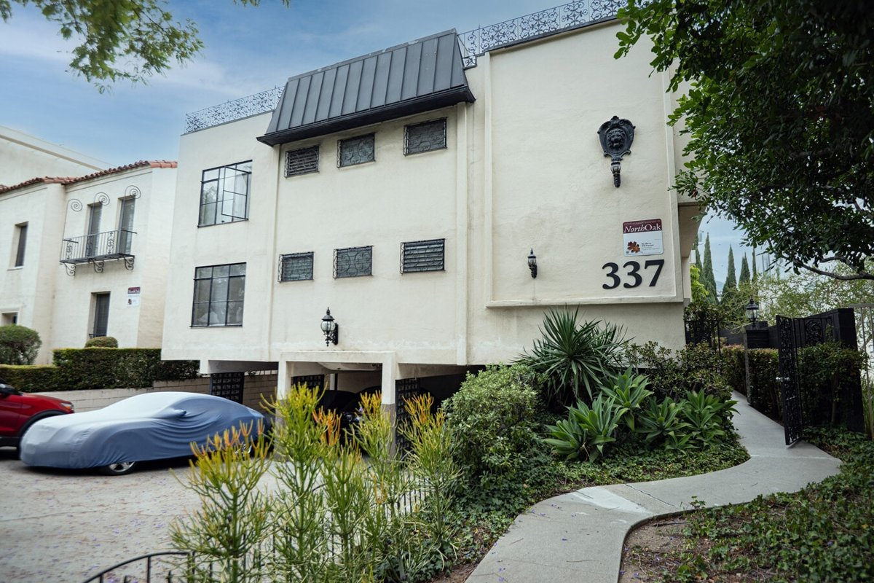
337 N Palm Dr
Beverly Hills, CA 90210 | Beverly Hills
LoopNet listing | Data pulled 9/17/2026 from LoopNet public listing
NOTE: No cap/GRM published; rents estimated

PROPERTY
Units | 10
Gross building SF | 8,800
Lot SF | 7,841
Lot acres | 0.18
Year built | 1959
Stories | 2
Zoning | BHR4YY - Multiple Residential
Occupancy per listing
APN | 4342-005-012
Assessed value (current) | $6,403,666
Listing broker(s) | Adrienne Barr, Nancy Badzey
Date on market | 6/29/2026
Listing last updated | 9/14/2026

PRICING
Asking price | $5,800,000
Price per unit | $580,000
Price per gross SF | $659.09
OM / listing cap rate (as published)
OM / listing GRM (as published)

UNIT MIX & SCHEDULED RENT
Unit type | # Units | Avg rent / mo | Monthly total | Annual | Rent source
1 Bd / 1 Ba (~880 SF) | 6 | $2,400 | $14,400 | $172,800 | ESTIMATED (no rents, GRM or cap published) - verify with OM
2 Bd / 2 Ba (~984 SF) | 4 | $3,200 | $12,800 | $153,600 | ESTIMATED (no rents, GRM or cap published) - verify with OM
Total / weighted avg | 10 | $2,720 | $27,200 | $326,400

INCOME
 | OM as presented | LAAA underwritten |  |  | Basis / note
Scheduled gross rent |  | $326,400 |  |  | OM GSR not published
Other income (laundry, parking, RUBS) | - | -
Gross scheduled income | - | $326,400
Vacancy & credit loss | - | ($9,792) |  |  | OM 3.0% (OM figure if extracted, else 3% assumed); LAAA per Assumptions
Effective gross income | - | $316,608

OPERATING EXPENSES
Expense line | OM as presented | LAAA benchmark | LAAA underwritten | Delta vs OM | Basis / note
Property taxes (reassessed at price) |  | $66,700 | $66,700 |  | Beverly Hills rate x asking price; always reassessed, never MAX
Insurance |  | $10,800 | $10,800 |  | LAAA benchmark (units x $200) + (SF x $1.00)
Management |  | $15,830 | $15,830 |  | % of LAAA EGI
Repairs & maintenance |  | $12,000 | $12,000 |  | per unit, by vintage
Utilities (water/sewer/trash/common electric & gas) |  | $16,000 | $16,000 |  | per unit, by city
Contract services (landscape, pest, cleaning) |  | $4,000 | $4,000 |  | per unit
Admin / legal / licenses / rent registration |  | $2,500 | $2,500 |  | per unit; OM "other" items land here
Replacement reserves |  | $3,000 | $3,000 |  | per unit
Total operating expenses |  | $130,830 | $130,830 |  | OM expenses not published
Expenses per unit | - | $13,083 | $13,083
Expenses as % of EGI |  | 41.32% | 41.32%
OM expense test | OM expenses not published

NOI & RETURNS
 | OM as presented | LAAA underwritten |  |  | Basis / note
Net operating income |  | $185,778
Cap rate on asking price | 0.00% | 3.20% |  |  | OM column recomputed from OM figures; compare to published cap above
GRM (price / scheduled rent) |  | 17.77x
NOI per unit | - | $18,578

FINANCING (illustrative, on LAAA NOI)
LTV loan | $3,480,000
DCR-sized loan | $2,011,504
Loan amount (lesser of) | $2,011,504
Down payment | $3,788,496
Annual debt service | $148,622
DCR | 1.25x
Cash flow after debt service | $37,156
Cash-on-cash return | 0.98%

Legend: yellow = published input, orange = estimated (nothing published), grey = LAAA underwritten (MAX of OM line and benchmark; taxes always reassessed).

