42 1138 S Corning St
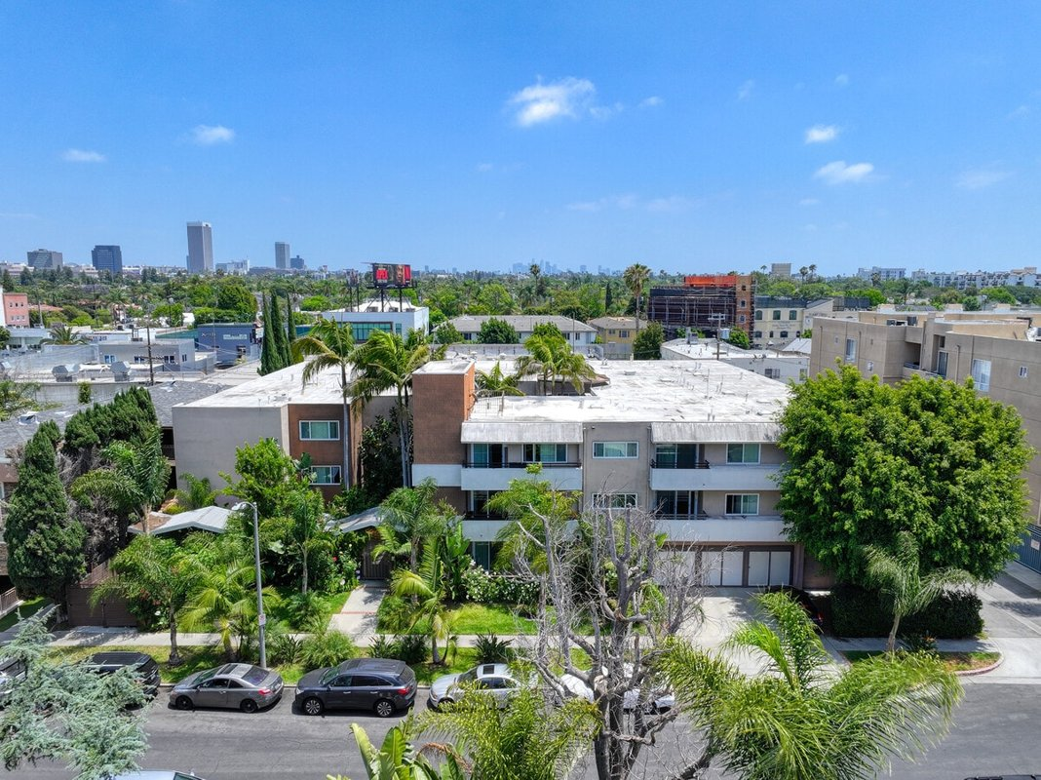
1138 S Corning St (Landmark Apts)
Los Angeles, CA 90035 | Pico-Robertson / Beverlywood
LoopNet listing | Data pulled 9/17/2026 from LoopNet public listing
NOTE: UNDER CONTRACT per Filip 9/17/26 (confirm which Corning listing). No cap/GRM published; rents estimated

PROPERTY
Units | 27
Gross building SF | 29,942
Lot SF | 20,038
Lot acres | 0.46
Year built | 1965
Stories | 3
Zoning | LAR3
Occupancy per listing | 100%
APN | 4332-029-019
Assessed value (current) | $11,896,000
Listing broker(s) | Janet Neman, Angelica Gotzev
Date on market | 6/17/2026
Listing last updated | 7/28/2026

PRICING
Asking price | $11,995,000
Price per unit | $444,259
Price per gross SF | $400.61
OM / listing cap rate (as published)
OM / listing GRM (as published)

UNIT MIX & SCHEDULED RENT
Unit type | # Units | Avg rent / mo | Monthly total | Annual | Rent source
1 Bd / 1 Ba (~900 SF) | 12 | $2,200 | $26,400 | $316,800 | ESTIMATED (no rents, GRM or cap published) - verify with OM
2 Bd / 2 Ba (~1100 SF) | 14 | $2,900 | $40,600 | $487,200 | ESTIMATED (no rents, GRM or cap published) - verify with OM
3 Bd / 2 Ba (~1200 SF) | 1 | $3,800 | $3,800 | $45,600 | ESTIMATED (no rents, GRM or cap published) - verify with OM
Total / weighted avg | 27 | $2,622 | $70,800 | $849,600

INCOME
 | OM as presented | LAAA underwritten |  |  | Basis / note
Scheduled gross rent |  | $849,600 |  |  | OM GSR not published
Other income (laundry, parking, RUBS) | - | -
Gross scheduled income | - | $849,600
Vacancy & credit loss | - | ($25,488) |  |  | OM 3.0% (OM figure if extracted, else 3% assumed); LAAA per Assumptions
Effective gross income | - | $824,112

OPERATING EXPENSES
Expense line | OM as presented | LAAA benchmark | LAAA underwritten | Delta vs OM | Basis / note
Property taxes (reassessed at price) |  | $149,938 | $149,938 |  | Los Angeles rate x asking price; always reassessed, never MAX
Insurance |  | $35,342 | $35,342 |  | LAAA benchmark (units x $200) + (SF x $1.00)
Management |  | $41,206 | $41,206 |  | % of LAAA EGI
Repairs & maintenance |  | $32,400 | $32,400 |  | per unit, by vintage
Utilities (water/sewer/trash/common electric & gas) |  | $40,500 | $40,500 |  | per unit, by city
Contract services (landscape, pest, cleaning) |  | $10,800 | $10,800 |  | per unit
Admin / legal / licenses / rent registration |  | $6,750 | $6,750 |  | per unit; OM "other" items land here
Replacement reserves |  | $8,100 | $8,100 |  | per unit
Total operating expenses |  | $325,035 | $325,035 |  | OM expenses not published
Expenses per unit | - | $12,038 | $12,038
Expenses as % of EGI |  | 39.44% | 39.44%
OM expense test | OM expenses not published

NOI & RETURNS
 | OM as presented | LAAA underwritten |  |  | Basis / note
Net operating income |  | $499,077
Cap rate on asking price | 0.00% | 4.16% |  |  | OM column recomputed from OM figures; compare to published cap above
GRM (price / scheduled rent) |  | 14.12x
NOI per unit | - | $18,484

FINANCING (illustrative, on LAAA NOI)
LTV loan | $7,197,000
DCR-sized loan | $5,403,746
Loan amount (lesser of) | $5,403,746
Down payment | $6,591,254
Annual debt service | $399,262
DCR | 1.25x
Cash flow after debt service | $99,815
Cash-on-cash return | 1.51%

Legend: yellow = published input, orange = estimated (nothing published), grey = LAAA underwritten (MAX of OM line and benchmark; taxes always reassessed).

