45 8468 Fountain Ave
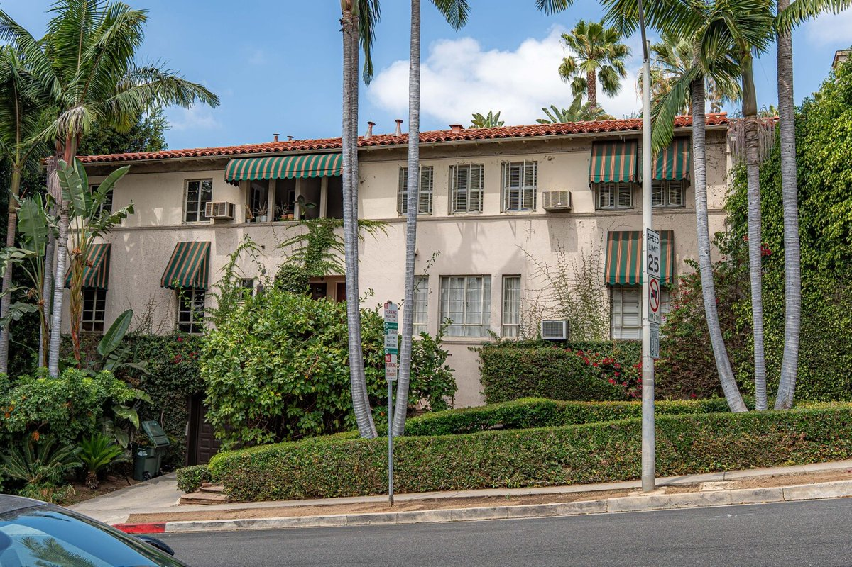
8468 Fountain Ave
West Hollywood, CA 90069 | West Hollywood
LoopNet listing | Data pulled 9/17/2026 from LoopNet public listing

PROPERTY
Units | 13
Gross building SF | 13,131
Lot SF | 11,761
Lot acres | 0.27
Year built | 1939
Stories | 2
Zoning | R4, West Hollywood - Restricted Density Multiple Dwelling
Occupancy per listing | 97%
APN | 5555-004-013
Assessed value (current) | $2,254,000
Listing broker(s) | Michael Kamara
Date on market | 7/16/2026
Listing last updated | 9/14/2026

PRICING
Asking price | $5,995,000
Price per unit | $461,154
Price per gross SF | $456.55
OM / listing cap rate (as published) | 4.88%
OM / listing GRM (as published) | 15.13x

UNIT MIX & SCHEDULED RENT
Unit type | # Units | Avg rent / mo | Monthly total | Annual | Rent source
Studio | 1 | $1,681 | $1,681 | $20,172 | Allocated from published GRM (price / GRM) using LAAA bed weights
1 Bd / 1 Ba | 9 | $2,401 | $21,609 | $259,308 | Allocated from published GRM (price / GRM) using LAAA bed weights
2 Bd / 2 Ba | 2 | $3,242 | $6,484 | $77,808 | Allocated from published GRM (price / GRM) using LAAA bed weights
2 Bd / 2.5 Ba | 1 | $3,242 | $3,242 | $38,904 | Allocated from published GRM (price / GRM) using LAAA bed weights
Total / weighted avg | 13 | $2,540 | $33,016 | $396,192

INCOME
 | OM as presented | LAAA underwritten |  |  | Basis / note
Scheduled gross rent | $396,233 | $396,192 |  |  | OM column: price / published GRM
Other income (laundry, parking, RUBS) | - | -
Gross scheduled income | $396,233 | $396,192
Vacancy & credit loss | ($11,887) | ($11,886) |  |  | OM 3.0% (OM figure if extracted, else 3% assumed); LAAA per Assumptions
Effective gross income | $384,346 | $384,306

OPERATING EXPENSES
Expense line | OM as presented | LAAA benchmark | LAAA underwritten | Delta vs OM | Basis / note
Property taxes (reassessed at price) |  | $71,940 | $71,940 |  | West Hollywood rate x asking price; always reassessed, never MAX
Insurance |  | $15,731 | $15,731 |  | LAAA benchmark (units x $200) + (SF x $1.00)
Management |  | $19,215 | $19,215 |  | % of LAAA EGI
Repairs & maintenance |  | $15,600 | $15,600 |  | per unit, by vintage
Utilities (water/sewer/trash/common electric & gas) |  | $20,800 | $20,800 |  | per unit, by city
Contract services (landscape, pest, cleaning) |  | $5,200 | $5,200 |  | per unit
Admin / legal / licenses / rent registration |  | $3,250 | $3,250 |  | per unit; OM "other" items land here
Replacement reserves |  | $3,900 | $3,900 |  | per unit
Total operating expenses | $91,790 | $155,636 | $155,636 | $63,847 | OM line items not published. OM total IMPLIED = OM EGI - (price x published cap)
Expenses per unit | $7,061 | $11,972 | $11,972
Expenses as % of EGI | 23.88% | 40.50% | 40.50%
OM expense test | OM EXPENSES LIGHT

NOI & RETURNS
 | OM as presented | LAAA underwritten |  |  | Basis / note
Net operating income | $292,556 | $228,670
Cap rate on asking price | 4.88% | 3.81% |  |  | OM column recomputed from OM figures; compare to published cap above
GRM (price / scheduled rent) | 15.13x | 15.13x
NOI per unit | $22,504 | $17,590

FINANCING (illustrative, on LAAA NOI)
LTV loan | $3,597,000
DCR-sized loan | $2,475,919
Loan amount (lesser of) | $2,475,919
Down payment | $3,519,081
Annual debt service | $182,936
DCR | 1.25x
Cash flow after debt service | $45,734
Cash-on-cash return | 1.30%

Legend: yellow = published input, orange = estimated (nothing published), grey = LAAA underwritten (MAX of OM line and benchmark; taxes always reassessed).

