46 1269 Havenhurst Dr
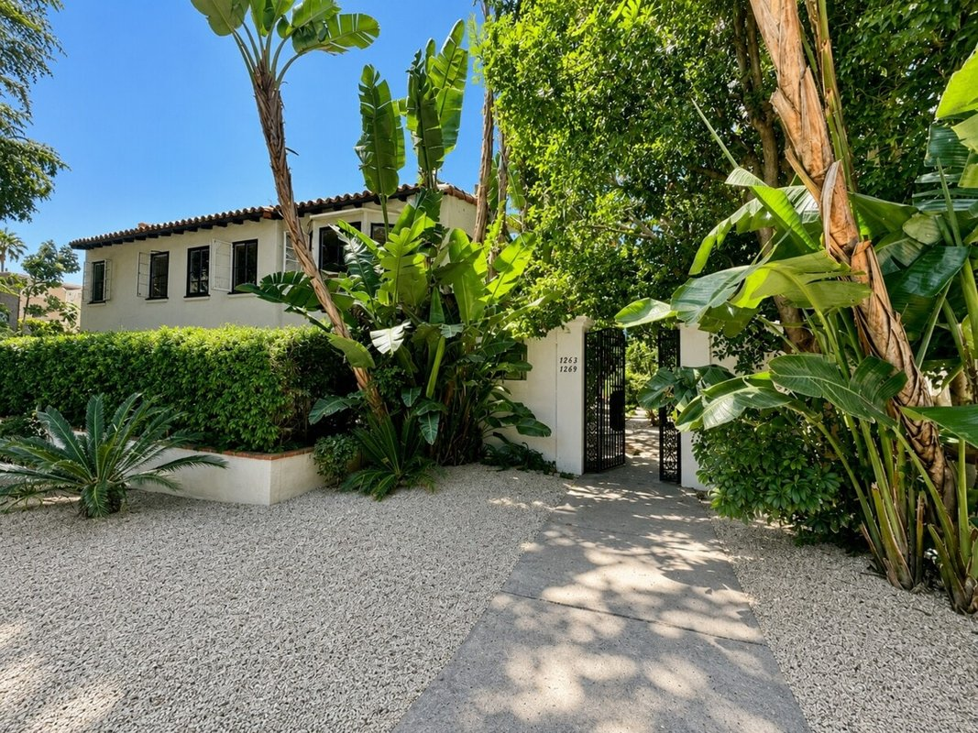
1269 Havenhurst Dr (Casa Julieta)
West Hollywood, CA 90046 | West Hollywood
LoopNet listing | Data pulled 9/17/2026 from LoopNet public listing

PROPERTY
Units | 10
Gross building SF | 10,171
Lot SF | 15,246
Lot acres | 0.35
Year built | 1939
Stories | 2
Zoning | WDR4 - R4 zoning district provides for the development of a wide range of high-density multi-family housing, including apartments and condominiums.
Occupancy per listing | 100%
APN | 5554-016-033
Assessed value (current) | $597,131
Listing broker(s) | Mason Canter
Date on market | 7/15/2026
Listing last updated | 7/15/2026

PRICING
Asking price | $4,995,000
Price per unit | $499,500
Price per gross SF | $491.10
OM / listing cap rate (as published) | 3.80%
OM / listing GRM (as published) | 16.27x

UNIT MIX & SCHEDULED RENT
Unit type | # Units | Avg rent / mo | Monthly total | Annual | Rent source
2 Bd / 1 Ba | 4 | $2,736 | $10,944 | $131,328 | LoopNet published avg rent by unit type
1 Bd / 1 Ba | 6 | $2,424 | $14,544 | $174,528 | LoopNet published avg rent by unit type
Total / weighted avg | 10 | $2,549 | $25,488 | $305,856

INCOME
 | OM as presented | LAAA underwritten |  |  | Basis / note
Scheduled gross rent | $307,007 | $305,856 |  |  | OM column: price / published GRM
Other income (laundry, parking, RUBS) | - | -
Gross scheduled income | $307,007 | $305,856
Vacancy & credit loss | ($9,210) | ($9,176) |  |  | OM 3.0% (OM figure if extracted, else 3% assumed); LAAA per Assumptions
Effective gross income | $297,797 | $296,680

OPERATING EXPENSES
Expense line | OM as presented | LAAA benchmark | LAAA underwritten | Delta vs OM | Basis / note
Property taxes (reassessed at price) |  | $59,940 | $59,940 |  | West Hollywood rate x asking price; always reassessed, never MAX
Insurance |  | $12,171 | $12,171 |  | LAAA benchmark (units x $200) + (SF x $1.00)
Management |  | $14,834 | $14,834 |  | % of LAAA EGI
Repairs & maintenance |  | $12,000 | $12,000 |  | per unit, by vintage
Utilities (water/sewer/trash/common electric & gas) |  | $16,000 | $16,000 |  | per unit, by city
Contract services (landscape, pest, cleaning) |  | $4,000 | $4,000 |  | per unit
Admin / legal / licenses / rent registration |  | $2,500 | $2,500 |  | per unit; OM "other" items land here
Replacement reserves |  | $3,000 | $3,000 |  | per unit
Total operating expenses | $107,987 | $124,445 | $124,445 | $16,458 | OM line items not published. OM total IMPLIED = OM EGI - (price x published cap)
Expenses per unit | $10,799 | $12,445 | $12,445
Expenses as % of EGI | 36.26% | 41.95% | 41.95%
OM expense test | OM EXPENSES LIGHT

NOI & RETURNS
 | OM as presented | LAAA underwritten |  |  | Basis / note
Net operating income | $189,810 | $172,235
Cap rate on asking price | 3.80% | 3.45% |  |  | OM column recomputed from OM figures; compare to published cap above
GRM (price / scheduled rent) | 16.27x | 16.33x
NOI per unit | $18,981 | $17,224

FINANCING (illustrative, on LAAA NOI)
LTV loan | $2,997,000
DCR-sized loan | $1,864,875
Loan amount (lesser of) | $1,864,875
Down payment | $3,130,125
Annual debt service | $137,788
DCR | 1.25x
Cash flow after debt service | $34,447
Cash-on-cash return | 1.10%

Legend: yellow = published input, orange = estimated (nothing published), grey = LAAA underwritten (MAX of OM line and benchmark; taxes always reassessed).

