47 1429 Havenhurst Dr
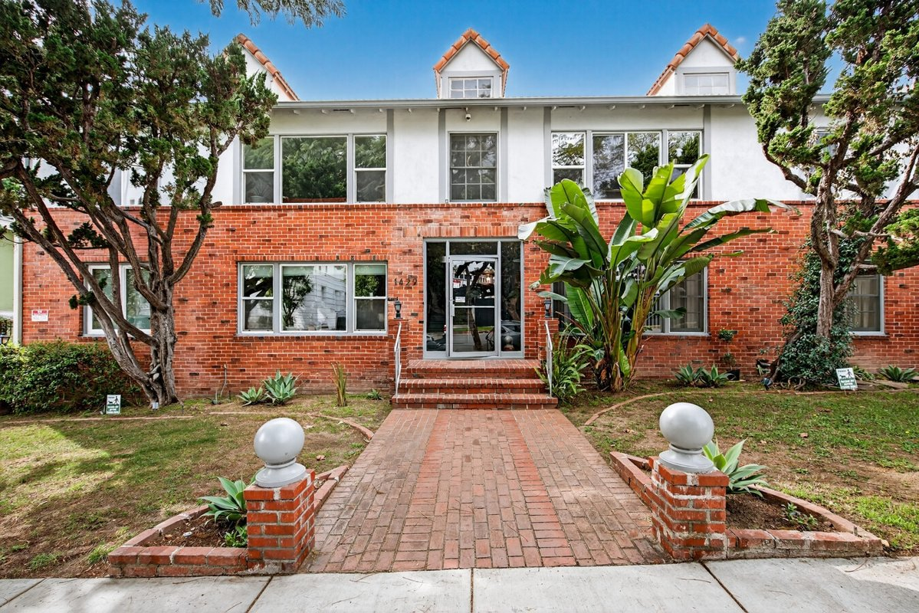
1429 Havenhurst Dr
West Hollywood, CA 90046 | West Hollywood
LoopNet listing | Data pulled 9/17/2026 from LoopNet public listing

PROPERTY
Units | 18
Gross building SF | 13,824
Lot SF | 15,246
Lot acres | 0.35
Year built | 1949
Stories | 2
Zoning | R4, West Hollywood
Occupancy per listing | 100%
APN | 5554-018-011
Assessed value (current) | $4,287,317
Listing broker(s) | Dana Brody
Date on market | 3/25/2026
Listing last updated | 9/17/2026

PRICING
Asking price | $4,800,000
Price per unit | $266,667
Price per gross SF | $347.22
OM / listing cap rate (as published) | 5.56%
OM / listing GRM (as published) | 13.60x

UNIT MIX & SCHEDULED RENT
Unit type | # Units | Avg rent / mo | Monthly total | Annual | Rent source
1 Bd / 1 Ba (~750 SF) | 16 | $1,573 | $25,168 | $302,016 | Allocated from published GRM (price / GRM) using LAAA bed weights
2 Bd / 2 Ba (~1000 SF) | 2 | $2,123 | $4,246 | $50,952 | Allocated from published GRM (price / GRM) using LAAA bed weights
Total / weighted avg | 18 | $1,634 | $29,414 | $352,968

INCOME
 | OM as presented | LAAA underwritten |  |  | Basis / note
Scheduled gross rent | $352,941 | $352,968 |  |  | OM column: price / published GRM
Other income (laundry, parking, RUBS) | - | -
Gross scheduled income | $352,941 | $352,968
Vacancy & credit loss | ($10,588) | ($10,589) |  |  | OM 3.0% (OM figure if extracted, else 3% assumed); LAAA per Assumptions
Effective gross income | $342,353 | $342,379

OPERATING EXPENSES
Expense line | OM as presented | LAAA benchmark | LAAA underwritten | Delta vs OM | Basis / note
Property taxes (reassessed at price) |  | $57,600 | $57,600 |  | West Hollywood rate x asking price; always reassessed, never MAX
Insurance |  | $17,424 | $17,424 |  | LAAA benchmark (units x $200) + (SF x $1.00)
Management |  | $17,119 | $17,119 |  | % of LAAA EGI
Repairs & maintenance |  | $21,600 | $21,600 |  | per unit, by vintage
Utilities (water/sewer/trash/common electric & gas) |  | $28,800 | $28,800 |  | per unit, by city
Contract services (landscape, pest, cleaning) |  | $7,200 | $7,200 |  | per unit
Admin / legal / licenses / rent registration |  | $4,500 | $4,500 |  | per unit; OM "other" items land here
Replacement reserves |  | $5,400 | $5,400 |  | per unit
Total operating expenses | $75,473 | $159,643 | $159,643 | $84,170 | OM line items not published. OM total IMPLIED = OM EGI - (price x published cap)
Expenses per unit | $4,193 | $8,869 | $8,869
Expenses as % of EGI | 22.05% | 46.63% | 46.63%
OM expense test | OM EXPENSES LIGHT

NOI & RETURNS
 | OM as presented | LAAA underwritten |  |  | Basis / note
Net operating income | $266,880 | $182,736
Cap rate on asking price | 5.56% | 3.81% |  |  | OM column recomputed from OM figures; compare to published cap above
GRM (price / scheduled rent) | 13.60x | 13.60x
NOI per unit | $14,827 | $10,152

FINANCING (illustrative, on LAAA NOI)
LTV loan | $2,880,000
DCR-sized loan | $1,978,571
Loan amount (lesser of) | $1,978,571
Down payment | $2,821,429
Annual debt service | $146,189
DCR | 1.25x
Cash flow after debt service | $36,547
Cash-on-cash return | 1.30%

Legend: yellow = published input, orange = estimated (nothing published), grey = LAAA underwritten (MAX of OM line and benchmark; taxes always reassessed).

