48 7550 Fountain Ave
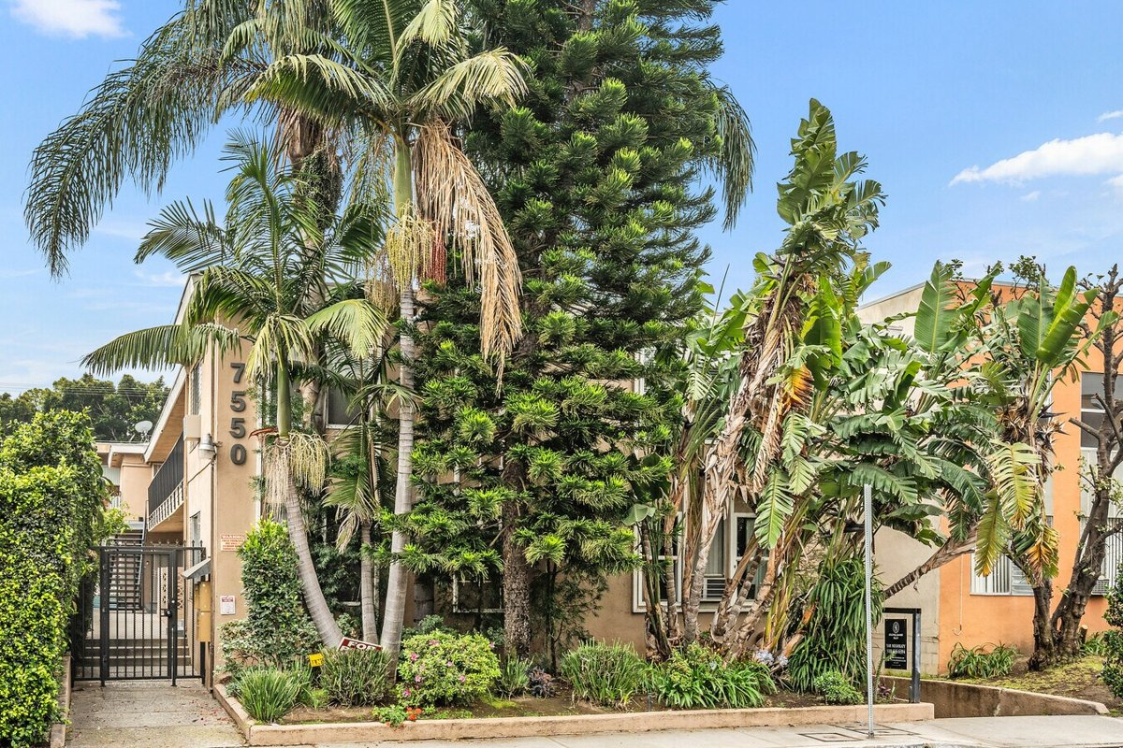
7550 Fountain Ave
West Hollywood, CA 90046 | West Hollywood
LoopNet listing | Data pulled 9/17/2026 from LoopNet public listing
NOTE: No cap/GRM published; rents estimated

PROPERTY
Units | 10
Gross building SF | 9,444
Lot SF | 6,970
Lot acres | 0.16
Year built | 1958
Stories | 2
Zoning | WDR2* - Two-Family Dwellings
Occupancy per listing | 100%
APN | 5530-005-002
Assessed value (current) | $3,580,514
Listing broker(s) | Yar Meshkaty
Date on market | 2/18/2026
Listing last updated | 9/11/2026

PRICING
Asking price | $3,795,000
Price per unit | $379,500
Price per gross SF | $401.84
OM / listing cap rate (as published)
OM / listing GRM (as published)

UNIT MIX & SCHEDULED RENT
Unit type | # Units | Avg rent / mo | Monthly total | Annual | Rent source
1 Bd / 1 Ba | 6 | $2,400 | $14,400 | $172,800 | ESTIMATED (no rents, GRM or cap published) - verify with OM
2 Bd / 2 Ba | 4 | $3,200 | $12,800 | $153,600 | ESTIMATED (no rents, GRM or cap published) - verify with OM
Total / weighted avg | 10 | $2,720 | $27,200 | $326,400

INCOME
 | OM as presented | LAAA underwritten |  |  | Basis / note
Scheduled gross rent |  | $326,400 |  |  | OM GSR not published
Other income (laundry, parking, RUBS) | - | -
Gross scheduled income | - | $326,400
Vacancy & credit loss | - | ($9,792) |  |  | OM 3.0% (OM figure if extracted, else 3% assumed); LAAA per Assumptions
Effective gross income | - | $316,608

OPERATING EXPENSES
Expense line | OM as presented | LAAA benchmark | LAAA underwritten | Delta vs OM | Basis / note
Property taxes (reassessed at price) |  | $45,540 | $45,540 |  | West Hollywood rate x asking price; always reassessed, never MAX
Insurance |  | $11,444 | $11,444 |  | LAAA benchmark (units x $200) + (SF x $1.00)
Management |  | $15,830 | $15,830 |  | % of LAAA EGI
Repairs & maintenance |  | $12,000 | $12,000 |  | per unit, by vintage
Utilities (water/sewer/trash/common electric & gas) |  | $16,000 | $16,000 |  | per unit, by city
Contract services (landscape, pest, cleaning) |  | $4,000 | $4,000 |  | per unit
Admin / legal / licenses / rent registration |  | $2,500 | $2,500 |  | per unit; OM "other" items land here
Replacement reserves |  | $3,000 | $3,000 |  | per unit
Total operating expenses |  | $110,314 | $110,314 |  | OM expenses not published
Expenses per unit | - | $11,031 | $11,031
Expenses as % of EGI |  | 34.84% | 34.84%
OM expense test | OM expenses not published

NOI & RETURNS
 | OM as presented | LAAA underwritten |  |  | Basis / note
Net operating income |  | $206,294
Cap rate on asking price | 0.00% | 5.44% |  |  | OM column recomputed from OM figures; compare to published cap above
GRM (price / scheduled rent) |  | 11.63x
NOI per unit | - | $20,629

FINANCING (illustrative, on LAAA NOI)
LTV loan | $2,277,000
DCR-sized loan | $2,233,640
Loan amount (lesser of) | $2,233,640
Down payment | $1,561,360
Annual debt service | $165,035
DCR | 1.25x
Cash flow after debt service | $41,259
Cash-on-cash return | 2.64%

Legend: yellow = published input, orange = estimated (nothing published), grey = LAAA underwritten (MAX of OM line and benchmark; taxes always reassessed).

