49 943 Hancock Ave
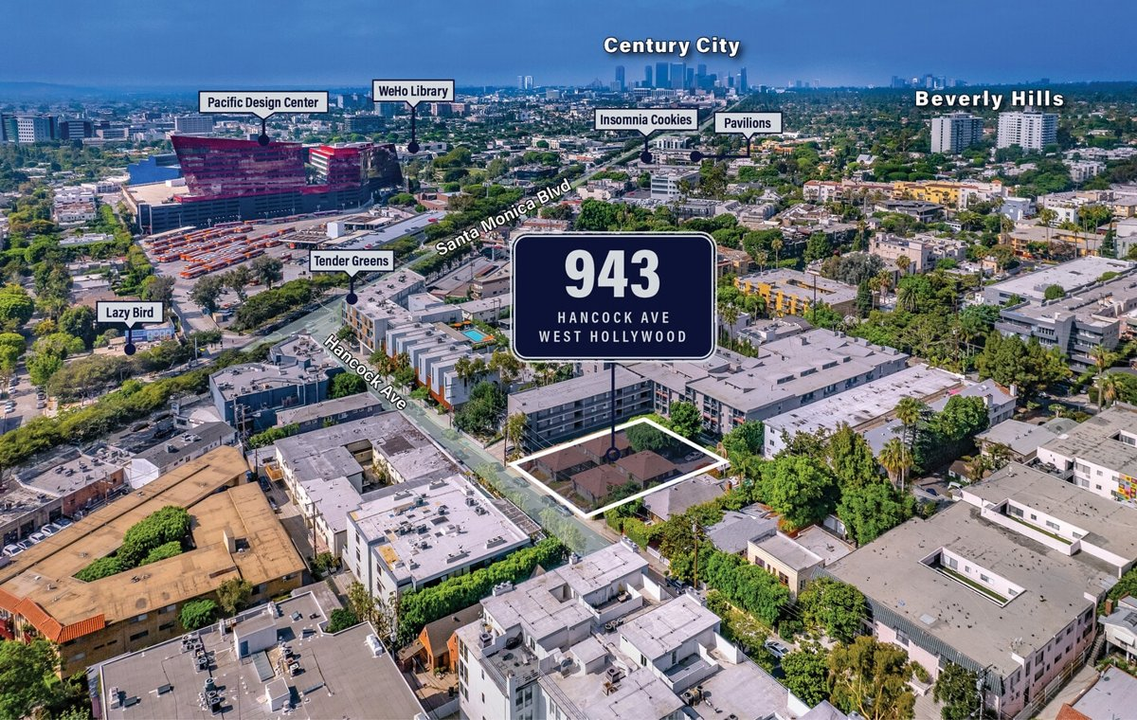
943 Hancock Ave
West Hollywood, CA 90069 | West Hollywood
LoopNet listing | Data pulled 9/17/2026 from LoopNet public listing
NOTE: UNPRICED. 60% occupied, value-add / redevelopment

PROPERTY
Units | 10
Gross building SF | 4,555
Lot SF | 11,326
Lot acres | 0.26
Year built | 1939
Stories | 1
Zoning | WDR4* - Multifamily
Occupancy per listing | 60%
APN | 4339-010-002
Assessed value (current) | $4,875,600
Listing broker(s) | Kamran Paydar, Kadie Presley Wilson
Date on market | 4/25/2025
Listing last updated | 9/15/2026

PRICING
Asking price |  | UNPRICED (price upon request)
Price per unit | -
Price per gross SF | $0.00
OM / listing cap rate (as published)
OM / listing GRM (as published)

UNIT MIX & SCHEDULED RENT
Unit type | # Units | Avg rent / mo | Monthly total | Annual | Rent source
1 Bd / 1 Ba (~455 SF) | 10 | $2,600 | $26,000 | $312,000 | LoopNet published avg rent by unit type
Total / weighted avg | 10 | $2,600 | $26,000 | $312,000

INCOME
 | OM as presented | LAAA underwritten |  |  | Basis / note
Scheduled gross rent |  | $312,000 |  |  | OM GSR not published
Other income (laundry, parking, RUBS) | - | -
Gross scheduled income | - | $312,000
Vacancy & credit loss | - | ($9,360) |  |  | OM 3.0% (OM figure if extracted, else 3% assumed); LAAA per Assumptions
Effective gross income | - | $302,640

OPERATING EXPENSES
Expense line | OM as presented | LAAA benchmark | LAAA underwritten | Delta vs OM | Basis / note
Property taxes (reassessed at price) |  | - | - |  | West Hollywood rate x asking price; always reassessed, never MAX
Insurance |  | $6,555 | $6,555 |  | LAAA benchmark (units x $200) + (SF x $1.00)
Management |  | $15,132 | $15,132 |  | % of LAAA EGI
Repairs & maintenance |  | $12,000 | $12,000 |  | per unit, by vintage
Utilities (water/sewer/trash/common electric & gas) |  | $16,000 | $16,000 |  | per unit, by city
Contract services (landscape, pest, cleaning) |  | $4,000 | $4,000 |  | per unit
Admin / legal / licenses / rent registration |  | $2,500 | $2,500 |  | per unit; OM "other" items land here
Replacement reserves |  | $3,000 | $3,000 |  | per unit
Total operating expenses |  | $59,187 | $59,187 |  | OM expenses not published
Expenses per unit | - | $5,919 | $5,919
Expenses as % of EGI |  | 19.56% | 19.56%
OM expense test | OM expenses not published

NOI & RETURNS
 | OM as presented | LAAA underwritten |  |  | Basis / note
Net operating income |  | $243,453
Cap rate on asking price |  |  |  |  | OM column recomputed from OM figures; compare to published cap above
GRM (price / scheduled rent) |  | 0.00x
NOI per unit | - | $24,345

FINANCING (illustrative, on LAAA NOI)
LTV loan | -
DCR-sized loan | $2,635,983
Loan amount (lesser of) | -
Down payment | -
Annual debt service | -
DCR
Cash flow after debt service | $243,453
Cash-on-cash return

Legend: yellow = published input, orange = estimated (nothing published), grey = LAAA underwritten (MAX of OM line and benchmark; taxes always reassessed).

