03 947-953 11th St
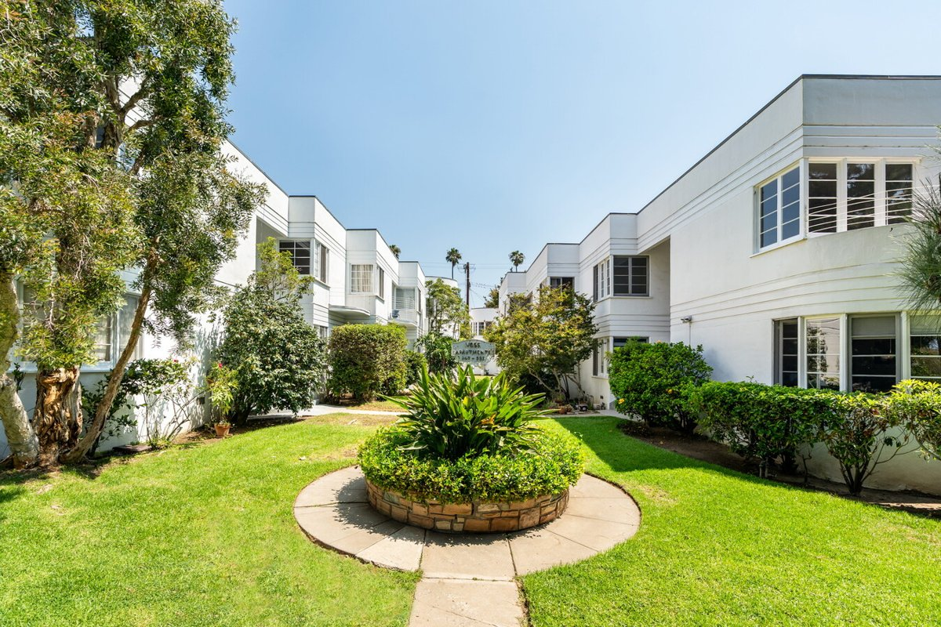
947-953 11th St (Voss Apartments)
Santa Monica, CA 90403 | Santa Monica
LoopNet listing | Data pulled 9/17/2026 from LoopNet public listing + rent roll and expenses read from the listing broker's OM (Equity Union Commercial (The Appel Group), Eliyahu Appel, undated, sale comps through May 2026)
NOTE: 80% occupied per LoopNet | OM: Mills Act: existing recorded Mills Act contract; OM carries property taxes at $36,816 (current bill approx $36,000) on the assumption the contract transfers to the buyer with no reassessment at the $8.5M price. A standard 1.2% reassessment would be approx $102,000. Verify the contract terms and pres

PROPERTY
Units | 15
Gross building SF | 11,850
Lot SF | 14,810
Lot acres | 0.34
Year built | 1937
Stories | 2
Zoning | SMR2*
Occupancy per listing | 80%
APN | Multiple
Assessed value (current) | $2,731,000
Listing broker(s) | Eli Appel
Date on market | 9/4/2026
Listing last updated | 9/14/2026

PRICING
Asking price | $8,500,000
Price per unit | $566,667
Price per gross SF | $717.30
OM / listing cap rate (as published) | 6.04%
OM / listing GRM (as published) | 13.77x

UNIT MIX & SCHEDULED RENT
Unit type | # Units | Avg rent / mo | Monthly total | Annual | Rent source
2 Bd / 2 Ba townhouse [953 #3 townhouse with private yard; market $6,000] | 1 | $5,080 | $5,080 | $60,960 | OM rent roll, current in-place rents (OM undated, sale comps through May 2026)
2 Bd / 1 Ba [range $973-$4,187 occupied; includes 1 vacant unit carried a] | 4 | $3,386 | $13,544 | $162,528 | OM rent roll, current in-place rents (OM undated, sale comps through May 2026)
1 Bd / 1 Ba [range $2,118-$3,960; market $4,000] | 6 | $3,373 | $20,238 | $242,856 | OM rent roll, current in-place rents (OM undated, sale comps through May 2026)
Studio [range $1,989-$2,868; market $3,000] | 4 | $2,537 | $10,148 | $121,776 | OM rent roll, current in-place rents (OM undated, sale comps through May 2026)
Total / weighted avg | 15 | $3,267 | $49,010 | $588,120

INCOME
 | OM as presented | LAAA underwritten |  |  | Basis / note
Scheduled gross rent | $588,114 | $588,120 |  |  | OM column: OM stated current scheduled rent (OM undated, sale comps through May 2026); LAAA column: OM rent roll by unit type
Other income (laundry, parking, RUBS) | $29,340 | $29,340
Gross scheduled income | $617,454 | $617,460
Vacancy & credit loss | ($17,643) | ($17,644) |  |  | OM 3.0%; LAAA per Assumptions
Effective gross income | $599,811 | $599,816

OPERATING EXPENSES
Expense line | OM as presented | LAAA benchmark | LAAA underwritten | Delta vs OM | Basis / note
Property taxes (reassessed at price) | $36,816 | $97,750 | $97,750 | $60,934 | Santa Monica rate x asking price; always reassessed, never MAX
Insurance | $14,578 | $14,850 | $14,850 | $272 | LAAA benchmark (units x $200) + (SF x $1.00)
Management | $23,971 | $29,991 | $29,991 | $6,020 | % of LAAA EGI
Repairs & maintenance | $6,000 | $18,000 | $18,000 | $12,000 | per unit, by vintage
Utilities (water/sewer/trash/common electric & gas) | $12,981 | $27,000 | $27,000 | $14,019 | per unit, by city; OM utilities + water/sewer + gas/electric + trash combined
Contract services (landscape, pest, cleaning) | $1,920 | $6,000 | $6,000 | $4,080 | per unit
Admin / legal / licenses / rent registration / other OM items | $4,232 | $3,750 | $4,232 | - | OM other items: General & Administrative 4,232
Replacement reserves |  | $4,500 | $4,500 |  | per unit
Total operating expenses | $100,498 | $201,841 | $202,323 | $101,825 | OM line items from OM (OM undated, sale comps through May 2026); basis: OM 'Current' column of Annualized Operating Data (p.16); broker figures, not owner actuals. Taxes $36,816 = current bill under the existing recorded Mills Act contract (OM says approx $36,000), NOT a reassessment at the $8.5M price. Management = 4.0% of EGI. Utilities is a single combined line. Market column identical except management $30,019 (4% of market EGI).; OM total 100,498
Expenses per unit | $6,700 | $13,456 | $13,488
Expenses as % of EGI | 16.75% | 33.65% | 33.73%
OM expense test | OM EXPENSES LIGHT

NOI & RETURNS
 | OM as presented | LAAA underwritten |  |  | Basis / note
Net operating income | $499,313 | $397,494 |  |  | OM states NOI 498,774 / cap 5.87
Cap rate on asking price | 5.87% | 4.68% |  |  | OM column recomputed from OM figures; compare to published cap above
GRM (price / scheduled rent) | 14.45x | 14.45x
NOI per unit | $33,288 | $26,500

FINANCING (illustrative, on LAAA NOI)
LTV loan | $5,100,000
DCR-sized loan | $4,303,854
Loan amount (lesser of) | $4,303,854
Down payment | $4,196,146
Annual debt service | $317,995
DCR | 1.25x
Cash flow after debt service | $79,499
Cash-on-cash return | 1.89%

Legend: yellow = published input, orange = estimated (nothing published), grey = LAAA underwritten (MAX of OM line and benchmark; taxes always reassessed).

