22 222-228 Idaho Ave
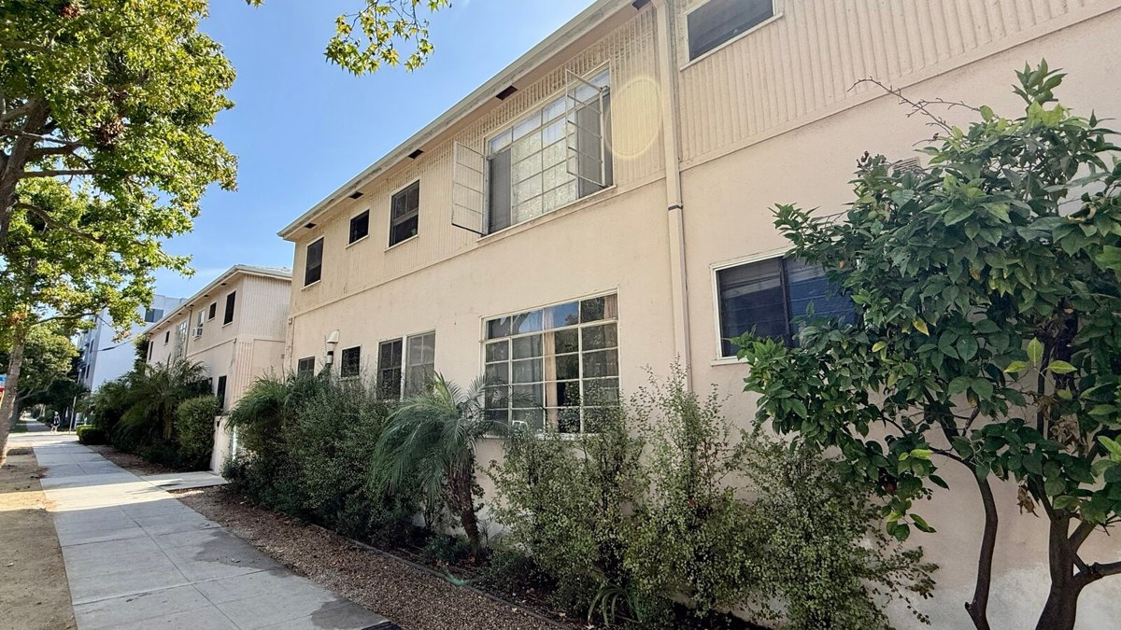
222-228 Idaho Ave
Santa Monica, CA 90403 | Santa Monica
LoopNet listing | Data pulled 9/17/2026 from LoopNet public listing + rent roll and expenses read from the listing broker's OM (Lee & Associates, Berzack, rent roll 9/1/2026)
NOTE: Two parcels 222 & 228 Idaho | OM: Unit-by-unit rents sum to exactly $50,436/mo; OM annual $605,232 = 12 x $50,436 (matches).; Unit 228-3 (1+1) is VACANT; its $2,800 is the OM's asking rent, included in current GSR per OM.; Three units are owner occupied and 'can be delivered vacant' (228-1 $2,750, 228-6 $3,595, 228-10 $2,800); the O | OM: Unit-by-unit rents sum to exactly $50,436/mo; OM annual $605,232 = 12 x $50,436 (matches).; Unit 228-3 (1+1) is VACANT; its $2,800 is the OM's asking rent, included in current GSR per OM.; Three units are owner occupied and 'can be delivered vacant' (228-1 $2,750, 228-6 $3,595, 228-10 $2,800); the O

PROPERTY
Units | 20
Gross building SF | 15,006
Lot SF | 14,810
Lot acres | 0.34
Year built | 1954
Stories | 2
Zoning | SMR4YY
Occupancy per listing
APN | 4292-023-001
Assessed value (current) | $9,991,928
Listing broker(s) | Warren Berzack
Date on market | 8/26/2026
Listing last updated | 9/14/2026

PRICING
Asking price | $7,795,000
Price per unit | $389,750
Price per gross SF | $519.46
OM / listing cap rate (as published) | 5.07%
OM / listing GRM (as published) | 12.34x

UNIT MIX & SCHEDULED RENT
Unit type | # Units | Avg rent / mo | Monthly total | Annual | Rent source
Studio / 1 Ba [OM market/asking rent 2395; OM avg shown 2,298] | 2 | $2,298 | $4,596 | $55,152 | OM rent roll, current in-place rents (OM rent roll 9/1/2026)
1 Bd / 1 Ba [OM market/asking rent 2775; OM avg shown 2,465; includes vac] | 16 | $2,465 | $39,440 | $473,280 | OM rent roll, current in-place rents (OM rent roll 9/1/2026)
2 Bd / 2 Ba [OM market/asking rent 3595; OM avg shown 3,204; 228-6 owner-] | 2 | $3,204 | $6,408 | $76,896 | OM rent roll, current in-place rents (OM rent roll 9/1/2026)
Total / weighted avg | 20 | $2,522 | $50,444 | $605,328

INCOME
 | OM as presented | LAAA underwritten |  |  | Basis / note
Scheduled gross rent | $605,232 | $605,328 |  |  | OM column: OM stated current scheduled rent (OM rent roll 9/1/2026); LAAA column: OM rent roll by unit type
Other income (laundry, parking, RUBS) | $26,400 | $26,400
Gross scheduled income | $631,632 | $631,728
Vacancy & credit loss | ($18,157) | ($18,160) |  |  | OM 3.0%; LAAA per Assumptions
Effective gross income | $613,475 | $613,568

OPERATING EXPENSES
Expense line | OM as presented | LAAA benchmark | LAAA underwritten | Delta vs OM | Basis / note
Property taxes (reassessed at price) | $97,438 | $89,643 | $89,643 | ($7,796) | Santa Monica rate x asking price; always reassessed, never MAX
Insurance | $18,498 | $19,006 | $19,006 | $508 | LAAA benchmark (units x $200) + (SF x $1.00)
Management | $25,265 | $30,678 | $30,678 | $5,413 | % of LAAA EGI
Repairs & maintenance | $31,280 | $24,000 | $31,280 | - | per unit, by vintage
Utilities (water/sewer/trash/common electric & gas) | $20,882 | $36,000 | $36,000 | $15,118 | per unit, by city; OM utilities + water/sewer + gas/electric + trash combined
Contract services (landscape, pest, cleaning) | $3,180 | $8,000 | $8,000 | $4,820 | per unit
Admin / legal / licenses / rent registration / other OM items | $21,200 | $5,000 | $21,200 | - | OM other items: On-Site Management 14,400; S.M. Unit Registration 4,800; Miscellaneous ($100/unit) 2,000
Replacement reserves |  | $6,000 | $6,000 |  | per unit
Total operating expenses | $217,743 | $218,327 | $241,807 | $24,064 | OM line items from OM (OM rent roll 9/1/2026); basis: OM 'Estimated Annual Expenses' (broker estimates, same $217,743 applied to both Current and Market columns). Taxes est. 1.25% of price; R&M $2/SF on 15,640 SF; off-site management 4% of GOI ($631,632); utilities is a single combined line. Vacancy reserve 3% of GOI ($18,949) is shown as a deduction to EGI, not an expense line. Line items sum to $217,743 exactly.; OM total 217,743
Expenses per unit | $10,887 | $10,916 | $12,090
Expenses as % of EGI | 35.49% | 35.58% | 39.41%
OM expense test | OM EXPENSES LIGHT

NOI & RETURNS
 | OM as presented | LAAA underwritten |  |  | Basis / note
Net operating income | $395,732 | $371,761 |  |  | OM states NOI 394,940 / cap 5.07
Cap rate on asking price | 5.08% | 4.77% |  |  | OM column recomputed from OM figures; compare to published cap above
GRM (price / scheduled rent) | 12.88x | 12.88x
NOI per unit | $19,787 | $18,588

FINANCING (illustrative, on LAAA NOI)
LTV loan | $4,677,000
DCR-sized loan | $4,025,238
Loan amount (lesser of) | $4,025,238
Down payment | $3,769,762
Annual debt service | $297,409
DCR | 1.25x
Cash flow after debt service | $74,352
Cash-on-cash return | 1.97%

Legend: yellow = published input, orange = estimated (nothing published), grey = LAAA underwritten (MAX of OM line and benchmark; taxes always reassessed).

