06 2015-2021 Chariton St
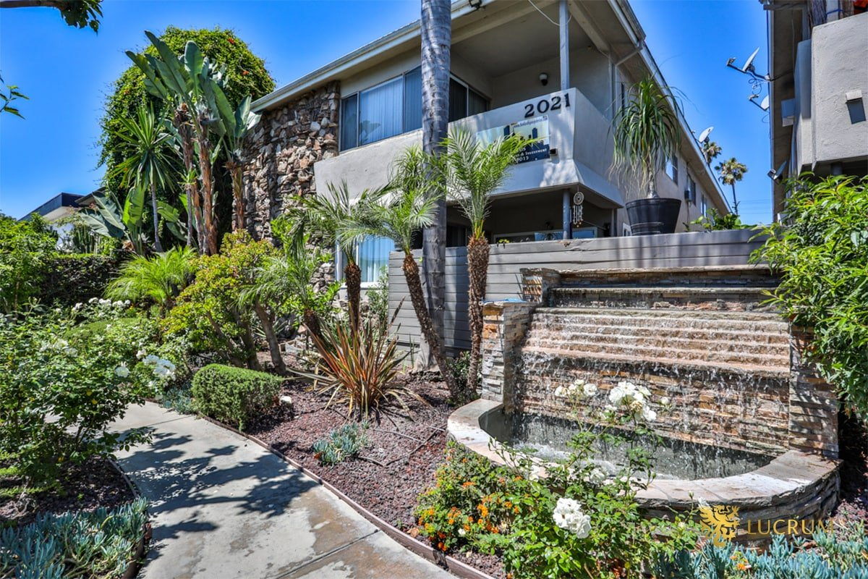
2015-2021 Chariton St
Los Angeles, CA 90034 | Palms
LoopNet listing | Data pulled 9/17/2026 from LoopNet public listing
NOTE: Two adjacent parcels; 10 of 12 are 3-bed

PROPERTY
Units | 12
Gross building SF | 12,680
Lot SF | 12,632
Lot acres | 0.29
Year built | 1961
Stories | 2
Zoning | LARD1.5
Occupancy per listing | 100%
APN | Multiple
Assessed value (current) | $2,842,089
Listing broker(s) | Raymond A. Rodriguez IV, Matt Freedman
Date on market | 6/17/2026
Listing last updated | 9/14/2026

PRICING
Asking price | $3,375,000
Price per unit | $281,250
Price per gross SF | $266.17
OM / listing cap rate (as published) | 5.80%
OM / listing GRM (as published) | 10.29x

UNIT MIX & SCHEDULED RENT
Unit type | # Units | Avg rent / mo | Monthly total | Annual | Rent source
Studio | 2 | $1,523 | $3,046 | $36,552 | LoopNet published avg rent by unit type
3 Bd / 2 Ba | 10 | $2,276 | $22,760 | $273,120 | LoopNet published avg rent by unit type
Total / weighted avg | 12 | $2,151 | $25,806 | $309,672

INCOME
 | OM as presented | LAAA underwritten |  |  | Basis / note
Scheduled gross rent | $327,988 | $309,672 |  |  | OM column: price / published GRM
Other income (laundry, parking, RUBS) | - | -
Gross scheduled income | $327,988 | $309,672
Vacancy & credit loss | ($9,840) | ($9,290) |  |  | OM 3.0% (OM figure if extracted, else 3% assumed); LAAA per Assumptions
Effective gross income | $318,149 | $300,382

OPERATING EXPENSES
Expense line | OM as presented | LAAA benchmark | LAAA underwritten | Delta vs OM | Basis / note
Property taxes (reassessed at price) |  | $42,188 | $42,188 |  | Los Angeles rate x asking price; always reassessed, never MAX
Insurance |  | $15,080 | $15,080 |  | LAAA benchmark (units x $200) + (SF x $1.00)
Management |  | $15,019 | $15,019 |  | % of LAAA EGI
Repairs & maintenance |  | $14,400 | $14,400 |  | per unit, by vintage
Utilities (water/sewer/trash/common electric & gas) |  | $18,000 | $18,000 |  | per unit, by city
Contract services (landscape, pest, cleaning) |  | $4,800 | $4,800 |  | per unit
Admin / legal / licenses / rent registration |  | $3,000 | $3,000 |  | per unit; OM "other" items land here
Replacement reserves |  | $3,600 | $3,600 |  | per unit
Total operating expenses | $122,399 | $116,087 | $116,087 | ($6,312) | OM line items not published. OM total IMPLIED = OM EGI - (price x published cap)
Expenses per unit | $10,200 | $9,674 | $9,674
Expenses as % of EGI | 38.47% | 38.65% | 38.65%
OM expense test | OM expenses reasonable

NOI & RETURNS
 | OM as presented | LAAA underwritten |  |  | Basis / note
Net operating income | $195,750 | $184,295
Cap rate on asking price | 5.80% | 5.46% |  |  | OM column recomputed from OM figures; compare to published cap above
GRM (price / scheduled rent) | 10.29x | 10.90x
NOI per unit | $16,313 | $15,358

FINANCING (illustrative, on LAAA NOI)
LTV loan | $2,025,000
DCR-sized loan | $1,995,453
Loan amount (lesser of) | $1,995,453
Down payment | $1,379,547
Annual debt service | $147,436
DCR | 1.25x
Cash flow after debt service | $36,859
Cash-on-cash return | 2.67%

Legend: yellow = published input, orange = estimated (nothing published), grey = LAAA underwritten (MAX of OM line and benchmark; taxes always reassessed).

