18 11401 Washington Pl
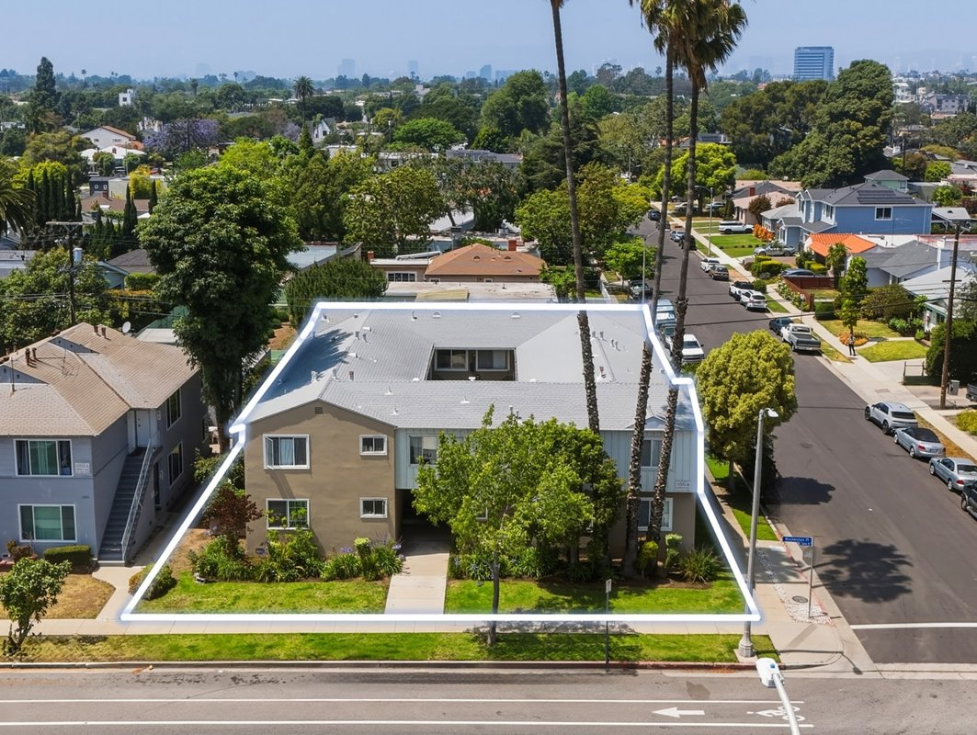
11401 Washington Pl
Los Angeles, CA 90066 | Mar Vista
LoopNet listing | Data pulled 9/17/2026 from LoopNet public listing

PROPERTY
Units | 10
Gross building SF | 7,129
Lot SF | 7,841
Lot acres | 0.18
Year built | 1954
Stories | 2
Zoning | LAR3
Occupancy per listing | 90%
APN | 4214-007-004
Assessed value (current) | $1,064,033
Listing broker(s) | Jonathan Nikfarjam, Allen Gholian
Date on market | 6/24/2026
Listing last updated | 8/18/2026

PRICING
Asking price | $2,795,000
Price per unit | $279,500
Price per gross SF | $392.06
OM / listing cap rate (as published) | 5.30%
OM / listing GRM (as published) | 12.30x

UNIT MIX & SCHEDULED RENT
Unit type | # Units | Avg rent / mo | Monthly total | Annual | Rent source
1 Bd / 1 Ba | 7 | $1,885 | $13,195 | $158,340 | LoopNet published avg rent by unit type
2 Bd / 1 Ba | 3 | $1,910 | $5,730 | $68,760 | LoopNet published avg rent by unit type
Total / weighted avg | 10 | $1,893 | $18,925 | $227,100

INCOME
 | OM as presented | LAAA underwritten |  |  | Basis / note
Scheduled gross rent | $227,236 | $227,100 |  |  | OM column: price / published GRM
Other income (laundry, parking, RUBS) | - | -
Gross scheduled income | $227,236 | $227,100
Vacancy & credit loss | ($6,817) | ($6,813) |  |  | OM 3.0% (OM figure if extracted, else 3% assumed); LAAA per Assumptions
Effective gross income | $220,419 | $220,287

OPERATING EXPENSES
Expense line | OM as presented | LAAA benchmark | LAAA underwritten | Delta vs OM | Basis / note
Property taxes (reassessed at price) |  | $34,938 | $34,938 |  | Los Angeles rate x asking price; always reassessed, never MAX
Insurance |  | $9,129 | $9,129 |  | LAAA benchmark (units x $200) + (SF x $1.00)
Management |  | $11,014 | $11,014 |  | % of LAAA EGI
Repairs & maintenance |  | $12,000 | $12,000 |  | per unit, by vintage
Utilities (water/sewer/trash/common electric & gas) |  | $15,000 | $15,000 |  | per unit, by city
Contract services (landscape, pest, cleaning) |  | $4,000 | $4,000 |  | per unit
Admin / legal / licenses / rent registration |  | $2,500 | $2,500 |  | per unit; OM "other" items land here
Replacement reserves |  | $3,000 | $3,000 |  | per unit
Total operating expenses | $72,284 | $91,581 | $91,581 | $19,297 | OM line items not published. OM total IMPLIED = OM EGI - (price x published cap)
Expenses per unit | $7,228 | $9,158 | $9,158
Expenses as % of EGI | 32.79% | 41.57% | 41.57%
OM expense test | OM EXPENSES LIGHT

NOI & RETURNS
 | OM as presented | LAAA underwritten |  |  | Basis / note
Net operating income | $148,135 | $128,706
Cap rate on asking price | 5.30% | 4.60% |  |  | OM column recomputed from OM figures; compare to published cap above
GRM (price / scheduled rent) | 12.30x | 12.31x
NOI per unit | $14,814 | $12,871

FINANCING (illustrative, on LAAA NOI)
LTV loan | $1,677,000
DCR-sized loan | $1,393,563
Loan amount (lesser of) | $1,393,563
Down payment | $1,401,437
Annual debt service | $102,965
DCR | 1.25x
Cash flow after debt service | $25,741
Cash-on-cash return | 1.84%

Legend: yellow = published input, orange = estimated (nothing published), grey = LAAA underwritten (MAX of OM line and benchmark; taxes always reassessed).

