32 1235-1241 S Beverly Glen Blv
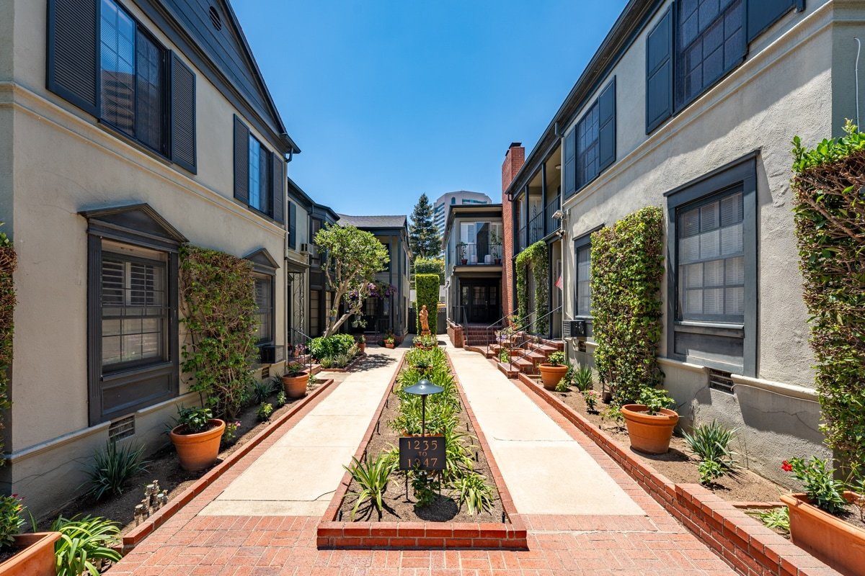
1235-1241 S Beverly Glen Blvd
Los Angeles, CA 90024 | Westwood
LoopNet listing | Data pulled 9/17/2026 from LoopNet public listing
NOTE: 50% occupied; cap 3.12% published

PROPERTY
Units | 14
Gross building SF | 11,295
Lot SF | 15,246
Lot acres | 0.35
Year built | 1941
Stories | 2
Zoning | LAR3 - Multiple residences
Occupancy per listing | 50%
APN | Multiple
Assessed value (current) | $7,120,705
Listing broker(s) | Greg Blake, Jeffrey Golden
Date on market | 7/22/2026
Listing last updated | 8/28/2026

PRICING
Asking price | $8,200,000
Price per unit | $585,714
Price per gross SF | $725.98
OM / listing cap rate (as published) | 3.12%
OM / listing GRM (as published)

UNIT MIX & SCHEDULED RENT
Unit type | # Units | Avg rent / mo | Monthly total | Annual | Rent source
Studio | 6 | $2,100 | $12,600 | $151,200 | LoopNet published avg rent by unit type
1 Bd / 1 Ba | 7 | $3,650 | $25,550 | $306,600 | LoopNet published avg rent by unit type
2 Bd / 2 Ba | 1 | $6,500 | $6,500 | $78,000 | LoopNet published avg rent by unit type
Total / weighted avg | 14 | $3,189 | $44,650 | $535,800

INCOME
 | OM as presented | LAAA underwritten |  |  | Basis / note
Scheduled gross rent |  | $535,800 |  |  | OM GSR not published
Other income (laundry, parking, RUBS) | - | -
Gross scheduled income | - | $535,800
Vacancy & credit loss | - | ($16,074) |  |  | OM 3.0% (OM figure if extracted, else 3% assumed); LAAA per Assumptions
Effective gross income | - | $519,726

OPERATING EXPENSES
Expense line | OM as presented | LAAA benchmark | LAAA underwritten | Delta vs OM | Basis / note
Property taxes (reassessed at price) |  | $102,500 | $102,500 |  | Los Angeles rate x asking price; always reassessed, never MAX
Insurance |  | $14,095 | $14,095 |  | LAAA benchmark (units x $200) + (SF x $1.00)
Management |  | $25,986 | $25,986 |  | % of LAAA EGI
Repairs & maintenance |  | $16,800 | $16,800 |  | per unit, by vintage
Utilities (water/sewer/trash/common electric & gas) |  | $21,000 | $21,000 |  | per unit, by city
Contract services (landscape, pest, cleaning) |  | $5,600 | $5,600 |  | per unit
Admin / legal / licenses / rent registration |  | $3,500 | $3,500 |  | per unit; OM "other" items land here
Replacement reserves |  | $4,200 | $4,200 |  | per unit
Total operating expenses |  | $193,681 | $193,681 |  | OM expenses not published
Expenses per unit | - | $13,834 | $13,834
Expenses as % of EGI |  | 37.27% | 37.27%
OM expense test | OM expenses not published

NOI & RETURNS
 | OM as presented | LAAA underwritten |  |  | Basis / note
Net operating income | $255,840 | $326,045 |  |  | OM NOI = price x published cap
Cap rate on asking price | 3.12% | 3.98% |  |  | OM column recomputed from OM figures; compare to published cap above
GRM (price / scheduled rent) |  | 15.30x
NOI per unit | $18,274 | $23,289

FINANCING (illustrative, on LAAA NOI)
LTV loan | $4,920,000
DCR-sized loan | $3,530,243
Loan amount (lesser of) | $3,530,243
Down payment | $4,669,757
Annual debt service | $260,836
DCR | 1.25x
Cash flow after debt service | $65,209
Cash-on-cash return | 1.40%

Legend: yellow = published input, orange = estimated (nothing published), grey = LAAA underwritten (MAX of OM line and benchmark; taxes always reassessed).

