34 30 Dudley Ave
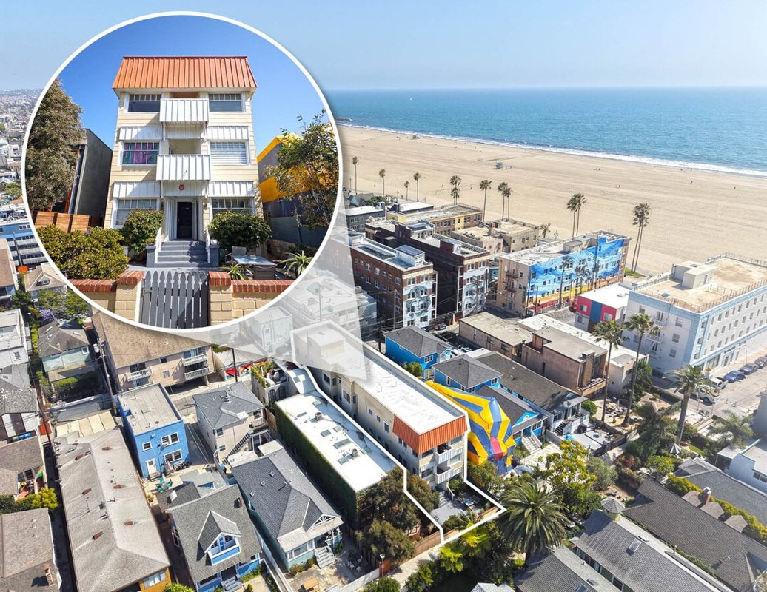
30 Dudley Ave
Venice, CA 90291 | Venice
LoopNet listing | Data pulled 9/17/2026 from LoopNet public listing
NOTE: UNPRICED. 18 studios, 300 ft from sand

PROPERTY
Units | 18
Gross building SF | 8,490
Lot SF | 3,920
Lot acres | 0.09
Year built | 1908
Stories | 3
Zoning | LARD1.5 - Residential
Occupancy per listing | 100%
APN | 4286-021-009
Assessed value (current) | $1,214,967
Listing broker(s) | Steve Bogoyevac, David O'Keefe
Date on market | 9/8/2026
Listing last updated | 9/8/2026

PRICING
Asking price |  | UNPRICED (price upon request)
Price per unit | -
Price per gross SF | $0.00
OM / listing cap rate (as published)
OM / listing GRM (as published)

UNIT MIX & SCHEDULED RENT
Unit type | # Units | Avg rent / mo | Monthly total | Annual | Rent source
Studio | 18 | $1,900 | $34,200 | $410,400 | ESTIMATED (no rents, GRM or cap published) - verify with OM
Total / weighted avg | 18 | $1,900 | $34,200 | $410,400

INCOME
 | OM as presented | LAAA underwritten |  |  | Basis / note
Scheduled gross rent |  | $410,400 |  |  | OM GSR not published
Other income (laundry, parking, RUBS) | - | -
Gross scheduled income | - | $410,400
Vacancy & credit loss | - | ($12,312) |  |  | OM 3.0% (OM figure if extracted, else 3% assumed); LAAA per Assumptions
Effective gross income | - | $398,088

OPERATING EXPENSES
Expense line | OM as presented | LAAA benchmark | LAAA underwritten | Delta vs OM | Basis / note
Property taxes (reassessed at price) |  | - | - |  | Los Angeles rate x asking price; always reassessed, never MAX
Insurance |  | $12,090 | $12,090 |  | LAAA benchmark (units x $200) + (SF x $1.00)
Management |  | $19,904 | $19,904 |  | % of LAAA EGI
Repairs & maintenance |  | $21,600 | $21,600 |  | per unit, by vintage
Utilities (water/sewer/trash/common electric & gas) |  | $27,000 | $27,000 |  | per unit, by city
Contract services (landscape, pest, cleaning) |  | $7,200 | $7,200 |  | per unit
Admin / legal / licenses / rent registration |  | $4,500 | $4,500 |  | per unit; OM "other" items land here
Replacement reserves |  | $5,400 | $5,400 |  | per unit
Total operating expenses |  | $97,694 | $97,694 |  | OM expenses not published
Expenses per unit | - | $5,427 | $5,427
Expenses as % of EGI |  | 24.54% | 24.54%
OM expense test | OM expenses not published

NOI & RETURNS
 | OM as presented | LAAA underwritten |  |  | Basis / note
Net operating income |  | $300,394
Cap rate on asking price |  |  |  |  | OM column recomputed from OM figures; compare to published cap above
GRM (price / scheduled rent) |  | 0.00x
NOI per unit | - | $16,689

FINANCING (illustrative, on LAAA NOI)
LTV loan | -
DCR-sized loan | $3,252,506
Loan amount (lesser of) | -
Down payment | -
Annual debt service | -
DCR
Cash flow after debt service | $300,394
Cash-on-cash return

Legend: yellow = published input, orange = estimated (nothing published), grey = LAAA underwritten (MAX of OM line and benchmark; taxes always reassessed).

