01 1129 Lincoln Blvd
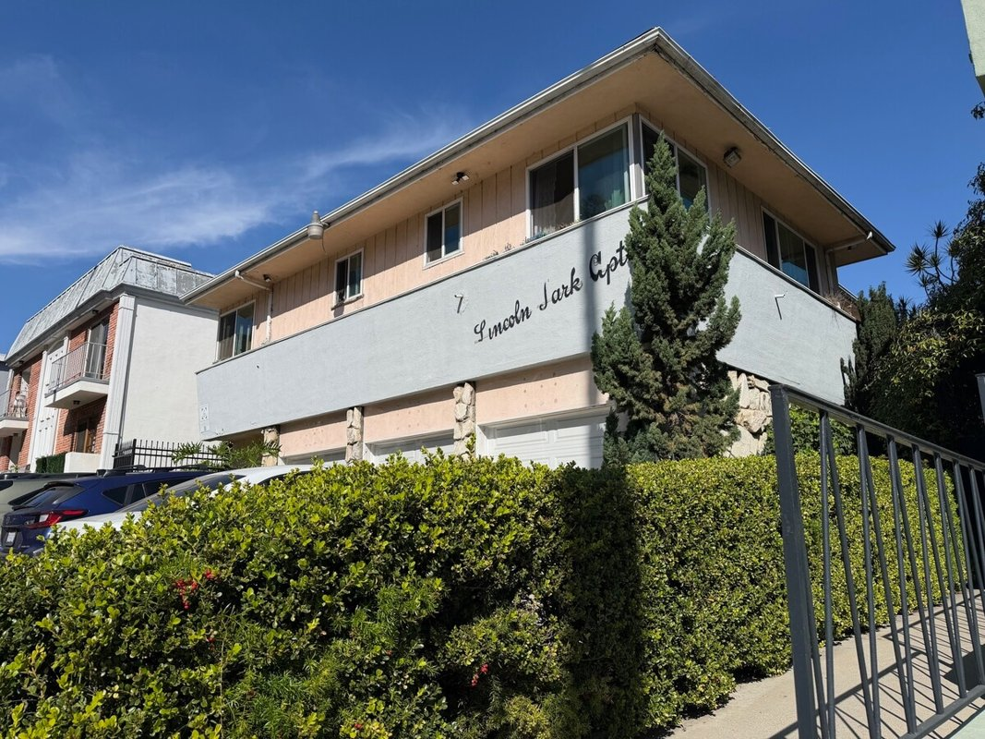
1129 Lincoln Blvd
Santa Monica, CA 90403 | Santa Monica
LoopNet listing | Data pulled 9/17/2026 from LoopNet public listing

PROPERTY
Units | 10
Gross building SF | 7,377
Lot SF | 7,405
Lot acres | 0.17
Year built | 1956
Stories | 1
Zoning | SMR3AY - Santa Monica R2 - Multi-Residential
Occupancy per listing | 100%
APN | 4281-035-016
Assessed value (current) | $787,301
Listing broker(s) | Stephen Lampe
Date on market | 3/9/2026
Listing last updated | 8/18/2026

PRICING
Asking price | $3,100,000
Price per unit | $310,000
Price per gross SF | $420.23
OM / listing cap rate (as published) | 6.32%
OM / listing GRM (as published) | 11.16x

UNIT MIX & SCHEDULED RENT
Unit type | # Units | Avg rent / mo | Monthly total | Annual | Rent source
2 Bd / 2 Ba | 1 | $2,296 | $2,296 | $27,552 | LoopNet published avg rent by unit type
2 Bd / 1.5 Ba | 1 | $2,840 | $2,840 | $34,080 | LoopNet published avg rent by unit type
2 Bd / 1 Ba | 1 | $2,995 | $2,995 | $35,940 | LoopNet published avg rent by unit type
1 Bd / 1 Ba | 5 | $2,300 | $11,500 | $138,000 | LoopNet published avg rent by unit type
Studio | 2 | $1,922 | $3,844 | $46,128 | LoopNet published avg rent by unit type
Total / weighted avg | 10 | $2,348 | $23,475 | $281,700

INCOME
 | OM as presented | LAAA underwritten |  |  | Basis / note
Scheduled gross rent | $277,778 | $281,700 |  |  | OM column: price / published GRM
Other income (laundry, parking, RUBS) | - | -
Gross scheduled income | $277,778 | $281,700
Vacancy & credit loss | ($8,333) | ($8,451) |  |  | OM 3.0% (OM figure if extracted, else 3% assumed); LAAA per Assumptions
Effective gross income | $269,444 | $273,249

OPERATING EXPENSES
Expense line | OM as presented | LAAA benchmark | LAAA underwritten | Delta vs OM | Basis / note
Property taxes (reassessed at price) |  | $35,650 | $35,650 |  | Santa Monica rate x asking price; always reassessed, never MAX
Insurance |  | $9,377 | $9,377 |  | LAAA benchmark (units x $200) + (SF x $1.00)
Management |  | $13,662 | $13,662 |  | % of LAAA EGI
Repairs & maintenance |  | $12,000 | $12,000 |  | per unit, by vintage
Utilities (water/sewer/trash/common electric & gas) |  | $18,000 | $18,000 |  | per unit, by city
Contract services (landscape, pest, cleaning) |  | $4,000 | $4,000 |  | per unit
Admin / legal / licenses / rent registration |  | $2,500 | $2,500 |  | per unit; OM "other" items land here
Replacement reserves |  | $3,000 | $3,000 |  | per unit
Total operating expenses | $73,524 | $98,189 | $98,189 | $24,665 | OM line items not published. OM total IMPLIED = OM EGI - (price x published cap)
Expenses per unit | $7,352 | $9,819 | $9,819
Expenses as % of EGI | 27.29% | 35.93% | 35.93%
OM expense test | OM EXPENSES LIGHT

NOI & RETURNS
 | OM as presented | LAAA underwritten |  |  | Basis / note
Net operating income | $195,920 | $175,060
Cap rate on asking price | 6.32% | 5.65% |  |  | OM column recomputed from OM figures; compare to published cap above
GRM (price / scheduled rent) | 11.16x | 11.00x
NOI per unit | $19,592 | $17,506

FINANCING (illustrative, on LAAA NOI)
LTV loan | $1,860,000
DCR-sized loan | $1,895,454
Loan amount (lesser of) | $1,860,000
Down payment | $1,240,000
Annual debt service | $137,428
DCR | 1.27x
Cash flow after debt service | $37,631
Cash-on-cash return | 3.03%

Legend: yellow = published input, orange = estimated (nothing published), grey = LAAA underwritten (MAX of OM line and benchmark; taxes always reassessed).

02 2001 Penmar Ave
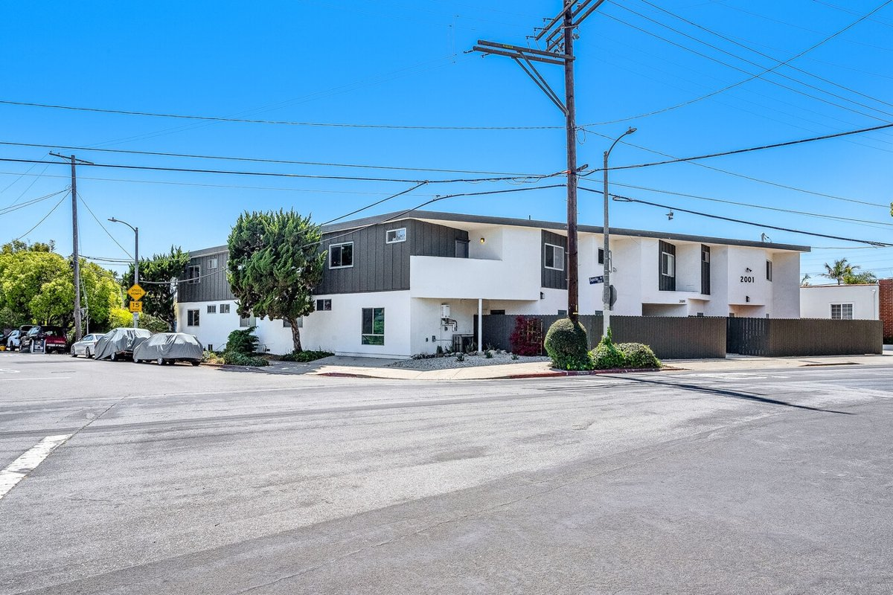
2001 Penmar Ave
Venice, CA 90291 | Venice
LoopNet listing | Data pulled 9/17/2026 from LoopNet public listing
NOTE: New listing 9/15/26, remodeled

PROPERTY
Units | 14
Gross building SF | 9,532
Lot SF | 10,019
Lot acres | 0.23
Year built | 1962
Stories | 2
Zoning | R3, Los Angeles - Multiple Family Dwelling Residential
Occupancy per listing | 100%
APN | 4242-009-011
Assessed value (current) | $3,993,440
Listing broker(s) | Jonathan Taksa
Date on market | 9/15/2026
Listing last updated | 9/15/2026

PRICING
Asking price | $5,095,000
Price per unit | $363,929
Price per gross SF | $534.52
OM / listing cap rate (as published) | 6.20%
OM / listing GRM (as published) | 11.34x

UNIT MIX & SCHEDULED RENT
Unit type | # Units | Avg rent / mo | Monthly total | Annual | Rent source
Studio (~450 SF) | 2 | $1,618 | $3,236 | $38,832 | Allocated from published GRM (price / GRM) using LAAA bed weights
1 Bd / 1 Ba (~625 SF) | 4 | $2,311 | $9,244 | $110,928 | Allocated from published GRM (price / GRM) using LAAA bed weights
2 Bd / 1 Ba (~758 SF) | 5 | $3,120 | $15,600 | $187,200 | Allocated from published GRM (price / GRM) using LAAA bed weights
2 Bd / 2 Ba (~758 SF) | 3 | $3,120 | $9,360 | $112,320 | Allocated from published GRM (price / GRM) using LAAA bed weights
Total / weighted avg | 14 | $2,674 | $37,440 | $449,280

INCOME
 | OM as presented | LAAA underwritten |  |  | Basis / note
Scheduled gross rent | $449,295 | $449,280 |  |  | OM column: price / published GRM
Other income (laundry, parking, RUBS) | - | -
Gross scheduled income | $449,295 | $449,280
Vacancy & credit loss | ($13,479) | ($13,478) |  |  | OM 3.0% (OM figure if extracted, else 3% assumed); LAAA per Assumptions
Effective gross income | $435,816 | $435,802

OPERATING EXPENSES
Expense line | OM as presented | LAAA benchmark | LAAA underwritten | Delta vs OM | Basis / note
Property taxes (reassessed at price) |  | $63,688 | $63,688 |  | Los Angeles rate x asking price; always reassessed, never MAX
Insurance |  | $12,332 | $12,332 |  | LAAA benchmark (units x $200) + (SF x $1.00)
Management |  | $21,790 | $21,790 |  | % of LAAA EGI
Repairs & maintenance |  | $16,800 | $16,800 |  | per unit, by vintage
Utilities (water/sewer/trash/common electric & gas) |  | $21,000 | $21,000 |  | per unit, by city
Contract services (landscape, pest, cleaning) |  | $5,600 | $5,600 |  | per unit
Admin / legal / licenses / rent registration |  | $3,500 | $3,500 |  | per unit; OM "other" items land here
Replacement reserves |  | $4,200 | $4,200 |  | per unit
Total operating expenses | $119,926 | $148,910 | $148,910 | $28,984 | OM line items not published. OM total IMPLIED = OM EGI - (price x published cap)
Expenses per unit | $8,566 | $10,636 | $10,636
Expenses as % of EGI | 27.52% | 34.17% | 34.17%
OM expense test | OM EXPENSES LIGHT

NOI & RETURNS
 | OM as presented | LAAA underwritten |  |  | Basis / note
Net operating income | $315,890 | $286,892
Cap rate on asking price | 6.20% | 5.63% |  |  | OM column recomputed from OM figures; compare to published cap above
GRM (price / scheduled rent) | 11.34x | 11.34x
NOI per unit | $22,564 | $20,492

FINANCING (illustrative, on LAAA NOI)
LTV loan | $3,057,000
DCR-sized loan | $3,106,318
Loan amount (lesser of) | $3,057,000
Down payment | $2,038,000
Annual debt service | $225,870
DCR | 1.27x
Cash flow after debt service | $61,022
Cash-on-cash return | 2.99%

Legend: yellow = published input, orange = estimated (nothing published), grey = LAAA underwritten (MAX of OM line and benchmark; taxes always reassessed).

03 947-953 11th St
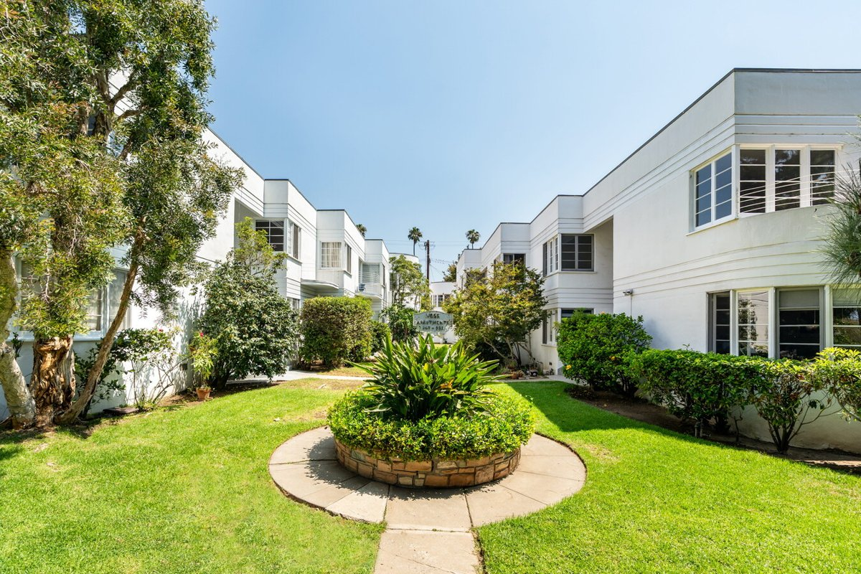
947-953 11th St (Voss Apartments)
Santa Monica, CA 90403 | Santa Monica
LoopNet listing | Data pulled 9/17/2026 from LoopNet public listing
NOTE: 80% occupied per LoopNet

PROPERTY
Units | 15
Gross building SF | 11,850
Lot SF | 14,810
Lot acres | 0.34
Year built | 1937
Stories | 2
Zoning | SMR2*
Occupancy per listing | 80%
APN | Multiple
Assessed value (current) | $2,731,000
Listing broker(s) | Eli Appel
Date on market | 9/4/2026
Listing last updated | 9/14/2026

PRICING
Asking price | $8,500,000
Price per unit | $566,667
Price per gross SF | $717.30
OM / listing cap rate (as published) | 6.04%
OM / listing GRM (as published) | 13.77x

UNIT MIX & SCHEDULED RENT
Unit type | # Units | Avg rent / mo | Monthly total | Annual | Rent source
Studio | 4 | $2,316 | $9,264 | $111,168 | Allocated from published GRM (price / GRM) using LAAA bed weights
1 Bd / 1 Ba | 6 | $3,308 | $19,848 | $238,176 | Allocated from published GRM (price / GRM) using LAAA bed weights
2 Bd / 1 Ba | 4 | $4,466 | $17,864 | $214,368 | Allocated from published GRM (price / GRM) using LAAA bed weights
2 Bd / 2 Ba | 1 | $4,466 | $4,466 | $53,592 | Allocated from published GRM (price / GRM) using LAAA bed weights
Total / weighted avg | 15 | $3,429 | $51,442 | $617,304

INCOME
 | OM as presented | LAAA underwritten |  |  | Basis / note
Scheduled gross rent | $617,284 | $617,304 |  |  | OM column: price / published GRM
Other income (laundry, parking, RUBS) | - | -
Gross scheduled income | $617,284 | $617,304
Vacancy & credit loss | ($18,519) | ($18,519) |  |  | OM 3.0% (OM figure if extracted, else 3% assumed); LAAA per Assumptions
Effective gross income | $598,765 | $598,785

OPERATING EXPENSES
Expense line | OM as presented | LAAA benchmark | LAAA underwritten | Delta vs OM | Basis / note
Property taxes (reassessed at price) |  | $97,750 | $97,750 |  | Santa Monica rate x asking price; always reassessed, never MAX
Insurance |  | $14,850 | $14,850 |  | LAAA benchmark (units x $200) + (SF x $1.00)
Management |  | $29,939 | $29,939 |  | % of LAAA EGI
Repairs & maintenance |  | $18,000 | $18,000 |  | per unit, by vintage
Utilities (water/sewer/trash/common electric & gas) |  | $27,000 | $27,000 |  | per unit, by city
Contract services (landscape, pest, cleaning) |  | $6,000 | $6,000 |  | per unit
Admin / legal / licenses / rent registration |  | $3,750 | $3,750 |  | per unit; OM "other" items land here
Replacement reserves |  | $4,500 | $4,500 |  | per unit
Total operating expenses | $85,365 | $201,789 | $201,789 | $116,424 | OM line items not published. OM total IMPLIED = OM EGI - (price x published cap)
Expenses per unit | $5,691 | $13,453 | $13,453
Expenses as % of EGI | 14.26% | 33.70% | 33.70%
OM expense test | OM EXPENSES LIGHT

NOI & RETURNS
 | OM as presented | LAAA underwritten |  |  | Basis / note
Net operating income | $513,400 | $396,996
Cap rate on asking price | 6.04% | 4.67% |  |  | OM column recomputed from OM figures; compare to published cap above
GRM (price / scheduled rent) | 13.77x | 13.77x
NOI per unit | $34,227 | $26,466

FINANCING (illustrative, on LAAA NOI)
LTV loan | $5,100,000
DCR-sized loan | $4,298,463
Loan amount (lesser of) | $4,298,463
Down payment | $4,201,537
Annual debt service | $317,597
DCR | 1.25x
Cash flow after debt service | $79,399
Cash-on-cash return | 1.89%

Legend: yellow = published input, orange = estimated (nothing published), grey = LAAA underwritten (MAX of OM line and benchmark; taxes always reassessed).

04 1811 Parnell Ave
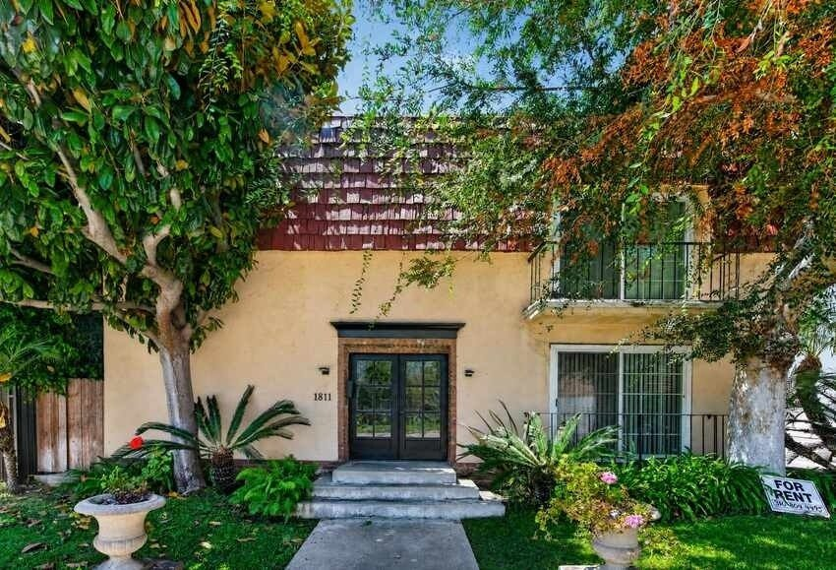
1811 Parnell Ave
Los Angeles, CA 90025 | West LA / Sawtelle
LoopNet listing | Data pulled 9/17/2026 from LoopNet public listing

PROPERTY
Units | 11
Gross building SF | 6,596
Lot SF | 6,534
Lot acres | 0.15
Year built | 1971
Stories | 2
Zoning | R3-1, Los Angeles
Occupancy per listing | 100%
APN | 4321-003-033
Assessed value (current) | $1,373,199
Listing broker(s) | Francyne Lambert, Carl Lambert
Date on market | 8/21/2026
Listing last updated | 8/24/2026

PRICING
Asking price | $2,650,000
Price per unit | $240,909
Price per gross SF | $401.76
OM / listing cap rate (as published) | 5.98%
OM / listing GRM (as published) | 10.30x

UNIT MIX & SCHEDULED RENT
Unit type | # Units | Avg rent / mo | Monthly total | Annual | Rent source
Studio (~334 SF) | 5 | $1,654 | $8,270 | $99,240 | LoopNet published avg rent by unit type
1 Bd / 1 Ba | 6 | $2,184 | $13,104 | $157,248 | LoopNet published avg rent by unit type
Total / weighted avg | 11 | $1,943 | $21,374 | $256,488

INCOME
 | OM as presented | LAAA underwritten |  |  | Basis / note
Scheduled gross rent | $257,282 | $256,488 |  |  | OM column: price / published GRM
Other income (laundry, parking, RUBS) | - | -
Gross scheduled income | $257,282 | $256,488
Vacancy & credit loss | ($7,718) | ($7,695) |  |  | OM 3.0% (OM figure if extracted, else 3% assumed); LAAA per Assumptions
Effective gross income | $249,563 | $248,793

OPERATING EXPENSES
Expense line | OM as presented | LAAA benchmark | LAAA underwritten | Delta vs OM | Basis / note
Property taxes (reassessed at price) |  | $33,125 | $33,125 |  | Los Angeles rate x asking price; always reassessed, never MAX
Insurance |  | $8,796 | $8,796 |  | LAAA benchmark (units x $200) + (SF x $1.00)
Management |  | $12,440 | $12,440 |  | % of LAAA EGI
Repairs & maintenance |  | $13,200 | $13,200 |  | per unit, by vintage
Utilities (water/sewer/trash/common electric & gas) |  | $16,500 | $16,500 |  | per unit, by city
Contract services (landscape, pest, cleaning) |  | $4,400 | $4,400 |  | per unit
Admin / legal / licenses / rent registration |  | $2,750 | $2,750 |  | per unit; OM "other" items land here
Replacement reserves |  | $3,300 | $3,300 |  | per unit
Total operating expenses | $91,093 | $94,511 | $94,511 | $3,418 | OM line items not published. OM total IMPLIED = OM EGI - (price x published cap)
Expenses per unit | $8,281 | $8,592 | $8,592
Expenses as % of EGI | 36.50% | 37.99% | 37.99%
OM expense test | OM expenses reasonable

NOI & RETURNS
 | OM as presented | LAAA underwritten |  |  | Basis / note
Net operating income | $158,470 | $154,283
Cap rate on asking price | 5.98% | 5.82% |  |  | OM column recomputed from OM figures; compare to published cap above
GRM (price / scheduled rent) | 10.30x | 10.33x
NOI per unit | $14,406 | $14,026

FINANCING (illustrative, on LAAA NOI)
LTV loan | $1,590,000
DCR-sized loan | $1,670,493
Loan amount (lesser of) | $1,590,000
Down payment | $1,060,000
Annual debt service | $117,479
DCR | 1.31x
Cash flow after debt service | $36,804
Cash-on-cash return | 3.47%

Legend: yellow = published input, orange = estimated (nothing published), grey = LAAA underwritten (MAX of OM line and benchmark; taxes always reassessed).

05 2619 S Sepulveda Blvd
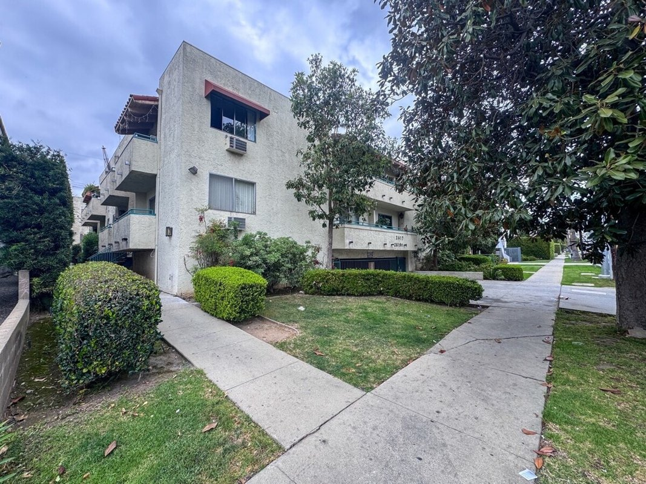
2619 S Sepulveda Blvd
Los Angeles, CA 90064 | West LA / Rancho Park
LoopNet listing | Data pulled 9/17/2026 from LoopNet public listing
NOTE: $325K reduction

PROPERTY
Units | 29
Gross building SF | 19,116
Lot SF | 20,038
Lot acres | 0.46
Year built | 1974
Stories | 3
Zoning | LAR3
Occupancy per listing | 97%
APN | 4256-013-043
Assessed value (current) | $1,010,303
Listing broker(s) | Jonathan Taksa
Date on market | 5/27/2026
Listing last updated | 9/11/2026

PRICING
Asking price | $5,575,000
Price per unit | $192,241
Price per gross SF | $291.64
OM / listing cap rate (as published) | 5.92%
OM / listing GRM (as published) | 10.51x

UNIT MIX & SCHEDULED RENT
Unit type | # Units | Avg rent / mo | Monthly total | Annual | Rent source
2 Bd / 2 Ba (~975 SF) | 3 | $2,282 | $6,846 | $82,152 | Allocated from published GRM (price / GRM) using LAAA bed weights
1 Bd / 1 Ba (~650 SF) | 13 | $1,690 | $21,970 | $263,640 | Allocated from published GRM (price / GRM) using LAAA bed weights
Studio | 13 | $1,183 | $15,379 | $184,548 | Allocated from published GRM (price / GRM) using LAAA bed weights
Total / weighted avg | 29 | $1,524 | $44,195 | $530,340

INCOME
 | OM as presented | LAAA underwritten |  |  | Basis / note
Scheduled gross rent | $530,447 | $530,340 |  |  | OM column: price / published GRM
Other income (laundry, parking, RUBS) | - | -
Gross scheduled income | $530,447 | $530,340
Vacancy & credit loss | ($15,913) | ($15,910) |  |  | OM 3.0% (OM figure if extracted, else 3% assumed); LAAA per Assumptions
Effective gross income | $514,534 | $514,430

OPERATING EXPENSES
Expense line | OM as presented | LAAA benchmark | LAAA underwritten | Delta vs OM | Basis / note
Property taxes (reassessed at price) |  | $69,688 | $69,688 |  | Los Angeles rate x asking price; always reassessed, never MAX
Insurance |  | $24,916 | $24,916 |  | LAAA benchmark (units x $200) + (SF x $1.00)
Management |  | $25,721 | $25,721 |  | % of LAAA EGI
Repairs & maintenance |  | $34,800 | $34,800 |  | per unit, by vintage
Utilities (water/sewer/trash/common electric & gas) |  | $43,500 | $43,500 |  | per unit, by city
Contract services (landscape, pest, cleaning) |  | $11,600 | $11,600 |  | per unit
Admin / legal / licenses / rent registration |  | $7,250 | $7,250 |  | per unit; OM "other" items land here
Replacement reserves |  | $8,700 | $8,700 |  | per unit
Total operating expenses | $184,494 | $226,175 | $226,175 | $41,681 | OM line items not published. OM total IMPLIED = OM EGI - (price x published cap)
Expenses per unit | $6,362 | $7,799 | $7,799
Expenses as % of EGI | 35.86% | 43.97% | 43.97%
OM expense test | OM EXPENSES LIGHT

NOI & RETURNS
 | OM as presented | LAAA underwritten |  |  | Basis / note
Net operating income | $330,040 | $288,255
Cap rate on asking price | 5.92% | 5.17% |  |  | OM column recomputed from OM figures; compare to published cap above
GRM (price / scheduled rent) | 10.51x | 10.51x
NOI per unit | $11,381 | $9,940

FINANCING (illustrative, on LAAA NOI)
LTV loan | $3,345,000
DCR-sized loan | $3,121,074
Loan amount (lesser of) | $3,121,074
Down payment | $2,453,926
Annual debt service | $230,604
DCR | 1.25x
Cash flow after debt service | $57,651
Cash-on-cash return | 2.35%

Legend: yellow = published input, orange = estimated (nothing published), grey = LAAA underwritten (MAX of OM line and benchmark; taxes always reassessed).

06 2015-2021 Chariton St
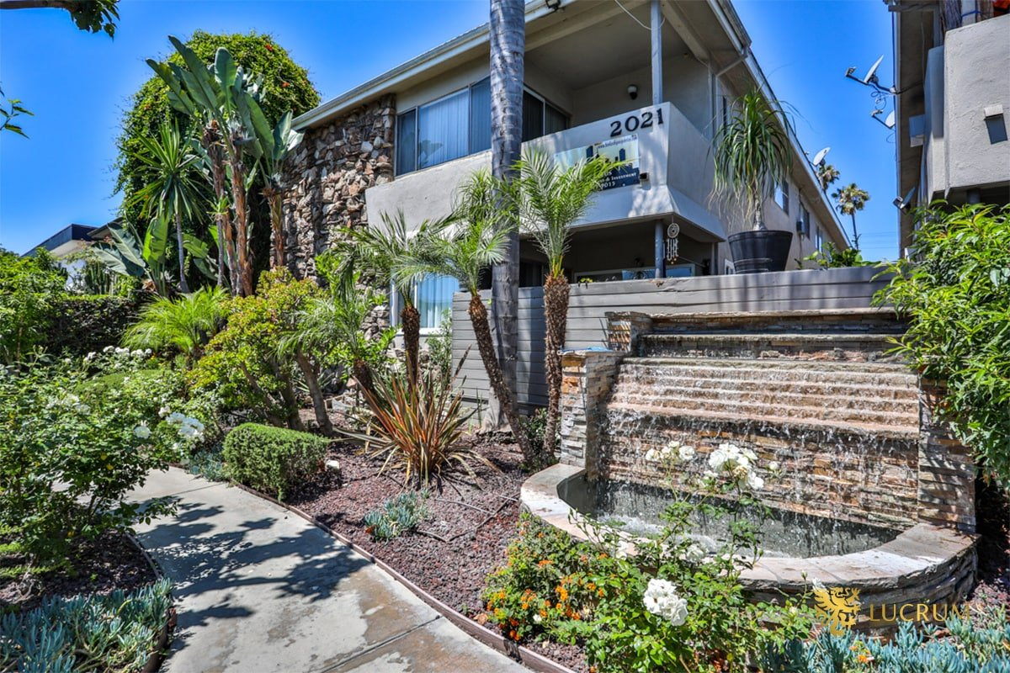
2015-2021 Chariton St
Los Angeles, CA 90034 | Palms
LoopNet listing | Data pulled 9/17/2026 from LoopNet public listing
NOTE: Two adjacent parcels; 10 of 12 are 3-bed

PROPERTY
Units | 12
Gross building SF | 12,680
Lot SF | 12,632
Lot acres | 0.29
Year built | 1961
Stories | 2
Zoning | LARD1.5
Occupancy per listing | 100%
APN | Multiple
Assessed value (current) | $2,842,089
Listing broker(s) | Raymond A. Rodriguez IV, Matt Freedman
Date on market | 6/17/2026
Listing last updated | 9/14/2026

PRICING
Asking price | $3,375,000
Price per unit | $281,250
Price per gross SF | $266.17
OM / listing cap rate (as published) | 5.80%
OM / listing GRM (as published) | 10.29x

UNIT MIX & SCHEDULED RENT
Unit type | # Units | Avg rent / mo | Monthly total | Annual | Rent source
Studio | 2 | $1,523 | $3,046 | $36,552 | LoopNet published avg rent by unit type
3 Bd / 2 Ba | 10 | $2,276 | $22,760 | $273,120 | LoopNet published avg rent by unit type
Total / weighted avg | 12 | $2,151 | $25,806 | $309,672

INCOME
 | OM as presented | LAAA underwritten |  |  | Basis / note
Scheduled gross rent | $327,988 | $309,672 |  |  | OM column: price / published GRM
Other income (laundry, parking, RUBS) | - | -
Gross scheduled income | $327,988 | $309,672
Vacancy & credit loss | ($9,840) | ($9,290) |  |  | OM 3.0% (OM figure if extracted, else 3% assumed); LAAA per Assumptions
Effective gross income | $318,149 | $300,382

OPERATING EXPENSES
Expense line | OM as presented | LAAA benchmark | LAAA underwritten | Delta vs OM | Basis / note
Property taxes (reassessed at price) |  | $42,188 | $42,188 |  | Los Angeles rate x asking price; always reassessed, never MAX
Insurance |  | $15,080 | $15,080 |  | LAAA benchmark (units x $200) + (SF x $1.00)
Management |  | $15,019 | $15,019 |  | % of LAAA EGI
Repairs & maintenance |  | $14,400 | $14,400 |  | per unit, by vintage
Utilities (water/sewer/trash/common electric & gas) |  | $18,000 | $18,000 |  | per unit, by city
Contract services (landscape, pest, cleaning) |  | $4,800 | $4,800 |  | per unit
Admin / legal / licenses / rent registration |  | $3,000 | $3,000 |  | per unit; OM "other" items land here
Replacement reserves |  | $3,600 | $3,600 |  | per unit
Total operating expenses | $122,399 | $116,087 | $116,087 | ($6,312) | OM line items not published. OM total IMPLIED = OM EGI - (price x published cap)
Expenses per unit | $10,200 | $9,674 | $9,674
Expenses as % of EGI | 38.47% | 38.65% | 38.65%
OM expense test | OM expenses reasonable

NOI & RETURNS
 | OM as presented | LAAA underwritten |  |  | Basis / note
Net operating income | $195,750 | $184,295
Cap rate on asking price | 5.80% | 5.46% |  |  | OM column recomputed from OM figures; compare to published cap above
GRM (price / scheduled rent) | 10.29x | 10.90x
NOI per unit | $16,313 | $15,358

FINANCING (illustrative, on LAAA NOI)
LTV loan | $2,025,000
DCR-sized loan | $1,995,453
Loan amount (lesser of) | $1,995,453
Down payment | $1,379,547
Annual debt service | $147,436
DCR | 1.25x
Cash flow after debt service | $36,859
Cash-on-cash return | 2.67%

Legend: yellow = published input, orange = estimated (nothing published), grey = LAAA underwritten (MAX of OM line and benchmark; taxes always reassessed).

07 11825 National Blvd
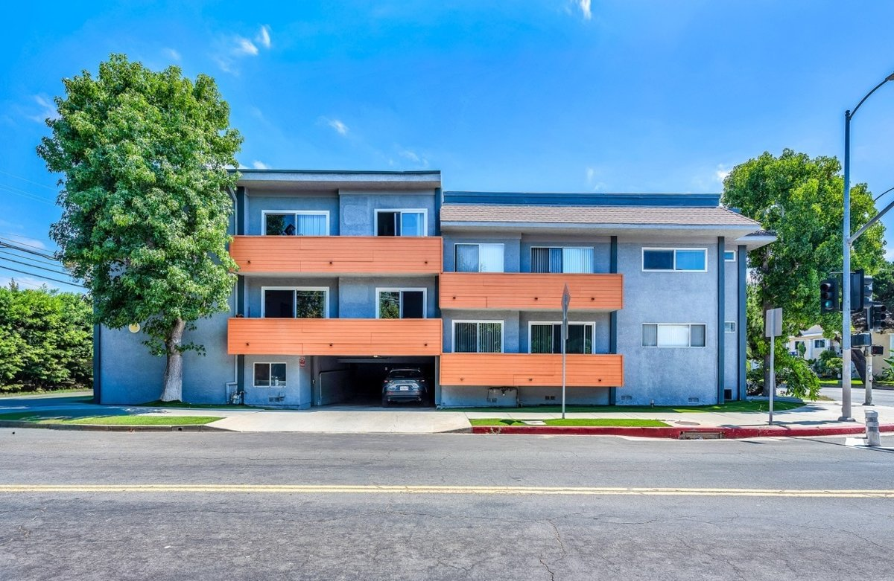
11825 National Blvd
Los Angeles, CA 90064 | West LA / Rancho Park
LoopNet listing | Data pulled 9/17/2026 from LoopNet public listing
NOTE: Reduced

PROPERTY
Units | 13
Gross building SF | 11,831
Lot SF | 10,019
Lot acres | 0.23
Year built | 1971
Stories | 2
Zoning | LAR3 - Multi Family Dwelling
Occupancy per listing | 100%
APN | 4257-019-044
Assessed value (current) | $5,354,487
Listing broker(s) | Jonathan Taksa
Date on market | 8/24/2026
Listing last updated | 9/9/2026

PRICING
Asking price | $4,595,000
Price per unit | $353,462
Price per gross SF | $388.39
OM / listing cap rate (as published) | 5.71%
OM / listing GRM (as published) | 11.21x

UNIT MIX & SCHEDULED RENT
Unit type | # Units | Avg rent / mo | Monthly total | Annual | Rent source
2 Bd / 2 Ba | 5 | $3,126 | $15,630 | $187,560 | Allocated from published GRM (price / GRM) using LAAA bed weights
1 Bd / 1 Ba | 8 | $2,316 | $18,528 | $222,336 | Allocated from published GRM (price / GRM) using LAAA bed weights
Total / weighted avg | 13 | $2,628 | $34,158 | $409,896

INCOME
 | OM as presented | LAAA underwritten |  |  | Basis / note
Scheduled gross rent | $409,902 | $409,896 |  |  | OM column: price / published GRM
Other income (laundry, parking, RUBS) | - | -
Gross scheduled income | $409,902 | $409,896
Vacancy & credit loss | ($12,297) | ($12,297) |  |  | OM 3.0% (OM figure if extracted, else 3% assumed); LAAA per Assumptions
Effective gross income | $397,605 | $397,599

OPERATING EXPENSES
Expense line | OM as presented | LAAA benchmark | LAAA underwritten | Delta vs OM | Basis / note
Property taxes (reassessed at price) |  | $57,438 | $57,438 |  | Los Angeles rate x asking price; always reassessed, never MAX
Insurance |  | $14,431 | $14,431 |  | LAAA benchmark (units x $200) + (SF x $1.00)
Management |  | $19,880 | $19,880 |  | % of LAAA EGI
Repairs & maintenance |  | $15,600 | $15,600 |  | per unit, by vintage
Utilities (water/sewer/trash/common electric & gas) |  | $19,500 | $19,500 |  | per unit, by city
Contract services (landscape, pest, cleaning) |  | $5,200 | $5,200 |  | per unit
Admin / legal / licenses / rent registration |  | $3,250 | $3,250 |  | per unit; OM "other" items land here
Replacement reserves |  | $3,900 | $3,900 |  | per unit
Total operating expenses | $135,230 | $139,198 | $139,198 | $3,968 | OM line items not published. OM total IMPLIED = OM EGI - (price x published cap)
Expenses per unit | $10,402 | $10,708 | $10,708
Expenses as % of EGI | 34.01% | 35.01% | 35.01%
OM expense test | OM expenses reasonable

NOI & RETURNS
 | OM as presented | LAAA underwritten |  |  | Basis / note
Net operating income | $262,375 | $258,401
Cap rate on asking price | 5.71% | 5.62% |  |  | OM column recomputed from OM figures; compare to published cap above
GRM (price / scheduled rent) | 11.21x | 11.21x
NOI per unit | $20,183 | $19,877

FINANCING (illustrative, on LAAA NOI)
LTV loan | $2,757,000
DCR-sized loan | $2,797,828
Loan amount (lesser of) | $2,757,000
Down payment | $1,838,000
Annual debt service | $203,704
DCR | 1.27x
Cash flow after debt service | $54,697
Cash-on-cash return | 2.98%

Legend: yellow = published input, orange = estimated (nothing published), grey = LAAA underwritten (MAX of OM line and benchmark; taxes always reassessed).

08 1811 S Bentley Ave
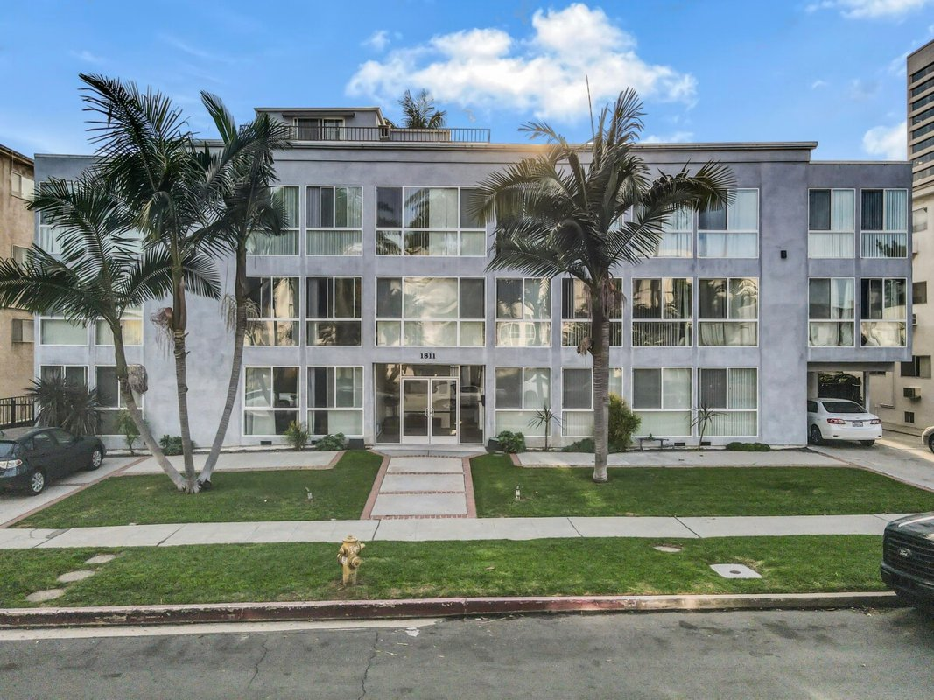
1811 S Bentley Ave (Brazilia Apts)
Los Angeles, CA 90025 | West LA / Sawtelle
LoopNet listing | Data pulled 9/17/2026 from LoopNet public listing

PROPERTY
Units | 15
Gross building SF | 16,568
Lot SF | 11,761
Lot acres | 0.27
Year built
Stories | 3
Zoning | LAR3
Occupancy per listing | 100%
APN | 4323-021-022
Assessed value (current) | $5,866,611
Listing broker(s) | Jake Glaser
Date on market | 8/25/2026
Listing last updated | 9/16/2026

PRICING
Asking price | $6,350,000
Price per unit | $423,333
Price per gross SF | $383.27
OM / listing cap rate (as published) | 5.66%
OM / listing GRM (as published) | 11.23x

UNIT MIX & SCHEDULED RENT
Unit type | # Units | Avg rent / mo | Monthly total | Annual | Rent source
1 Bd / 1 Ba (~550 SF) | 2 | $2,147 | $4,294 | $51,528 | Allocated from published GRM (price / GRM) using LAAA bed weights
2 Bd / 1 Ba (~800 SF) | 1 | $2,898 | $2,898 | $34,776 | Allocated from published GRM (price / GRM) using LAAA bed weights
2 Bd / 2 Ba (~800 SF) | 6 | $2,898 | $17,388 | $208,656 | Allocated from published GRM (price / GRM) using LAAA bed weights
3 Bd / 2 Ba (~1100 SF) | 6 | $3,757 | $22,542 | $270,504 | Allocated from published GRM (price / GRM) using LAAA bed weights
Total / weighted avg | 15 | $3,141 | $47,122 | $565,464

INCOME
 | OM as presented | LAAA underwritten |  |  | Basis / note
Scheduled gross rent | $565,450 | $565,464 |  |  | OM column: price / published GRM
Other income (laundry, parking, RUBS) | - | -
Gross scheduled income | $565,450 | $565,464
Vacancy & credit loss | ($16,963) | ($16,964) |  |  | OM 3.0% (OM figure if extracted, else 3% assumed); LAAA per Assumptions
Effective gross income | $548,486 | $548,500

OPERATING EXPENSES
Expense line | OM as presented | LAAA benchmark | LAAA underwritten | Delta vs OM | Basis / note
Property taxes (reassessed at price) |  | $79,375 | $79,375 |  | Los Angeles rate x asking price; always reassessed, never MAX
Insurance |  | $19,568 | $19,568 |  | LAAA benchmark (units x $200) + (SF x $1.00)
Management |  | $27,425 | $27,425 |  | % of LAAA EGI
Repairs & maintenance |  | $18,000 | $18,000 |  | per unit, by vintage
Utilities (water/sewer/trash/common electric & gas) |  | $22,500 | $22,500 |  | per unit, by city
Contract services (landscape, pest, cleaning) |  | $6,000 | $6,000 |  | per unit
Admin / legal / licenses / rent registration |  | $3,750 | $3,750 |  | per unit; OM "other" items land here
Replacement reserves |  | $4,500 | $4,500 |  | per unit
Total operating expenses | $189,076 | $181,118 | $181,118 | ($7,958) | OM line items not published. OM total IMPLIED = OM EGI - (price x published cap)
Expenses per unit | $12,605 | $12,075 | $12,075
Expenses as % of EGI | 34.47% | 33.02% | 33.02%
OM expense test | OM expenses reasonable

NOI & RETURNS
 | OM as presented | LAAA underwritten |  |  | Basis / note
Net operating income | $359,410 | $367,382
Cap rate on asking price | 5.66% | 5.79% |  |  | OM column recomputed from OM figures; compare to published cap above
GRM (price / scheduled rent) | 11.23x | 11.23x
NOI per unit | $23,961 | $24,492

FINANCING (illustrative, on LAAA NOI)
LTV loan | $3,810,000
DCR-sized loan | $3,977,823
Loan amount (lesser of) | $3,810,000
Down payment | $2,540,000
Annual debt service | $281,506
DCR | 1.31x
Cash flow after debt service | $85,876
Cash-on-cash return | 3.38%

Legend: yellow = published input, orange = estimated (nothing published), grey = LAAA underwritten (MAX of OM line and benchmark; taxes always reassessed).

09 3602 Keystone Ave
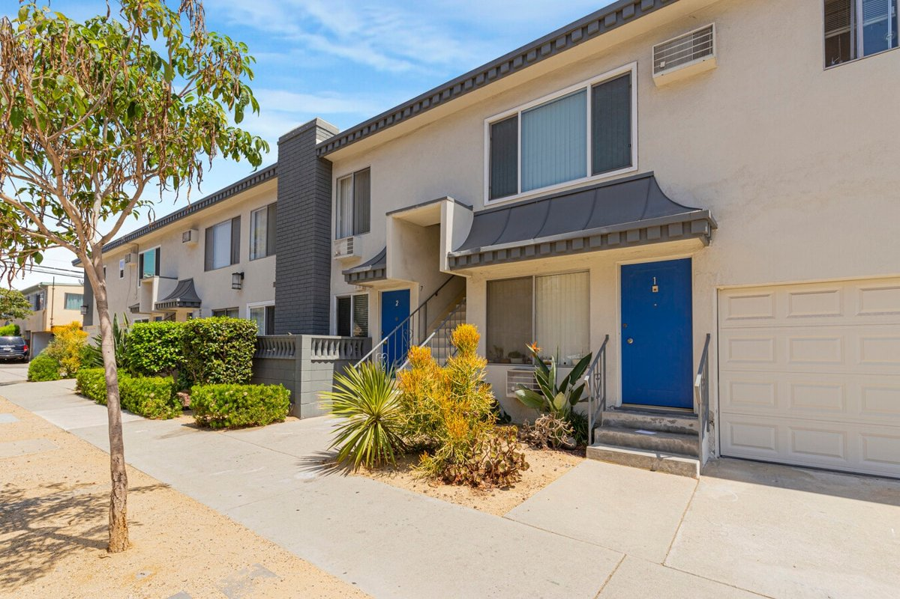
3602 Keystone Ave
Los Angeles, CA 90034 | Palms
LoopNet listing | Data pulled 9/17/2026 from LoopNet public listing
NOTE: 80% occupied

PROPERTY
Units | 10
Gross building SF | 7,032
Lot SF | 7,405
Lot acres | 0.17
Year built | 1967
Stories | 2
Zoning | LAR3 - Restricted Density Multiple Dwelling
Occupancy per listing | 80%
APN | 4314-009-036
Assessed value (current) | $2,610,677
Listing broker(s) | Peter James, Will James
Date on market | 8/13/2026
Listing last updated | 9/8/2026

PRICING
Asking price | $2,675,000
Price per unit | $267,500
Price per gross SF | $380.40
OM / listing cap rate (as published) | 5.61%
OM / listing GRM (as published) | 11.19x

UNIT MIX & SCHEDULED RENT
Unit type | # Units | Avg rent / mo | Monthly total | Annual | Rent source
1 Bd / 1 Ba | 7 | $2,250 | $15,750 | $189,000 | LoopNet published avg rent by unit type
2 Bd / 1.5 Ba | 2 | $2,750 | $5,500 | $66,000 | LoopNet published avg rent by unit type
Studio | 1 | $1,650 | $1,650 | $19,800 | LoopNet published avg rent by unit type
Total / weighted avg | 10 | $2,290 | $22,900 | $274,800

INCOME
 | OM as presented | LAAA underwritten |  |  | Basis / note
Scheduled gross rent | $239,053 | $274,800 |  |  | OM column: price / published GRM
Other income (laundry, parking, RUBS) | - | -
Gross scheduled income | $239,053 | $274,800
Vacancy & credit loss | ($7,172) | ($8,244) |  |  | OM 3.0% (OM figure if extracted, else 3% assumed); LAAA per Assumptions
Effective gross income | $231,881 | $266,556

OPERATING EXPENSES
Expense line | OM as presented | LAAA benchmark | LAAA underwritten | Delta vs OM | Basis / note
Property taxes (reassessed at price) |  | $33,438 | $33,438 |  | Los Angeles rate x asking price; always reassessed, never MAX
Insurance |  | $9,032 | $9,032 |  | LAAA benchmark (units x $200) + (SF x $1.00)
Management |  | $13,328 | $13,328 |  | % of LAAA EGI
Repairs & maintenance |  | $12,000 | $12,000 |  | per unit, by vintage
Utilities (water/sewer/trash/common electric & gas) |  | $15,000 | $15,000 |  | per unit, by city
Contract services (landscape, pest, cleaning) |  | $4,000 | $4,000 |  | per unit
Admin / legal / licenses / rent registration |  | $2,500 | $2,500 |  | per unit; OM "other" items land here
Replacement reserves |  | $3,000 | $3,000 |  | per unit
Total operating expenses | $81,814 | $92,297 | $92,297 | $10,484 | OM line items not published. OM total IMPLIED = OM EGI - (price x published cap)
Expenses per unit | $8,181 | $9,230 | $9,230
Expenses as % of EGI | 35.28% | 34.63% | 34.63%
OM expense test | OM EXPENSES LIGHT

NOI & RETURNS
 | OM as presented | LAAA underwritten |  |  | Basis / note
Net operating income | $150,068 | $174,259
Cap rate on asking price | 5.61% | 6.51% |  |  | OM column recomputed from OM figures; compare to published cap above
GRM (price / scheduled rent) | 11.19x | 9.73x
NOI per unit | $15,007 | $17,426

FINANCING (illustrative, on LAAA NOI)
LTV loan | $1,605,000
DCR-sized loan | $1,886,783
Loan amount (lesser of) | $1,605,000
Down payment | $1,070,000
Annual debt service | $118,587
DCR | 1.47x
Cash flow after debt service | $55,672
Cash-on-cash return | 5.20%

Legend: yellow = published input, orange = estimated (nothing published), grey = LAAA underwritten (MAX of OM line and benchmark; taxes always reassessed).

10 2626 Cloverfield Blvd
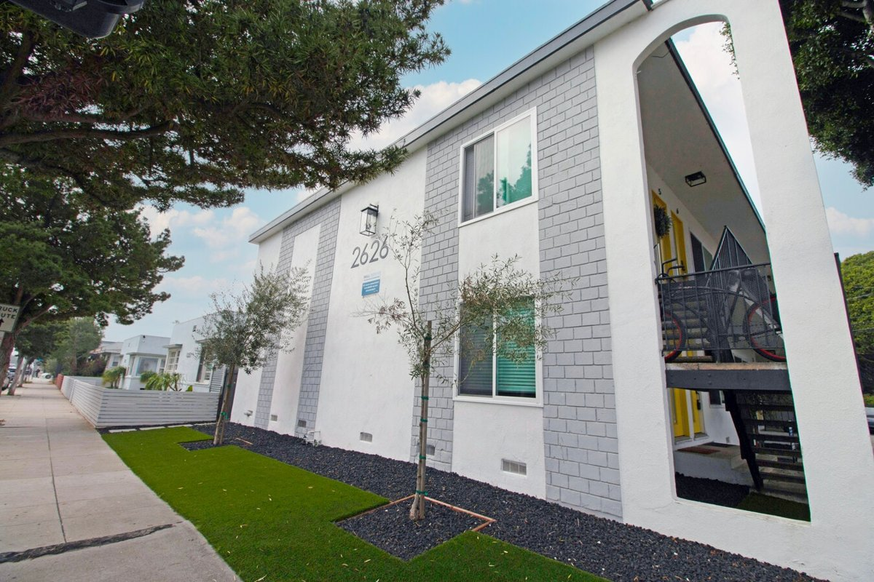
2626 Cloverfield Blvd
Santa Monica, CA 90405 | Santa Monica
LoopNet listing | Data pulled 9/17/2026 from LoopNet public listing

PROPERTY
Units | 12
Gross building SF | 7,280
Lot SF | 6,098
Lot acres | 0.14
Year built
Stories | 2
Zoning | SMR3* - residential
Occupancy per listing
APN | 4273-012-016
Assessed value (current) | $4,590,000
Listing broker(s) | Steve Bogoyevac, David O'Keefe
Date on market | 4/8/2026
Listing last updated | 9/8/2026

PRICING
Asking price | $4,750,000
Price per unit | $395,833
Price per gross SF | $652.47
OM / listing cap rate (as published) | 5.59%
OM / listing GRM (as published) | 12.76x

UNIT MIX & SCHEDULED RENT
Unit type | # Units | Avg rent / mo | Monthly total | Annual | Rent source
Studio (~450 SF) | 1 | $1,856 | $1,856 | $22,272 | Allocated from published GRM (price / GRM) using LAAA bed weights
1 Bd / 1 Ba | 11 | $2,651 | $29,161 | $349,932 | Allocated from published GRM (price / GRM) using LAAA bed weights
Total / weighted avg | 12 | $2,585 | $31,017 | $372,204

INCOME
 | OM as presented | LAAA underwritten |  |  | Basis / note
Scheduled gross rent | $372,257 | $372,204 |  |  | OM column: price / published GRM
Other income (laundry, parking, RUBS) | - | -
Gross scheduled income | $372,257 | $372,204
Vacancy & credit loss | ($11,168) | ($11,166) |  |  | OM 3.0% (OM figure if extracted, else 3% assumed); LAAA per Assumptions
Effective gross income | $361,089 | $361,038

OPERATING EXPENSES
Expense line | OM as presented | LAAA benchmark | LAAA underwritten | Delta vs OM | Basis / note
Property taxes (reassessed at price) |  | $54,625 | $54,625 |  | Santa Monica rate x asking price; always reassessed, never MAX
Insurance |  | $9,680 | $9,680 |  | LAAA benchmark (units x $200) + (SF x $1.00)
Management |  | $18,052 | $18,052 |  | % of LAAA EGI
Repairs & maintenance |  | $14,400 | $14,400 |  | per unit, by vintage
Utilities (water/sewer/trash/common electric & gas) |  | $21,600 | $21,600 |  | per unit, by city
Contract services (landscape, pest, cleaning) |  | $4,800 | $4,800 |  | per unit
Admin / legal / licenses / rent registration |  | $3,000 | $3,000 |  | per unit; OM "other" items land here
Replacement reserves |  | $3,600 | $3,600 |  | per unit
Total operating expenses | $95,564 | $129,757 | $129,757 | $34,193 | OM line items not published. OM total IMPLIED = OM EGI - (price x published cap)
Expenses per unit | $7,964 | $10,813 | $10,813
Expenses as % of EGI | 26.47% | 35.94% | 35.94%
OM expense test | OM EXPENSES LIGHT

NOI & RETURNS
 | OM as presented | LAAA underwritten |  |  | Basis / note
Net operating income | $265,525 | $231,281
Cap rate on asking price | 5.59% | 4.87% |  |  | OM column recomputed from OM figures; compare to published cap above
GRM (price / scheduled rent) | 12.76x | 12.76x
NOI per unit | $22,127 | $19,273

FINANCING (illustrative, on LAAA NOI)
LTV loan | $2,850,000
DCR-sized loan | $2,504,191
Loan amount (lesser of) | $2,504,191
Down payment | $2,245,809
Annual debt service | $185,025
DCR | 1.25x
Cash flow after debt service | $46,256
Cash-on-cash return | 2.06%

Legend: yellow = published input, orange = estimated (nothing published), grey = LAAA underwritten (MAX of OM line and benchmark; taxes always reassessed).

11 440 Raymond Ave
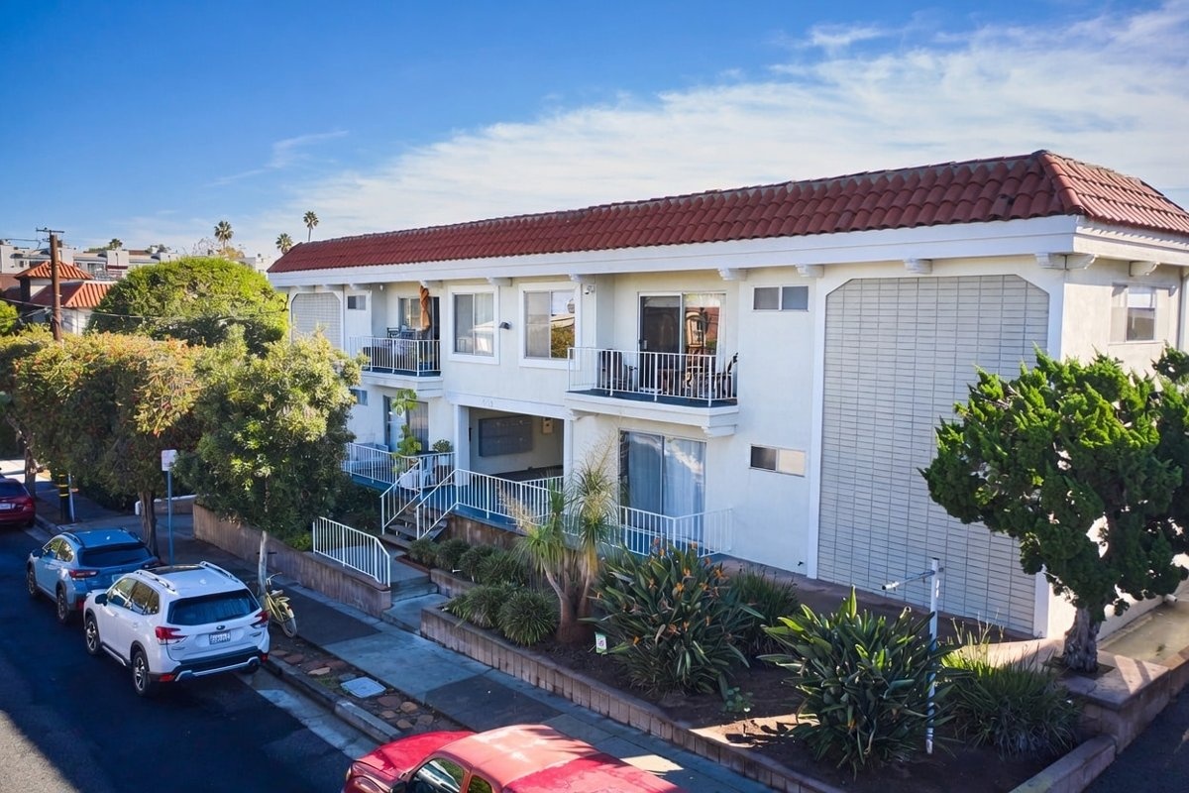
440 Raymond Ave
Santa Monica, CA 90405 | Santa Monica
LoopNet listing | Data pulled 9/17/2026 from LoopNet public listing + LAAA OM extraction (July 2026 intake)

PROPERTY
Units | 20
Gross building SF | 15,820
Lot SF | 13,939
Lot acres | 0.32
Year built | 1969
Stories | 2
Zoning | R3, Santa Monica - OP2
Occupancy per listing | 95%
APN | 4287-020-031
Assessed value (current) | $2,259,813
Listing broker(s) | Benjamin Hsiang, Don Favia
Date on market | 6/16/2026
Listing last updated | 8/14/2026

PRICING
Asking price | $7,750,000
Price per unit | $387,500
Price per gross SF | $489.89
OM / listing cap rate (as published) | 5.57%
OM / listing GRM (as published) | 12.15x

UNIT MIX & SCHEDULED RENT
Unit type | # Units | Avg rent / mo | Monthly total | Annual | Rent source
2 Bd / 2 Ba | 8 | $2,927 | $23,416 | $280,992 | LoopNet published avg rent by unit type
1 Bd / 1 Ba | 12 | $2,425 | $29,100 | $349,200 | LoopNet published avg rent by unit type
Total / weighted avg | 20 | $2,626 | $52,516 | $630,192

INCOME
 | OM as presented | LAAA underwritten |  |  | Basis / note
Scheduled gross rent | $631,196 | $630,192 |  |  | OM column: OM rent roll
Other income (laundry, parking, RUBS) | $7,740 | $7,740
Gross scheduled income | $638,936 | $637,932
Vacancy & credit loss | ($18,936) | ($18,906) |  |  | OM 3.0% (OM figure if extracted, else 3% assumed); LAAA per Assumptions
Effective gross income | $620,000 | $619,026

OPERATING EXPENSES
Expense line | OM as presented | LAAA benchmark | LAAA underwritten | Delta vs OM | Basis / note
Property taxes (reassessed at price) | $93,000 | $89,125 | $89,125 | ($3,875) | Santa Monica rate x asking price; always reassessed, never MAX
Insurance | $15,820 | $19,820 | $19,820 | $4,000 | LAAA benchmark (units x $200) + (SF x $1.00)
Management | $24,388 | $30,951 | $30,951 | $6,563 | % of LAAA EGI
Repairs & maintenance | $22,000 | $24,000 | $24,000 | $2,000 | per unit, by vintage
Utilities (water/sewer/trash/common electric & gas) | $20,000 | $36,000 | $36,000 | $16,000 | per unit, by city
Contract services (landscape, pest, cleaning) | $2,400 | $8,000 | $8,000 | $5,600 | per unit
Admin / legal / licenses / rent registration / other OM items | $9,180 | $5,000 | $9,180 | - | OM other items: Rent Control Fees 4,560; Manager/Keyholder 4,620
Replacement reserves |  | $6,000 | $6,000 |  | per unit
Total operating expenses | $186,788 | $218,896 | $223,076 | $36,288 | OM claimed total 186,788 (lines mapped from OM extraction)
Expenses per unit | $9,339 | $10,945 | $11,154
Expenses as % of EGI | 30.13% | 35.36% | 36.04%
OM expense test | OM EXPENSES LIGHT

NOI & RETURNS
 | OM as presented | LAAA underwritten |  |  | Basis / note
Net operating income | $433,212 | $395,950
Cap rate on asking price | 5.59% | 5.11% |  |  | OM column recomputed from OM figures; compare to published cap above
GRM (price / scheduled rent) | 12.28x | 12.30x
NOI per unit | $21,661 | $19,797

FINANCING (illustrative, on LAAA NOI)
LTV loan | $4,650,000
DCR-sized loan | $4,287,141
Loan amount (lesser of) | $4,287,141
Down payment | $3,462,859
Annual debt service | $316,760
DCR | 1.25x
Cash flow after debt service | $79,190
Cash-on-cash return | 2.29%

Legend: yellow = published input, orange = estimated (nothing published), grey = LAAA underwritten (MAX of OM line and benchmark; taxes always reassessed).

12 1429 Havenhurst Dr
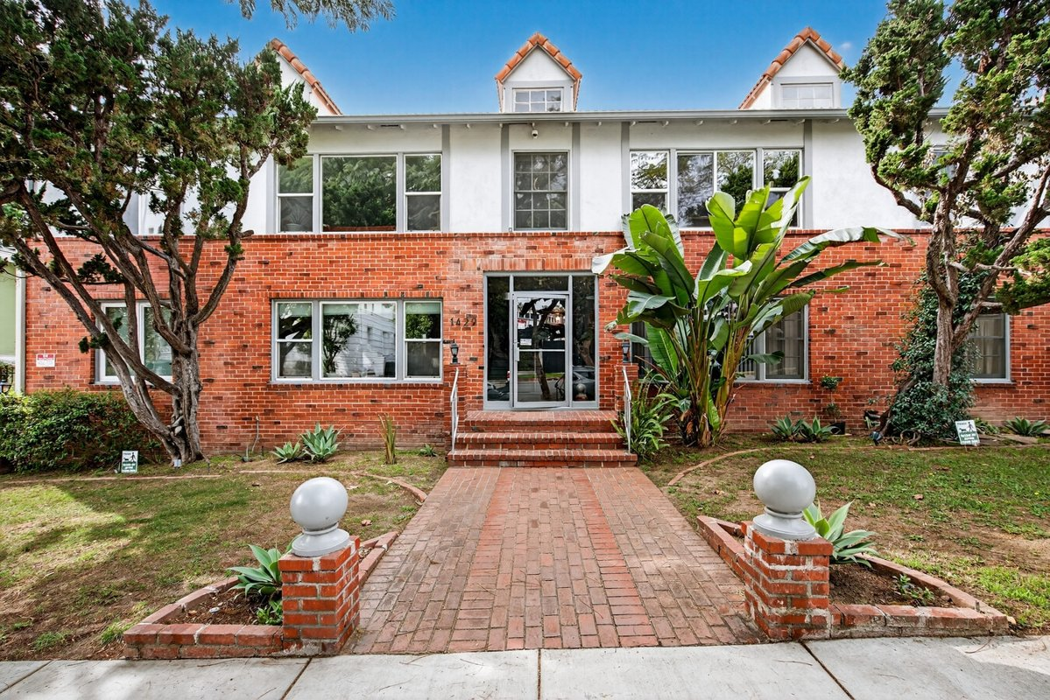
1429 Havenhurst Dr
West Hollywood, CA 90046 | West Hollywood
LoopNet listing | Data pulled 9/17/2026 from LoopNet public listing

PROPERTY
Units | 18
Gross building SF | 13,824
Lot SF | 15,246
Lot acres | 0.35
Year built | 1949
Stories | 2
Zoning | R4, West Hollywood
Occupancy per listing | 100%
APN | 5554-018-011
Assessed value (current) | $4,287,317
Listing broker(s) | Dana Brody
Date on market | 3/25/2026
Listing last updated | 9/17/2026

PRICING
Asking price | $4,800,000
Price per unit | $266,667
Price per gross SF | $347.22
OM / listing cap rate (as published) | 5.56%
OM / listing GRM (as published) | 13.60x

UNIT MIX & SCHEDULED RENT
Unit type | # Units | Avg rent / mo | Monthly total | Annual | Rent source
1 Bd / 1 Ba (~750 SF) | 16 | $1,573 | $25,168 | $302,016 | Allocated from published GRM (price / GRM) using LAAA bed weights
2 Bd / 2 Ba (~1000 SF) | 2 | $2,123 | $4,246 | $50,952 | Allocated from published GRM (price / GRM) using LAAA bed weights
Total / weighted avg | 18 | $1,634 | $29,414 | $352,968

INCOME
 | OM as presented | LAAA underwritten |  |  | Basis / note
Scheduled gross rent | $352,941 | $352,968 |  |  | OM column: price / published GRM
Other income (laundry, parking, RUBS) | - | -
Gross scheduled income | $352,941 | $352,968
Vacancy & credit loss | ($10,588) | ($10,589) |  |  | OM 3.0% (OM figure if extracted, else 3% assumed); LAAA per Assumptions
Effective gross income | $342,353 | $342,379

OPERATING EXPENSES
Expense line | OM as presented | LAAA benchmark | LAAA underwritten | Delta vs OM | Basis / note
Property taxes (reassessed at price) |  | $57,600 | $57,600 |  | West Hollywood rate x asking price; always reassessed, never MAX
Insurance |  | $17,424 | $17,424 |  | LAAA benchmark (units x $200) + (SF x $1.00)
Management |  | $17,119 | $17,119 |  | % of LAAA EGI
Repairs & maintenance |  | $21,600 | $21,600 |  | per unit, by vintage
Utilities (water/sewer/trash/common electric & gas) |  | $28,800 | $28,800 |  | per unit, by city
Contract services (landscape, pest, cleaning) |  | $7,200 | $7,200 |  | per unit
Admin / legal / licenses / rent registration |  | $4,500 | $4,500 |  | per unit; OM "other" items land here
Replacement reserves |  | $5,400 | $5,400 |  | per unit
Total operating expenses | $75,473 | $159,643 | $159,643 | $84,170 | OM line items not published. OM total IMPLIED = OM EGI - (price x published cap)
Expenses per unit | $4,193 | $8,869 | $8,869
Expenses as % of EGI | 22.05% | 46.63% | 46.63%
OM expense test | OM EXPENSES LIGHT

NOI & RETURNS
 | OM as presented | LAAA underwritten |  |  | Basis / note
Net operating income | $266,880 | $182,736
Cap rate on asking price | 5.56% | 3.81% |  |  | OM column recomputed from OM figures; compare to published cap above
GRM (price / scheduled rent) | 13.60x | 13.60x
NOI per unit | $14,827 | $10,152

FINANCING (illustrative, on LAAA NOI)
LTV loan | $2,880,000
DCR-sized loan | $1,978,571
Loan amount (lesser of) | $1,978,571
Down payment | $2,821,429
Annual debt service | $146,189
DCR | 1.25x
Cash flow after debt service | $36,547
Cash-on-cash return | 1.30%

Legend: yellow = published input, orange = estimated (nothing published), grey = LAAA underwritten (MAX of OM line and benchmark; taxes always reassessed).

13 1524 Granville Ave
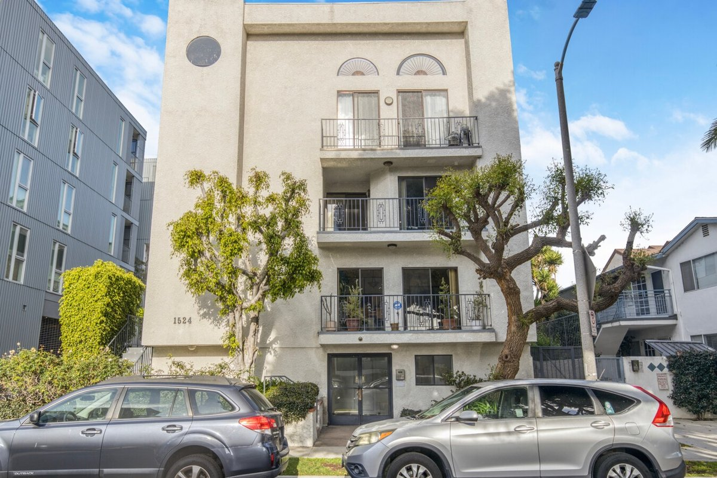
1524 Granville Ave
Los Angeles, CA 90025 | West LA / Sawtelle
LoopNet listing | Data pulled 9/17/2026 from LoopNet public listing
NOTE: 1988 build, RSO exempt

PROPERTY
Units | 10
Gross building SF | 14,298
Lot SF | 6,970
Lot acres | 0.16
Year built | 1988
Stories | 3
Zoning | LAR3
Occupancy per listing | 90%
APN | 4262-006-031
Assessed value (current) | $5,945,429
Listing broker(s) | Jonathan Taksa
Date on market | 8/24/2026
Listing last updated | 9/16/2026

PRICING
Asking price | $5,250,000
Price per unit | $525,000
Price per gross SF | $367.18
OM / listing cap rate (as published) | 5.54%
OM / listing GRM (as published) | 11.87x

UNIT MIX & SCHEDULED RENT
Unit type | # Units | Avg rent / mo | Monthly total | Annual | Rent source
2 Bd / 2.5 Ba (~1200 SF) | 7 | $3,385 | $23,695 | $284,340 | Allocated from published GRM (price / GRM) using LAAA bed weights
3 Bd / 3 Ba (~1300 SF) | 3 | $4,388 | $13,164 | $157,968 | Allocated from published GRM (price / GRM) using LAAA bed weights
Total / weighted avg | 10 | $3,686 | $36,859 | $442,308

INCOME
 | OM as presented | LAAA underwritten |  |  | Basis / note
Scheduled gross rent | $442,291 | $442,308 |  |  | OM column: price / published GRM
Other income (laundry, parking, RUBS) | - | -
Gross scheduled income | $442,291 | $442,308
Vacancy & credit loss | ($13,269) | ($13,269) |  |  | OM 3.0% (OM figure if extracted, else 3% assumed); LAAA per Assumptions
Effective gross income | $429,023 | $429,039

OPERATING EXPENSES
Expense line | OM as presented | LAAA benchmark | LAAA underwritten | Delta vs OM | Basis / note
Property taxes (reassessed at price) |  | $65,625 | $65,625 |  | Los Angeles rate x asking price; always reassessed, never MAX
Insurance |  | $16,298 | $16,298 |  | LAAA benchmark (units x $200) + (SF x $1.00)
Management |  | $21,452 | $21,452 |  | % of LAAA EGI
Repairs & maintenance |  | $12,000 | $12,000 |  | per unit, by vintage
Utilities (water/sewer/trash/common electric & gas) |  | $15,000 | $15,000 |  | per unit, by city
Contract services (landscape, pest, cleaning) |  | $4,000 | $4,000 |  | per unit
Admin / legal / licenses / rent registration |  | $2,500 | $2,500 |  | per unit; OM "other" items land here
Replacement reserves |  | $3,000 | $3,000 |  | per unit
Total operating expenses | $138,173 | $139,875 | $139,875 | $1,702 | OM line items not published. OM total IMPLIED = OM EGI - (price x published cap)
Expenses per unit | $13,817 | $13,987 | $13,987
Expenses as % of EGI | 32.21% | 32.60% | 32.60%
OM expense test | OM expenses reasonable

NOI & RETURNS
 | OM as presented | LAAA underwritten |  |  | Basis / note
Net operating income | $290,850 | $289,164
Cap rate on asking price | 5.54% | 5.51% |  |  | OM column recomputed from OM figures; compare to published cap above
GRM (price / scheduled rent) | 11.87x | 11.87x
NOI per unit | $29,085 | $28,916

FINANCING (illustrative, on LAAA NOI)
LTV loan | $3,150,000
DCR-sized loan | $3,130,916
Loan amount (lesser of) | $3,130,916
Down payment | $2,119,084
Annual debt service | $231,331
DCR | 1.25x
Cash flow after debt service | $57,833
Cash-on-cash return | 2.73%

Legend: yellow = published input, orange = estimated (nothing published), grey = LAAA underwritten (MAX of OM line and benchmark; taxes always reassessed).

14 1041 S Corning St
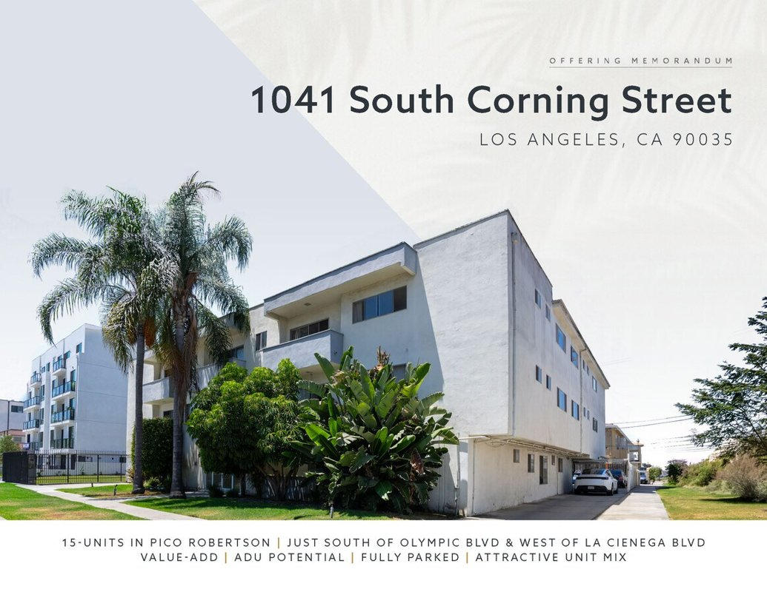
1041 S Corning St
Los Angeles, CA 90035 | Pico-Robertson / Beverlywood
LoopNet listing | Data pulled 9/17/2026 from LoopNet public listing
NOTE: UNDER CONTRACT per Filip 9/17/26 (confirm which Corning listing). 15 units plus one non-conforming unit per listing

PROPERTY
Units | 15
Gross building SF | 16,234
Lot SF | 12,197
Lot acres | 0.28
Year built | 1962
Stories | 3
Zoning | R3-1, Los Angeles
Occupancy per listing
APN | 4332-025-030
Assessed value (current) | $2,625,924
Listing broker(s) | Neema Ahadian, Jeffrey Estrada
Date on market | 7/28/2026
Listing last updated | 8/26/2026

PRICING
Asking price | $4,700,000
Price per unit | $313,333
Price per gross SF | $289.52
OM / listing cap rate (as published) | 5.50%
OM / listing GRM (as published) | 10.48x

UNIT MIX & SCHEDULED RENT
Unit type | # Units | Avg rent / mo | Monthly total | Annual | Rent source
1 Bd / 1 Ba (~750 SF) | 2 | $1,873 | $3,746 | $44,952 | Allocated from published GRM (price / GRM) using LAAA bed weights
2 Bd / 2 Ba (~950 SF) | 12 | $2,529 | $30,348 | $364,176 | Allocated from published GRM (price / GRM) using LAAA bed weights
3 Bd / 3 Ba (~1200 SF) | 1 | $3,278 | $3,278 | $39,336 | Allocated from published GRM (price / GRM) using LAAA bed weights
Total / weighted avg | 15 | $2,491 | $37,372 | $448,464

INCOME
 | OM as presented | LAAA underwritten |  |  | Basis / note
Scheduled gross rent | $448,473 | $448,464 |  |  | OM column: price / published GRM
Other income (laundry, parking, RUBS) | - | -
Gross scheduled income | $448,473 | $448,464
Vacancy & credit loss | ($13,454) | ($13,454) |  |  | OM 3.0% (OM figure if extracted, else 3% assumed); LAAA per Assumptions
Effective gross income | $435,019 | $435,010

OPERATING EXPENSES
Expense line | OM as presented | LAAA benchmark | LAAA underwritten | Delta vs OM | Basis / note
Property taxes (reassessed at price) |  | $58,750 | $58,750 |  | Los Angeles rate x asking price; always reassessed, never MAX
Insurance |  | $19,234 | $19,234 |  | LAAA benchmark (units x $200) + (SF x $1.00)
Management |  | $21,751 | $21,751 |  | % of LAAA EGI
Repairs & maintenance |  | $18,000 | $18,000 |  | per unit, by vintage
Utilities (water/sewer/trash/common electric & gas) |  | $22,500 | $22,500 |  | per unit, by city
Contract services (landscape, pest, cleaning) |  | $6,000 | $6,000 |  | per unit
Admin / legal / licenses / rent registration |  | $3,750 | $3,750 |  | per unit; OM "other" items land here
Replacement reserves |  | $4,500 | $4,500 |  | per unit
Total operating expenses | $176,519 | $154,485 | $154,485 | ($22,035) | OM line items not published. OM total IMPLIED = OM EGI - (price x published cap)
Expenses per unit | $11,768 | $10,299 | $10,299
Expenses as % of EGI | 40.58% | 35.51% | 35.51%
OM expense test | OM expenses reasonable

NOI & RETURNS
 | OM as presented | LAAA underwritten |  |  | Basis / note
Net operating income | $258,500 | $280,526
Cap rate on asking price | 5.50% | 5.97% |  |  | OM column recomputed from OM figures; compare to published cap above
GRM (price / scheduled rent) | 10.48x | 10.48x
NOI per unit | $17,233 | $18,702

FINANCING (illustrative, on LAAA NOI)
LTV loan | $2,820,000
DCR-sized loan | $3,037,386
Loan amount (lesser of) | $2,820,000
Down payment | $1,880,000
Annual debt service | $208,359
DCR | 1.35x
Cash flow after debt service | $72,167
Cash-on-cash return | 3.84%

Legend: yellow = published input, orange = estimated (nothing published), grey = LAAA underwritten (MAX of OM line and benchmark; taxes always reassessed).

15 20 Brooks Ave
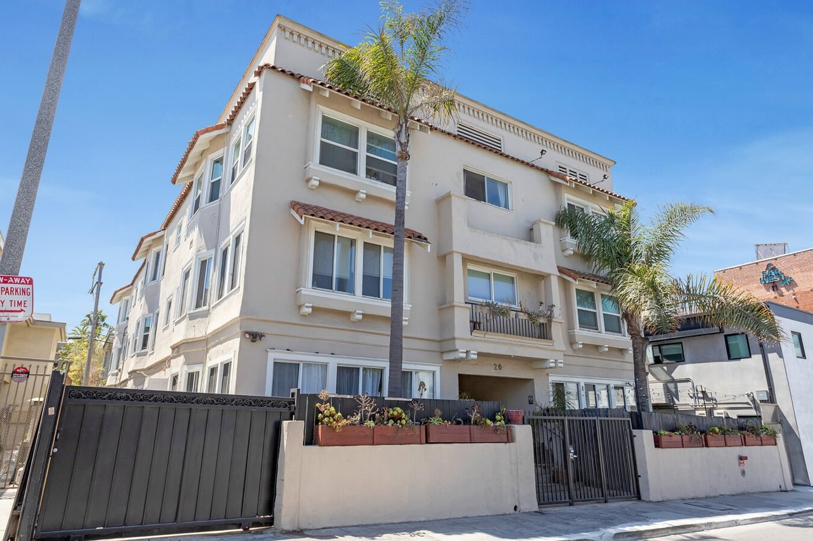
20 Brooks Ave
Venice, CA 90291 | Venice
LoopNet listing | Data pulled 9/17/2026 from LoopNet public listing
NOTE: GRM 9.12 published

PROPERTY
Units | 18
Gross building SF | 11,616
Lot SF | 6,098
Lot acres | 0.14
Year built | 1909
Stories | 3
Zoning | LARD1.5
Occupancy per listing
APN | 4286-026-003
Assessed value (current) | $3,323,923
Listing broker(s) | Kitty Wallace
Date on market | 8/27/2025
Listing last updated | 9/3/2026

PRICING
Asking price | $5,600,000
Price per unit | $311,111
Price per gross SF | $482.09
OM / listing cap rate (as published) | 5.48%
OM / listing GRM (as published) | 9.12x

UNIT MIX & SCHEDULED RENT
Unit type | # Units | Avg rent / mo | Monthly total | Annual | Rent source
Studio (~500 SF) | 9 | $2,239 | $20,151 | $241,812 | Allocated from published GRM (price / GRM) using LAAA bed weights
1 Bd / 1 Ba (~600 SF) | 7 | $3,198 | $22,386 | $268,632 | Allocated from published GRM (price / GRM) using LAAA bed weights
2 Bd / 1 Ba (~650 SF) | 2 | $4,317 | $8,634 | $103,608 | Allocated from published GRM (price / GRM) using LAAA bed weights
Total / weighted avg | 18 | $2,843 | $51,171 | $614,052

INCOME
 | OM as presented | LAAA underwritten |  |  | Basis / note
Scheduled gross rent | $614,035 | $614,052 |  |  | OM column: price / published GRM
Other income (laundry, parking, RUBS) | - | -
Gross scheduled income | $614,035 | $614,052
Vacancy & credit loss | ($18,421) | ($18,422) |  |  | OM 3.0% (OM figure if extracted, else 3% assumed); LAAA per Assumptions
Effective gross income | $595,614 | $595,630

OPERATING EXPENSES
Expense line | OM as presented | LAAA benchmark | LAAA underwritten | Delta vs OM | Basis / note
Property taxes (reassessed at price) |  | $70,000 | $70,000 |  | Los Angeles rate x asking price; always reassessed, never MAX
Insurance |  | $15,216 | $15,216 |  | LAAA benchmark (units x $200) + (SF x $1.00)
Management |  | $29,782 | $29,782 |  | % of LAAA EGI
Repairs & maintenance |  | $21,600 | $21,600 |  | per unit, by vintage
Utilities (water/sewer/trash/common electric & gas) |  | $27,000 | $27,000 |  | per unit, by city
Contract services (landscape, pest, cleaning) |  | $7,200 | $7,200 |  | per unit
Admin / legal / licenses / rent registration |  | $4,500 | $4,500 |  | per unit; OM "other" items land here
Replacement reserves |  | $5,400 | $5,400 |  | per unit
Total operating expenses | $288,734 | $180,698 | $180,698 | ($108,037) | OM line items not published. OM total IMPLIED = OM EGI - (price x published cap)
Expenses per unit | $16,041 | $10,039 | $10,039
Expenses as % of EGI | 48.48% | 30.34% | 30.34%
OM expense test | OM expenses reasonable

NOI & RETURNS
 | OM as presented | LAAA underwritten |  |  | Basis / note
Net operating income | $306,880 | $414,933
Cap rate on asking price | 5.48% | 7.41% |  |  | OM column recomputed from OM figures; compare to published cap above
GRM (price / scheduled rent) | 9.12x | 9.12x
NOI per unit | $17,049 | $23,052

FINANCING (illustrative, on LAAA NOI)
LTV loan | $3,360,000
DCR-sized loan | $4,492,679
Loan amount (lesser of) | $3,360,000
Down payment | $2,240,000
Annual debt service | $248,257
DCR | 1.67x
Cash flow after debt service | $166,676
Cash-on-cash return | 7.44%

Legend: yellow = published input, orange = estimated (nothing published), grey = LAAA underwritten (MAX of OM line and benchmark; taxes always reassessed).

16 3827 Tilden Ave
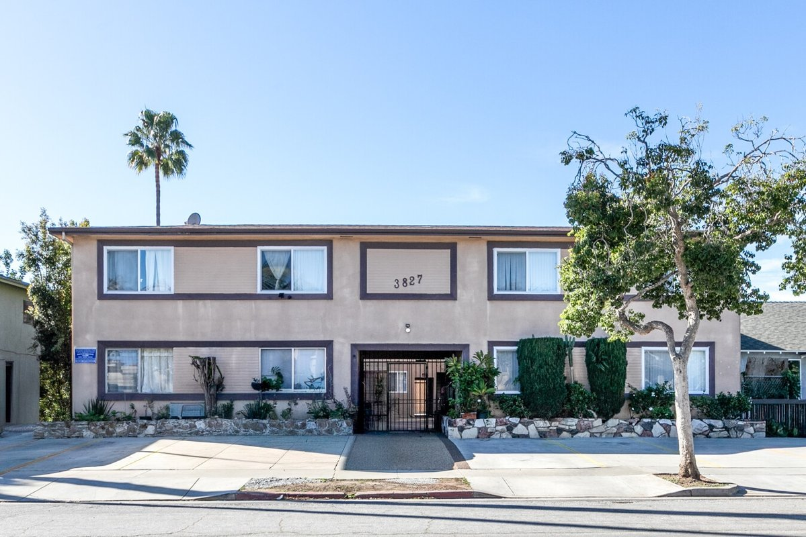
3827 Tilden Ave (The Tilden)
Culver City, CA 90232 | Culver City
LoopNet listing | Data pulled 9/17/2026 from LoopNet public listing
NOTE: Part of a portfolio sale; GRM not published, rents estimated

PROPERTY
Units | 10
Gross building SF | 9,340
Lot SF | 10,890
Lot acres | 0.25
Year built | 1957
Stories | 2
Zoning | CCR4
Occupancy per listing | 100%
APN | 4213-005-022
Assessed value (current) | $3,064,650
Listing broker(s) | Adam Peterson, Andrew Long
Date on market | 2/9/2026
Listing last updated | 8/14/2026

PRICING
Asking price | $3,450,000
Price per unit | $345,000
Price per gross SF | $369.38
OM / listing cap rate (as published) | 5.42%
OM / listing GRM (as published)

UNIT MIX & SCHEDULED RENT
Unit type | # Units | Avg rent / mo | Monthly total | Annual | Rent source
1 Bd / 1 Ba (~700 SF) | 4 | $2,200 | $8,800 | $105,600 | ESTIMATED (no rents, GRM or cap published) - verify with OM
3 Bd / 1 Ba (~1200 SF) | 1 | $3,800 | $3,800 | $45,600 | ESTIMATED (no rents, GRM or cap published) - verify with OM
2 Bd / 1 Ba (~1200 SF) | 5 | $2,900 | $14,500 | $174,000 | ESTIMATED (no rents, GRM or cap published) - verify with OM
Total / weighted avg | 10 | $2,710 | $27,100 | $325,200

INCOME
 | OM as presented | LAAA underwritten |  |  | Basis / note
Scheduled gross rent |  | $325,200 |  |  | OM GSR not published
Other income (laundry, parking, RUBS) | - | -
Gross scheduled income | - | $325,200
Vacancy & credit loss | - | ($9,756) |  |  | OM 3.0% (OM figure if extracted, else 3% assumed); LAAA per Assumptions
Effective gross income | - | $315,444

OPERATING EXPENSES
Expense line | OM as presented | LAAA benchmark | LAAA underwritten | Delta vs OM | Basis / note
Property taxes (reassessed at price) |  | $41,400 | $41,400 |  | Culver City rate x asking price; always reassessed, never MAX
Insurance |  | $11,340 | $11,340 |  | LAAA benchmark (units x $200) + (SF x $1.00)
Management |  | $15,772 | $15,772 |  | % of LAAA EGI
Repairs & maintenance |  | $12,000 | $12,000 |  | per unit, by vintage
Utilities (water/sewer/trash/common electric & gas) |  | $16,000 | $16,000 |  | per unit, by city
Contract services (landscape, pest, cleaning) |  | $4,000 | $4,000 |  | per unit
Admin / legal / licenses / rent registration |  | $2,500 | $2,500 |  | per unit; OM "other" items land here
Replacement reserves |  | $3,000 | $3,000 |  | per unit
Total operating expenses |  | $106,012 | $106,012 |  | OM expenses not published
Expenses per unit | - | $10,601 | $10,601
Expenses as % of EGI |  | 33.61% | 33.61%
OM expense test | OM expenses not published

NOI & RETURNS
 | OM as presented | LAAA underwritten |  |  | Basis / note
Net operating income | $186,990 | $209,432 |  |  | OM NOI = price x published cap
Cap rate on asking price | 5.42% | 6.07% |  |  | OM column recomputed from OM figures; compare to published cap above
GRM (price / scheduled rent) |  | 10.61x
NOI per unit | $18,699 | $20,943

FINANCING (illustrative, on LAAA NOI)
LTV loan | $2,070,000
DCR-sized loan | $2,267,619
Loan amount (lesser of) | $2,070,000
Down payment | $1,380,000
Annual debt service | $152,944
DCR | 1.37x
Cash flow after debt service | $56,488
Cash-on-cash return | 4.09%

Legend: yellow = published input, orange = estimated (nothing published), grey = LAAA underwritten (MAX of OM line and benchmark; taxes always reassessed).

17 900 N Orange Grove Ave
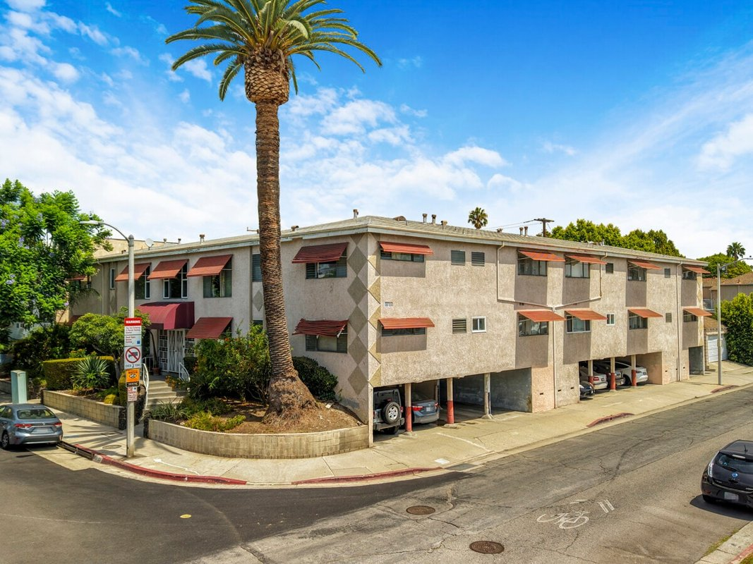
900 N Orange Grove Ave
West Hollywood, CA 90046 | West Hollywood
LoopNet listing | Data pulled 9/17/2026 from LoopNet public listing
NOTE: First sale in 38 years

PROPERTY
Units | 20
Gross building SF | 14,556
Lot SF | 12,632
Lot acres | 0.29
Year built | 1957
Stories | 2
Zoning | WDR3C* - Restricted Density Multiple Dwelling
Occupancy per listing
APN | 5530-026-019
Assessed value (current) | $3,261,097
Listing broker(s) | Jordan Asheghian, Tony Azzi
Date on market | 8/27/2026
Listing last updated | 8/31/2026

PRICING
Asking price | $4,150,000
Price per unit | $207,500
Price per gross SF | $285.11
OM / listing cap rate (as published) | 5.32%
OM / listing GRM (as published) | 10.38x

UNIT MIX & SCHEDULED RENT
Unit type | # Units | Avg rent / mo | Monthly total | Annual | Rent source
Studio (~520 SF) | 4 | $1,175 | $4,700 | $56,400 | Allocated from published GRM (price / GRM) using LAAA bed weights
1 Bd / 1 Ba (~720 SF) | 13 | $1,678 | $21,814 | $261,768 | Allocated from published GRM (price / GRM) using LAAA bed weights
2 Bd / 1 Ba (~900 SF) | 2 | $2,266 | $4,532 | $54,384 | Allocated from published GRM (price / GRM) using LAAA bed weights
2 Bd / 2 Ba (~900 SF) | 1 | $2,266 | $2,266 | $27,192 | Allocated from published GRM (price / GRM) using LAAA bed weights
Total / weighted avg | 20 | $1,666 | $33,312 | $399,744

INCOME
 | OM as presented | LAAA underwritten |  |  | Basis / note
Scheduled gross rent | $399,807 | $399,744 |  |  | OM column: price / published GRM
Other income (laundry, parking, RUBS) | - | -
Gross scheduled income | $399,807 | $399,744
Vacancy & credit loss | ($11,994) | ($11,992) |  |  | OM 3.0% (OM figure if extracted, else 3% assumed); LAAA per Assumptions
Effective gross income | $387,813 | $387,752

OPERATING EXPENSES
Expense line | OM as presented | LAAA benchmark | LAAA underwritten | Delta vs OM | Basis / note
Property taxes (reassessed at price) |  | $49,800 | $49,800 |  | West Hollywood rate x asking price; always reassessed, never MAX
Insurance |  | $18,556 | $18,556 |  | LAAA benchmark (units x $200) + (SF x $1.00)
Management |  | $19,388 | $19,388 |  | % of LAAA EGI
Repairs & maintenance |  | $24,000 | $24,000 |  | per unit, by vintage
Utilities (water/sewer/trash/common electric & gas) |  | $32,000 | $32,000 |  | per unit, by city
Contract services (landscape, pest, cleaning) |  | $8,000 | $8,000 |  | per unit
Admin / legal / licenses / rent registration |  | $5,000 | $5,000 |  | per unit; OM "other" items land here
Replacement reserves |  | $6,000 | $6,000 |  | per unit
Total operating expenses | $167,033 | $162,744 | $162,744 | ($4,290) | OM line items not published. OM total IMPLIED = OM EGI - (price x published cap)
Expenses per unit | $8,352 | $8,137 | $8,137
Expenses as % of EGI | 43.07% | 41.97% | 41.97%
OM expense test | OM expenses reasonable

NOI & RETURNS
 | OM as presented | LAAA underwritten |  |  | Basis / note
Net operating income | $220,780 | $225,008
Cap rate on asking price | 5.32% | 5.42% |  |  | OM column recomputed from OM figures; compare to published cap above
GRM (price / scheduled rent) | 10.38x | 10.38x
NOI per unit | $11,039 | $11,250

FINANCING (illustrative, on LAAA NOI)
LTV loan | $2,490,000
DCR-sized loan | $2,436,271
Loan amount (lesser of) | $2,436,271
Down payment | $1,713,729
Annual debt service | $180,006
DCR | 1.25x
Cash flow after debt service | $45,002
Cash-on-cash return | 2.63%

Legend: yellow = published input, orange = estimated (nothing published), grey = LAAA underwritten (MAX of OM line and benchmark; taxes always reassessed).

18 11401 Washington Pl
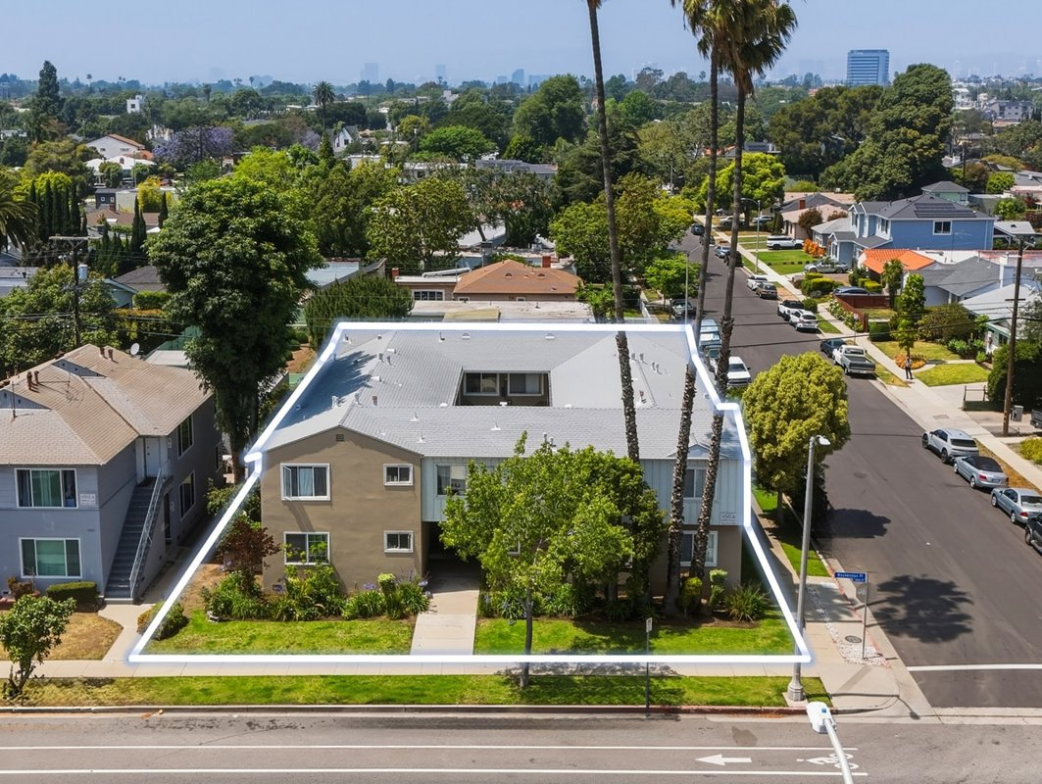
11401 Washington Pl
Los Angeles, CA 90066 | Mar Vista
LoopNet listing | Data pulled 9/17/2026 from LoopNet public listing

PROPERTY
Units | 10
Gross building SF | 7,129
Lot SF | 7,841
Lot acres | 0.18
Year built | 1954
Stories | 2
Zoning | LAR3
Occupancy per listing | 90%
APN | 4214-007-004
Assessed value (current) | $1,064,033
Listing broker(s) | Jonathan Nikfarjam, Allen Gholian
Date on market | 6/24/2026
Listing last updated | 8/18/2026

PRICING
Asking price | $2,795,000
Price per unit | $279,500
Price per gross SF | $392.06
OM / listing cap rate (as published) | 5.30%
OM / listing GRM (as published) | 12.30x

UNIT MIX & SCHEDULED RENT
Unit type | # Units | Avg rent / mo | Monthly total | Annual | Rent source
1 Bd / 1 Ba | 7 | $1,885 | $13,195 | $158,340 | LoopNet published avg rent by unit type
2 Bd / 1 Ba | 3 | $1,910 | $5,730 | $68,760 | LoopNet published avg rent by unit type
Total / weighted avg | 10 | $1,893 | $18,925 | $227,100

INCOME
 | OM as presented | LAAA underwritten |  |  | Basis / note
Scheduled gross rent | $227,236 | $227,100 |  |  | OM column: price / published GRM
Other income (laundry, parking, RUBS) | - | -
Gross scheduled income | $227,236 | $227,100
Vacancy & credit loss | ($6,817) | ($6,813) |  |  | OM 3.0% (OM figure if extracted, else 3% assumed); LAAA per Assumptions
Effective gross income | $220,419 | $220,287

OPERATING EXPENSES
Expense line | OM as presented | LAAA benchmark | LAAA underwritten | Delta vs OM | Basis / note
Property taxes (reassessed at price) |  | $34,938 | $34,938 |  | Los Angeles rate x asking price; always reassessed, never MAX
Insurance |  | $9,129 | $9,129 |  | LAAA benchmark (units x $200) + (SF x $1.00)
Management |  | $11,014 | $11,014 |  | % of LAAA EGI
Repairs & maintenance |  | $12,000 | $12,000 |  | per unit, by vintage
Utilities (water/sewer/trash/common electric & gas) |  | $15,000 | $15,000 |  | per unit, by city
Contract services (landscape, pest, cleaning) |  | $4,000 | $4,000 |  | per unit
Admin / legal / licenses / rent registration |  | $2,500 | $2,500 |  | per unit; OM "other" items land here
Replacement reserves |  | $3,000 | $3,000 |  | per unit
Total operating expenses | $72,284 | $91,581 | $91,581 | $19,297 | OM line items not published. OM total IMPLIED = OM EGI - (price x published cap)
Expenses per unit | $7,228 | $9,158 | $9,158
Expenses as % of EGI | 32.79% | 41.57% | 41.57%
OM expense test | OM EXPENSES LIGHT

NOI & RETURNS
 | OM as presented | LAAA underwritten |  |  | Basis / note
Net operating income | $148,135 | $128,706
Cap rate on asking price | 5.30% | 4.60% |  |  | OM column recomputed from OM figures; compare to published cap above
GRM (price / scheduled rent) | 12.30x | 12.31x
NOI per unit | $14,814 | $12,871

FINANCING (illustrative, on LAAA NOI)
LTV loan | $1,677,000
DCR-sized loan | $1,393,563
Loan amount (lesser of) | $1,393,563
Down payment | $1,401,437
Annual debt service | $102,965
DCR | 1.25x
Cash flow after debt service | $25,741
Cash-on-cash return | 1.84%

Legend: yellow = published input, orange = estimated (nothing published), grey = LAAA underwritten (MAX of OM line and benchmark; taxes always reassessed).

19 7526 Fountain Ave
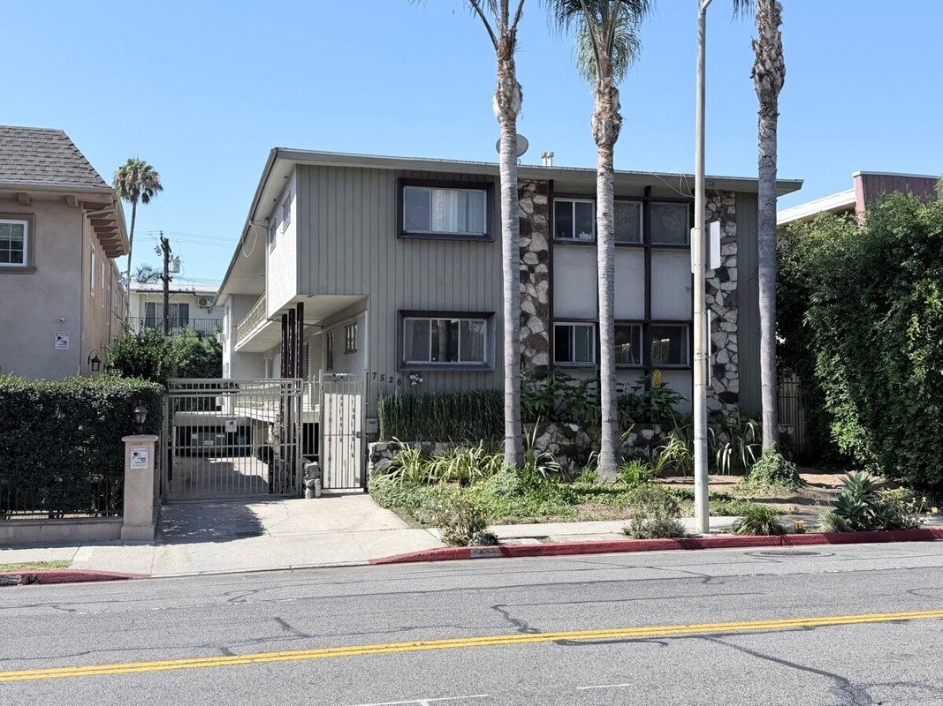
7526 Fountain Ave
West Hollywood, CA 90046 | West Hollywood
LoopNet listing | Data pulled 9/17/2026 from LoopNet public listing

PROPERTY
Units | 10
Gross building SF | 7,747
Lot SF | 7,405
Lot acres | 0.17
Year built | 1955
Stories | 2
Zoning | WDR2 - Residential
Occupancy per listing | 90%
APN | 5530-005-006
Assessed value (current) | $868,661
Listing broker(s) | Mike Hanassab, Steven Goldstein
Date on market | 9/1/2026
Listing last updated | 9/15/2026

PRICING
Asking price | $2,400,000
Price per unit | $240,000
Price per gross SF | $309.80
OM / listing cap rate (as published) | 5.29%
OM / listing GRM (as published) | 11.44x

UNIT MIX & SCHEDULED RENT
Unit type | # Units | Avg rent / mo | Monthly total | Annual | Rent source
Studio (~496 SF) | 2 | $1,183 | $2,366 | $28,392 | LoopNet published avg rent by unit type
1 Bd / 1 Ba (~687 SF) | 7 | $1,575 | $11,025 | $132,300 | LoopNet published avg rent by unit type
Total / weighted avg | 9 | $1,488 | $13,391 | $160,692
Unit mix rows total 9 vs 10 units in listing facts - verify

INCOME
 | OM as presented | LAAA underwritten |  |  | Basis / note
Scheduled gross rent | $209,790 | $160,692 |  |  | OM column: price / published GRM
Other income (laundry, parking, RUBS) | - | -
Gross scheduled income | $209,790 | $160,692
Vacancy & credit loss | ($6,294) | ($4,821) |  |  | OM 3.0% (OM figure if extracted, else 3% assumed); LAAA per Assumptions
Effective gross income | $203,497 | $155,871

OPERATING EXPENSES
Expense line | OM as presented | LAAA benchmark | LAAA underwritten | Delta vs OM | Basis / note
Property taxes (reassessed at price) |  | $28,800 | $28,800 |  | West Hollywood rate x asking price; always reassessed, never MAX
Insurance |  | $9,747 | $9,747 |  | LAAA benchmark (units x $200) + (SF x $1.00)
Management |  | $7,794 | $7,794 |  | % of LAAA EGI
Repairs & maintenance |  | $12,000 | $12,000 |  | per unit, by vintage
Utilities (water/sewer/trash/common electric & gas) |  | $16,000 | $16,000 |  | per unit, by city
Contract services (landscape, pest, cleaning) |  | $4,000 | $4,000 |  | per unit
Admin / legal / licenses / rent registration |  | $2,500 | $2,500 |  | per unit; OM "other" items land here
Replacement reserves |  | $3,000 | $3,000 |  | per unit
Total operating expenses | $76,537 | $83,841 | $83,841 | $7,304 | OM line items not published. OM total IMPLIED = OM EGI - (price x published cap)
Expenses per unit | $7,654 | $8,384 | $8,384
Expenses as % of EGI | 37.61% | 53.79% | 53.79%
OM expense test | OM EXPENSES LIGHT

NOI & RETURNS
 | OM as presented | LAAA underwritten |  |  | Basis / note
Net operating income | $126,960 | $72,031
Cap rate on asking price | 5.29% | 3.00% |  |  | OM column recomputed from OM figures; compare to published cap above
GRM (price / scheduled rent) | 11.44x | 14.94x
NOI per unit | $12,696 | $7,203

FINANCING (illustrative, on LAAA NOI)
LTV loan | $1,440,000
DCR-sized loan | $779,911
Loan amount (lesser of) | $779,911
Down payment | $1,620,089
Annual debt service | $57,625
DCR | 1.25x
Cash flow after debt service | $14,406
Cash-on-cash return | 0.89%

Legend: yellow = published input, orange = estimated (nothing published), grey = LAAA underwritten (MAX of OM line and benchmark; taxes always reassessed).

20 1942 Euclid St
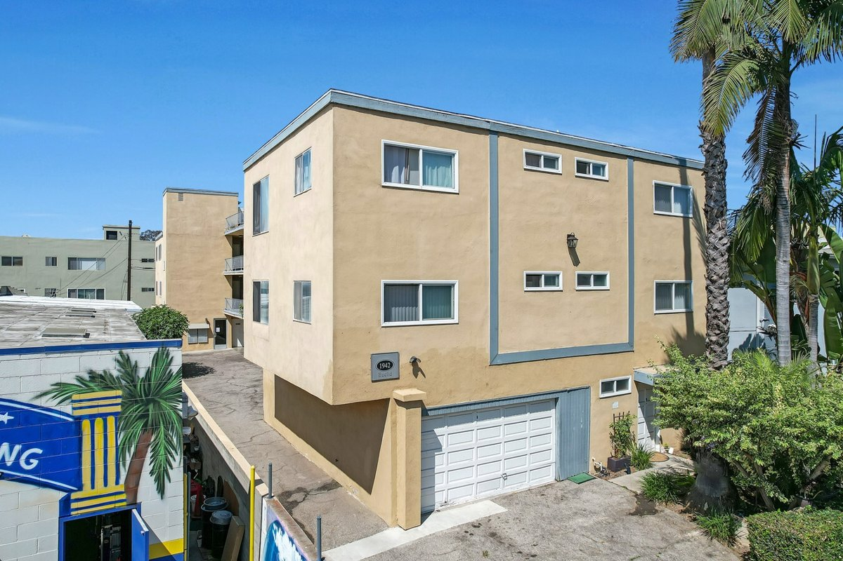
1942 Euclid St
Santa Monica, CA 90404 | Santa Monica
LoopNet listing | Data pulled 9/17/2026 from LoopNet public listing

PROPERTY
Units | 15
Gross building SF | 8,822
Lot SF | 7,405
Lot acres | 0.17
Year built | 1962
Stories | 3
Zoning | R2
Occupancy per listing
APN | 4283-028-002
Assessed value (current) | $3,143,135
Listing broker(s) | Kitty Wallace
Date on market | 8/29/2025
Listing last updated | 9/3/2026

PRICING
Asking price | $3,475,000
Price per unit | $231,667
Price per gross SF | $393.90
OM / listing cap rate (as published) | 5.16%
OM / listing GRM (as published) | 12.17x

UNIT MIX & SCHEDULED RENT
Unit type | # Units | Avg rent / mo | Monthly total | Annual | Rent source
Studio | 5 | $1,173 | $5,865 | $70,380 | Allocated from published GRM (price / GRM) using LAAA bed weights
1 Bd / 1 Ba | 6 | $1,676 | $10,056 | $120,672 | Allocated from published GRM (price / GRM) using LAAA bed weights
1 Bd / 2 Ba | 2 | $1,676 | $3,352 | $40,224 | Allocated from published GRM (price / GRM) using LAAA bed weights
2 Bd / 2 Ba | 2 | $2,262 | $4,524 | $54,288 | Allocated from published GRM (price / GRM) using LAAA bed weights
Total / weighted avg | 15 | $1,586 | $23,797 | $285,564

INCOME
 | OM as presented | LAAA underwritten |  |  | Basis / note
Scheduled gross rent | $285,538 | $285,564 |  |  | OM column: price / published GRM
Other income (laundry, parking, RUBS) | - | -
Gross scheduled income | $285,538 | $285,564
Vacancy & credit loss | ($8,566) | ($8,567) |  |  | OM 3.0% (OM figure if extracted, else 3% assumed); LAAA per Assumptions
Effective gross income | $276,972 | $276,997

OPERATING EXPENSES
Expense line | OM as presented | LAAA benchmark | LAAA underwritten | Delta vs OM | Basis / note
Property taxes (reassessed at price) |  | $39,963 | $39,963 |  | Santa Monica rate x asking price; always reassessed, never MAX
Insurance |  | $11,822 | $11,822 |  | LAAA benchmark (units x $200) + (SF x $1.00)
Management |  | $13,850 | $13,850 |  | % of LAAA EGI
Repairs & maintenance |  | $18,000 | $18,000 |  | per unit, by vintage
Utilities (water/sewer/trash/common electric & gas) |  | $27,000 | $27,000 |  | per unit, by city
Contract services (landscape, pest, cleaning) |  | $6,000 | $6,000 |  | per unit
Admin / legal / licenses / rent registration |  | $3,750 | $3,750 |  | per unit; OM "other" items land here
Replacement reserves |  | $4,500 | $4,500 |  | per unit
Total operating expenses | $97,662 | $124,884 | $124,884 | $27,222 | OM line items not published. OM total IMPLIED = OM EGI - (price x published cap)
Expenses per unit | $6,511 | $8,326 | $8,326
Expenses as % of EGI | 35.26% | 45.09% | 45.09%
OM expense test | OM EXPENSES LIGHT

NOI & RETURNS
 | OM as presented | LAAA underwritten |  |  | Basis / note
Net operating income | $179,310 | $152,113
Cap rate on asking price | 5.16% | 4.38% |  |  | OM column recomputed from OM figures; compare to published cap above
GRM (price / scheduled rent) | 12.17x | 12.17x
NOI per unit | $11,954 | $10,141

FINANCING (illustrative, on LAAA NOI)
LTV loan | $2,085,000
DCR-sized loan | $1,646,998
Loan amount (lesser of) | $1,646,998
Down payment | $1,828,002
Annual debt service | $121,690
DCR | 1.25x
Cash flow after debt service | $30,423
Cash-on-cash return | 1.66%

Legend: yellow = published input, orange = estimated (nothing published), grey = LAAA underwritten (MAX of OM line and benchmark; taxes always reassessed).

21 3575-3595 S Sepulveda Blvd
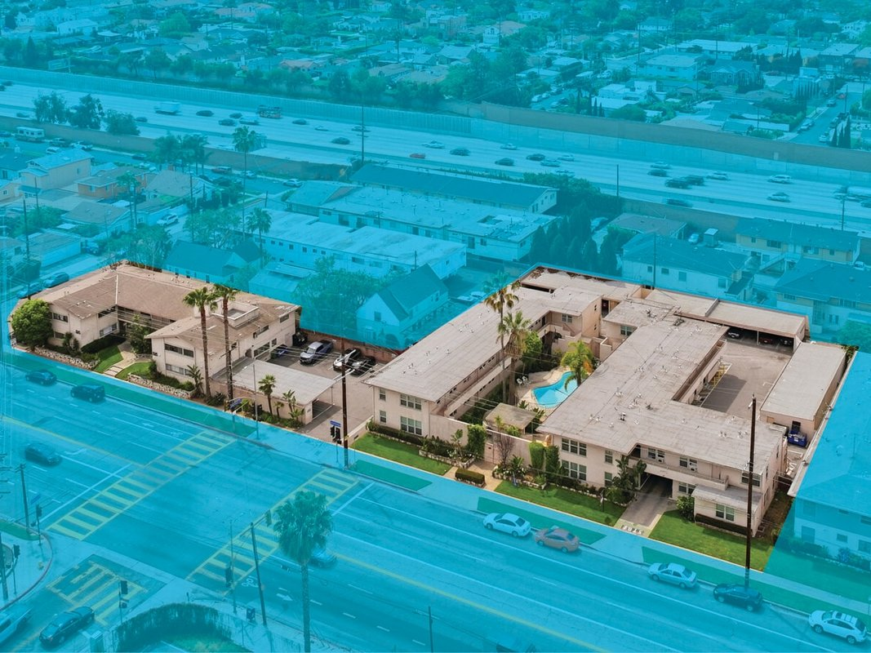
3575-3595 S Sepulveda Blvd
Los Angeles, CA 90034 | Palms
LoopNet listing | Data pulled 9/17/2026 from LoopNet public listing
NOTE: Two separate APNs, TOC Tier 2

PROPERTY
Units | 42
Gross building SF | 25,050
Lot SF | 29,185
Lot acres | 0.67
Year built | 1948
Stories | 2
Zoning | LAR3 - LAR3. TOC Tier 2.
Occupancy per listing | 96%
APN | 4252-003-006
Assessed value (current) | $2,126,761
Listing broker(s) | Dannie Cavanaugh
Date on market | 4/13/2026
Listing last updated | 8/25/2026

PRICING
Asking price | $8,995,000
Price per unit | $214,167
Price per gross SF | $359.08
OM / listing cap rate (as published) | 5.09%
OM / listing GRM (as published) | 10.50x

UNIT MIX & SCHEDULED RENT
Unit type | # Units | Avg rent / mo | Monthly total | Annual | Rent source
Studio (~500 SF) | 8 | $1,228 | $9,824 | $117,888 | Allocated from published GRM (price / GRM) using LAAA bed weights
1 Bd / 1 Ba | 32 | $1,754 | $56,128 | $673,536 | Allocated from published GRM (price / GRM) using LAAA bed weights
2 Bd / 1 Ba | 1 | $2,368 | $2,368 | $28,416 | Allocated from published GRM (price / GRM) using LAAA bed weights
3 Bd / 1 Ba | 1 | $3,070 | $3,070 | $36,840 | Allocated from published GRM (price / GRM) using LAAA bed weights
Total / weighted avg | 42 | $1,700 | $71,390 | $856,680

INCOME
 | OM as presented | LAAA underwritten |  |  | Basis / note
Scheduled gross rent | $856,667 | $856,680 |  |  | OM column: price / published GRM
Other income (laundry, parking, RUBS) | - | -
Gross scheduled income | $856,667 | $856,680
Vacancy & credit loss | ($25,700) | ($25,700) |  |  | OM 3.0% (OM figure if extracted, else 3% assumed); LAAA per Assumptions
Effective gross income | $830,967 | $830,980

OPERATING EXPENSES
Expense line | OM as presented | LAAA benchmark | LAAA underwritten | Delta vs OM | Basis / note
Property taxes (reassessed at price) |  | $112,438 | $112,438 |  | Los Angeles rate x asking price; always reassessed, never MAX
Insurance |  | $33,450 | $33,450 |  | LAAA benchmark (units x $200) + (SF x $1.00)
Management |  | $41,549 | $41,549 |  | % of LAAA EGI
Repairs & maintenance |  | $50,400 | $50,400 |  | per unit, by vintage
Utilities (water/sewer/trash/common electric & gas) |  | $63,000 | $63,000 |  | per unit, by city
Contract services (landscape, pest, cleaning) |  | $16,800 | $16,800 |  | per unit
Admin / legal / licenses / rent registration |  | $10,500 | $10,500 |  | per unit; OM "other" items land here
Replacement reserves |  | $12,600 | $12,600 |  | per unit
Total operating expenses | $373,121 | $340,736 | $340,736 | ($32,385) | OM line items not published. OM total IMPLIED = OM EGI - (price x published cap)
Expenses per unit | $8,884 | $8,113 | $8,113
Expenses as % of EGI | 44.90% | 41.00% | 41.00%
OM expense test | OM expenses reasonable

NOI & RETURNS
 | OM as presented | LAAA underwritten |  |  | Basis / note
Net operating income | $457,846 | $490,243
Cap rate on asking price | 5.09% | 5.45% |  |  | OM column recomputed from OM figures; compare to published cap above
GRM (price / scheduled rent) | 10.50x | 10.50x
NOI per unit | $10,901 | $11,672

FINANCING (illustrative, on LAAA NOI)
LTV loan | $5,397,000
DCR-sized loan | $5,308,098
Loan amount (lesser of) | $5,308,098
Down payment | $3,686,902
Annual debt service | $392,194
DCR | 1.25x
Cash flow after debt service | $98,049
Cash-on-cash return | 2.66%

Legend: yellow = published input, orange = estimated (nothing published), grey = LAAA underwritten (MAX of OM line and benchmark; taxes always reassessed).

22 222-228 Idaho Ave
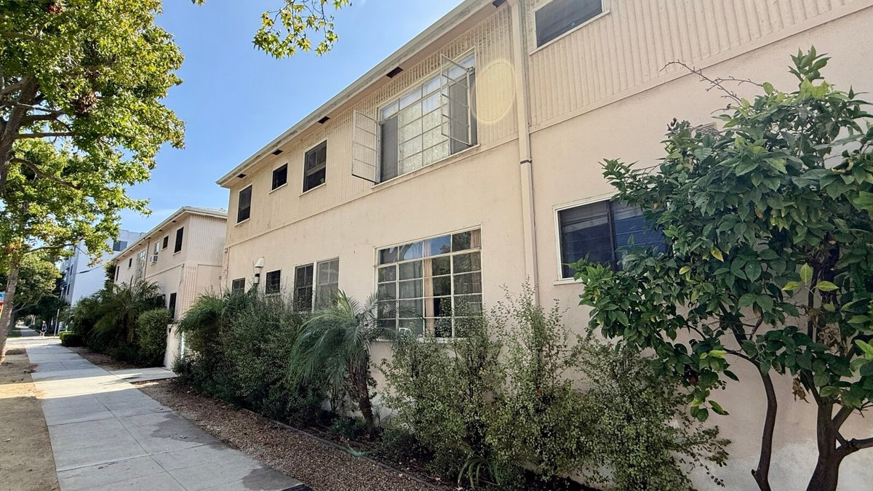
222-228 Idaho Ave
Santa Monica, CA 90403 | Santa Monica
LoopNet listing | Data pulled 9/17/2026 from LoopNet public listing
NOTE: Two parcels 222 & 228 Idaho

PROPERTY
Units | 20
Gross building SF | 15,006
Lot SF | 14,810
Lot acres | 0.34
Year built | 1954
Stories | 2
Zoning | SMR4YY
Occupancy per listing
APN | 4292-023-001
Assessed value (current) | $9,991,928
Listing broker(s) | Warren Berzack
Date on market | 8/26/2026
Listing last updated | 9/14/2026

PRICING
Asking price | $7,795,000
Price per unit | $389,750
Price per gross SF | $519.46
OM / listing cap rate (as published) | 5.07%
OM / listing GRM (as published) | 12.34x

UNIT MIX & SCHEDULED RENT
Unit type | # Units | Avg rent / mo | Monthly total | Annual | Rent source
Studio | 2 | $1,833 | $3,666 | $43,992 | Allocated from published GRM (price / GRM) using LAAA bed weights
1 Bd / 1 Ba | 16 | $2,619 | $41,904 | $502,848 | Allocated from published GRM (price / GRM) using LAAA bed weights
2 Bd / 2 Ba | 2 | $3,536 | $7,072 | $84,864 | Allocated from published GRM (price / GRM) using LAAA bed weights
Total / weighted avg | 20 | $2,632 | $52,642 | $631,704

INCOME
 | OM as presented | LAAA underwritten |  |  | Basis / note
Scheduled gross rent | $631,686 | $631,704 |  |  | OM column: price / published GRM
Other income (laundry, parking, RUBS) | - | -
Gross scheduled income | $631,686 | $631,704
Vacancy & credit loss | ($18,951) | ($18,951) |  |  | OM 3.0% (OM figure if extracted, else 3% assumed); LAAA per Assumptions
Effective gross income | $612,735 | $612,753

OPERATING EXPENSES
Expense line | OM as presented | LAAA benchmark | LAAA underwritten | Delta vs OM | Basis / note
Property taxes (reassessed at price) |  | $89,643 | $89,643 |  | Santa Monica rate x asking price; always reassessed, never MAX
Insurance |  | $19,006 | $19,006 |  | LAAA benchmark (units x $200) + (SF x $1.00)
Management |  | $30,638 | $30,638 |  | % of LAAA EGI
Repairs & maintenance |  | $24,000 | $24,000 |  | per unit, by vintage
Utilities (water/sewer/trash/common electric & gas) |  | $36,000 | $36,000 |  | per unit, by city
Contract services (landscape, pest, cleaning) |  | $8,000 | $8,000 |  | per unit
Admin / legal / licenses / rent registration |  | $5,000 | $5,000 |  | per unit; OM "other" items land here
Replacement reserves |  | $6,000 | $6,000 |  | per unit
Total operating expenses | $217,529 | $218,286 | $218,286 | $758 | OM line items not published. OM total IMPLIED = OM EGI - (price x published cap)
Expenses per unit | $10,876 | $10,914 | $10,914
Expenses as % of EGI | 35.50% | 35.62% | 35.62%
OM expense test | OM expenses reasonable

NOI & RETURNS
 | OM as presented | LAAA underwritten |  |  | Basis / note
Net operating income | $395,207 | $394,467
Cap rate on asking price | 5.07% | 5.06% |  |  | OM column recomputed from OM figures; compare to published cap above
GRM (price / scheduled rent) | 12.34x | 12.34x
NOI per unit | $19,760 | $19,723

FINANCING (illustrative, on LAAA NOI)
LTV loan | $4,677,000
DCR-sized loan | $4,271,081
Loan amount (lesser of) | $4,271,081
...

23 8468 Fountain Ave
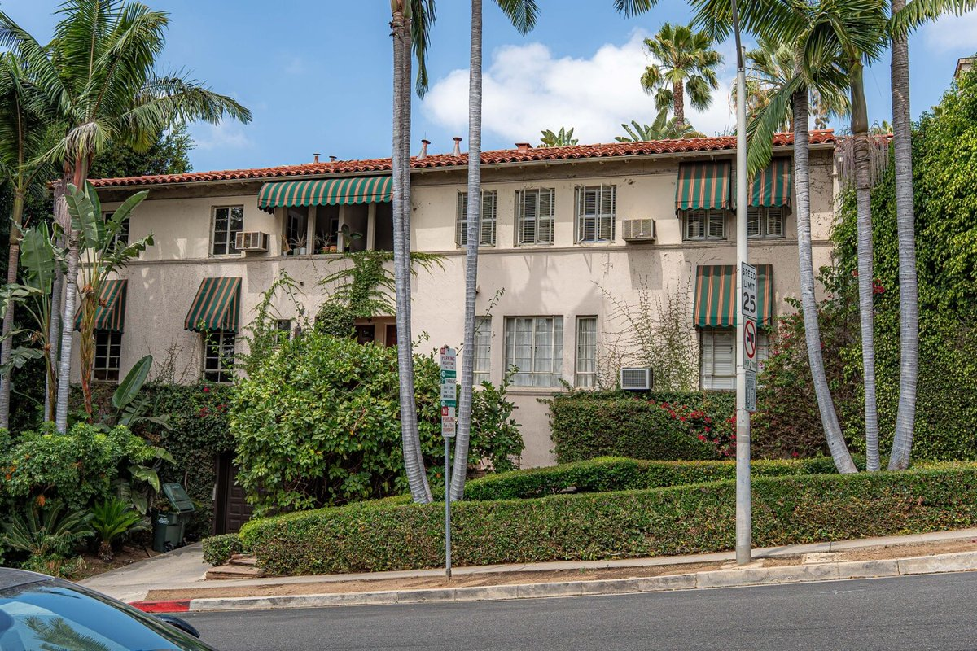
...
Data pulled 9/17/2026 from LoopNet public listing
...
13
13,131
11,761
0.27
1939
2
R4, West Hollywood - Restricted Density Multiple Dwelling
97%
5555-004-013
$2,254,000
Michael Kamara
7/16/2026
9/14/2026
...
$5,995,000
$461,154
$456.55
4.88%
...

24 1217 9th St
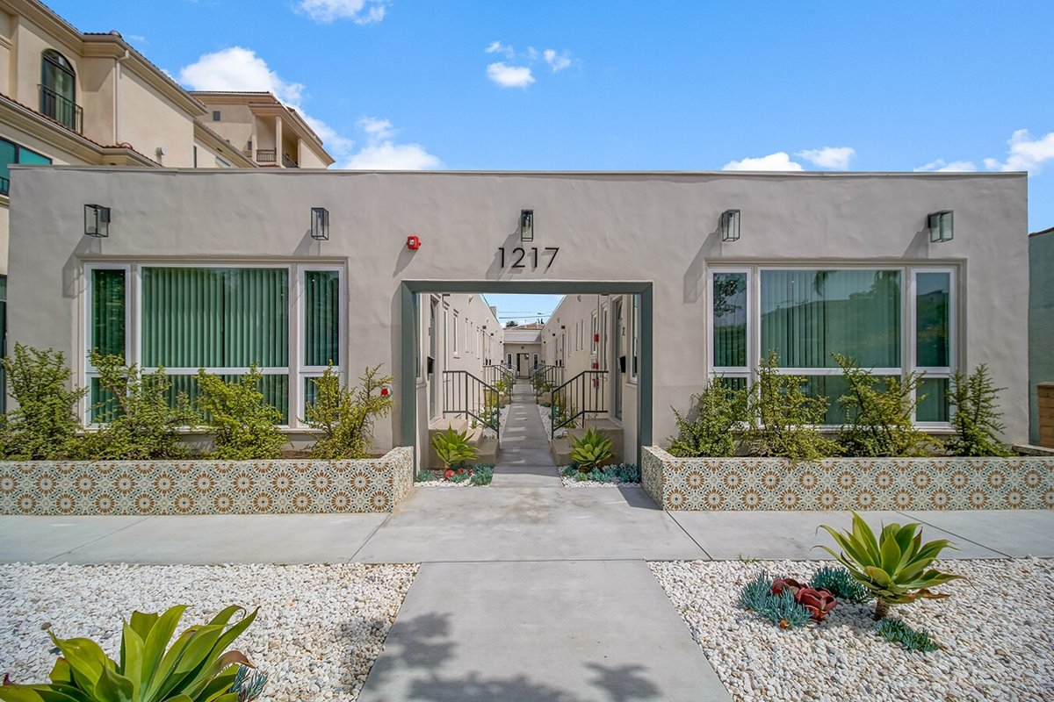
...
Data pulled 9/17/2026 from LoopNet public listing + LAAA OM extraction (July 2026 intake)
...
13
4,770
7,405
0.17
...
1
SMR3* - Multiple Dwelling
77%
4282-008-019
$3,030,809
Kelly Morgan
5/22/2026
9/3/2026
...
$5,100,000
$392,308
$1,069.18
4.87% | from LAAA OM extraction
...

25 1256 S Westgate Ave
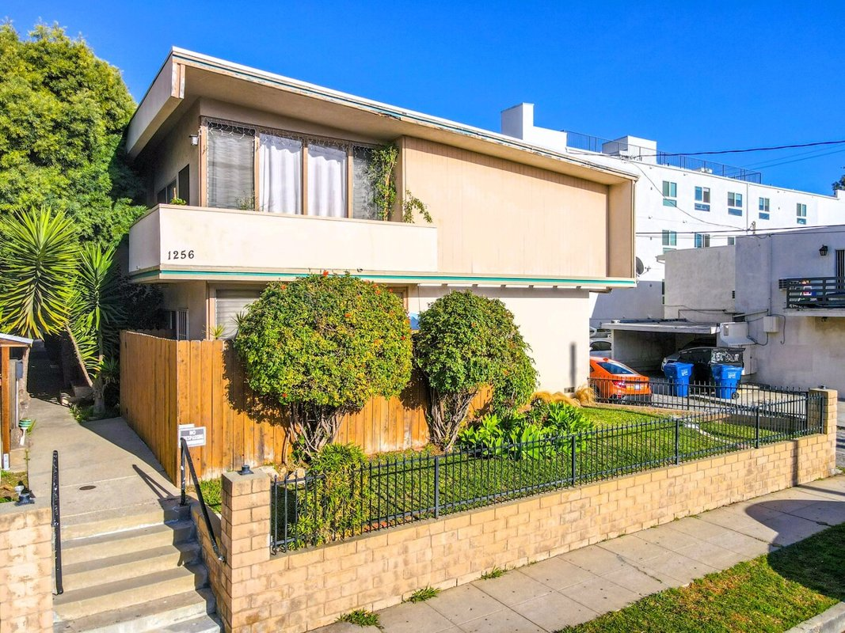
...
Data pulled 9/17/2026 from LoopNet public listing
...
10
7,391
7,405
0.17
1960
2
LAR3 - Restricted Density Multiple Dwelling
80%
4263-007-025
$882,650
Peter James, Will James
5/28/2026
8/12/2026
...
$2,695,000
$269,500
$364.63
4.85%
12.89x
...

26 3410 Club Dr
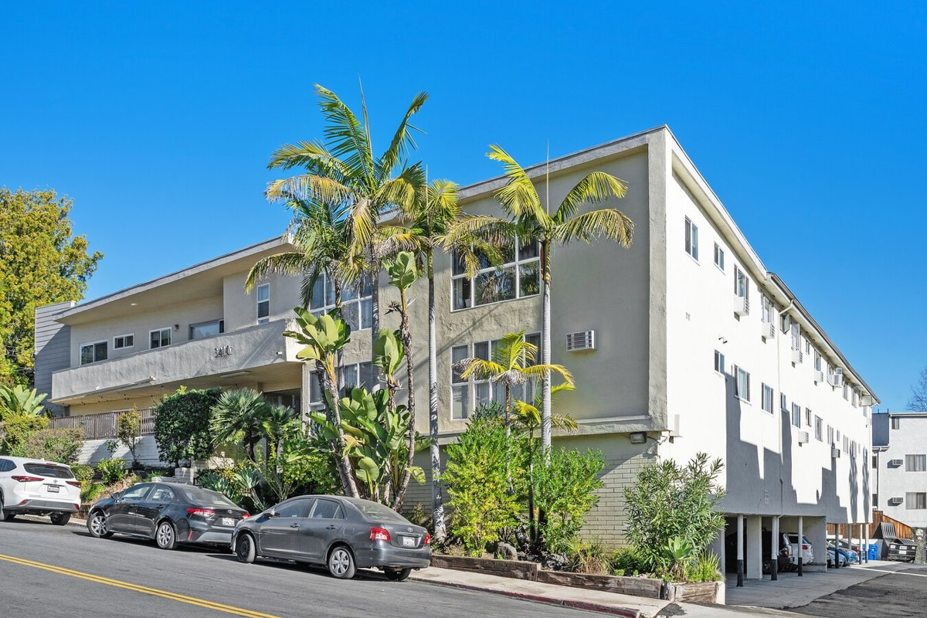
...
Data pulled 9/17/2026 from LoopNet public listing
...
17
13,506
14,375
0.33
1957
2
LAR3 - R2 Uses, Apartment Houses, Multiple Dwellings, Child Care (20 max)
100%
4316-031-014
$2,622,357
Linda Light, Taylor Light
9/10/2026
9/10/2026
...
$6,695,000
$393,824
$495.71
4.80%
...

27 1050 12th St
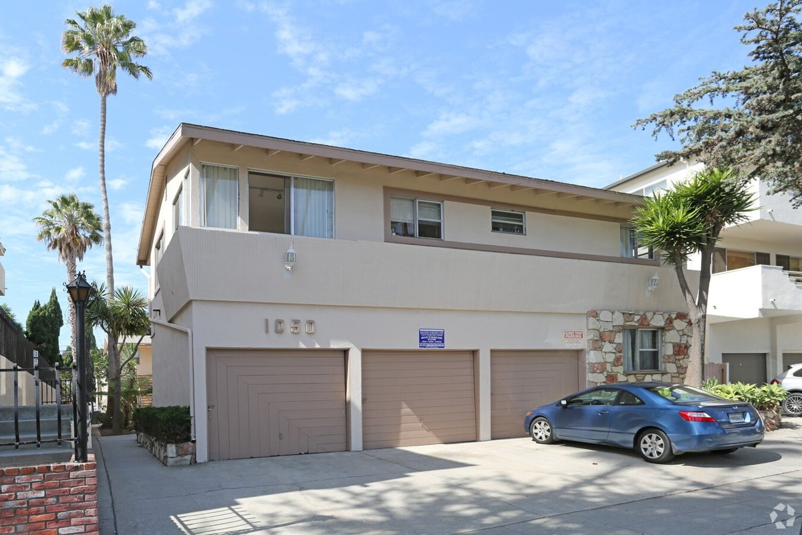
...
Data pulled 9/17/2026 from LoopNet public listing
...
10
7,068
7,841
0.18
1957
2
R3, Santa Monica - Multiple Residential
100%
4281-021-010
$2,854,036
Raymond Dominguez
6/19/2025
7/29/2026
...
$3,800,000
$380,000
$537.63
4.39%
...

28 1307 15th St
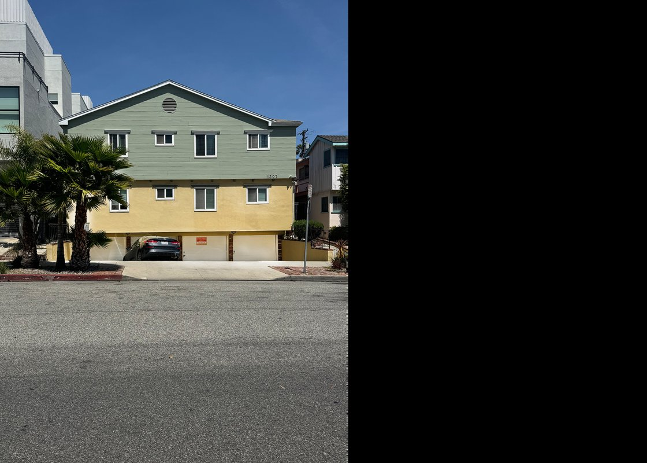
...
Data pulled 9/17/2026 from LoopNet public listing
...
11
8,398
7,405
0.17
1958
2
CP, Santa Monica - CP (Commercial Pedestrian) zoning supports pedestrian-oriented retail, restaurant, office, and service uses within a walkable commercial district.
91%
4282-017-034
$2,574,851
William Dawson
6/3/2025
9/11/2026
...
$3,850,000
$350,000
$458.44
4.34%
14.29x
...

29 3750 Midvale Ave
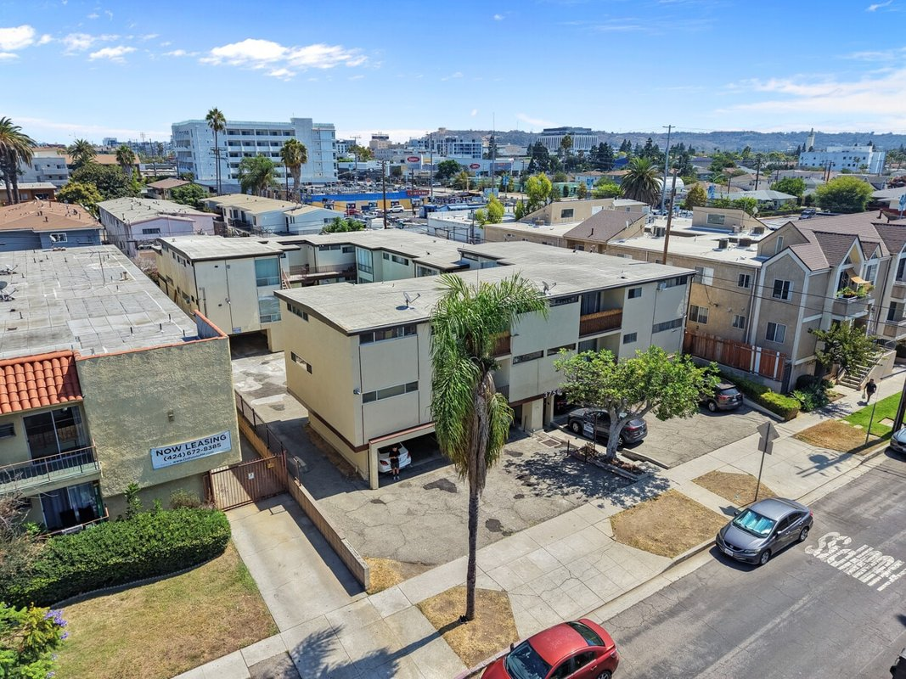
...
Data pulled 9/17/2026 from LoopNet public listing
...
16
13,210
16,117
0.37
1961
2
LAR3
...
4252-026-012
$606,403
Woody Stahl, Brett Lyon
9/10/2026
9/10/2026
...
$4,200,000
$262,500
$317.94
4.26%
12.81x
...

30 823 5th St
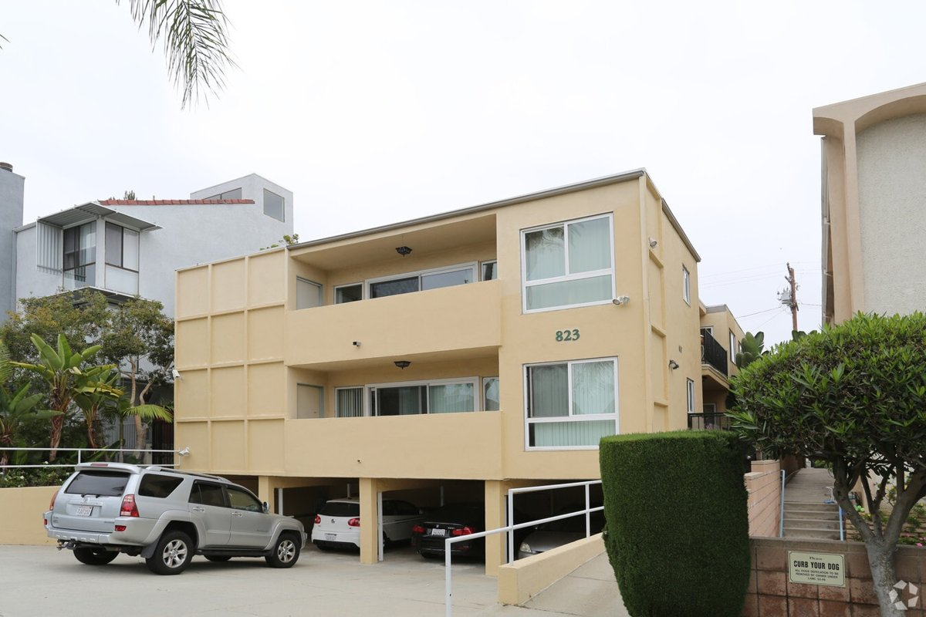
...
Data pulled 9/17/2026 from LoopNet public listing + LAAA OM extraction (July 2026 intake)
...
10
10,523
7,405
0.17
1958
2
R3, Santa Monica
100%
4292-009-022
$3,582,053
William Dawson
1/7/2026
9/11/2026
...
$4,800,000
$480,000
$456.14
4.00%
...

31 1269 Havenhurst Dr
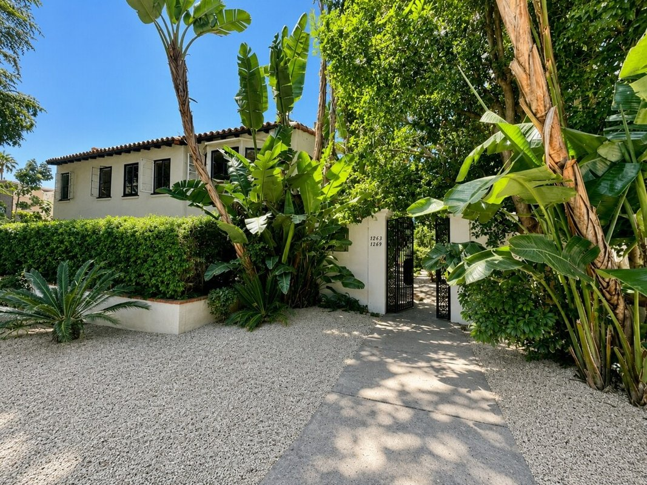
...
Data pulled 9/17/2026 from LoopNet public listing
...
10
10,171
15,246
0.35
1939
2
WDR4 - R4 zoning district provides for the development of a wide range of high-density multi-family housing, including apartments and condominiums.
100%
5554-016-033
$597,131
Mason Canter
7/15/2026
7/15/2026
...
$4,995,000
$499,500
$491.10
3.80%
16.27x
...

32 1235-1241 S Beverly Glen Blv
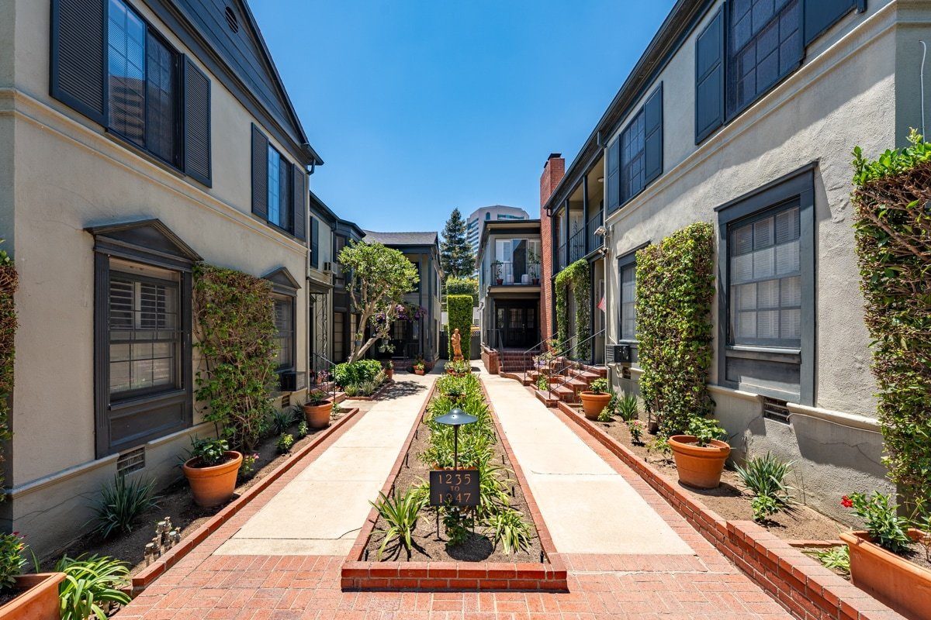
...
Data pulled 9/17/2026 from LoopNet public listing
...
14
11,295
15,246
0.35
1941
2
LAR3 - Multiple residences
50%
Multiple
$7,120,705
Greg Blake, Jeffrey Golden
7/22/2026
8/28/2026
...
$8,200,000
$585,714
$725.98
3.12%
...

33 120 Westminster Ave
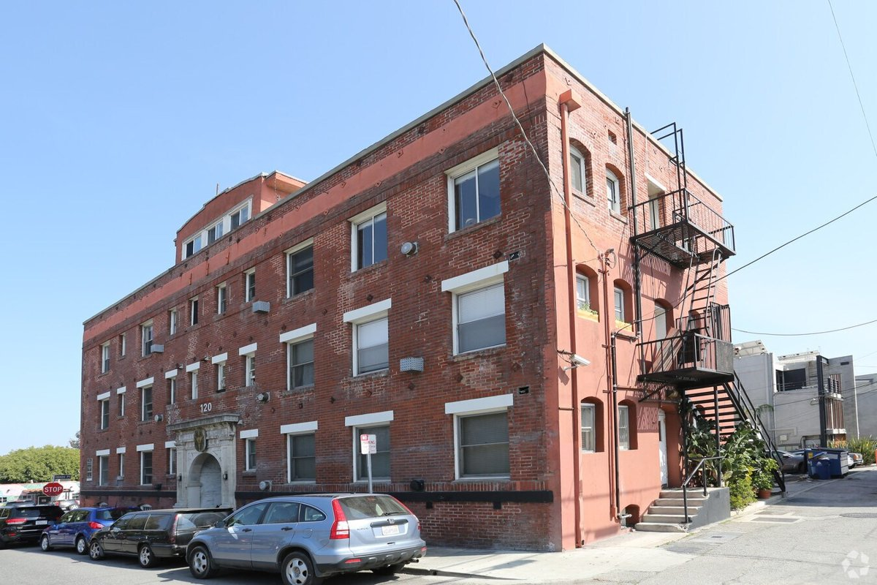
...
Data pulled 9/17/2026 from LoopNet public listing
...
21
7,674
5,227
0.12
1920
3
C2-1, Los Angeles
95%
Multiple
$2,243,966
Kitty Wallace
9/24/2025
9/3/2026
...
$4,300,000
$204,762
$560.33
...

34 30 Dudley Ave
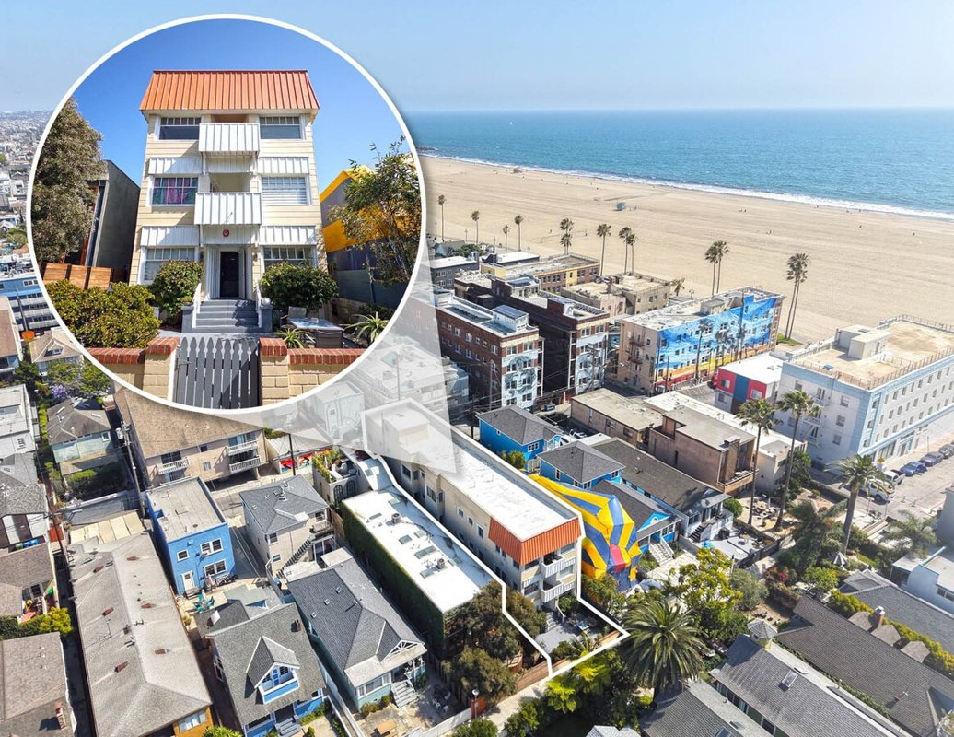
...
Data pulled 9/17/2026 from LoopNet public listing
...
18
8,490
3,920
0.09
1908
3
LARD1.5 - Residential
100%
4286-021-009
$1,214,967
Steve Bogoyevac, David O'Keefe
9/8/2026
9/8/2026
...
 | UNPRICED (price upon request)
-
$0.00
...

35 1814 Federal Ave
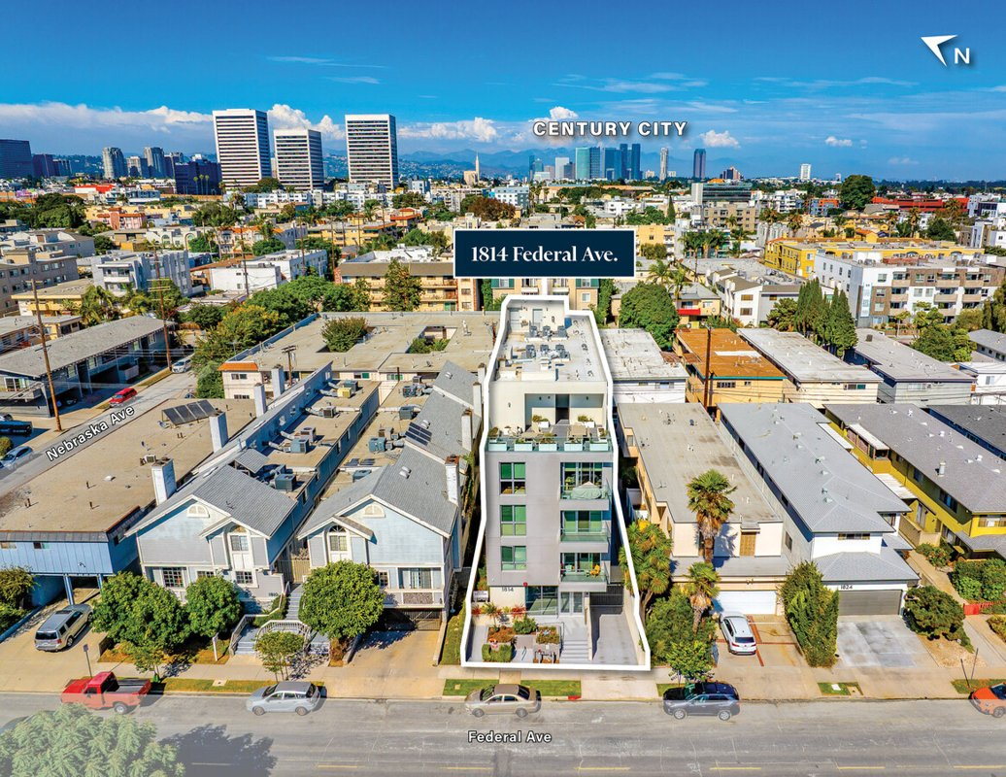
...
Data pulled 9/17/2026 from LoopNet public listing
...
12
8,000
5,663
0.13
2024
5
LAR3 - Restricted Density Multiple Dwelling Zone
...
4261-025-027
$4,629,520
Kamran Paydar, Kadie Presley Wilson
10/7/2025
9/15/2026
...
 | UNPRICED (price upon request)
-
$0.00
...

36 Beverly Hills double lot
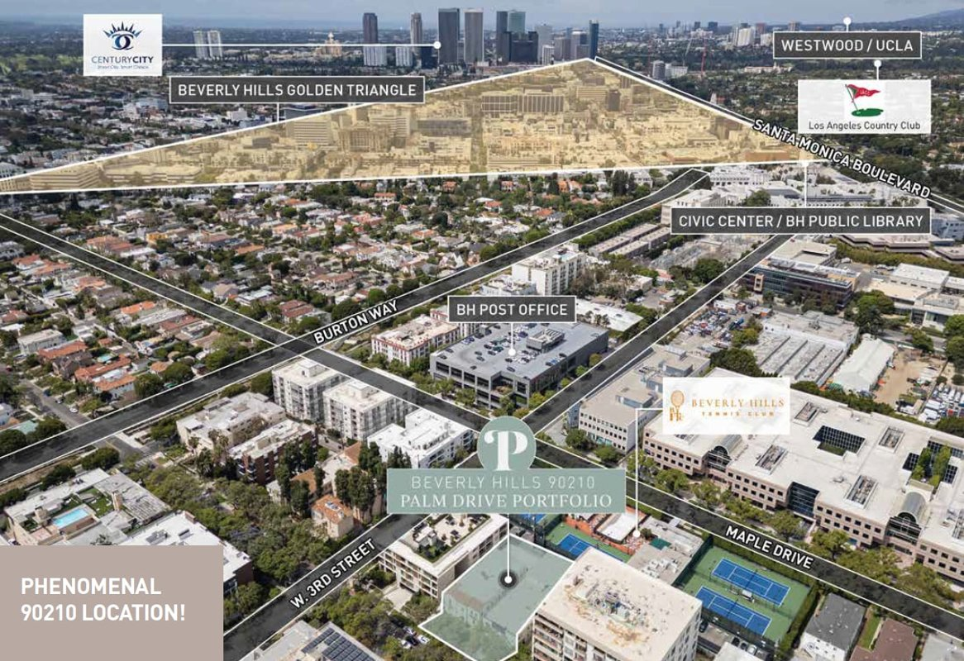
...
Data pulled 9/17/2026 from LoopNet public listing
...
18
18,404
15,751
0.36
...
Adrienne Barr, Nancy Badzey
6/30/2026
9/14/2026
...
$10,000,000
$555,556
$543.36
...

37 337 N Palm Dr
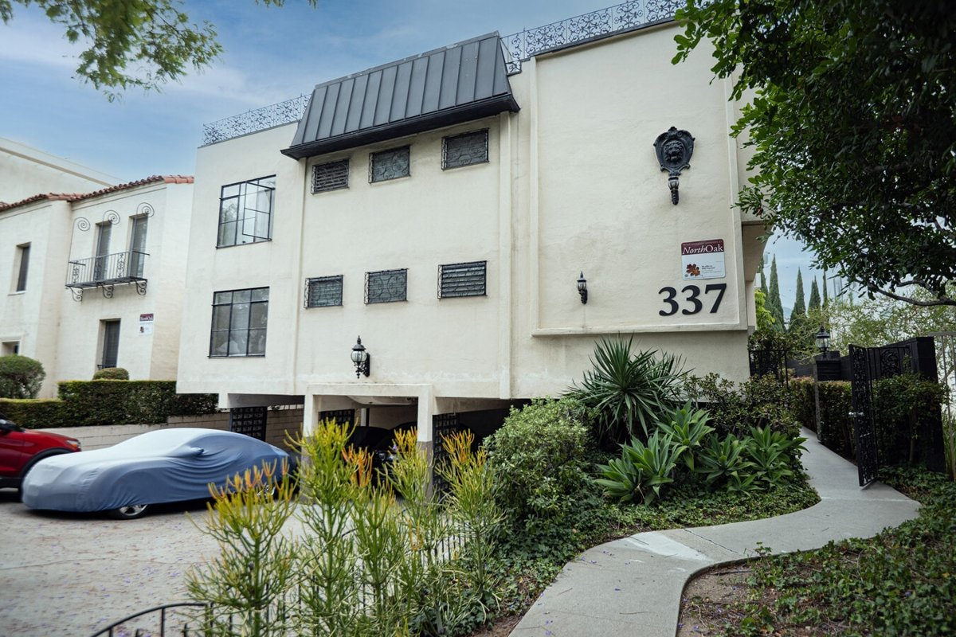
...
Data pulled 9/17/2026 from LoopNet public listing
...
10
8,800
7,841
0.18
1959
2
BHR4YY - Multiple Residential
...
4342-005-012
$6,403,666
Adrienne Barr, Nancy Badzey
6/29/2026
9/14/2026
...
$5,800,000
$580,000
$659.09
...

38 7550 Fountain Ave
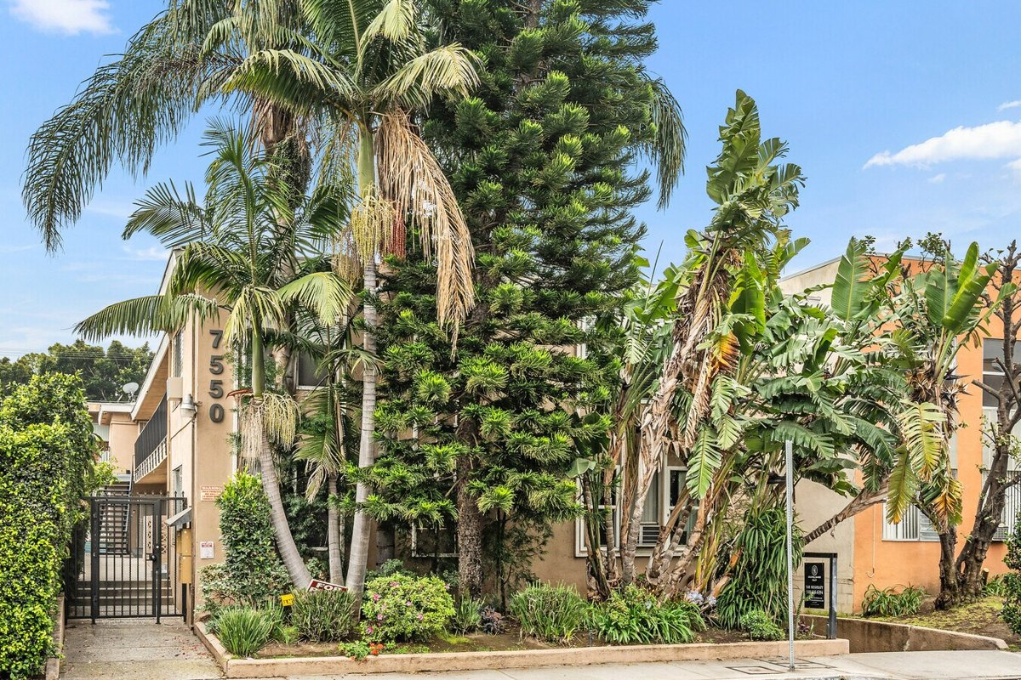
...
Data pulled 9/17/2026 from LoopNet public listing
...
10
9,444
6,970
0.16
1958
2
WDR2* - Two-Family Dwellings
100%
5530-005-002
$3,580,514
Yar Meshkaty
2/18/2026
9/11/2026
...
$3,795,000
$379,500
$401.84
...

39 943 Hancock Ave
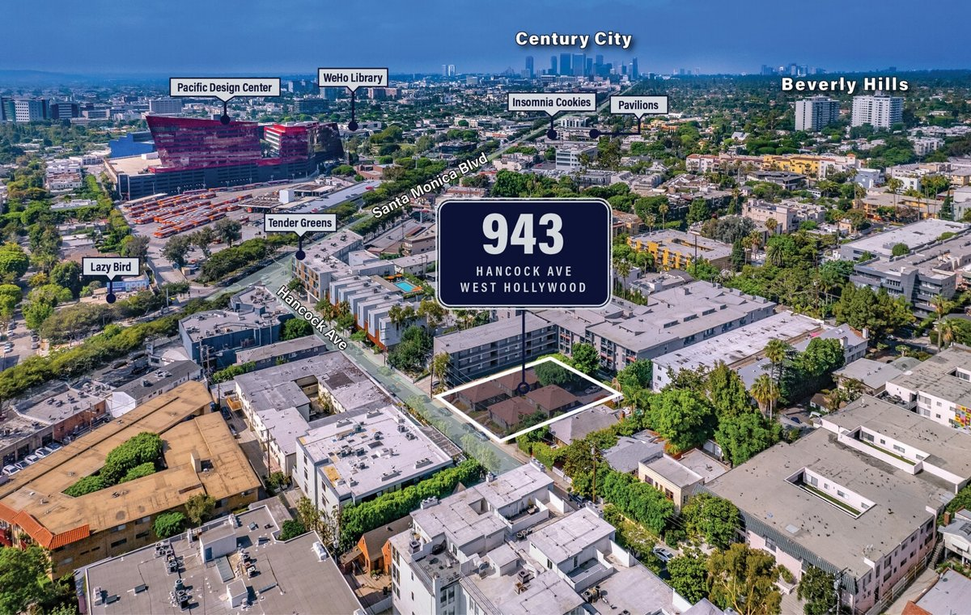
...
Data pulled 9/17/2026 from LoopNet public listing
...
10
4,555
11,326
0.26
1939
1
WDR4* - Multifamily
60%
4339-010-002
$4,875,600
Kamran Paydar, Kadie Presley Wilson
4/25/2025
9/15/2026
...
 | UNPRICED (price upon request)
-
$0.00
...

