05 2619 S Sepulveda Blvd
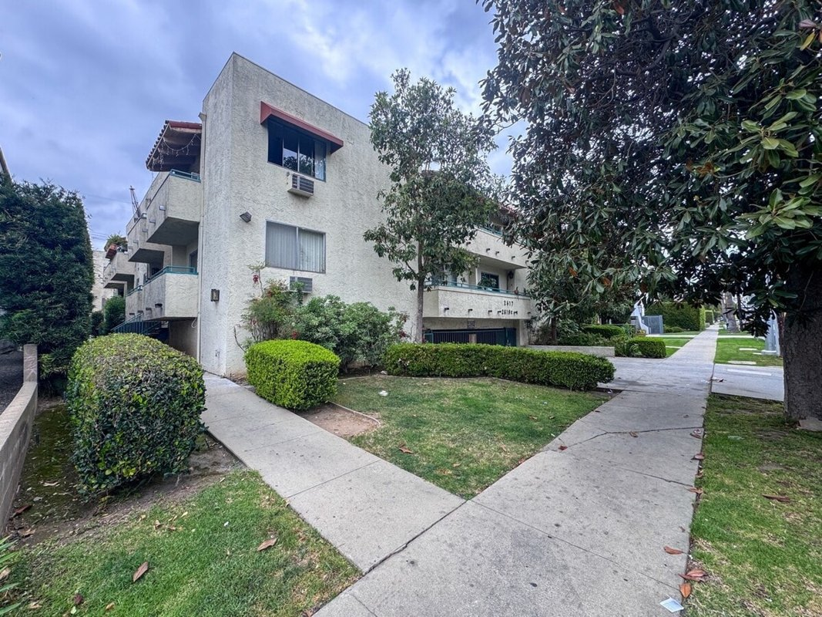
2619 S Sepulveda Blvd
Los Angeles, CA 90064 | West LA / Rancho Park
LoopNet listing | Data pulled 9/17/2026 from LoopNet public listing + rent roll and expenses read from the listing broker's OM (RE/MAX Commercial & Investment Realty (Taksa Investment Group), Jonathan Taksa, rent roll 7/1/2026)
NOTE: $325K reduction | OM: Price: OM states $5,900,000 (cap 5.64%, GRM 11.19); LoopNet listing at $5,575,000 implies a price reduction after the OM date. At $5,575,000 the OM NOI gives 5.97% cap / 10.57 GRM.; Vacant unit: 2619 S Sepulveda #1 (1+1) is vacant and carried at the $1,995 asking/market rent inside the current GSR;

PROPERTY
Units | 29
Gross building SF | 19,116
Lot SF | 20,038
Lot acres | 0.46
Year built | 1974
Stories | 3
Zoning | LAR3
Occupancy per listing | 97%
APN | 4256-013-043
Assessed value (current) | $1,010,303
Listing broker(s) | Jonathan Taksa
Date on market | 5/27/2026
Listing last updated | 9/11/2026

PRICING
Asking price | $5,575,000
Price per unit | $192,241
Price per gross SF | $291.64
OM / listing cap rate (as published) | 5.92%
OM / listing GRM (as published) | 10.51x

UNIT MIX & SCHEDULED RENT
Unit type | # Units | Avg rent / mo | Monthly total | Annual | Rent source
2 Bd / 2 Ba (~975 SF) [range $1,520-$2,600; one is the manager's unit at $1,800] | 3 | $1,973 | $5,919 | $71,028 | OM rent roll, current in-place rents (OM rent roll 7/1/2026)
1 Bd / 1 Ba (~800 SF) [range $991-$1,995; includes 1 vacant unit (2619 #1) carried ] | 13 | $1,596 | $20,748 | $248,976 | OM rent roll, current in-place rents (OM rent roll 7/1/2026)
Studio (~400 SF) [studios with full kitchens; range $842-$1,650] | 12 | $1,347 | $16,164 | $193,968 | OM rent roll, current in-place rents (OM rent roll 7/1/2026)
Bachelor (~300 SF) [single unit] | 1 | $1,100 | $1,100 | $13,200 | OM rent roll, current in-place rents (OM rent roll 7/1/2026)
Total / weighted avg | 29 | $1,515 | $43,931 | $527,172

INCOME
 | OM as presented | LAAA underwritten |  |  | Basis / note
Scheduled gross rent | $527,209 | $527,172 |  |  | OM column: OM stated current scheduled rent (OM rent roll 7/1/2026); LAAA column: OM rent roll by unit type
Other income (laundry, parking, RUBS) | $3,000 | $3,000
Gross scheduled income | $530,209 | $530,172
Vacancy & credit loss | ($15,816) | ($15,815) |  |  | OM 3.0%; LAAA per Assumptions
Effective gross income | $514,393 | $514,357

OPERATING EXPENSES
Expense line | OM as presented | LAAA benchmark | LAAA underwritten | Delta vs OM | Basis / note
Property taxes (reassessed at price) | $70,055 | $69,688 | $69,688 | ($368) | Los Angeles rate x asking price; always reassessed, never MAX
Insurance | $17,133 | $24,916 | $24,916 | $7,783 | LAAA benchmark (units x $200) + (SF x $1.00)
Management | $11,400 | $25,718 | $25,718 | $14,318 | % of LAAA EGI
Repairs & maintenance | $29,000 | $34,800 | $34,800 | $5,800 | per unit, by vintage
Utilities (water/sewer/trash/common electric & gas) | $29,000 | $43,500 | $43,500 | $14,500 | per unit, by city; OM utilities + water/sewer + gas/electric + trash combined
Contract services (landscape, pest, cleaning) |  | $11,600 | $11,600 |  | per unit
Admin / legal / licenses / rent registration / other OM items | $25,000 | $7,250 | $25,000 | - | OM other items: Contract Services 25,000
Replacement reserves |  | $8,700 | $8,700 |  | per unit
Total operating expenses | $181,588 | $226,171 | $243,921 | $62,333 | OM line items from OM (OM rent roll 7/1/2026); basis: OM 'Current' column of Operating Data (p.14); broker estimates 'based partly on industry standards', not owner actuals. Taxes = 1.18738% of $5.9M price. Management = Off-Site $1,800 + On-Site $9,600. Pro Forma column is identical ($181,588). Utilities is a single combined line.; OM total 181,588
Expenses per unit | $6,262 | $7,799 | $8,411
Expenses as % of EGI | 35.30% | 43.97% | 47.42%
OM expense test | OM EXPENSES LIGHT

NOI & RETURNS
 | OM as presented | LAAA underwritten |  |  | Basis / note
Net operating income | $332,805 | $270,435 |  |  | OM states NOI 332,805 / cap 5.64
Cap rate on asking price | 5.97% | 4.85% |  |  | OM column recomputed from OM figures; compare to published cap above
GRM (price / scheduled rent) | 10.57x | 10.58x
NOI per unit | $11,476 | $9,325

FINANCING (illustrative, on LAAA NOI)
LTV loan | $3,345,000
DCR-sized loan | $2,928,135
Loan amount (lesser of) | $2,928,135
Down payment | $2,646,865
Annual debt service | $216,348
DCR | 1.25x
Cash flow after debt service | $54,087
Cash-on-cash return | 2.04%

Legend: yellow = published input, orange = estimated (nothing published), grey = LAAA underwritten (MAX of OM line and benchmark; taxes always reassessed).

