graphics
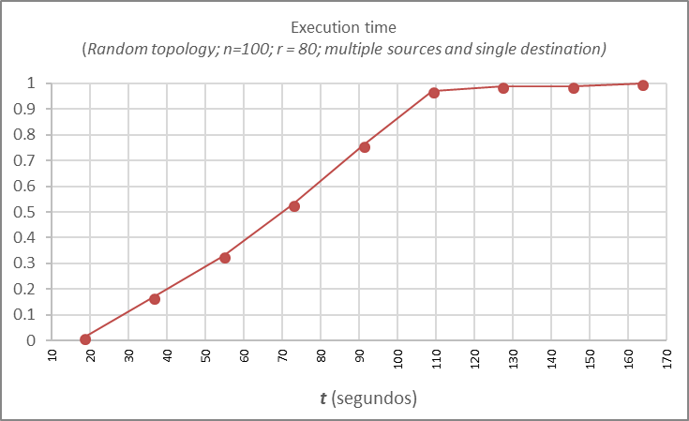
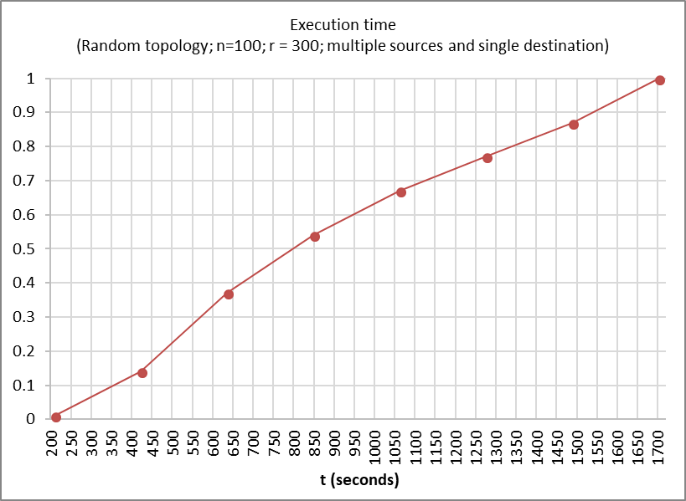
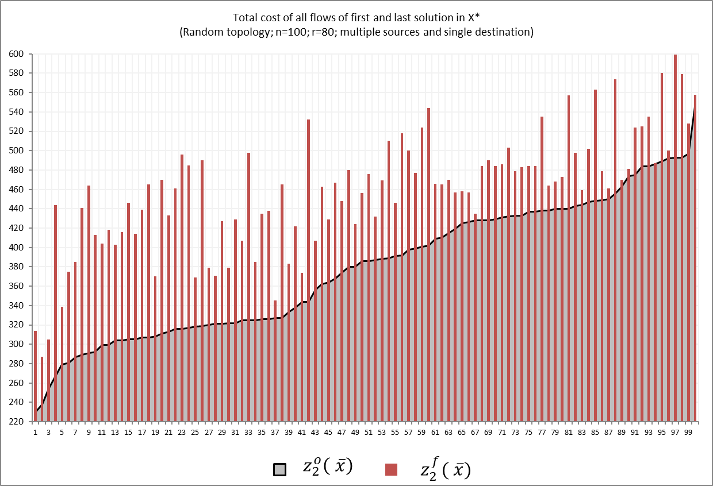
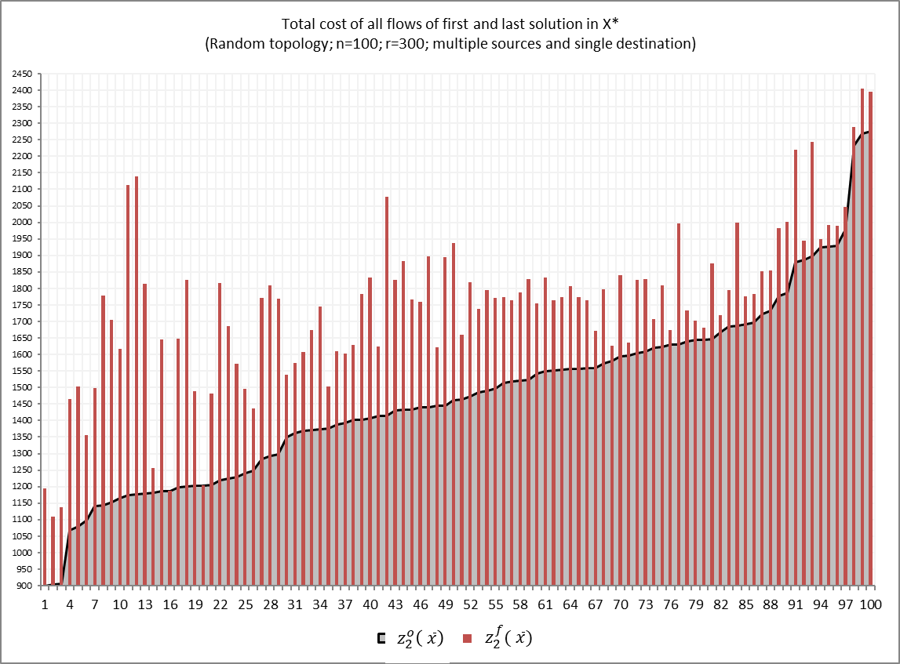
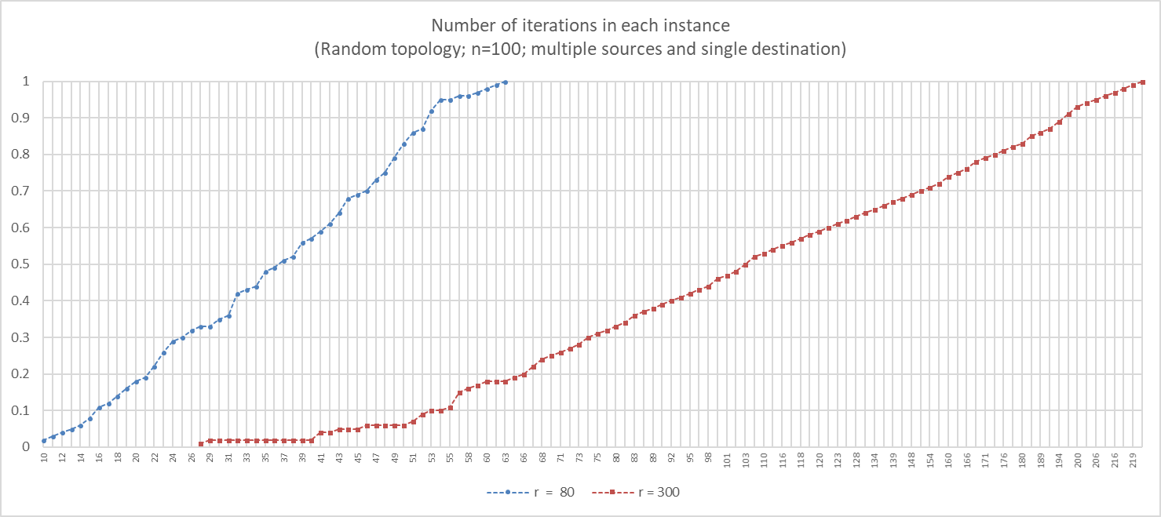
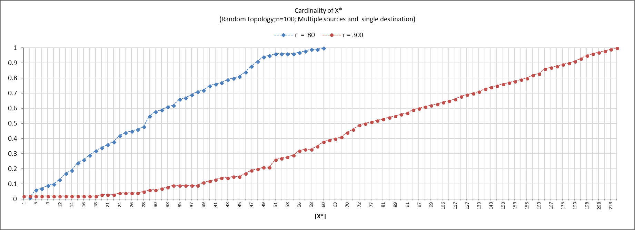
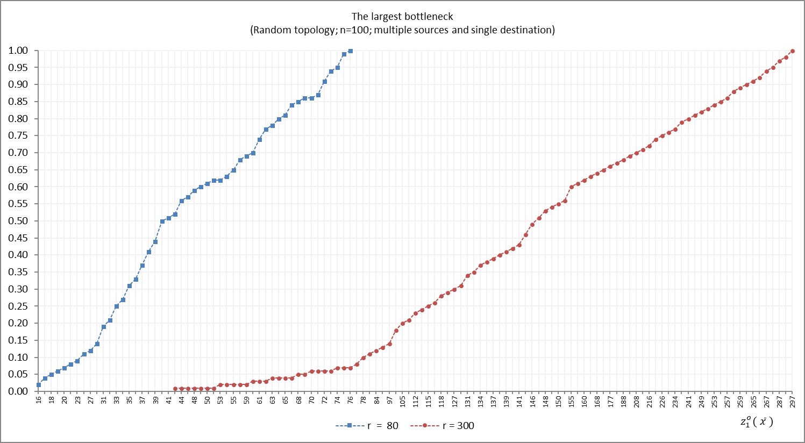
The smallest bottleneck (Random topology; n=100; multiple sources and single destination)
 | r = 80 | r = 300
3 | 0.03
5 | 0.05
6 | 0.06
8 | 0.08
9 | 0.09
10 | 0.12 | 0.02
12 | 0.18 | 0.04
14 | 0.28 | 0.04
16 | 0.58 | 0.04
18 | 0.58 | 0.05
20 | 0.65 | 0.05
24 | 0.65 | 0.06
25 | 0.65 | 0.08
27 | 1 | 0.08
30 |  | 0.1
34 |  | 0.11
38 |  | 0.12
43 |  | 0.15
50 |  | 0.33
60 |  | 0.49
75 |  | 0.67
100 |  | 1

