Sheet1
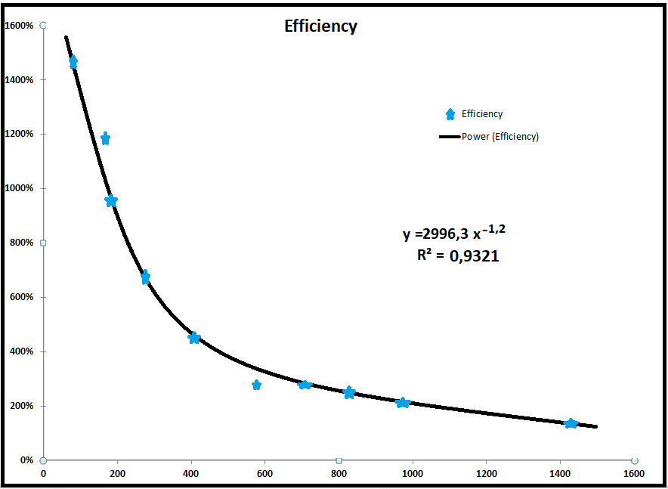
ANALYTICS SOURCE
Half-life |  | Y
 |  | s
Decay Constant | …….. | 1/s
Activity | …… | Bq
Date time | ../../20.. 12:00:00
 |  |  |  | Fill in values highlighted in yellow.
Current Activity | …….. | Bq
 | ../../20.. 11:20:28
Count time (real) | …. | s
Count time (live) | ….. | s
Position: | …..

Energy (keV) | Intensity | Decay | Half-life | Counts | Gammas Emitted | Efficiency

