Pivot_monthly_output
 | Total
1 | -11.32
2 | -9.3733333333
3 | -2.31
4 | 4.67
5 | 11.486666667
6 | 17.146666667
7 | 19.31
8 | 18.573333333
9 | 13.416666667
10 | 6.8866666667
11 | -1.95
12 | -10.71
(blank)
Row Labels | Average of airtemp
1 | -11.32
2 | -9.3733333333
3 | -2.31
4 | 4.67
5 | 11.486666667
6 | 17.146666667
7 | 19.31
8 | 18.573333333
9 | 13.416666667
10 | 6.8866666667
11 | -1.95
12 | -10.71
(blank)
Grand Total | 4.6522222222

Pivot_Inputmonthly
 | Total
1 | 68
2 | 93.3
3 | 62.9
4 | 72.3
5 | 70.6
6 | 89.1
7 | 89.1
8 | 93.3
9 | 93.3
10 | 74
11 | 68.6
12 | 70.6
13 | 68.6
14 | 70.6
15 | 72.3
16 | 62.9
17 | 89.1
18 | 70.6
19 | 62.9
20 | 69.3
21 | 80.1
22 | 72.3
23 | 80.1
24 | 89.1
25 | 93.3
26 | 89.1
27 | 70.6
28 | 69.3
29 | 74
30 | 72.3
(blank)
Row Labels | Sum of century-monthly-log ppt
1 | 68
2 | 93.3
3 | 62.9
4 | 72.3
5 | 70.6
6 | 89.1
7 | 89.1
8 | 93.3
9 | 93.3
10 | 74
11 | 68.6
12 | 70.6
13 | 68.6
14 | 70.6
15 | 72.3
16 | 62.9
17 | 89.1
18 | 70.6
19 | 62.9
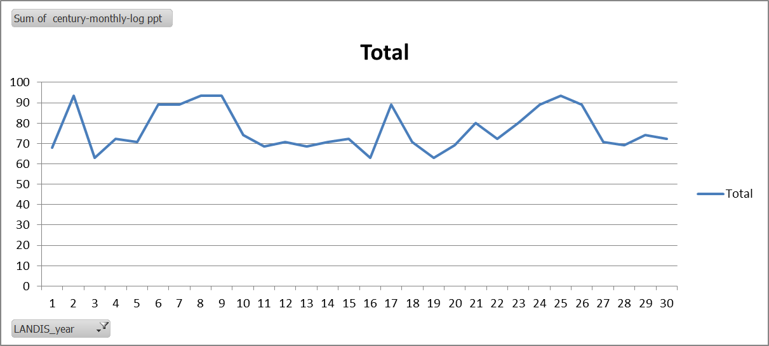
20 | 69.3
21 | 80.1
22 | 72.3
23 | 80.1
24 | 89.1
25 | 93.3
26 | 89.1
27 | 70.6
28 | 69.3
29 | 74
30 | 72.3
(blank)
Grand Total | 2301.6

Summary_AirTemp
Year | Average of input_TempAvg | Average of century-monthly-log airtemp
1 | 4.8255293397 | 4.9416666667
2 | 5.0143239354 | 4.75
3 | 4.7696099392 | 4.8333333333
4 | 4.2775157002 | 4.6583333333
5 | 4.2919263525 | 4.475
6 | 5.3755570648 | 5.2166666667
7 | 4.8788388007 | 5.2166666667 | Summary of all the Air Temp Data
8 | 3.9518166592 | 4.75
9 | 4.8656976955 | 4.75
10 | 4.1978019966 | 4.75
 | Average of input_TempAvg | Average of century-monthly-log airtemp
1 | 4.8255293397 | 4.9416666667
2 | 5.0143239354 | 4.75
3 | 4.7696099392 | 4.8333333333
4 | 4.2775157002 | 4.6583333333
5 | 4.2919263525 | 4.475
6 | 5.3755570648 | 5.2166666667
7 | 4.8788388007 | 5.2166666667
8 | 3.9518166592 | 4.75
9 | 4.8656976955 | 4.75
10 | 4.1978019966 | 4.75
11 | 4.4360724973 | 4.15
12 |  | 4.475
13 |  | 4.15
14 |  | 4.475
15 |  | 4.6583333333
16 |  | 4.8333333333
17 |  | 5.2166666667
18 |  | 4.475
19 |  | 4.8333333333
20 |  | 3.9166666667
21 |  | 4.2
22 |  | 4.6583333333
23 |  | 4.2
24 |  | 5.2166666667
25 |  | 4.75
26 |  | 5.2166666667
27 |  | 4.475
28 |  | 3.9166666667
29 |  | 4.75
30 |  | 4.6583333333
11 | 4.4360724973 | 4.15
12 |  | 4.475
13 |  | 4.15
14 |  | 4.475
15 |  | 4.6583333333
16 |  | 4.8333333333
17 |  | 5.2166666667
18 |  | 4.475
19 |  | 4.8333333333
20 |  | 3.9166666667
21 |  | 4.2
22 |  | 4.6583333333
23 |  | 4.2
24 |  | 5.2166666667
25 |  | 4.75
26 |  | 5.2166666667
27 |  | 4.475
28 |  | 3.9166666667
29 |  | 4.75
30 |  | 4.6583333333

Summary_Precip
Year | Sum of Input Precip | Sum of century-monthly-log precip | Future_Climate | SpinUp_Climate
1 | 93.279185725 | 68
2 | 67.874260465 | 93.3
3 | 73.983715756 | 62.9
4 | 80.166693216 | 72.3
5 | 78.524960277 | 70.6
6 | 89.248865992 | 89.1
7 | 62.959926521 | 89.1
 | Sum of Input Precip | Sum of century-monthly-log precip
1 | 93.279185725 | 68
2 | 67.874260465 | 93.3
3 | 73.983715756 | 62.9
4 | 80.166693216 | 72.3
5 | 78.524960277 | 70.6
6 | 89.248865992 | 89.1
7 | 62.959926521 | 89.1
8 | 69.316584481 | 93.3
9 | 72.321377175 | 93.3
10 | 68.550115286 | 74
11 | 70.574254488 | 68.6
12 |  | 70.6
13 |  | 68.6
14 |  | 70.6
15 |  | 72.3
16 |  | 62.9
17 |  | 89.1
18 |  | 70.6
19 |  | 62.9
20 |  | 69.3
8 | 69.316584481 | 93.3
9 | 72.321377175 | 93.3
10 | 68.550115286 | 74
11 | 70.574254488 | 68.6
12 |  | 70.6
13 |  | 68.6
14 |  | 70.6
15 |  | 72.3
16 |  | 62.9
17 |  | 89.1
18 |  | 70.6
19 |  | 62.9
20 |  | 69.3
 |  | 80.1
 |  | 72.3
 |  | 80.1
 |  | 89.1
 |  | 93.3
 |  | 89.1
 |  | 70.6
 |  | 69.3
 |  | 74
 |  | 72.3

