Pivot_Input
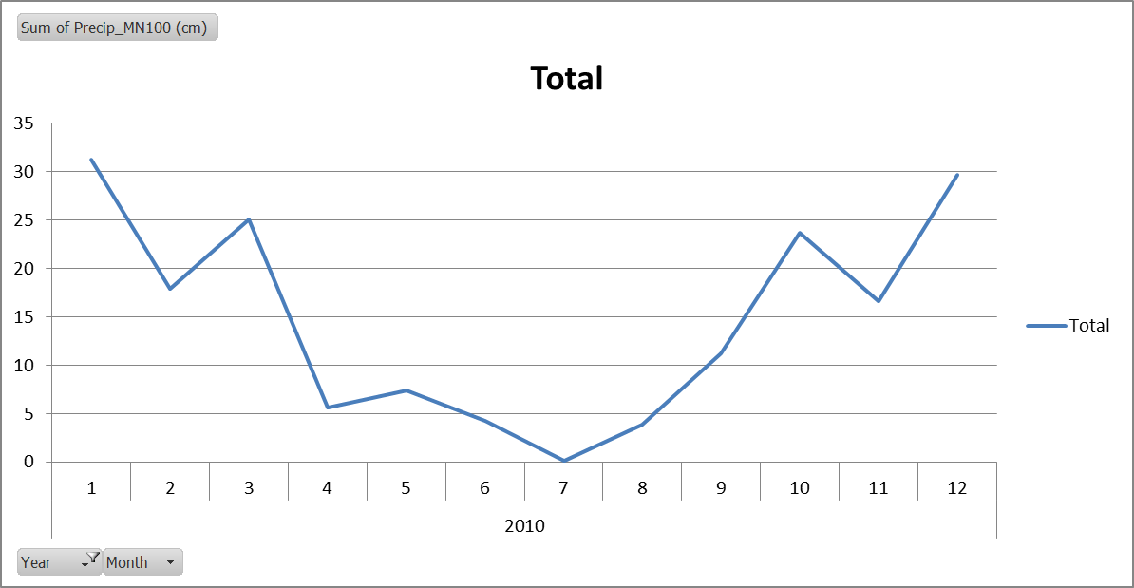
Row Labels | Average of AverageTempMN100 (oC)
2010 | 11.751358333
1 | 4.75685
2 | 9.7036
3 | 8.83219
4 | 9.45446
5 | 13.16378
6 | 17.617545
7 | 21.4637
8 | 19.32702
9 | 16.715115
10 | 10.606375
11 | 6.4481
12 | 2.927565
Grand Total | 11.751358333

Pivot_monthly_output
Sum of ppt | Column Labels
Row Labels | MN100 | Grand Total
1 | 176.9 | 176.9
1 | 31.3 | 31.3
2 | 17.9 | 17.9
3 | 25.1 | 25.1
4 | 5.6 | 5.6
5 | 7.4 | 7.4
6 | 4.3 | 4.3
7 | 0.1 | 0.1
8 | 3.9 | 3.9
9 | 11.3 | 11.3
10 | 23.7 | 23.7
11 | 16.6 | 16.6
12 | 29.7 | 29.7
2 | 176.9 | 176.9
1 | 31.3 | 31.3
2 | 17.9 | 17.9
3 | 25.1 | 25.1
4 | 5.6 | 5.6
5 | 7.4 | 7.4
6 | 4.3 | 4.3
7 | 0.1 | 0.1
8 | 3.9 | 3.9
9 | 11.3 | 11.3
10 | 23.7 | 23.7
11 | 16.6 | 16.6
12 | 29.7 | 29.7
3 | 176.9 | 176.9
1 | 31.3 | 31.3
2 | 17.9 | 17.9
3 | 25.1 | 25.1
4 | 5.6 | 5.6
5 | 7.4 | 7.4
6 | 4.3 | 4.3
7 | 0.1 | 0.1
8 | 3.9 | 3.9
9 | 11.3 | 11.3
10 | 23.7 | 23.7
11 | 16.6 | 16.6
12 | 29.7 | 29.7
4 | 176.9 | 176.9
1 | 31.3 | 31.3
2 | 17.9 | 17.9
3 | 25.1 | 25.1
4 | 5.6 | 5.6
5 | 7.4 | 7.4
6 | 4.3 | 4.3
7 | 0.1 | 0.1
8 | 3.9 | 3.9
9 | 11.3 | 11.3
10 | 23.7 | 23.7
11 | 16.6 | 16.6
12 | 29.7 | 29.7
5 | 176.9 | 176.9
1 | 31.3 | 31.3
2 | 17.9 | 17.9
3 | 25.1 | 25.1
4 | 5.6 | 5.6
5 | 7.4 | 7.4
6 | 4.3 | 4.3
7 | 0.1 | 0.1
8 | 3.9 | 3.9
9 | 11.3 | 11.3
10 | 23.7 | 23.7
11 | 16.6 | 16.6
12 | 29.7 | 29.7
Grand Total | 884.5 | 884.5

Pivot_Temp
Row Labels | Average of input_MN100_TempAvg | Average of airtemp-MN100
2010 | 11.751358333 | 11.75
1 | 4.75685 | 4.8
2 | 9.7036 | 9.7
3 | 8.83219 | 8.8
4 | 9.45446 | 9.5
5 | 13.16378 | 13.2
6 | 17.617545 | 17.6
7 | 21.4637 | 21.5
8 | 19.32702 | 19.3
9 | 16.715115 | 16.7
10 | 10.606375 | 10.6
11 | 6.4481 | 6.4
12 | 2.927565 | 2.9
Grand Total | 11.751358333 | 11.75

