Pivot_Table_climatelog
Average of min_airtemp | Column Labels
Row Labels | Future_Climate | SpinUp_Climate | Grand Total
1895 | 4.7975 | 4.7975 | 4.7975
1896 | 5.7583333333 | 5.7583333333 | 5.7583333333
1897 | 2.3983333333 | 2.3983333333 | 2.3983333333
1898 | 6.7166666667 | 6.7166666667 | 6.7166666667
1899 | 1.5991666667 | 1.5991666667 | 1.5991666667
1900 | 2 | 2 | 2
Grand Total | 3.8783333333 | 3.8783333333 | 3.8783333333

Pivot_monthlylog
Monthly pattern
Row Labels | Average of airtemp
1 | 11.966666667
1 | -8.7
2 | -4.8
3 | 2.2
4 | 16.7
5 | 20.7
6 | 25.2
7 | 26.6
8 | 25.9
9 | 22.4
10 | 13
11 | 5
12 | -0.6
2 | 14.366666667
1 | -10.4
2 | -5.8
3 | 2.7
4 | 20.1
5 | 24.8
6 | 30.3
7 | 31.9
8 | 31
9 | 26.9
10 | 15.6
11 | 6
12 | -0.7
3 | 5.9833333333
1 | -4.3
2 | -2.4
3 | 1.1
4 | 8.4
5 | 10.3
6 | 12.6
7 | 13.3
8 | 12.9
9 | 11.2
10 | 6.5
11 | 2.5
12 | -0.3
4 | 16.758333333
1 | -12.1
2 | -6.7
3 | 3.1
4 | 23.4
5 | 29
6 | 35.3
7 | 37.2
8 | 36.2
9 | 31.3
10 | 18.2
11 | 7
12 | -0.8
5 | 3.9916666667
1 | -2.9
2 | -1.6
3 | 0.7
4 | 5.6
5 | 6.9
6 | 8.4
7 | 8.9
8 | 8.6
9 | 7.5
10 | 4.3
11 | 1.7
12 | -0.2
6 | 7
1 | 7
2 | 7
3 | 7
4 | 7
5 | 7
6 | 7
7 | 7
8 | 7
9 | 7
10 | 7
11 | 7
12 | 7
7 | 7
1 | 7
2 | 7
3 | 7
4 | 7
5 | 7
6 | 7
7 | 7
8 | 7
9 | 7
10 | 7
11 | 7
12 | 7
8 | 7
1 | 7
2 | 7
3 | 7
4 | 7
5 | 7
6 | 7
7 | 7
8 | 7
9 | 7
10 | 7
11 | 7
12 | 7
9 | 7
1 | 7
2 | 7
3 | 7
4 | 7
5 | 7
6 | 7
7 | 7
8 | 7
9 | 7
10 | 7
11 | 7
12 | 7
10 | 7
1 | 7
2 | 7
3 | 7
4 | 7
5 | 7
6 | 7
7 | 7
8 | 7
9 | 7
10 | 7
11 | 7
12 | 7
Grand Total | 8.8066666667

Pivot_InputOutputFiles
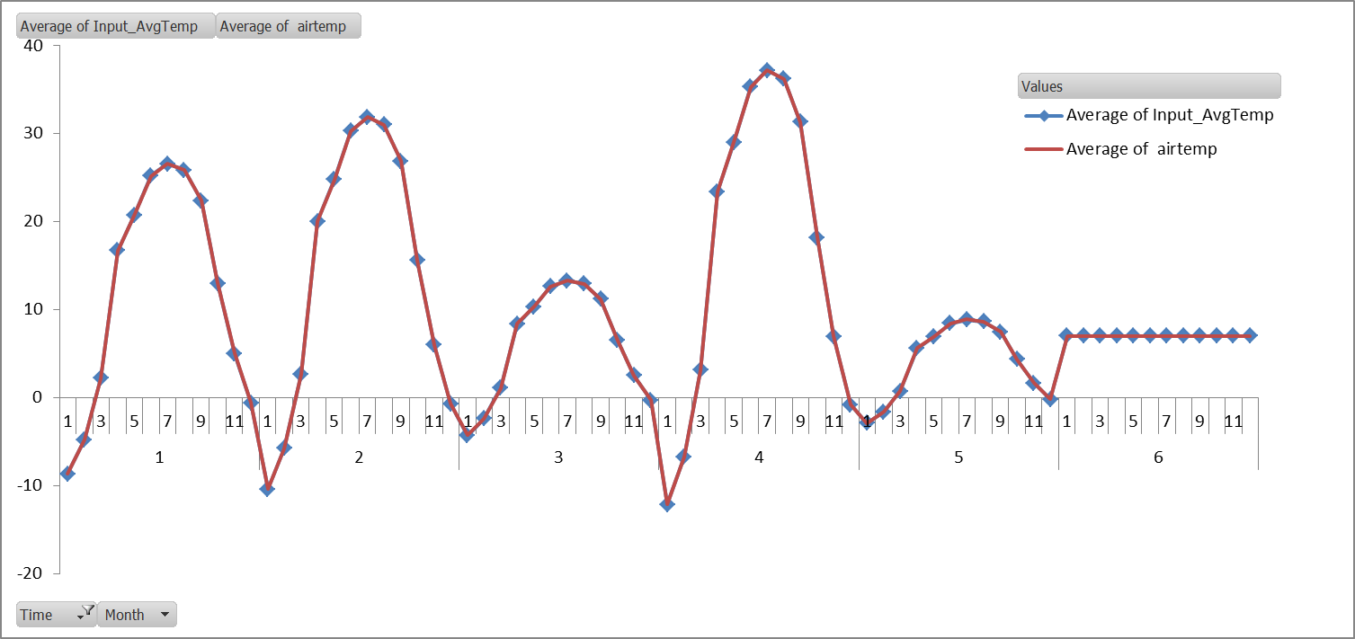
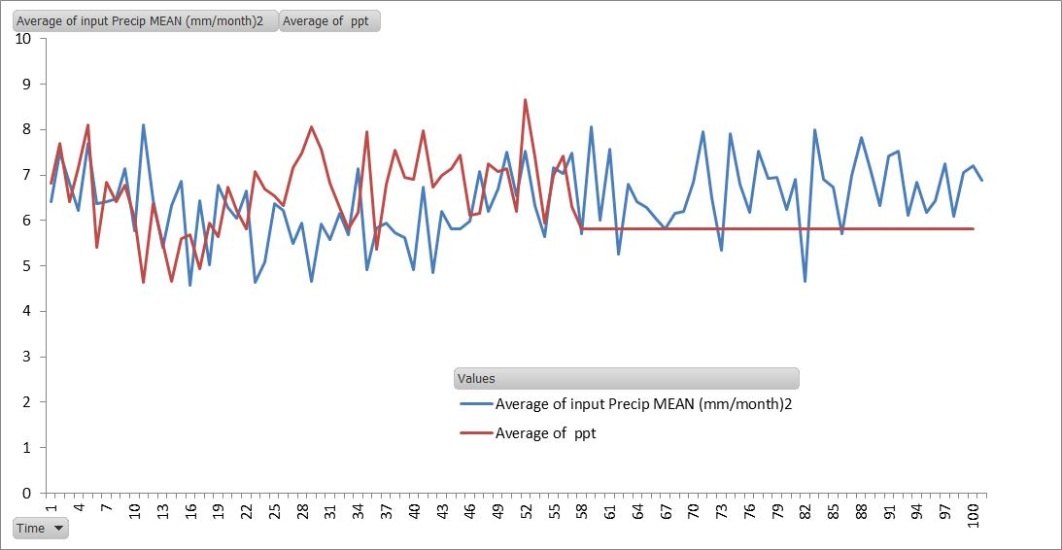
 | Average of Input_AvgTemp | Average of airtemp
1 | 11.964005225 | 11.966666667
2 | 14.35680627 | 14.366666667
3 | 5.9820026126 | 5.9833333333
4 | 16.749607315 | 16.758333333
5 | 3.9880017422 | 3.9916666667
6 | 7 | 7
7 |  | 7
8 |  | 7
9 |  | 7
10 |  | 7
(blank)
Row Labels | Average of Input_AvgTemp | Average of airtemp
1 | 11.964005225 | 11.966666667
2 | 14.35680627 | 14.366666667
3 | 5.9820026126 | 5.9833333333
4 | 16.749607315 | 16.758333333
5 | 3.9880017422 | 3.9916666667
6 | 7 | 7
7 |  | 7
8 |  | 7
9 |  | 7
10 |  | 7
(blank)
Grand Total | 10.006737194 | 8.8066666667

