Planilha2
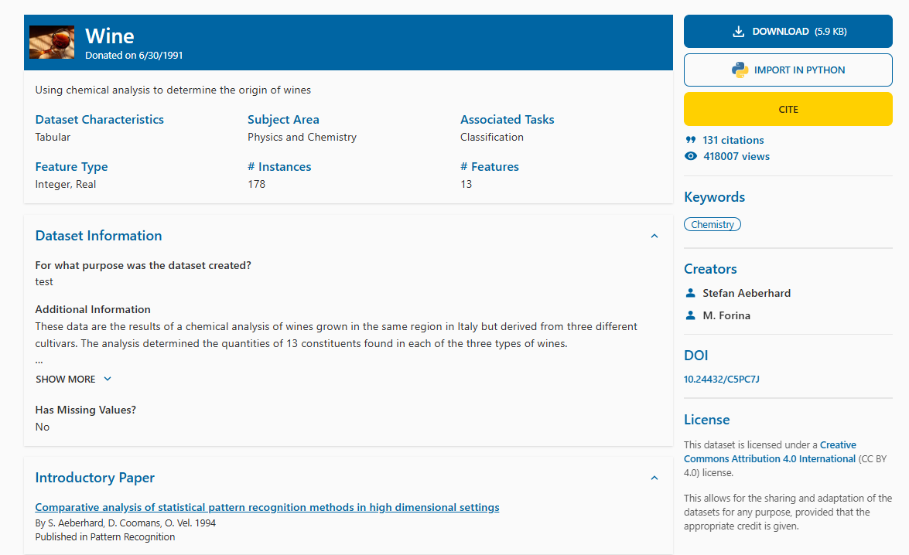
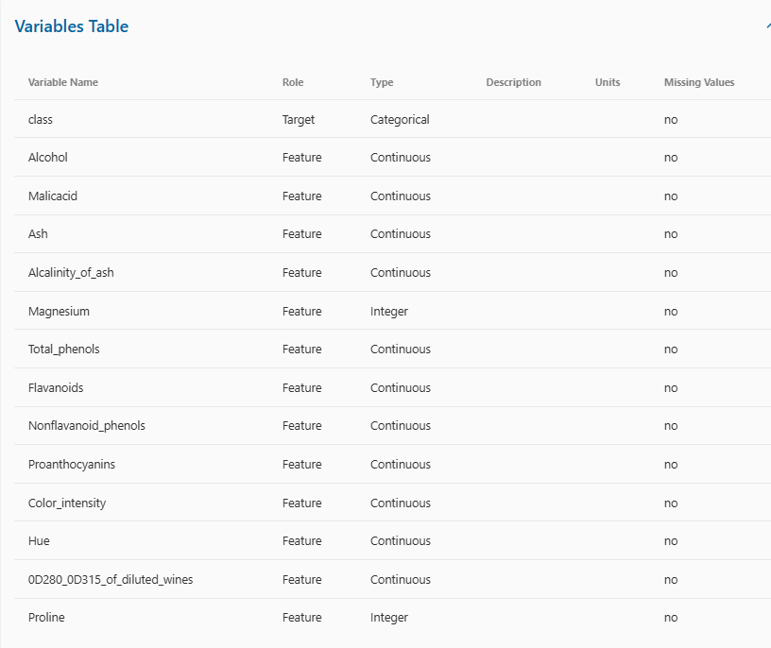
Aeberhard | S. & Forina | M. (1992). Wine [Dataset]. UCI Machine Learning Repository. https://doi.org/10.24432/C5PC7J.

