INFO
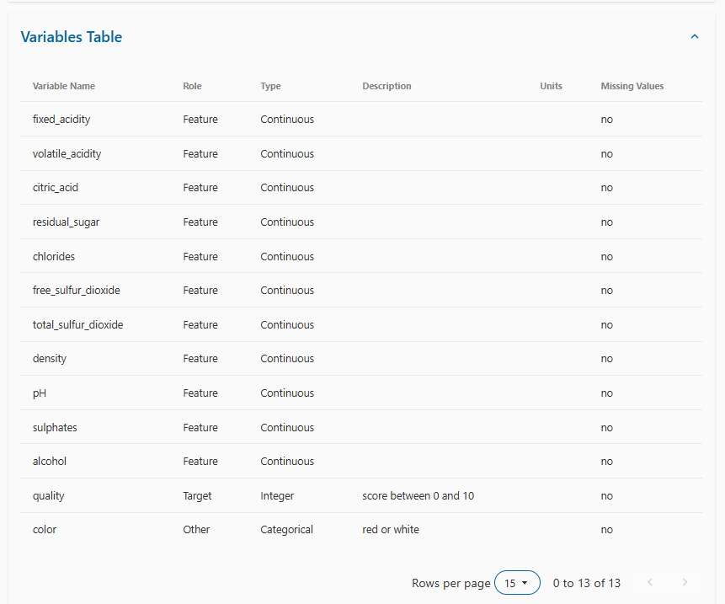
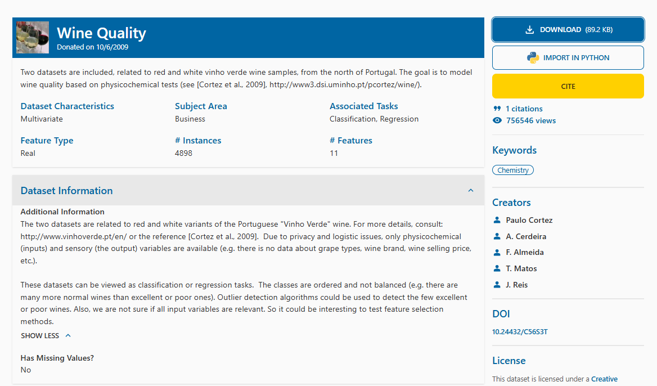

Cortez, P., Cerdeira, A., Almeida, F., Matos, T., & Reis, J. (2009). Wine Quality [Dataset]. UCI Machine Learning Repository. https://doi.org/10.24432/C56S3T.

