FLIGHTPERF
Airframe |  |  |  |  | Constants
K1 | K2 | CD0 | CDR |  | R [J/(kg-K)] | gamma | g [m/s2]
0.18 | 0 | 0.014 | 0 |  | 287 | 1.4 | 9.81

Flight Conditions |  |  | Flight Phase Assumptions |  | Performance Required
Patm [kPa] | Tatm [K] | Minf | Thrust Lapse (α) | Weight Factor (β) | Load factor (n) | Vertical Speed [m/s] | Accel [m/s2] | VS (fpm) | VTAS [Kt]
20.72 | 216.7 | 0.8 | 0.271624263 | 0.8 | 1 | -50.8 | 0 | -10000 | 458.86498996

rho [kg/m3] | a [m/s] | Vinf [m/s] | q [Pa] | dz/dt [m/s] | β/α | q/β | nβ/q
0.33315700024 | 295.076363 | 236.0610904 | 9282.56 | -50.8 | 2.9452449909 | 11603.2 | 8.6183121897E-05

(TSLS/WTO) vs (WTO/Sref)
Wing Loading (WTO/Sref ) |  |  |  | Thrust Loading
[lbf/ft2] | [Pa] | [kg/m2] |  | (TSLS/WTO)
20 | 958 | 97.615206705 |  | -0.090438840247 |  |  |  |  |  | Initial Preliminary Weight Fractions
25 | 1197 | 122.01900838 |  | -0.17942493723 |  |  |  |  |  | Leg | Weight Fraction
30 | 1436 | 146.42281006 |  | -0.2351029622 |  |  |  |  |  | Warm up | 1
35 | 1676 | 170.82661173 |  | -0.27174780315 |  |  |  |  |  | Take off | 1
40 | 1915 | 195.23041341 |  | -0.29649690409 |  |  |  |  |  | Top of Climb | 0.95
45 | 2155 | 219.63421509 |  | -0.31331551169 |  |  |  |  |  | Cruise Climb | 0.85
50 | 2394 | 244.03801676 |  | -0.32458277395 |  |  |  |  |  | Descent | 0.8
55 | 2633 | 268.44181844 |  | -0.33181269415 |  |  |  |  |  | Maneuvers | 0.75
60 | 2873 | 292.84562012 |  | -0.3360146078 |  |  |  |  |  | Landing | 0.6
65 | 3112 | 317.24942179 |  | -0.33788728565 |  |  |  |  |  | These are to be used for initial guidance only, when no other data exists.
70 | 3352 | 341.65322347 |  | -0.33792984965
75 | 3591 | 366.05702514 |  | -0.33650832257
80 | 3830 | 390.46082682 |  | -0.33389722149
85 | 4070 | 414.8646285 |  | -0.33030647123
90 | 4309 | 439.26843017 |  | -0.32589934666
95 | 4549 | 463.67223185 |  | -0.32080474898
100 | 4788 | 488.07603353 |  | -0.31512579916
105 | 5027 | 512.4798352 |  | -0.30894597607
110 | 5267 | 536.88363688 |  | -0.30233358063
115 | 5506 | 561.28743855 |  | -0.2953450353
120 | 5746 | 585.69124023 |  | -0.28802735882
125 | 5985 | 610.09504191 |  | -0.28042004694
130 | 6224 | 634.49884358 |  | -0.27255651911
135 | 6464 | 658.90264526 |  | -0.26446524379
140 | 6703 | 683.30644694 |  | -0.25617062248
145 | 6943 | 707.71024861 |  | -0.24769369098
150 | 7182 | 732.11405029 |  | -0.23905268031
155 | 7421 | 756.51785197 |  | -0.2302634691
160 | 7661 | 780.92165364 |  | -0.22133995114
165 | 7900 | 805.32545532 |  | -0.21229433615
170 | 8140 | 829.72925699 |  | -0.20313739738
175 | 8379 | 854.13305867 |  | -0.19387867689
180 | 8618 | 878.53686035 |  | -0.18452665647
185 | 8858 | 902.94066202 |  | -0.17508890098
190 | 9097 | 927.3444637 |  | -0.165572179
195 | 9337 | 951.74826538 |  | -0.15598256485
200 | 9576 | 976.15206705 |  | -0.14632552546

Service Ceiling
Airframe |  |  |  |  | Constants
K1 | K2 | CD0 | CDR |  | R [J/(kg-K)] | gamma | g [m/s2]
0.18 | 0 | 0.014 | 0 |  | 287 | 1.4 | 9.81

Flight Conditions |  |  | Flight Phase Assumptions |  | Performance Required
Patm [kPa] | Tatm [K] | Minf | Thrust Lapse (α) | Weight Factor (β) | Load factor (n) | Vertical Speed [m/s] | Accel [m/s2] | VS (fpm) | VTAS [Kt]
16.03 | 216.70 | 0.75 | 0.22979142105 | 0.85 | 1 | 0.508 | 0 | 100 | 430.18592809

rho [kg/m3] | a [m/s] | Vinf [m/s] | q [Pa] | dz/dt [m/s] | β/α | q/β | nβ/q
0.25778612983 | 295.076363 | 221.30727225 | 6312.7838787 | 0.508 | 3.6990066735 | 7426.8045632 | 0.00013464741013

(TSLS/WTO) vs (WTO/Sref)
Wing Loading (WTO/Sref ) |  |  |  | Thrust Loading
[lbf/ft2] | [Pa] | [kg/m2] |  | (TSLS/WTO)
20 | 958 | 97.615206705 |  | 0.49597357253 |  |  |  |  |  | Initial Preliminary Weight Fractions
25 | 1197 | 122.01900838 |  | 0.43710969679 |  |  |  |  |  | Leg | Weight Fraction
30 | 1436 | 146.42281006 |  | 0.40502130946 |  |  |  |  |  | Warm up | 1
35 | 1676 | 170.82661173 |  | 0.38823320121 |  |  |  |  |  | Take off | 1
40 | 1915 | 195.23041341 |  | 0.3810077674 |  |  |  |  |  | Top of Climb | 0.95
45 | 2155 | 219.63421509 |  | 0.38015744987 |  |  |  |  |  | Cruise Climb | 0.85
50 | 2394 | 244.03801676 |  | 0.38376971374 |  |  |  |  |  | Descent | 0.8
55 | 2633 | 268.44181844 |  | 0.39062749136 |  |  |  |  |  | Maneuvers | 0.75
60 | 2873 | 292.84562012 |  | 0.39991940428 |  |  |  |  |  | Landing | 0.6
65 | 3112 | 317.24942179 |  | 0.41108372899 |  |  |  |  |  | These are to be used for initial guidance only, when no other data exists.
70 | 3352 | 341.65322347 |  | 0.42371923437
75 | 3591 | 366.05702514 |  | 0.4375316843
80 | 3830 | 390.46082682 |  | 0.45230040168
85 | 4070 | 414.8646285 |  | 0.46785663341
90 | 4309 | 439.26843017 |  | 0.48406912712
95 | 4549 | 463.67223185 |  | 0.50083426249
100 | 4788 | 488.07603353 |  | 0.51806914327
105 | 5027 | 512.4798352 |  | 0.53570666297
110 | 5267 | 536.88363688 |  | 0.55369191629
115 | 5506 | 561.28743855 |  | 0.57197954666
120 | 5746 | 585.69124023 |  | 0.59053175696
125 | 5985 | 610.09504191 |  | 0.6093167976
130 | 6224 | 634.49884358 |  | 0.62830780353
135 | 6464 | 658.90264526 |  | 0.64748188972
140 | 6703 | 683.30644694 |  | 0.66681944043
145 | 6943 | 707.71024861 |  | 0.68630354554
150 | 7182 | 732.11405029 |  | 0.70591954961
155 | 7421 | 756.51785197 |  | 0.72565468822
160 | 7661 | 780.92165364 |  | 0.7454977925
165 | 7900 | 805.32545532 |  | 0.76543904741
170 | 8140 | 829.72925699 |  | 0.78546979258
175 | 8379 | 854.13305867 |  | 0.80558235743
180 | 8618 | 878.53686035 |  | 0.82576992365
185 | 8858 | 902.94066202 |  | 0.84602641004
190 | 9097 | 927.3444637 |  | 0.86634637554
195 | 9337 | 951.74826538 |  | 0.88672493715
200 | 9576 | 976.15206705 |  | 0.90715770015

ABS Ceiling
Airframe |  |  |  |  | Constants
K1 | K2 | CD0 | CDR |  | R [J/(kg-K)] | gamma | g [m/s2]
0.18 | 0 | 0.014 | 0 |  | 287 | 1.4 | 9.81

Flight Conditions |  |  | Flight Phase Assumptions |  | Performance Required
Patm [kPa] | Tatm [K] | Minf | Thrust Lapse (α) | Weight Factor (β) | Load factor (n) | Vertical Speed [m/s] | Accel [m/s2] | VS (fpm) | VTAS [Kt]
14.73 | 216.70 | 0.8 | 0.22162849204 | 0.85 | 1 | 0 | 0 | 0 | 458.86498996

rho [kg/m3] | a [m/s] | Vinf [m/s] | q [Pa] | dz/dt [m/s] | β/α | q/β | nβ/q
0.23687517443 | 295.076363 | 236.0610904 | 6599.9154082 | 0 | 3.8352469584 | 7764.6063626 | 0.00012878952948

(TSLS/WTO) vs (WTO/Sref)
Wing Loading (WTO/Sref ) |  |  |  | Thrust Loading
[lbf/ft2] | [Pa] | [kg/m2] |  | (TSLS/WTO)
20 | 958 | 97.615206705 |  | 0.52050566768 |  |  |  |  |  | Initial Preliminary Weight Fractions
25 | 1197 | 122.01900838 |  | 0.45471746671 |  |  |  |  |  | Leg | Weight Fraction
30 | 1436 | 146.42281006 |  | 0.41795365358 |  |  |  |  |  | Warm up | 1
35 | 1676 | 170.82661173 |  | 0.39777520492 |  |  |  |  |  | Take off | 1
40 | 1915 | 195.23041341 |  | 0.38796260906 |  |  |  |  |  | Top of Climb | 0.95
45 | 2155 | 219.63421509 |  | 0.38506058174 |  |  |  |  |  | Cruise Climb | 0.85
50 | 2394 | 244.03801676 |  | 0.38699595238 |  |  |  |  |  | Descent | 0.8
55 | 2633 | 268.44181844 |  | 0.39244943065 |  |  |  |  |  | Maneuvers | 0.75
60 | 2873 | 292.84562012 |  | 0.40054148962 |  |  |  |  |  | Landing | 0.6
65 | 3112 | 317.24942179 |  | 0.41066322607 |  |  |  |  |  | These are to be used for initial guidance only, when no other data exists.
70 | 3352 | 341.65322347 |  | 0.4223797091
75 | 3591 | 366.05702514 |  | 0.4353719894
80 | 3830 | 390.46082682 |  | 0.44940085498
85 | 4070 | 414.8646285 |  | 0.46428337902
90 | 4309 | 439.26843017 |  | 0.47987728512
95 | 4549 | 463.67223185 |  | 0.49607024979
100 | 4788 | 488.07603353 |  | 0.51277241425
105 | 5027 | 512.4798352 |  | 0.52991103567
110 | 5267 | 536.88363688 |  | 0.54742659719
115 | 5506 | 561.28743855 |  | 0.56526993271
120 | 5746 | 585.69124023 |  | 0.58340007048
125 | 5985 | 610.09504191 |  | 0.60178259424
130 | 6224 | 634.49884358 |  | 0.62038838251
135 | 6464 | 658.90264526 |  | 0.63919262814
140 | 6703 | 683.30644694 |  | 0.65817406783
145 | 6943 | 707.71024861 |  | 0.67731437117
150 | 7182 | 732.11405029 |  | 0.69659765179
155 | 7421 | 756.51785197 |  | 0.71601007317
160 | 7661 | 780.92165364 |  | 0.73553952838
165 | 7900 | 805.32545532 |  | 0.75517537797
170 | 8140 | 829.72925699 |  | 0.77490823421
175 | 8379 | 854.13305867 |  | 0.79472978223
180 | 8618 | 878.53686035 |  | 0.81463263107
185 | 8858 | 902.94066202 |  | 0.83461018875
190 | 9097 | 927.3444637 |  | 0.85465655721
195 | 9337 | 951.74826538 |  | 0.87476644331
200 | 9576 | 976.15206705 |  | 0.89493508324

FLIGHTPERF Maneuver
Airframe |  |  |  |  | Constants
K1 | K2 | CD0 | CDR |  | R [J/(kg-K)] | gamma | g [m/s2]
0.18 | 0 | 0.014 | 0 |  | 287 | 1.4 | 9.81

Flight Conditions |  |  | Flight Phase Assumptions |  | Performance Required
Patm [kPa] | Tatm [K] | Minf | Thrust Lapse (α) | Weight Factor (β) | Load factor (n) | Vertical Speed [m/s] | Accel [m/s2] | VS (fpm) | VTAS [Kt]
69.7 | 268.38 | 0.5 | 0.816017839 | 0.75 | 3 | 0 | 0 | 0 | 319.16154558

rho [kg/m3] | a [m/s] | Vinf [m/s] | q [Pa] | dz/dt [m/s] | β/α | q/β | nβ/q
0.90490030128 | 328.38252694 | 164.19126347 | 12197.5 | 0 | 0.91909755419 | 16263.333333 | 0.00018446402951

(TSLS/WTO) vs (WTO/Sref)
Wing Loading (WTO/Sref ) |  |  |  | Thrust Loading
[lbf/ft2] | [Pa] | [kg/m2] |  | (TSLS/WTO)
20 | 958 | 97.615206705 |  | 0.3062013472 |  |  |  |  |  | Initial Preliminary Weight Fractions
25 | 1197 | 122.01900838 |  | 0.28441280855 |  |  |  |  |  | Leg | Weight Fraction
30 | 1436 | 146.42281006 |  | 0.2771929922 |  |  |  |  |  | Warm up | 1
35 | 1676 | 170.82661173 |  | 0.27829816 |  |  |  |  |  | Take off | 1
40 | 1915 | 195.23041341 |  | 0.28460644291 |  |  |  |  |  | Top of Climb | 0.95
45 | 2155 | 219.63421509 |  | 0.29438346922 |  |  |  |  |  | Cruise Climb | 0.85
50 | 2394 | 244.03801676 |  | 0.30658861592 |  |  |  |  |  | Descent | 0.8
55 | 2633 | 268.44181844 |  | 0.32055966834 |  |  |  |  |  | Maneuvers | 0.75
60 | 2873 | 292.84562012 |  | 0.33585515006 |  |  |  |  |  | Landing | 0.6
65 | 3112 | 317.24942179 |  | 0.35216942356 |  |  |  |  |  | These are to be used for initial guidance only, when no other data exists.
70 | 3352 | 341.65322347 |  | 0.3692841763
75 | 3591 | 366.05702514 |  | 0.38703931243
80 | 3830 | 390.46082682 |  | 0.40531476008
85 | 4070 | 414.8646285 |  | 0.42401869956
90 | 4309 | 439.26843017 |  | 0.44307971556
95 | 4549 | 463.67223185 |  | 0.46244142759
100 | 4788 | 488.07603353 |  | 0.48205873124
105 | 5027 | 512.4798352 |  | 0.50189511341
110 | 5267 | 536.88363688 |  | 0.52192069978
115 | 5506 | 561.28743855 |  | 0.54211081152
120 | 5746 | 585.69124023 |  | 0.56244488297
125 | 5985 | 610.09504191 |  | 0.58290563896
130 | 6224 | 634.49884358 |  | 0.60347846204
135 | 6464 | 658.90264526 |  | 0.62415090032
140 | 6703 | 683.30644694 |  | 0.64491228074
145 | 6943 | 707.71024861 |  | 0.66575340238
150 | 7182 | 732.11405029 |  | 0.68666629113
155 | 7421 | 756.51785197 |  | 0.70764400178
160 | 7661 | 780.92165364 |  | 0.72868045728
165 | 7900 | 805.32545532 |  | 0.74977031719
170 | 8140 | 829.72925699 |  | 0.77090886935
175 | 8379 | 854.13305867 |  | 0.79209194014
180 | 8618 | 878.53686035 |  | 0.81331581968
185 | 8858 | 902.94066202 |  | 0.83457719915
190 | 9097 | 927.3444637 |  | 0.85587311802
195 | 9337 | 951.74826538 |  | 0.87720091943
200 | 9576 | 976.15206705 |  | 0.89855821217

FLIGHTPERF Cruise
Airframe |  |  |  |  | Constants
K1 | K2 | CD0 | CDR |  | R [J/(kg-K)] | gamma | g [m/s2]
0.18 | 0 | 0.014 | 0 |  | 287 | 1.4 | 9.81

Flight Conditions |  |  | Flight Phase Assumptions |  | Performance Required
Patm [kPa] | Tatm [K] | Minf | Thrust Lapse (α) | Weight Factor (β) | Load factor (n) | Vertical Speed [m/s] | Accel [m/s2] | VS (fpm) | VTAS [Kt]
20.72 | 216.7 | 0.65 | 0.271624263 | 0.85 | 1 | 0 | 0 | 0 | 372.82780434

rho [kg/m3] | a [m/s] | Vinf [m/s] | q [Pa] | dz/dt [m/s] | β/α | q/β | nβ/q
0.33315700024 | 295.076363 | 191.79963595 | 6127.94 | 0 | 3.1293228028 | 7209.3411765 | 0.00013870892992

(TSLS/WTO) vs (WTO/Sref)
Wing Loading (WTO/Sref ) |  |  |  | Thrust Loading
[lbf/ft2] | [Pa] | [kg/m2] |  | (TSLS/WTO)
20 | 958 | 97.615206705 |  | 0.4046473023 |  |  |  |  |  | Initial Preliminary Weight Fractions
25 | 1197 | 122.01900838 |  | 0.3573865374 |  |  |  |  |  | Leg | Weight Fraction
30 | 1436 | 146.42281006 |  | 0.33211430441 |  |  |  |  |  | Warm up | 1
35 | 1676 | 170.82661173 |  | 0.31940694682 |  |  |  |  |  | Take off | 1
40 | 1915 | 195.23041341 |  | 0.31455263634 |  |  |  |  |  | Top of Climb | 0.95
45 | 2155 | 219.63421509 |  | 0.3149336906 |  |  |  |  |  | Cruise Climb | 0.85
50 | 2394 | 244.03801676 |  | 0.31897950018 |  |  |  |  |  | Descent | 0.8
55 | 2633 | 268.44181844 |  | 0.32569058636 |  |  |  |  |  | Maneuvers | 0.75
60 | 2873 | 292.84562012 |  | 0.33440062999 |  |  |  |  |  | Landing | 0.6
65 | 3112 | 317.24942179 |  | 0.34464833319 |  |  |  |  |  | These are to be used for initial guidance only, when no other data exists.
70 | 3352 | 341.65322347 |  | 0.35610419749
75 | 3591 | 366.05702514 |  | 0.36852659066
80 | 3830 | 390.46082682 |  | 0.38173428854
85 | 4070 | 414.8646285 |  | 0.39558870795
90 | 4309 | 439.26843017 |  | 0.40998206197
95 | 4549 | 463.67223185 |  | 0.42482925566
100 | 4788 | 488.07603353 |  | 0.44006221306
105 | 5027 | 512.4798352 |  | 0.45562582508
110 | 5267 | 536.88363688 |  | 0.47147500245
115 | 5506 | 561.28743855 |  | 0.48757249751
120 | 5746 | 585.69124023 |  | 0.50388727056
125 | 5985 | 610.09504191 |  | 0.52039324823
130 | 6224 | 634.49884358 |  | 0.53706836845
135 | 6464 | 658.90264526 |  | 0.55389383761
140 | 6703 | 683.30644694 |  | 0.5708535469
145 | 6943 | 707.71024861 |  | 0.58793360939
150 | 7182 | 732.11405029 |  | 0.60512198978
155 | 7421 | 756.51785197 |  | 0.62240820568
160 | 7661 | 780.92165364 |  | 0.63978308502
165 | 7900 | 805.32545532 |  | 0.65723856748
170 | 8140 | 829.72925699 |  | 0.67476754102
175 | 8379 | 854.13305867 |  | 0.69236370641
180 | 8618 | 878.53686035 |  | 0.71002146433
185 | 8858 | 902.94066202 |  | 0.72773582078
190 | 9097 | 927.3444637 |  | 0.74550230747
195 | 9337 | 951.74826538 |  | 0.76331691437
200 | 9576 | 976.15206705 |  | 0.78117603247

FLIGHTPERF Climb
Airframe |  |  |  |  | Constants
K1 | K2 | CD0 | CDR |  | R [J/(kg-K)] | gamma | g [m/s2]
0.18 | 0 | 0.014 | 0 |  | 287 | 1.4 | 9.81

Flight Conditions |  |  | Flight Phase Assumptions |  | Performance Required
Patm [kPa] | Tatm [K] | Minf | Thrust Lapse (α) | Weight Factor (β) | Load factor (n) | Vertical Speed [m/s] | Accel [m/s2] | VS (fpm) | VTAS [Kt]
90.84 | 282.25 | 0.3 | 0.954234794 | 1 | 1 | 25.4 | 0 | 5000 | 196.38291897

rho [kg/m3] | a [m/s] | Vinf [m/s] | q [Pa] | dz/dt [m/s] | β/α | q/β | nβ/q
1.1214018758 | 336.76111711 | 101.02833513 | 5722.92 | 25.4 | 1.0479601103 | 5722.92 | 0.00017473597394

(TSLS/WTO) vs (WTO/Sref)
Wing Loading (WTO/Sref ) |  |  |  | Thrust Loading
[lbf/ft2] | [Pa] | [kg/m2] |  | (TSLS/WTO)
20 | 958 | 97.615206705 |  | 0.38271674785 |  |  |  |  |  | Initial Preliminary Weight Fractions
25 | 1197 | 122.01900838 |  | 0.3730715007 |  |  |  |  |  | Leg | Weight Fraction
30 | 1436 | 146.42281006 |  | 0.36927163313 |  |  |  |  |  | Warm up | 1
35 | 1676 | 170.82661173 |  | 0.36881198245 |  |  |  |  |  | Take off | 1
40 | 1915 | 195.23041341 |  | 0.37043996735 |  |  |  |  |  | Top of Climb | 0.95
45 | 2155 | 219.63421509 |  | 0.37345970928 |  |  |  |  |  | Cruise Climb | 0.85
50 | 2394 | 244.03801676 |  | 0.37745368114 |  |  |  |  |  | Descent | 0.8
55 | 2633 | 268.44181844 |  | 0.38215618386 |  |  |  |  |  | Maneuvers | 0.75
60 | 2873 | 292.84562012 |  | 0.38739008473 |  |  |  |  |  | Landing | 0.6
65 | 3112 | 317.24942179 |  | 0.39303275339 |  |  |  |  |  | These are to be used for initial guidance only, when no other data exists.
70 | 3352 | 341.65322347 |  | 0.39899659676
75 | 3591 | 366.05702514 |  | 0.40521737989
80 | 3830 | 390.46082682 |  | 0.41164692658
85 | 4070 | 414.8646285 |  | 0.4182483962
90 | 4309 | 439.26843017 |  | 0.42499313492
95 | 4549 | 463.67223185 |  | 0.43185852131
100 | 4788 | 488.07603353 |  | 0.43882645822
105 | 5027 | 512.4798352 |  | 0.44588229558
110 | 5267 | 536.88363688 |  | 0.45301404696
115 | 5506 | 561.28743855 |  | 0.46021181052
120 | 5746 | 585.69124023 |  | 0.46746733476
125 | 5985 | 610.09504191 |  | 0.47477368838
130 | 6224 | 634.49884358 |  | 0.48212500646
135 | 6464 | 658.90264526 |  | 0.48951629295
140 | 6703 | 683.30644694 |  | 0.49694326552
145 | 6943 | 707.71024861 |  | 0.5044022325
150 | 7182 | 732.11405029 |  | 0.51188999446
155 | 7421 | 756.51785197 |  | 0.51940376478
160 | 7661 | 780.92165364 |  | 0.52694110517
165 | 7900 | 805.32545532 |  | 0.53449987292
170 | 8140 | 829.72925699 |  | 0.54207817735
175 | 8379 | 854.13305867 |  | 0.54967434392
180 | 8618 | 878.53686035 |  | 0.55728688409
185 | 8858 | 902.94066202 |  | 0.56491447028
190 | 9097 | 927.3444637 |  | 0.57255591466
195 | 9337 | 951.74826538 |  | 0.58021015119
200 | 9576 | 976.15206705 |  | 0.58787622048

Constraint Plot
(TSLS/WTO) vs (WTO/Sref)
 | Maneuver |  | Landing |  | Takeoff |  | Cruise |  | Climb |  | ABS Ceiling |  | Service Ceiling
20 | 0.3062013472 | 77.86 | 0.000 | 20 | 0.124 | 20 | 0.4046473023 | 20 | 0.38271674785 | 20 | 0.52050566768 | 20 | 0.49597357253
25 | 0.28441280855 | 77.86 | 0.484 | 25 | 0.155 | 25 | 0.3573865374 | 25 | 0.3730715007 | 25 | 0.45471746671 | 25 | 0.43710969679
30 | 0.2771929922 | 77.86 | 4.000 | 30 | 0.187 | 30 | 0.33211430441 | 30 | 0.36927163313 | 30 | 0.41795365358 | 30 | 0.40502130946
35 | 0.27829816 |  |  | 35 | 0.218 | 35 | 0.31940694682 | 35 | 0.36881198245 | 35 | 0.39777520492 | 35 | 0.38823320121
40 | 0.28460644291 |  |  | 40 | 0.249 | 40 | 0.31455263634 | 40 | 0.37043996735 | 40 | 0.38796260906 | 40 | 0.3810077674
45 | 0.29438346922 |  |  | 45 | 0.280 | 45 | 0.3149336906 | 45 | 0.37345970928 | 45 | 0.38506058174 | 45 | 0.38015744987
50 | 0.30658861592 |  |  | 50 | 0.311 | 50 | 0.31897950018 | 50 | 0.37745368114 | 50 | 0.38699595238 | 50 | 0.38376971374
55 | 0.32055966834 |  |  | 55 | 0.342 | 55 | 0.32569058636 | 55 | 0.38215618386 | 55 | 0.39244943065 | 55 | 0.39062749136
60 | 0.33585515006 |  |  | 60 | 0.373 | 60 | 0.33440062999 | 60 | 0.38739008473 | 60 | 0.40054148962 | 60 | 0.39991940428
65 | 0.35216942356 |  |  | 65 | 0.404 | 65 | 0.34464833319 | 65 | 0.39303275339 | 65 | 0.41066322607 | 65 | 0.41108372899
70 | 0.3692841763 |  |  | 70 | 0.435 | 70 | 0.35610419749 | 70 | 0.39899659676 | 70 | 0.4223797091 | 70 | 0.42371923437
75 | 0.38703931243 |  |  | 75 | 0.466 | 75 | 0.36852659066 | 75 | 0.40521737989 | 75 | 0.4353719894 | 75 | 0.4375316843
80 | 0.40531476008 |  |  | 80 | 0.497 | 80 | 0.38173428854 | 80 | 0.41164692658 | 80 | 0.44940085498 | 80 | 0.45230040168
85 | 0.42401869956 |  |  | 85 | 0.529 | 85 | 0.39558870795 | 85 | 0.4182483962 | 85 | 0.46428337902 | 85 | 0.46785663341
90 | 0.44307971556 |  |  | 90 | 0.560 | 90 | 0.40998206197 | 90 | 0.42499313492 | 90 | 0.47987728512 | 90 | 0.48406912712
95 | 0.46244142759 |  |  | 95 | 0.591 | 95 | 0.42482925566 | 95 | 0.43185852131 | 95 | 0.49607024979 | 95 | 0.50083426249
100 | 0.48205873124 |  |  | 100 | 0.622 | 100 | 0.44006221306 | 100 | 0.43882645822 | 100 | 0.51277241425 | 100 | 0.51806914327
105 | 0.50189511341 |  |  | 105 | 0.653 | 105 | 0.45562582508 | 105 | 0.44588229558 | 105 | 0.52991103567 | 105 | 0.53570666297
110 | 0.52192069978 |  |  | 110 | 0.684 | 110 | 0.47147500245 | 110 | 0.45301404696 | 110 | 0.54742659719 | 110 | 0.55369191629
115 | 0.54211081152 |  |  | 115 | 0.715 | 115 | 0.48757249751 | 115 | 0.46021181052 | 115 | 0.56526993271 | 115 | 0.57197954666
120 | 0.56244488297 |  |  | 120 | 0.746 | 120 | 0.50388727056 | 120 | 0.46746733476 | 120 | 0.58340007048 | 120 | 0.59053175696

TOLDG
Landing | Vs0 [knots] | 100 |  | Speeds |  | g [m/s2] | rho ref [kg/m3]
 | Landing config. Clmax | 2.3 |  | [knots] | [m/s] | 9.81 | 1.225
 | Landing Density Ratio (ρ/ρref) | 1 | Vs0 | 100.0 | 51.4
 | Landing Weight Fraction | 0.9 | Vs1 | 125.3 | 64.5
 |  |  | Vref | 130.0 | 66.9 | Vs0 | Stall speed in landing configuration (flaps, gear, extended).
Take off | Takeoff config. Clmax | 1.6 | VL | 115.0 | 59.2 | Vs1 | Stall speed in take-off configuration (take-of flaps, etc.).
 | Takeoff Density Ratio (ρ/ρref) | 0.91522 | VR | 120.0 | 61.7 | Vref | Reference speed- approach speed over 50 ft obstacle. 1.3*Vs0.
 | Take-off Weight Fraction | 1 |  |  |  | VL | Landing touch-down speed.
 | VR/Vs | 1.2 |  | TO Ground Run |  | VR | Rotation speed, assumed same as lift-off speed.
 | Take-off Thrust Lapse Rate | 1 |  | [m] | [ft]
 | Rotation time [s] | 3 | SG + SR | 762.0 | 2500.0
 | Total ground run: SG + SR [ft] | 2500 | SG | 576.8 | 1892.4

 |  |  | Constraints |  |  | Wing loading calculated based on stall speed in landing configuration (landing Clmax)
 |  |  | (WTO/Sref ) |  | (TSLS/WTO) | Thrust loading calculated based on take off Clmax at max stall wing loading.
 |  |  | [kg/m2] | [lbf/ft2] | (No Drag)
 |  |  | 380.12 | 77.86 | 0.484

 |  |  | (Empirical correlation) | Cons. Landing Dist. Estimate |  |  | Plotting Stall Constraint |  | This gives max wing loading acceptable.
 |  |  |  | [m] | [ft] |  | 77.86 | 0
 |  |  | SL, Raymer | 1049 | 3441 |  | 77.86 | 0.484
 |  |  | SL, Perkins | 1218 | 3995 |  | 77.86 | 4
 |  |  | No thrust reversers, chute, etc. (conservative).

(TSLS/WTO) vs (WTO/Sref)
 |  |  | Wing Loading (WTO/Sref ) |  | Thrust Loading
 |  |  | [lbf/ft2] | [kg/m2] | (TSLS/WTO)
 |  |  | 20 | 97.648574357 | 0.124
 |  |  | 25 | 122.06071795 | 0.155
 |  |  | 30 | 146.47286154 | 0.187
 |  |  | 35 | 170.88500513 | 0.218
 |  |  | 40 | 195.29714871 | 0.249
 |  |  | 45 | 219.7092923 | 0.280
 |  |  | 50 | 244.12143589 | 0.311
 |  |  | 55 | 268.53357948 | 0.342
 |  |  | 60 | 292.94572307 | 0.373
 |  |  | 65 | 317.35786666 | 0.404
 |  |  | 70 | 341.77001025 | 0.435
 |  |  | 75 | 366.18215384 | 0.466
 |  |  | 80 | 390.59429743 | 0.497
 |  |  | 85 | 415.00644102 | 0.529
 |  |  | 90 | 439.41858461 | 0.560
 |  |  | 95 | 463.8307282 | 0.591
 |  |  | 100 | 488.24287179 | 0.622
 |  |  | 105 | 512.65501538 | 0.653
 |  |  | 110 | 537.06715897 | 0.684
 |  |  | 115 | 561.47930256 | 0.715
 |  |  | 120 | 585.89144614 | 0.746

ESTPERF
Constants |  |  |  |  | M0 | 0.65 |  | W1 [kg/s] | 5 |  | TET [K] | 1200 |  |  |  | Fgparam | 3.0807825721
Pref [kPa] | Tref [K] | R [J/(kg-K)] | gamma |  | T0 [K] | 288.15 |  | WF [kg/h] | 348.84 |  | A9 [m2] | 0.017 |  |  |  | Wcorr [kg/s] | 5 |  |  |  |  |  |  |  |  |  |  |  |  |  |  |  |  |  | International Standard Atmosphere
101.325 | 288.15 | 287 | 1.4 |  | P0 [kPa] | 101.325 |  | FN [kN] | 3.5842 |  | OPR | 5 |  |  |  | Wfuel_corr [kg/h] | 348.84 |  |  |  |  |  |  |  |  |  |  |  |  |  |  |  |  |  | Alt [ft] | Alt [m] | T[K] | P [kPa] | rho/rho_ref | nu [m2/s] | k [W/mK] | a [m/s]
 |  |  |  |  |  |  |  |  |  |  |  |  |  |  |  |  |  |  |  |  |  |  |  |  |  |  |  |  |  |  |  |  |  |  | -6561.68 | -2000 | 301.2 | 127.78 | 1.2067 | 1.253 | 2.636 | 347.9
Ambient Conditions |  |  |  |  |  |  |  |  |  |  |  |  |  |  |  |  |  | ESTIMATED FIRST-ORDER TURBOJET PERFORMANCE AT CONSTANT POWER SETTING |  |  |  |  |  |  |  |  |  |  |  |  |  |  |  |  | -4921.26 | -1500 | 297.9 | 120.7 | 1.1522 | 1.301 | 2.611 | 346
Alt [ft] | dT ISA [K] | M | Patm [kPa] | Tatm [K] | ρatm [kg/m3] | Dens. Alt. [ft] | Vinf [m/s] | VTAS [kt] | VEAS [kt] | VCAS [kt] | Pt-Ps [kPa] | q [kPa] | Tt/Ts | Pt/Ps | Tt/Tref (ϑ0) | Pt/Pref (δ0) | ρ/ρref (σ) | Pt/Pref | Tt/Tref | W1 [kg/s] | Wf [kg/h] | Wf [kg/s] | FAR | FG [kN] | FRAM [kN] | FN [kN] | TSFC [(g/s)/kN] | SF [m/s] | Wf [lbm/h] | FN [lbf] | TSFC [(lbm/h)/lbf] | SF [lbf/(lbm/s)]] | Thrust Lapse | TSFC Lapse | -3280.84 | -1000 | 294.7 | 113.93 | 1.0996 | 1.352 | 2.585 | 344.1 | Comparison of turbojet off-design performance calculated with a cycle deck using maps vs. that estimated from corrected parameters. 100% RPM throughout.
0 | 0 | 0 | 101.33 | 288.15 | 1.2252256828 | 0 | 0.00 | 0.00 | 0.00 | 0.00 | 0.00 | 0.00 | 1 | 1 | 1 | 1 | 1 | 1.000 | 1.000 | 5.000 | 348.840 | 0.097 | 0.019 | 3.584 | 0.000 | 3.584 | 27.035 | 716.840 | 769.060 | 805.760 | 0.954 | 73.097 | 1 | 1 | -1640.42 | -500 | 291.4 | 107.48 | 1.0489 | 1.405 | 2.56 | 342.2
Envelope, Alt. [ft] vs. Mach
0 | 0 | 0.02 | 101.33 | 288.15 | 1.2252256828 | 0 | 6.81 | 13.23 | 13.23 | 13.23 | 0.03 | 0.03 | 1.00008 | 1.000280028 | 1.00008 | 1.000280028 | 1 | 1.000 | 1.000 | 5.001 | 348.952 | 0.097 | 0.019 | 3.586 | 0.034 | 3.552 | 27.292 | 710.160 | 769.306 | 798.443 | 0.964 | 72.416 | 0.99091892187 | 1.0094872712 | 0 | 0 | 288.15 | 101.325 | 1 | 1.461 | 2.534 | 340.3 | Envelope |  |  | Cycle Deck | Estimate | Cycle Deck | Estimate
0 | 0 | 0.05 | 101.33 | 288.15 | 1.2252256828 | 0 | 17.01 | 33.07 | 33.07 | 33.07 | 0.18 | 0.18 | 1.0005 | 1.001751094 | 1.0005 | 1.001751094 | 1 | 1.002 | 1.001 | 5.008 | 349.538 | 0.097 | 0.019 | 3.593 | 0.085 | 3.508 | 27.676 | 700.608 | 770.599 | 788.697 | 0.977 | 71.442 | 0.9788235171 | 1.0236794305 | 1640.42 | 500 | 284.9 | 95.46 | 0.9529 | 1.52 | 2.509 | 338.4 | Alt [ft] | dT ISA [K] | M | FN [kN] | FN [kN] | TSFC [(g/s)/kN] | TSFC [(g/s)/kN]
0 | 0 | 0.1 | 101.33 | 288.15 | 1.2252256828 | 0 | 34.03 | 66.14 | 66.14 | 66.14 | 0.71 | 0.71 | 1.002 | 1.0070175175 | 1.002 | 1.0070175175 | 1 | 1.007 | 1.002 | 5.030 | 351.639 | 0.098 | 0.019 | 3.621 | 0.171 | 3.450 | 28.310 | 685.933 | 775.231 | 775.655 | 0.999 | 69.946 | 0.96263765427 | 1.0471479352 | 3280.84 | 1000 | 281.7 | 89.88 | 0.9075 | 1.581 | 2.483 | 336.4 | 35000 | 0 | 0.8 | 1.31 | 1.042 | 32.2332 | 30.984
0 | 0 | 0.2 | 101.33 | 288.15 | 1.2252256828 | 0 | 68.05 | 132.28 | 132.28 | 132.28 | 2.87 | 2.84 | 1.008 | 1.0282811211 | 1.008 | 1.0282811211 | 1 | 1.028 | 1.008 | 5.121 | 360.138 | 0.100 | 0.020 | 3.734 | 0.348 | 3.386 | 29.547 | 661.162 | 793.966 | 761.155 | 1.043 | 67.420 | 0.94464194959 | 1.0928860957 | 4921.26 | 1500 | 278.4 | 84.56 | 0.8638 | 1.646 | 2.457 | 334.5 | 35000 | 0 | 0.6 | 1.2 | 0.894 | 30.8525 | 29.441
0 | 0 | 0.3 | 101.33 | 288.15 | 1.2252256828 | 0 | 102.08 | 198.42 | 198.42 | 198.42 | 6.53 | 6.38 | 1.018 | 1.0644302862 | 1.018 | 1.0644302862 | 1 | 1.064 | 1.018 | 5.275 | 374.643 | 0.104 | 0.020 | 3.926 | 0.538 | 3.388 | 30.720 | 642.224 | 825.945 | 761.576 | 1.085 | 65.489 | 0.94516474621 | 1.1362753819 | 6561.68 | 2000 | 275.2 | 79.5 | 0.8217 | 1.715 | 2.431 | 332.5 | 25000 | 0 | 0.6 | 1.69 | 1.408 | 31.7415 | 30.742
0 | 0 | 0.4 | 101.33 | 288.15 | 1.2252256828 | 0 | 136.11 | 264.57 | 264.57 | 264.57 | 11.81 | 11.35 | 1.032 | 1.1165519658 | 1.032 | 1.1165519658 | 1 | 1.117 | 1.032 | 5.496 | 395.681 | 0.110 | 0.020 | 4.203 | 0.748 | 3.455 | 31.815 | 628.646 | 872.326 | 776.657 | 1.123 | 64.104 | 0.96388054014 | 1.1767808077 | 8202.1 | 2500 | 271.9 | 74.69 | 0.7812 | 1.787 | 2.405 | 330.6 | 20000 | 0 | 0.6 | 1.98 | 1.743 | 32.0761 | 31.371
0 | 0 | 0.5 | 101.33 | 288.15 | 1.2252256828 | 0 | 170.13 | 330.71 | 330.71 | 330.71 | 18.87 | 17.73 | 1.05 | 1.186212638 | 1.05 | 1.186212638 | 1 | 1.186 | 1.050 | 5.788 | 424.017 | 0.118 | 0.020 | 4.572 | 0.985 | 3.588 | 32.830 | 619.827 | 934.797 | 806.533 | 1.159 | 63.205 | 1.0009591793 | 1.2143414788 | 9842.52 | 3000 | 268.7 | 70.12 | 0.7423 | 1.863 | 2.379 | 328.6 | 15000 | 0 | 0.6 | 2.29 | 2.139 | 32.3464 | 31.988
0 | 0 | 0.6 | 101.33 | 288.15 | 1.2252256828 | 0 | 204.16 | 396.85 | 396.85 | 396.85 | 27.92 | 25.53 | 1.072 | 1.2755037763 | 1.072 | 1.2755037763 | 1 | 1.276 | 1.072 | 6.160 | 460.686 | 0.128 | 0.021 | 5.046 | 1.258 | 3.789 | 33.776 | 615.084 | 1015.639 | 851.731 | 1.192 | 62.721 | 1.0570527131 | 1.2493453254 | 11482.94 | 3500 | 265.4 | 65.78 | 0.7048 | 1.943 | 2.353 | 326.6 | 10000 | 0 | 0.6 | 2.61 | 2.606 | 32.6214 | 32.597
0 | 0 | 0.7 | 101.33 | 288.15 | 1.2252256828 | 0 | 238.18 | 462.99 | 462.99 | 462.99 | 39.22 | 34.75 | 1.098 | 1.3871013372 | 1.098 | 1.3871013372 | 1 | 1.387 | 1.098 | 6.619 | 507.032 | 0.141 | 0.021 | 5.638 | 1.576 | 4.062 | 34.674 | 613.703 | 1117.814 | 913.165 | 1.224 | 62.580 | 1.1332953403 | 1.282526234 | 13123.36 | 4000 | 262.2 | 61.66 | 0.6689 | 2.028 | 2.327 | 324.6 | 10000 | 0 | 0.3 | 2.55 | 2.330 | 30.1512 | 29.647
0 | 0 | 0.8 | 101.33 | 288.15 | 1.2252256828 | 0 | 272.21 | 529.13 | 529.13 | 529.13 | 53.13 | 45.39 | 1.128 | 1.5243400096 | 1.128 | 1.5243400096 | 1 | 1.524 | 1.128 | 7.176 | 564.758 | 0.157 | 0.022 | 6.367 | 1.953 | 4.413 | 35.547 | 614.985 | 1245.078 | 992.145 | 1.255 | 62.711 | 1.2313156426 | 1.3148221199 | 14763.78 | 4500 | 258.9 | 57.75 | 0.6343 | 2.117 | 2.301 | 322.6 | 8000 | 0 | 0.3 | 2.69 | 2.517 | 30.2271 | 29.863
0 | 0 | 0.9 | 101.33 | 288.15 | 1.2252256828 | 0 | 306.24 | 595.27 | 595.27 | 595.27 | 70.05 | 57.45 | 1.162 | 1.6913031129 | 1.162 | 1.6913031129 | 1 | 1.691 | 1.162 | 7.845 | 635.991 | 0.177 | 0.023 | 7.253 | 2.402 | 4.850 | 36.423 | 618.280 | 1402.118 | 1090.404 | 1.286 | 63.047 | 1.3532605053 | 1.3472342187 | 16404.2 | 5000 | 255.7 | 54.05 | 0.6012 | 2.211 | 2.275 | 320.5 | 6000 | 0 | 0.3 | 2.83 | 2.716 | 30.3072 | 30.081
0 | 0 | 0.95 | 101.33 | 288.15 | 1.2252256828 | 0 | 323.25 | 628.35 | 628.35 | 628.35 | 79.79 | 64.01 | 1.1805 | 1.7874379316 | 1.1805 | 1.7874379316 | 1 | 1.787 | 1.180 | 8.226 | 677.470 | 0.188 | 0.023 | 7.763 | 2.659 | 5.104 | 36.870 | 620.500 | 1493.565 | 1147.424 | 1.302 | 63.274 | 1.4240257065 | 1.3637857128 | 18044.62 | 5500 | 252.4 | 50.54 | 0.5694 | 2.311 | 2.248 | 318.5 | 4000 | 0 | 0.3 | 2.98 | 2.927 | 30.3864 | 30.296
Alt. [ft] vs M0
 |  |  |  |  |  |  |  |  |  |  |  |  |  |  |  |  |  |  |  |  |  |  |  |  |  |  |  |  |  |  |  |  |  |  | 19685.04 | 6000 | 249.2 | 47.22 | 0.5389 | 2.416 | 2.222 | 316.5 | 2000 | 0 | 0.3 | 3.13 | 3.151 | 30.4744 | 30.508
 |  |  |  |  |  |  |  |  |  |  |  |  |  |  |  |  |  |  |  |  |  |  |  |  |  |  |  |  |  |  |  |  |  |  | 21325.46 | 6500 | 245.9 | 44.08 | 0.5096 | 2.528 | 2.195 | 314.4 | 1000 | 0 | 0.2 | 3.26 | 3.266 | 29.4369 | 29.445
 |  |  |  |  |  |  |  |  |  |  |  |  |  |  |  |  |  |  |  |  |  |  |  |  |  |  |  |  |  |  |  |  |  |  | 22965.88 | 7000 | 242.7 | 41.11 | 0.4817 | 2.646 | 2.169 | 312.3 | 0 | 0 | 0 | 3.58 | 3.584 | 27.0362 | 27.035
 |  |  |  |  |  |  |  |  |  |  |  |  |  |  |  |  |  |  |  |  |  |  |  |  |  |  |  |  |  |  |  |  |  |  | 24606.3 | 7500 | 239.5 | 38.3 | 0.4549 | 2.771 | 2.142 | 310.2
 |  |  |  |  |  |  |  |  |  |  |  |  |  |  |  |  |  |  |  |  |  |  |  |  |  |  |  |  |  |  |  |  |  |  | 26246.72 | 8000 | 236.2 | 35.65 | 0.4292 | 2.904 | 2.115 | 308.1
 |  |  |  |  |  |  |  |  |  |  |  |  |  |  |  |  |  |  |  |  |  |  |  |  |  |  |  |  |  |  |  |  |  |  | 27887.14 | 8500 | 233 | 33.15 | 0.4047 | 3.046 | 2.088 | 306
 |  |  |  |  |  |  |  |  |  |  |  |  |  |  |  |  |  |  |  |  |  |  |  |  |  |  |  |  |  |  |  |  |  |  | 29527.56 | 9000 | 229.7 | 30.8 | 0.3813 | 3.196 | 2.061 | 303.8
 |  |  |  |  |  |  |  |  |  |  |  |  |  |  |  |  |  |  |  |  |  |  |  |  |  |  |  |  |  |  |  |  |  |  | 31167.98 | 9500 | 226.5 | 28.58 | 0.3589 | 3.355 | 2.034 | 301.7
 |  |  |  |  |  |  |  |  |  |  |  |  |  |  |  |  |  |  |  |  |  |  |  |  |  |  |  |  |  |  |  |  |  |  | 32808.4 | 10000 | 223.3 | 26.5 | 0.3376 | 3.525 | 2.007 | 299.8
 |  |  |  |  |  |  |  |  |  |  |  |  |  |  |  |  |  |  |  |  |  |  |  |  |  |  |  |  |  |  |  |  |  |  | 34448.82 | 10500 | 220 | 24.54 | 0.3172 | 3.706 | 1.98 | 297.4
 |  |  |  |  |  |  |  |  |  |  |  |  |  |  |  |  |  |  |  |  |  |  |  |  |  |  |  |  |  |  |  |  |  |  | 36089.24 | 11000 | 216.8 | 22.7 | 0.2978 | 3.899 | 1.953 | 295.2
 |  |  |  |  |  |  |  |  |  |  |  |  |  |  |  |  |  |  |  |  |  |  |  |  |  |  |  |  |  |  |  |  |  |  | 37729.66 | 11500 | 216.7 | 20.98 | 0.2755 | 4.213 | 1.952 | 295.1
 |  |  |  |  |  |  |  |  |  |  |  |  |  |  |  |  |  |  |  |  |  |  |  |  |  |  |  |  |  |  |  |  |  |  | 39370.08 | 12000 | 216.7 | 19.4 | 0.2546 | 4.557 | 1.952 | 295.1
 |  |  |  |  |  |  |  |  |  |  |  |  |  |  |  |  |  |  |  |  |  |  |  |  |  |  |  |  |  |  |  |  |  |  | 41010.5 | 12500 | 216.7 | 17.93 | 0.2354 | 4.93 | 1.952 | 295.1
 |  |  |  |  |  |  |  |  |  |  |  |  |  |  |  |  |  |  |  |  |  |  |  |  |  |  |  |  |  |  |  |  |  |  | 42650.92 | 13000 | 216.7 | 16.58 | 0.2176 | 5.333 | 1.952 | 295.1
 |  |  |  |  |  |  |  |  |  |  |  |  |  |  |  |  |  |  |  |  |  |  |  |  |  |  |  |  |  |  |  |  |  |  | 44291.34 | 13500 | 216.7 | 15.33 | 0.2012 | 5.768 | 1.952 | 295.1
 |  |  |  |  |  |  |  |  |  |  |  |  |  |  |  |  |  |  |  |  |  |  |  |  |  |  |  |  |  |  |  |  |  |  | 45931.76 | 14000 | 216.7 | 14.17 | 0.186 | 6.239 | 1.952 | 295.1
 |  |  |  |  |  |  |  |  |  |  |  |  |  |  |  |  |  |  |  |  |  |  |  |  |  |  |  |  |  |  |  |  |  |  | 47572.18 | 14500 | 216.7 | 13.1 | 0.172 | 6.749 | 1.952 | 295.1
 |  |  |  |  |  |  |  |  |  |  |  |  |  |  |  |  |  |  |  |  |  |  |  |  |  |  |  |  |  |  |  |  |  |  | 49212.6 | 15000 | 216.7 | 12.11 | 0.159 | 7.3 | 1.952 | 295.1
 |  |  |  |  |  |  |  |  |  |  |  |  |  |  |  |  |  |  |  |  |  |  |  |  |  |  |  |  |  |  |  |  |  |  | 50853.02 | 15500 | 216.7 | 11.2 | 0.147 | 7.895 | 1.952 | 295.1
 |  |  |  |  |  |  |  |  |  |  |  |  |  |  |  |  |  |  |  |  |  |  |  |  |  |  |  |  |  |  |  |  |  |  | 52493.44 | 16000 | 216.7 | 10.35 | 0.1359 | 8.54 | 1.952 | 295.1
 |  |  |  |  |  |  |  |  |  |  |  |  |  |  |  |  |  |  |  |  |  |  |  |  |  |  |  |  |  |  |  |  |  |  | 54133.86 | 16500 | 216.7 | 9.572 | 0.1256 | 9.237 | 1.952 | 295.1
 |  |  |  |  |  |  |  |  |  |  |  |  |  |  |  |  |  |  |  |  |  |  |  |  |  |  |  |  |  |  |  |  |  |  | 55774.28 | 17000 | 216.7 | 8.85 | 0.1162 | 9.99 | 1.952 | 295.1
 |  |  |  |  |  |  |  |  |  |  |  |  |  |  |  |  |  |  |  |  |  |  |  |  |  |  |  |  |  |  |  |  |  |  | 57414.7 | 17500 | 216.7 | 8.182 | 0.1074 | 10.805 | 1.952 | 295.1
 |  |  |  |  |  |  |  |  |  |  |  |  |  |  |  |  |  |  |  |  |  |  |  |  |  |  |  |  |  |  |  |  |  |  | 59055.12 | 18000 | 216.7 | 7.565 | 0.0993 | 11.686 | 1.952 | 295.1
 |  |  |  |  |  |  |  |  |  |  |  |  |  |  |  |  |  |  |  |  |  |  |  |  |  |  |  |  |  |  |  |  |  |  | 60695.54 | 18500 | 216.7 | 6.995 | 0.09182 | 12.639 | 1.952 | 295.1
 |  |  |  |  |  |  |  |  |  |  |  |  |  |  |  |  |  |  |  |  |  |  |  |  |  |  |  |  |  |  |  |  |  |  | 62335.96 | 19000 | 216.7 | 6.467 | 0.08489 | 13.67 | 1.952 | 295.1
 |  |  |  |  |  |  |  |  |  |  |  |  |  |  |  |  |  |  |  |  |  |  |  |  |  |  |  |  |  |  |  |  |  |  | 63976.38 | 19500 | 216.7 | 5.98 | 0.0785 | 14.784 | 1.952 | 295.1
 |  |  |  |  |  |  |  |  |  |  |  |  |  |  |  |  |  |  |  |  |  |  |  |  |  |  |  |  |  |  |  |  |  |  | 65616.8 | 20000 | 216.7 | 5.529 | 0.07258 | 15.989 | 1.952 | 295.1
 |  |  |  |  |  |  |  |  |  |  |  |  |  |  |  |  |  |  |  |  |  |  |  |  |  |  |  |  |  |  |  |  |  |  | 72178.48 | 22000 | 218.6 | 4.047 | 0.05266 | 22.201 | 1.968 | 296.4
 |  |  |  |  |  |  |  |  |  |  |  |  |  |  |  |  |  |  |  |  |  |  |  |  |  |  |  |  |  |  |  |  |  |  | 78740.16 | 24000 | 220.6 | 2.972 | 0.03832 | 30.743 | 1.985 | 297.7
 |  |  |  |  |  |  |  |  |  |  |  |  |  |  |  |  |  |  |  |  |  |  |  |  |  |  |  |  |  |  |  |  |  |  | 85301.84 | 26000 | 222.5 | 2.188 | 0.02797 | 42.439 | 2.001 | 299.1
 |  |  |  |  |  |  |  |  |  |  |  |  |  |  |  |  |  |  |  |  |  |  |  |  |  |  |  |  |  |  |  |  |  |  | 91863.52 | 28000 | 224.5 | 1.616 | 0.02047 | 58.405 | 2.018 | 300.4
 |  |  |  |  |  |  |  |  |  |  |  |  |  |  |  |  |  |  |  |  |  |  |  |  |  |  |  |  |  |  |  |  |  |  | 98425.2 | 30000 | 226.5 | 1.197 | 0.01503 | 80.134 | 2.034 | 301.7

WF CP
Thermally Perfect Gas per Walsh & Fletcher "Gas Turbine Performance, 2nd. Ed."

FAR: | 0.024723833 |  |  | Range for Plot |  | T [K] | cp [J/kg-K]
Temp [K] | Cp [J/kg-K] |  |  | Tmin [K] | 439 | 439 | 1069.9326886
298 | 1046.730584 |  |  | Tmax [K] | 1321 | 447.82 | 1071.7747319
cp [J/kg-K] vs T [K] in selected range
 |  |  |  |  |  | 456.64 | 1073.658717
Constants |  |  |  |  |  | 465.46 | 1075.5834157
CONA0 | 992.313 |  |  |  |  | 474.28 | 1077.5475237
CONA1 | 236.688 |  |  |  |  | 483.1 | 1079.5496687
CONA2 | -1852.148 |  |  |  |  | 491.92 | 1081.588419
CONA3 | 6083.152 |  |  |  |  | 500.74 | 1083.6622909
CONA4 | -8893.933 |  |  |  |  | 509.56 | 1085.7697558
CONA5 | 7097.112 |  |  |  |  | 518.38 | 1087.9092478
CONA6 | -3234.725 |  |  |  |  | 527.2 | 1090.0791696
CONA7 | 794.571 |  |  |  |  | 536.02 | 1092.2778992
CONA8 | -81.873 |  |  |  |  | 544.84 | 1094.5037957
CONB0 | -718.874 |  |  |  |  | 553.66 | 1096.7552046
CONB1 | 8747.481 |  |  |  |  | 562.48 | 1099.0304635
CONB2 | -15863.157 |  |  |  |  | 571.3 | 1101.3279069
CONB3 | 17254.096 |  |  |  |  | 580.12 | 1103.6458706
CONB4 | -10233.795 |  |  |  |  | 588.94 | 1105.9826963
CONB5 | 3081.778 | Can use fit above for approximations in desired range. |  |  |  | 597.76 | 1108.3367359
CONB6 | -361.112 |  | NB: this is at the constant selected FAR. |  |  | 606.58 | 1110.7063546
CONB7 | -3.919 |  |  |  |  | 615.4 | 1113.0899352
CONC0 | 1.0001 |  |  |  |  | 624.22 | 1115.485881
CONC1 | 0.9248 |  |  |  |  | 633.04 | 1117.8926187
CONC2 | -2.2078 |  |  |  |  | 641.86 | 1120.3086016
 |  |  |  |  |  | 650.68 | 1122.7323119
 |  |  |  |  |  | 659.5 | 1125.162263
 |  |  |  |  |  | 668.32 | 1127.597002
 |  |  |  |  |  | 677.14 | 1130.0351111
 |  |  |  |  |  | 685.96 | 1132.4752096
 |  |  |  |  |  | 694.78 | 1134.9159557
 |  |  |  |  |  | 703.6 | 1137.3560471
 |  |  |  |  |  | 712.42 | 1139.7942231
 |  |  |  |  |  | 721.24 | 1142.2292649
 |  |  |  |  |  | 730.06 | 1144.6599968
 |  |  |  |  |  | 738.88 | 1147.0852867
 |  |  |  |  |  | 747.7 | 1149.504047
 |  |  |  |  |  | 756.52 | 1151.9152344
 |  |  |  |  |  | 765.34 | 1154.3178508
 |  |  |  |  |  | 774.16 | 1156.7109431
 |  |  |  |  |  | 782.98 | 1159.0936031
 |  |  |  |  |  | 791.8 | 1161.4649679
 |  |  |  |  |  | 800.62 | 1163.8242192
 |  |  |  |  |  | 809.44 | 1166.1705833
 |  |  |  |  |  | 818.26 | 1168.5033305
 |  |  |  |  |  | 827.08 | 1170.8217749
 |  |  |  |  |  | 835.9 | 1173.1252735
 |  |  |  |  |  | 844.72 | 1175.4132257
 |  |  |  |  |  | 853.54 | 1177.6850727
 |  |  |  |  |  | 862.36 | 1179.9402964
 |  |  |  |  |  | 871.18 | 1182.178419
 |  |  |  |  |  | 880 | 1184.3990016
 |  |  |  |  |  | 888.82 | 1186.6016436
 |  |  |  |  |  | 897.64 | 1188.7859813
 |  |  |  |  |  | 906.46 | 1190.9516874
 |  |  |  |  |  | 915.28 | 1193.0984694
 |  |  |  |  |  | 924.1 | 1195.2260687
 |  |  |  |  |  | 932.92 | 1197.3342595
 |  |  |  |  |  | 941.74 | 1199.4228475
 |  |  |  |  |  | 950.56 | 1201.4916685
 |  |  |  |  |  | 959.38 | 1203.5405878
 |  |  |  |  |  | 968.2 | 1205.5694981
 |  |  |  |  |  | 977.02 | 1207.5783191
 |  |  |  |  |  | 985.84 | 1209.5669957
 |  |  |  |  |  | 994.66 | 1211.5354968
 |  |  |  |  |  | 1003.48 | 1213.4838144
 |  |  |  |  |  | 1012.3 | 1215.4119619
 |  |  |  |  |  | 1021.12 | 1217.3199732
 |  |  |  |  |  | 1029.94 | 1219.2079011
 |  |  |  |  |  | 1038.76 | 1221.0758166
 |  |  |  |  |  | 1047.58 | 1222.9238072
 |  |  |  |  |  | 1056.4 | 1224.7519759
 |  |  |  |  |  | 1065.22 | 1226.5604402
 |  |  |  |  |  | 1074.04 | 1228.3493306
 |  |  |  |  |  | 1082.86 | 1230.1187899
 |  |  |  |  |  | 1091.68 | 1231.8689717
 |  |  |  |  |  | 1100.5 | 1233.6000395
 |  |  |  |  |  | 1109.32 | 1235.312166
 |  |  |  |  |  | 1118.14 | 1237.0055315
 |  |  |  |  |  | 1126.96 | 1238.6803234
 |  |  |  |  |  | 1135.78 | 1240.336735
 |  |  |  |  |  | 1144.6 | 1241.9749648
 |  |  |  |  |  | 1153.42 | 1243.5952155
 |  |  |  |  |  | 1162.24 | 1245.1976935
 |  |  |  |  |  | 1171.06 | 1246.7826076
 |  |  |  |  |  | 1179.88 | 1248.3501687
 |  |  |  |  |  | 1188.7 | 1249.900589
 |  |  |  |  |  | 1197.52 | 1251.4340814
 |  |  |  |  |  | 1206.34 | 1252.9508588
 |  |  |  |  |  | 1215.16 | 1254.4511336
 |  |  |  |  |  | 1223.98 | 1255.9351171
 |  |  |  |  |  | 1232.8 | 1257.4030194
 |  |  |  |  |  | 1241.62 | 1258.8550484
 |  |  |  |  |  | 1250.44 | 1260.29141
 |  |  |  |  |  | 1259.26 | 1261.7123074
 |  |  |  |  |  | 1268.08 | 1263.1179408
 |  |  |  |  |  | 1276.9 | 1264.5085075
 |  |  |  |  |  | 1285.72 | 1265.8842015
 |  |  |  |  |  | 1294.54 | 1267.2452132
 |  |  |  |  |  | 1303.36 | 1268.5917294
 |  |  |  |  |  | 1312.18 | 1269.9239334
 |  |  |  |  |  | 1321 | 1271.2420048

THERMO
Thermally Perfect Gas per Walsh & Fletcher "Gas Turbine Performance, 2nd. Ed."
 |  | Can use the below to calculate thermo at each station. Note reference states used are for convenience and not part of original W&F model. Reference state for enthalpy and entropy is not the same. Only consider deltas.
FAR: | 0 | Thermally perfect gas (WF) |  |  |  | * Pressure is used for entropy calculation only.
Temp [K] | Cp [J/kg-K] | INPUTS |  |  |  | ** Enthalpy is referred to 0 K, while entropy is reffered to 273.15 K, 101.325 kPa.
Simple h-s diagram.
1000 | 1141.157 | Station | FAR | Temp [K] | Press* [kPa] | Cp [J/kg-K] | R [J/kg-K] | cp/cv | ht [kJ/kg] | intCpT | s [J/kg-K]
 |  |  | 0 | 288.15 | 101.325 | 1003.3296341 | 287.05 | 1.4007513076 | 288.50416439 | -674.86973071 | -674.86973071
Constants- Don't touch |  |  | 0 | 615.90298261 | 850 | 1054.3726875 | 287.05 | 1.3740929399 | 623.93641775 | 100.12722559 | -510.40033136
CONA0 | 992.313 |  | 0 | 1400 | 850 | 1200.2740553 | 287.05 | 1.3143259295 | 1515.5216112 | 1025.4639309 | 414.93637391
CONA1 | 236.688 |  | 0.02 | 1000 | 212.5 | 1178.4608824 | 287.049802 | 1.3220173143 | 1068.7760811 | 721.83053232 | 509.23891837
CONA2 | -1852.148 |  | 0.02 | 1000 | 10 | 1178.4608824 | 287.049802 | 1.3220173143 | 1068.7760811 | 721.83053232 | 1386.56556
CONA3 | 6083.152 |  | 0.025680720925 | 714.24952761 | 101.325 | 1117.6160508 | 287.04974576 | 1.345607261 | 745.11053087 | 359.05610635 | 359.05610635
CONA4 | -8893.933 |  | 0.018506216142 | 493.28281319 | 101.325 | 1051.3547168 | 287.04981679 | 1.3755697717 | 502.37654969 | -67.13464805 | -67.13464805
CONA5 | 7097.112 |  | 0.012033298664 | 334.28190443 | 101.325 | 1017.5438453 | 287.04988087 | 1.3929531178 | 336.66092376 | -489.2295135 | -489.2295135
CONA6 | -3234.725 |  | 0.0028070396219 | 771.68600587 | 101.325 | 1096.3644793 | 287.04997221 | 1.3546828454 | 793.17928994 | 353.56665215 | 353.56665215
CONA7 | 794.571 |  | 0.0049714378677 | 551.26367363 | 101.325 | 1046.5818512 | 287.04995078 | 1.3779300786 | 558.29056558 | 2.1251611105 | 2.1251611105
CONA8 | -81.873 |  | 0.015668748109 | 551.5439207 | 101.325 | 1061.0556505 | 287.04984488 | 1.3708626509 | 562.88890591 | 40.942675455 | 40.942675455
CONB0 | -718.874 |  | 0.01452875608 | 773.60278624 | 101.325 | 1115.8756989 | 287.04985617 | 1.3463331394 | 803.90179832 | 404.26996369 | 404.26996369
CONB1 | 8747.481 |  | 0.019983107525 | 786.06922955 | 101.325 | 1127.8204122 | 287.04980217 | 1.3414127453 | 821.8853764 | 444.22522116 | 444.22522116
CONB2 | -15863.157 |  | 0.023412141433 | 405.06720964 | 101.325 | 1039.3534272 | 287.04976822 | 1.3815610423 | 411.49156379 | -257.0760728 | -257.0760728
CONB3 | 17254.096 |  | 0.00098580313225 | 835.32744434 | 101.325 | 1108.28337 | 287.04999024 | 1.3495352202 | 861.88898192 | 433.25043519 | 433.25043519
CONB4 | -10233.795 |  | 0.013552855357 | 446.04936398 | 101.325 | 1035.7780856 | 287.04986583 | 1.3833832601 | 451.6368986 | -188.66047272 | -188.66047272
CONB5 | 3081.778 |  | 0.026841554826 | 461.7356038 | 101.325 | 1054.5070381 | 287.04973427 | 1.3740269756 | 471.65469871 | -109.1252075 | -109.1252075
CONB6 | -361.112 |  | 0.025416698201 | 869.15843122 | 101.325 | 1157.8265088 | 287.04974837 | 1.3296479206 | 921.20514233 | 581.2584594 | 581.2584594
CONB7 | -3.919 |  | 0.020838897348 | 366.73352152 | 101.325 | 1030.3208037 | 287.04979369 | 1.3861980218 | 371.32037455 | -367.85327571 | -367.85327571
CONC0 | 1.0001 |  | 0.01966330541 | 628.80441656 | 101.325 | 1085.9413195 | 287.04980533 | 1.3593101194 | 647.60861978 | 196.0725233 | 196.0725233
CONC1 | 0.9248 |  | 0.0052753318821 | 694.17983259 | 101.325 | 1081.2772163 | 287.04994777 | 1.3614204135 | 710.45423933 | 248.30631426 | 248.30631426
CONC2 | -2.2078 |  | 0.024448607165 | 507.50352315 | 101.325 | 1061.9703724 | 287.04975796 | 1.3704247282 | 519.35268336 | -17.040330216 | -17.040330216
 |  |  | 0.011677794558 | 778.15788694 | 101.325 | 1112.4238213 | 287.04988439 | 1.3477816194 | 806.88808774 | 399.22945261 | 399.22945261
CONA9 | 422.178 |  | 0.027285225635 | 716.5515328 | 101.325 | 1120.6577838 | 287.04972988 | 1.3443461571 | 748.68259496 | 368.80619796 | 368.80619796
CONB8 | 55.593 |  | 0.022977989927 | 823.54764212 | 101.325 | 1142.2950025 | 287.04977252 | 1.3356344619 | 866.7229437 | 509.23264509 | 509.23264509
 |  |  | 0.026081460418 | 303.78898662 | 101.325 | 1026.4250326 | 287.04974179 | 1.3882328032 | 307.36391332 | -546.11408833 | -546.11408833
CONA10 | 1.053 |  | 0.014600461478 | 729.56951634 | 101.325 | 1104.7057565 | 287.04985546 | 1.3510643721 | 755.0609803 | 339.4916833 | 339.4916833
CONB9 | 1.6079 |  | 0.02480827654 | 830.01956038 | 101.325 | 1146.9410624 | 287.0497544 | 1.3338209745 | 875.59340522 | 525.65877744 | 525.65877744
 |  |  | 0.020390066175 | 324.50034471 | 101.325 | 1024.0854144 | 287.04979814 | 1.389465301 | 327.87200683 | -494.84565107 | -494.84565107
Ref ht at 0K | 422.2202178 |  | 0.02491156233 | 849.09063336 | 101.325 | 1151.9588581 | 287.04975338 | 1.3318843007 | 897.59930062 | 552.19349073 | 552.19349073
Ref intCpT at 273.15 K | -110.63818813 |  | 0.027662035887 | 888.66970636 | 102.325 | 1166.4315361 | 287.04972615 | 1.3264221785 | 945.85836525 | 616.3967531 | 613.57768083
 |  |  | 0.027824311352 | 529.16827482 | 103.325 | 1071.4444551 | 287.04972454 | 1.3659506029 | 543.63515973 | 38.991098585 | 33.380370737
 |  |  | 0.025637056888 | 425.30467364 | 104.325 | 1045.5921722 | 287.04974619 | 1.3784227966 | 433.09259521 | -199.27127069 | -207.64676626
 |  |  | 0.010876131199 | 819.87911341 | 105.325 | 1121.3952792 | 287.04989233 | 1.344042044 | 852.86830853 | 454.25547671 | 443.14158365
 |  |  | 0.002931989183 | 774.98238661 | 106.325 | 1097.3637264 | 287.04997097 | 1.3542454624 | 796.88787163 | 358.75942719 | 344.93301413

 |  | Station | FAR | Temp [K] | Press* [kPa] | Cp [J/kg-K] | R [J/kg-K] | cp/cv | ht [kJ/kg] | intCpT | s [J/kg-K]
 |  |  | 0 | 1600 | 800 | 1220.4435994 | 287.05 | 1.3075337137 | 1757.6713803 | 1187.1069578 | 593.98169851
 |  |  | 0 | 1266.0374378 | 300 | 1183.7893726 | 287.05 | 1.320104156 | 1355.8034242 | 905.55991979 | 593.98169761

 |  |  |  |  |  |  |  | dht [kJ/kg] | -401.8679561 |  | 9.0183982593E-07 | < Iterate to zero

QCURVES
 | Enter values in input cells. Then use goal seek to iterate Mach until Q Error goes to zero.
 | Outputs are isentropic total/static ratios, velocity and static quantities.
 |  |  |  |  |  |  | Mach | Tt/Ts | Pt/Ps | Q | q | V/sqrt(Tt)
 | Gamma | 1.4 |  |  | R (J/kg-K) | 287.05287425 | 0.01 | 1.00002 | 1.0000700018 | 0.69832406818 | 0.69837295209 | 0.20046595387
Input |  |  |  |  |  |  | 0.02 | 1.00008 | 1.000280028 | 1.3963967749 | 1.3967878051 | 0.40091988057
Zero | Mass Flow | Pt | Tt | Area | rhot | Q | 0.03 | 1.00018 | 1.0006301418 | 2.0939669597 | 2.0952864557 | 0.60134975653
Iterate | kg/s | kPa | K | m2 | kg/m3 | kg/s*r(K)/(kPa*m2) | 0.04 | 1.00032 | 1.0011204481 | 2.7907838639 | 2.7939107923 | 0.80174356538
Output | 4 | 101.325 | 288 | 0.09203 | 1.2256380208 | 7.2796449965 | 0.05 | 1.0005 | 1.001751094 | 3.4865973309 | 3.4927026907 | 1.0020893016
 |  |  |  |  |  |  | 0.06 | 1.00072 | 1.0025222688 | 4.1811580054 | 4.1917040098 | 1.202374974
 | Cp | Ps | Ts | V | rhos | Q Error*1e3 | 0.07 | 1.00098 | 1.0034342038 | 4.8742175315 | 4.8909565879 | 1.4025886095
 | J/kg-K | kPa | K | m/s | kg/m3 | Vary Mach to Zero. | 0.08 | 1.00128 | 1.0044871726 | 5.5655287499 | 5.590502238 | 1.6027182565
 | 1004.6850599 | 1.8088090706 | 91.174077475 | -353.84296271 | 0.069112953027 | 4.2937498924E-06 | 0.09 | 1.00162 | 1.0056814911 | 6.2548458929 | 6.2903827439 | 1.8027519885
 |  |  |  |  |  |  | 0.1 | 1.002 | 1.0070175175 | 6.9419247773 | 6.990639856 | 2.0026779077
 |  |  |  | [kg/s*r(K)/(kPa*m2)] |  |  | 0.11 | 1.00242 | 1.0084956528 | 7.6265229961 | 7.6913152873 | 2.2024841483
 | Mach | Tt/Ts | Pt/Ps | Q | q | V/sqrt(Tt) | 0.12 | 1.00288 | 1.0101163403 | 8.3084001066 | 8.3924507092 | 2.4021588805
 | -3.285416706 | 3.1587925864 | 56.017520946 | 7.2796449653 | 407.78766432 | -37.057393901 | 0.13 | 1.00338 | 1.0118800663 | 8.9873178162 | 9.0940877473 | 2.6016903133
 |  |  |  |  |  |  | 0.14 | 1.00392 | 1.0137873598 | 9.6630401656 | 9.7962679775 | 2.8010666984
Q vs Mach
 |  |  |  |  |  |  | 0.15 | 1.0045 | 1.0158387932 | 10.335333709 | 10.499032922 | 3.0002763335
 |  |  |  |  |  |  | 0.16 | 1.00512 | 1.0180349818 | 11.003967688 | 11.202424044 | 3.1993075657
 |  |  |  |  |  |  | 0.17 | 1.00578 | 1.0203765845 | 11.668714207 | 11.906482748 | 3.3981487949
 |  |  |  |  |  |  | 0.18 | 1.00648 | 1.0228643037 | 12.329348402 | 12.611250368 | 3.5967884767
 |  |  |  |  |  |  | 0.19 | 1.00722 | 1.0254988858 | 12.985648601 | 13.316768172 | 3.7952151263
 |  |  |  |  |  |  | 0.2 | 1.008 | 1.0282811211 | 13.637396491 | 14.023077353 | 3.9934173214
 |  |  |  |  |  |  | 0.21 | 1.00882 | 1.0312118443 | 14.284377266 | 14.730219026 | 4.1913837053
 |  |  |  |  |  |  | 0.22 | 1.00968 | 1.0342919345 | 14.926379786 | 15.438234224 | 4.3891029904
 |  |  |  |  |  |  | 0.23 | 1.01058 | 1.0375223158 | 15.563196715 | 16.147163897 | 4.5865639609
 |  |  |  |  |  |  | 0.24 | 1.01152 | 1.0409039571 | 16.19462467 | 16.857048903 | 4.783755476
 |  |  |  |  |  |  | 0.25 | 1.0125 | 1.0444378729 | 16.820464353 | 17.56793001 | 4.980666473
 |  |  |  |  |  |  | 0.26 | 1.01352 | 1.0481251231 | 17.440520681 | 18.279847886 | 5.1772859702
 |  |  |  |  |  |  | 0.27 | 1.01458 | 1.0519668139 | 18.054602912 | 18.992843102 | 5.3736030699
 |  |  |  |  |  |  | 0.28 | 1.01568 | 1.0559640976 | 18.662524766 | 19.706956123 | 5.5696069607
 |  |  |  |  |  |  | 0.29 | 1.01682 | 1.060118173 | 19.264104538 | 20.422227308 | 5.7652869212
 |  |  |  |  |  |  | 0.3 | 1.018 | 1.0644302862 | 19.859165206 | 21.138696903 | 5.9606323219
 |  |  |  |  |  |  | 0.31 | 1.01922 | 1.0689017303 | 20.44753453 | 21.85640504 | 6.1556326283
 |  |  |  |  |  |  | 0.32 | 1.02048 | 1.0735338465 | 21.029045156 | 22.575391734 | 6.3502774033
 |  |  |  |  |  |  | 0.33 | 1.02178 | 1.0783280238 | 21.603534697 | 23.295696878 | 6.54455631
 |  |  |  |  |  |  | 0.34 | 1.02312 | 1.0832857 | 22.170845825 | 24.01736024 | 6.7384591139
 |  |  |  |  |  |  | 0.35 | 1.0245 | 1.0884083617 | 22.730826342 | 24.740421459 | 6.9319756855
 |  |  |  |  |  |  | 0.36 | 1.02592 | 1.0936975448 | 23.283329257 | 25.464920043 | 7.1250960024
 |  |  |  |  |  |  | 0.37 | 1.02738 | 1.0991548352 | 23.828212848 | 26.190895366 | 7.317810152
 |  |  |  |  |  |  | 0.38 | 1.02888 | 1.1047818691 | 24.365340723 | 26.918386664 | 7.5101083332
 |  |  |  |  |  |  | 0.39 | 1.03042 | 1.1105803332 | 24.894581872 | 27.64743303 | 7.7019808591
 |  |  |  |  |  |  | 0.4 | 1.032 | 1.1165519658 | 25.415810714 | 28.378073416 | 7.8934181585
 |  |  |  |  |  |  | 0.41 | 1.03362 | 1.1226985567 | 25.928907139 | 29.110346623 | 8.0844107782
 |  |  |  |  |  |  | 0.42 | 1.03528 | 1.1290219482 | 26.43375654 | 29.844291307 | 8.2749493852
 |  |  |  |  |  |  | 0.43 | 1.03698 | 1.1355240351 | 26.930249841 | 30.579945966 | 8.4650247679
 |  |  |  |  |  |  | 0.44 | 1.03872 | 1.1422067657 | 27.418283522 | 31.317348944 | 8.6546278384
 |  |  |  |  |  |  | 0.45 | 1.0405 | 1.1490721424 | 27.897759633 | 32.056538429 | 8.8437496342
 |  |  |  |  |  |  | 0.46 | 1.04232 | 1.1561222216 | 28.368585803 | 32.797552442 | 9.0323813194
 |  |  |  |  |  |  | 0.47 | 1.04418 | 1.1633591152 | 28.830675246 | 33.540428845 | 9.2205141868
 |  |  |  |  |  |  | 0.48 | 1.04608 | 1.1707849906 | 29.283946761 | 34.285205332 | 9.4081396591
 |  |  |  |  |  |  | 0.49 | 1.04802 | 1.1784020713 | 29.728324718 | 35.031919425 | 9.5952492903
 |  |  |  |  |  |  | 0.5 | 1.05 | 1.186212638 | 30.163739055 | 35.780608477 | 9.7818347673
 |  |  |  |  |  |  | 0.51 | 1.05202 | 1.1942190289 | 30.590125249 | 36.531309667 | 9.9678879109
 |  |  |  |  |  |  | 0.52 | 1.05408 | 1.2024236401 | 31.007424301 | 37.284059996 | 10.153400677
 |  |  |  |  |  |  | 0.53 | 1.05618 | 1.2108289268 | 31.4155827 | 38.038896286 | 10.338365158
 |  |  |  |  |  |  | 0.54 | 1.05832 | 1.219437404 | 31.814552393 | 38.795855179 | 10.522773583
 |  |  |  |  |  |  | 0.55 | 1.0605 | 1.2282516465 | 32.204290746 | 39.554973133 | 10.70661832
 |  |  |  |  |  |  | 0.56 | 1.06272 | 1.2372742904 | 32.584760496 | 40.31628642 | 10.889891877
 |  |  |  |  |  |  | 0.57 | 1.06498 | 1.2465080334 | 32.955929703 | 41.079831124 | 11.072586901
 |  |  |  |  |  |  | 0.58 | 1.06728 | 1.2559556358 | 33.317771702 | 41.845643142 | 11.25469618
 |  |  |  |  |  |  | 0.59 | 1.06962 | 1.265619921 | 33.670265038 | 42.613758176 | 11.436212643
 |  |  |  |  |  |  | 0.6 | 1.072 | 1.2755037763 | 34.013393407 | 43.384211736 | 11.617129362
 |  |  |  |  |  |  | 0.61 | 1.07442 | 1.2856101542 | 34.34714559 | 44.157039138 | 11.797439551
 |  |  |  |  |  |  | 0.62 | 1.07688 | 1.2959420724 | 34.671515382 | 44.932275499 | 11.977136569
 |  |  |  |  |  |  | 0.63 | 1.07938 | 1.3065026153 | 34.98650152 | 45.709955737 | 12.156213915
 |  |  |  |  |  |  | 0.64 | 1.08192 | 1.3172949345 | 35.292107601 | 46.490114571 | 12.334665236
 |  |  |  |  |  |  | 0.65 | 1.0845 | 1.3283222497 | 35.588342008 | 47.272786518 | 12.512484319
 |  |  |  |  |  |  | 0.66 | 1.08712 | 1.3395878496 | 35.875217818 | 48.058005889 | 12.689665098
 |  |  |  |  |  |  | 0.67 | 1.08978 | 1.3510950929 | 36.15275272 | 48.845806793 | 12.866201651
 |  |  |  |  |  |  | 0.68 | 1.09248 | 1.362847409 | 36.420968924 | 49.636223132 | 13.0420882
 |  |  |  |  |  |  | 0.69 | 1.09522 | 1.3748482992 | 36.679893067 | 50.429288598 | 13.217319112
 |  |  |  |  |  |  | 0.7 | 1.098 | 1.3871013372 | 36.92955612 | 51.225036675 | 13.391888899
 |  |  |  |  |  |  | 0.71 | 1.10082 | 1.3996101705 | 37.169993284 | 52.023500639 | 13.565792216
 |  |  |  |  |  |  | 0.72 | 1.10368 | 1.4123785212 | 37.4012439 | 52.824713552 | 13.739023862
 |  |  |  |  |  |  | 0.73 | 1.10658 | 1.425410187 | 37.623351337 | 53.628708263 | 13.911578782
 |  |  |  |  |  |  | 0.74 | 1.10952 | 1.4387090419 | 37.836362896 | 54.43551741 | 14.083452064
 |  |  |  |  |  |  | 0.75 | 1.1125 | 1.4522790378 | 38.040329701 | 55.245173414 | 14.254638936
 |  |  |  |  |  |  | 0.76 | 1.11552 | 1.4661242051 | 38.235306591 | 56.057708482 | 14.425134774
 |  |  |  |  |  |  | 0.77 | 1.11858 | 1.480248654 | 38.421352014 | 56.873154604 | 14.594935093
 |  |  |  |  |  |  | 0.78 | 1.12168 | 1.4946565754 | 38.598527918 | 57.691543553 | 14.764035551
 |  |  |  |  |  |  | 0.79 | 1.12482 | 1.509352242 | 38.766899637 | 58.512906884 | 14.932431946
 |  |  |  |  |  |  | 0.8 | 1.128 | 1.5243400096 | 38.926535786 | 59.337275932 | 15.100120218
 |  |  |  |  |  |  | 0.81 | 1.13122 | 1.5396243178 | 39.077508142 | 60.164681815 | 15.267096447
 |  |  |  |  |  |  | 0.82 | 1.13448 | 1.5552096918 | 39.219891536 | 60.99515543 | 15.433356852
 |  |  |  |  |  |  | 0.83 | 1.13778 | 1.571100743 | 39.353763741 | 61.828727454 | 15.598897789
 |  |  |  |  |  |  | 0.84 | 1.14112 | 1.5873021703 | 39.479205355 | 62.665428342 | 15.763715754
 |  |  |  |  |  |  | 0.85 | 1.1445 | 1.6038187614 | 39.596299691 | 63.505288328 | 15.927807378
 |  |  |  |  |  |  | 0.86 | 1.14792 | 1.6206553941 | 39.705132664 | 64.348337426 | 16.091169429
 |  |  |  |  |  |  | 0.87 | 1.15138 | 1.6378170373 | 39.805792675 | 65.194605425 | 16.253798809
 |  |  |  |  |  |  | 0.88 | 1.15488 | 1.6553087522 | 39.898370504 | 66.044121894 | 16.415692554
 |  |  |  |  |  |  | 0.89 | 1.15842 | 1.673135694 | 39.982959192 | 66.896916178 | 16.576847833
 |  |  |  |  |  |  | 0.9 | 1.162 | 1.6913031129 | 40.059653935 | 67.7530174 | 16.737261948
 |  |  |  |  |  |  | 0.91 | 1.16562 | 1.709816355 | 40.128551969 | 68.612454461 | 16.89693233
 |  |  |  |  |  |  | 0.92 | 1.16928 | 1.7286808647 | 40.189752462 | 69.475256037 | 17.055856539
 |  |  |  |  |  |  | 0.93 | 1.17298 | 1.7479021848 | 40.243356404 | 70.341450582 | 17.214032267
 |  |  |  |  |  |  | 0.94 | 1.17672 | 1.7674859587 | 40.289466503 | 71.211066327 | 17.371457328
 |  |  |  |  |  |  | 0.95 | 1.1805 | 1.7874379316 | 40.328187069 | 72.08413128 | 17.528129667
 |  |  |  |  |  |  | 0.96 | 1.18432 | 1.8077639517 | 40.35962392 | 72.960673227 | 17.684047349
 |  |  |  |  |  |  | 0.97 | 1.18818 | 1.8284699718 | 40.383884269 | 73.84071973 | 17.839208567
 |  |  |  |  |  |  | 0.98 | 1.19208 | 1.8495620507 | 40.401076624 | 74.724298129 | 17.993611632
 |  |  |  |  |  |  | 0.99 | 1.19602 | 1.8710463546 | 40.411310685 | 75.611435542 | 18.147254978
 |  |  |  |  |  |  | 1 | 1.2 | 1.8929291587 | 40.414697249 | 76.502158864 | 18.300137157
 |  |  |  |  |  |  | 1.01 | 1.20402 | 1.9152168487 | 40.411348105 | 77.39649477 | 18.45225684
 |  |  |  |  |  |  | 1.02 | 1.20808 | 1.9379159221 | 40.401375941 | 78.294469712 | 18.603612814
 |  |  |  |  |  |  | 1.03 | 1.21218 | 1.9610329901 | 40.384894249 | 79.196109922 | 18.754203981
 |  |  |  |  |  |  | 1.04 | 1.21632 | 1.9845747786 | 40.362017231 | 80.10144141 | 18.904029358
 |  |  |  |  |  |  | 1.05 | 1.2205 | 2.0085481306 | 40.332859709 | 81.010489969 | 19.05308807
 |  |  |  |  |  |  | 1.06 | 1.22472 | 2.032960007 | 40.297537033 | 81.92328117 | 19.201379358
 |  |  |  |  |  |  | 1.07 | 1.22898 | 2.0578174888 | 40.256164998 | 82.839840364 | 19.348902569
 |  |  |  |  |  |  | 1.08 | 1.23328 | 2.0831277783 | 40.208859753 | 83.760192687 | 19.495657157
 |  |  |  |  |  |  | 1.09 | 1.23762 | 2.1088982012 | 40.155737723 | 84.684363054 | 19.641642684
 |  |  |  |  |  |  | 1.1 | 1.242 | 2.135136208 | 40.096915524 | 85.612376163 | 19.786858815
 |  |  |  |  |  |  | 1.11 | 1.24642 | 2.1618493756 | 40.032509886 | 86.544256499 | 19.93130532
 |  |  |  |  |  |  | 1.12 | 1.25088 | 2.1890454094 | 39.962637573 | 87.480028325 | 20.074982069
 |  |  |  |  |  |  | 1.13 | 1.25538 | 2.2167321448 | 39.887415311 | 88.419715696 | 20.21788903
 |  |  |  |  |  |  | 1.14 | 1.25992 | 2.2449175492 | 39.806959716 | 89.363342446 | 20.360026273
 |  |  |  |  |  |  | 1.15 | 1.2645 | 2.2736097233 | 39.721387217 | 90.310932199 | 20.501393961
 |  |  |  |  |  |  | 1.16 | 1.26912 | 2.3028169034 | 39.630813996 | 91.262508366 | 20.641992355
 |  |  |  |  |  |  | 1.17 | 1.27378 | 2.3325474633 | 39.535355913 | 92.218094146 | 20.781821808
 |  |  |  |  |  |  | 1.18 | 1.27848 | 2.3628099157 | 39.435128449 | 93.177712526 | 20.920882764
 |  |  |  |  |  |  | 1.19 | 1.28322 | 2.3936129144 | 39.330246641 | 94.141386284 | 21.05917576
 |  |  |  |  |  |  | 1.2 | 1.288 | 2.4249652561 | 39.22082502 | 95.109137986 | 21.196701418
 |  |  |  |  |  |  | 1.21 | 1.29282 | 2.4568758824 | 39.106977557 | 96.080989994 | 21.33346045
 |  |  |  |  |  |  | 1.22 | 1.29768 | 2.489353882 | 38.988817605 | 97.05696446 | 21.469453651
 |  |  |  |  |  |  | 1.23 | 1.30258 | 2.522408492 | 38.866457849 | 98.03708333 | 21.604681903
 |  |  |  |  |  |  | 1.24 | 1.30752 | 2.5560491005 | 38.740010247 | 99.021368344 | 21.739146166
 |  |  |  |  |  |  | 1.25 | 1.3125 | 2.5902852485 | 38.60958599 | 100.00984104 | 21.872847484
 |  |  |  |  |  |  | 1.26 | 1.31752 | 2.6251266317 | 38.47529545 | 101.00252275 | 22.005786979
 |  |  |  |  |  |  | 1.27 | 1.32258 | 2.6605831031 | 38.337248134 | 101.9994346 | 22.13796585
 |  |  |  |  |  |  | 1.28 | 1.32768 | 2.6966646743 | 38.195552645 | 103.00059753 | 22.269385372
 |  |  |  |  |  |  | 1.29 | 1.33282 | 2.7333815184 | 38.050316638 | 104.00603227 | 22.400046894
 |  |  |  |  |  |  | 1.3 | 1.338 | 2.7707439717 | 37.901646781 | 105.01575934 | 22.529951837
 |  |  |  |  |  |  | 1.31 | 1.34322 | 2.808762536 | 37.749648721 | 106.02979907 | 22.659101696
 |  |  |  |  |  |  | 1.32 | 1.34848 | 2.8474478808 | 37.594427044 | 107.04817162 | 22.787498032
 |  |  |  |  |  |  | 1.33 | 1.35378 | 2.8868108455 | 37.436085248 | 108.07089691 | 22.915142475
 |  |  |  |  |  |  | 1.34 | 1.35912 | 2.9268624416 | 37.274725706 | 109.09799469 | 23.042036723
 |  |  |  |  |  |  | 1.35 | 1.3645 | 2.967613855 | 37.110449641 | 110.12948452 | 23.168182536
 |  |  |  |  |  |  | 1.36 | 1.36992 | 3.0090764484 | 36.943357095 | 111.16538576 | 23.293581741
 |  |  |  |  |  |  | 1.37 | 1.37538 | 3.0512617635 | 36.773546906 | 112.20571758 | 23.418236224
 |  |  |  |  |  |  | 1.38 | 1.38088 | 3.0941815231 | 36.601116681 | 113.25049896 | 23.542147933
 |  |  |  |  |  |  | 1.39 | 1.38642 | 3.1378476343 | 36.426162779 | 114.2997487 | 23.665318872
 |  |  |  |  |  |  | 1.4 | 1.392 | 3.1822721897 | 36.248780283 | 115.3534854 | 23.787751106
 |  |  |  |  |  |  | 1.41 | 1.39762 | 3.2274674708 | 36.069062986 | 116.41172749 | 23.909446754
 |  |  |  |  |  |  | 1.42 | 1.40328 | 3.2734459502 | 35.887103373 | 117.4744932 | 24.03040799
 |  |  |  |  |  |  | 1.43 | 1.40898 | 3.3202202936 | 35.702992604 | 118.54180059 | 24.15063704
 |  |  |  |  |  |  | 1.44 | 1.41472 | 3.3678033631 | 35.516820498 | 119.61366752 | 24.270136183
 |  |  |  |  |  |  | 1.45 | 1.4205 | 3.4162082189 | 35.328675525 | 120.69011169 | 24.388907747
 |  |  |  |  |  |  | 1.46 | 1.42632 | 3.4654481226 | 35.138644789 | 121.77115062 | 24.506954109
 |  |  |  |  |  |  | 1.47 | 1.43218 | 3.5155365393 | 34.946814023 | 122.85680163 | 24.624277695
 |  |  |  |  |  |  | 1.48 | 1.43808 | 3.5664871402 | 34.753267575 | 123.94708189 | 24.740880974
 |  |  |  |  |  |  | 1.49 | 1.44402 | 3.6183138056 | 34.558088406 | 125.04200837 | 24.856766461
 |  |  |  |  |  |  | 1.5 | 1.45 | 3.6710306273 | 34.361358078 | 126.1415979 | 24.971936716

TURBEFF
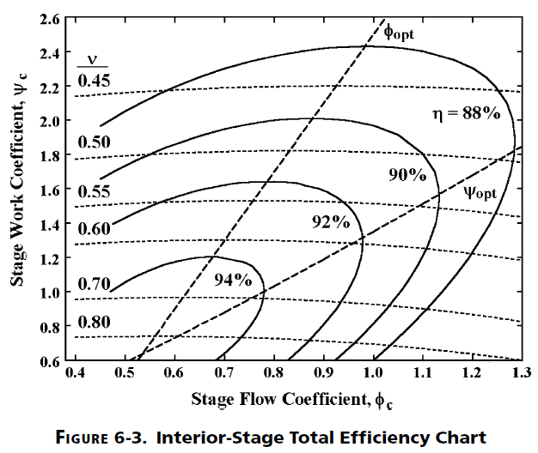
Kacker and Okapuu Efficiency Correlation and "Smith Chart", as developed by Aungier. Aungier "Turbine Aerodynamics".

 | Load Coeff. | Flow Coeff.

 | 2.5 | 0.9

 | eff_opt | 0.877375
 | Flow_opt | 1
 | K | 0.088

 | Isen. Eff. | 0.876495
 | Does not include tip clearance effects.

 | Tip Clearance Correction

 | Tip Zweiffel | 0.8
 | Tip. Clr. | 0.001
 | H/T Ratio | 0.818106
 | Ktip | 1.2606839355
 | Isen. Eff. | 0.87527946783
 | from Bashkarone & Hill.

REFDATA
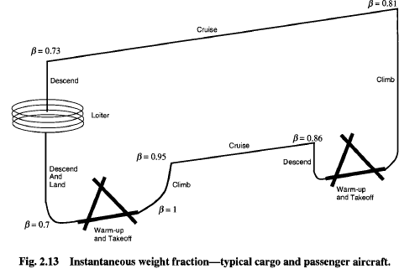
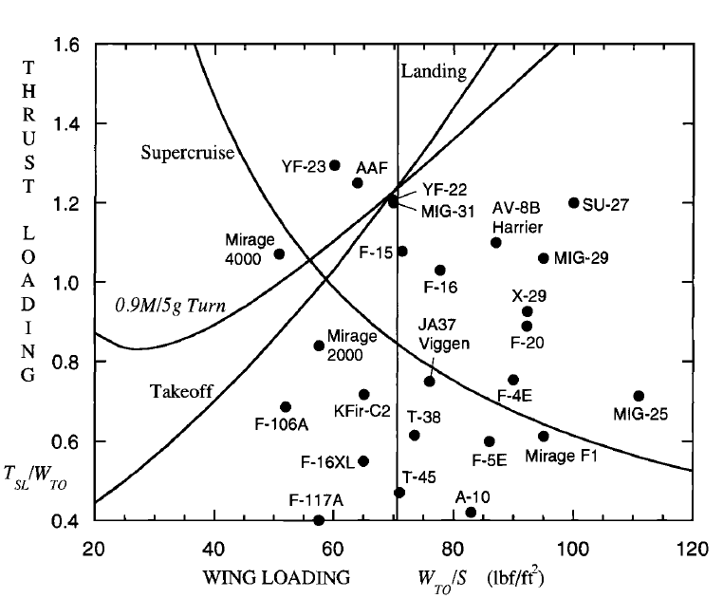
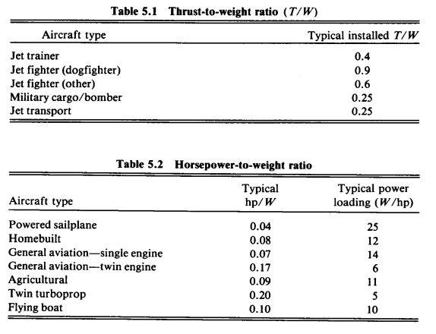
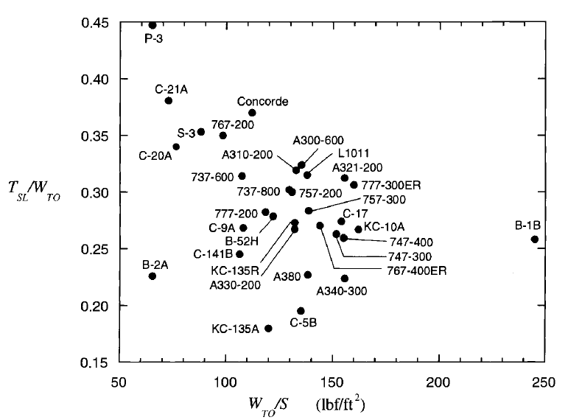

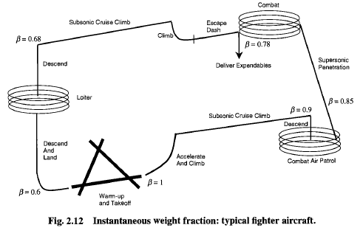

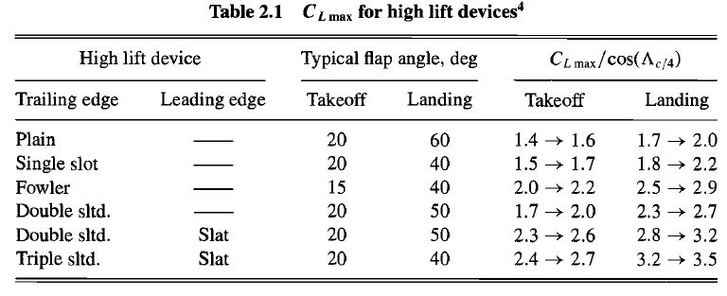
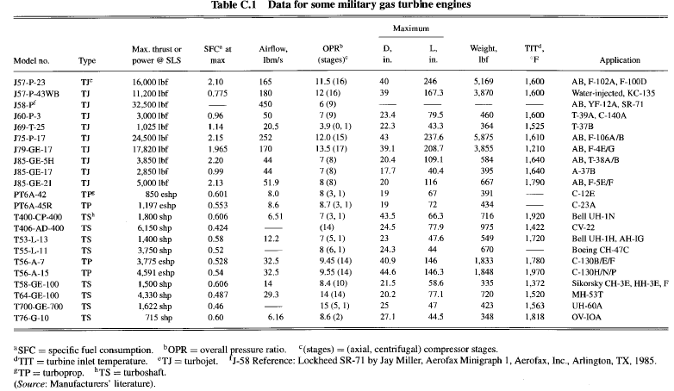
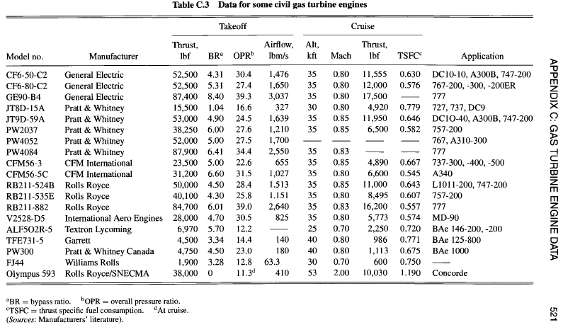

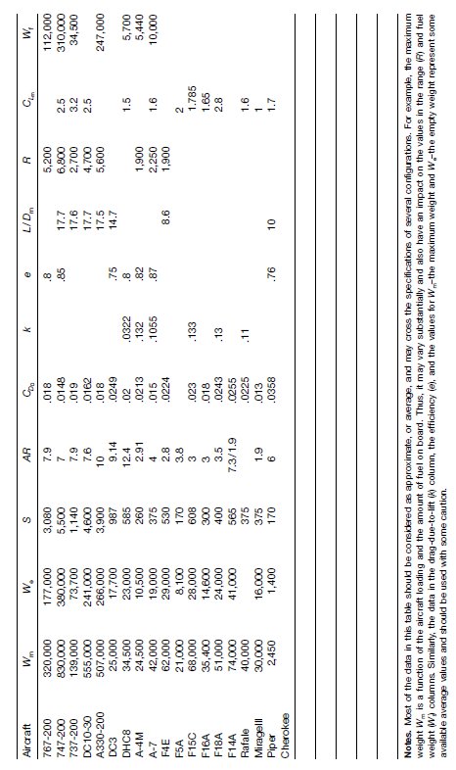

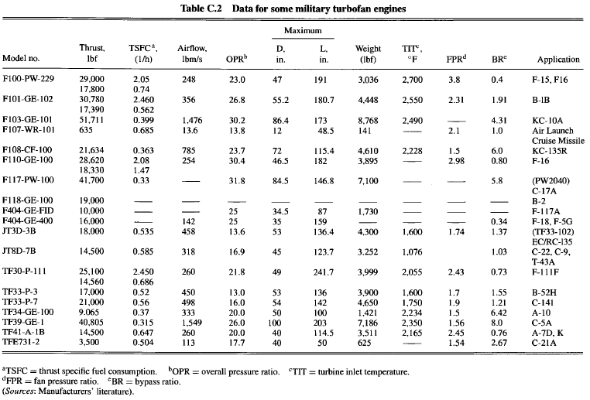

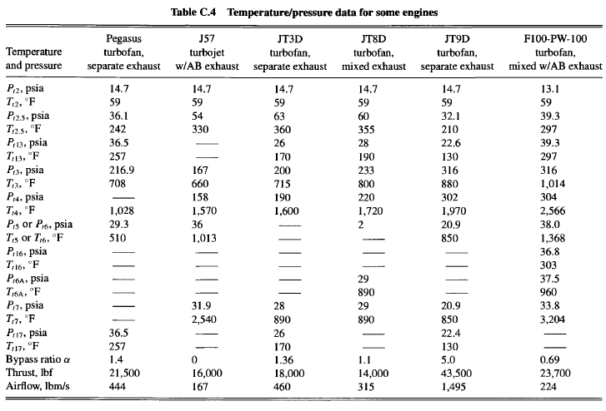

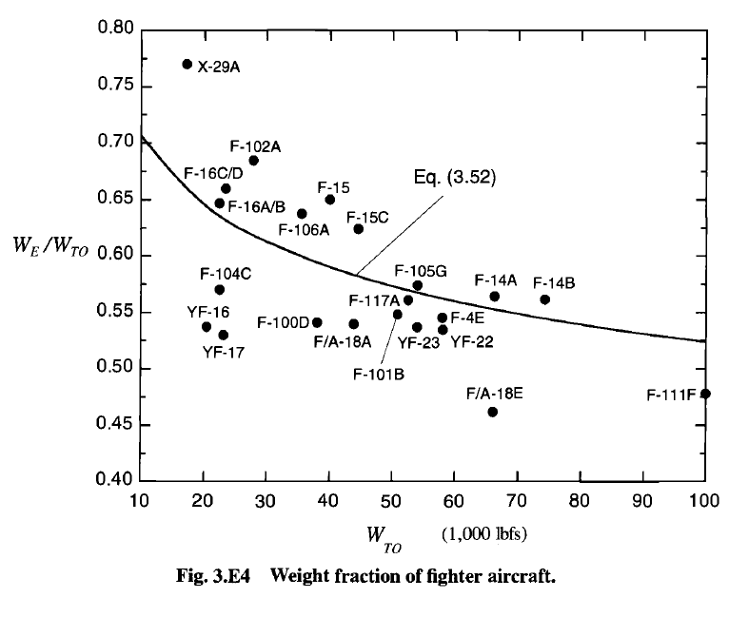

MIXER
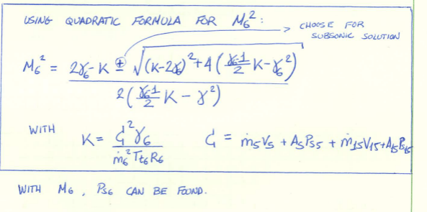
 | INPUTS |  |  | St.5 | St.15 | St.6
W5 [kg/s] | 70 |  | M | 0.50 | 0.49 | 0.51
Tt5 [K] | 744 |  | W [kg/s] | 70.00 | 495.00 | 565.00
Pt5 [kPa] | 75 |  | Tt [K] | 744.00 | 310.00 | 366.66
M5 | 0.5 |  | Pt [kPa] | 75.00 | 75.00 | 74.58
FAR 5 | 0.02 |  | FAR | 0.02 | 0.00 | 0.00
W15 [kg/s] | 495 |  | ht [kJ/kg] | 774.68 | 310.44 | 367.96
Pt15 [kPa] | 75 |  | cp [J/kg-K] | 1116.87 | 1004.44 | 1011.63
Tt15 [K] | 310 |  | gamma | 1.35 | 1.40 | 1.40
 |  |  | R [J/kg-K] | 287.05 | 287.05 | 287.05
Required (Pt/Ps)15 | 1.1790439426 |  | (g/(g-1)) | 3.89 | 3.50 | 3.52
Required M15 | 0.4921875 |  | Tt/Ts | 1.04 | 1.05 | 1.05
ht-Ave. Tt6 [K] | 366.6551814 |  | Pt/Ps | 1.18 | 1.18 | 1.19
k factor | 6.8015643082 |  | Ts [K] | 713.16 | 295.67 | 348.73
M6^2 | 0.25953786827 |  | Ps [kPa] | 63.61 | 63.61 | 62.51
Ps6 [kPa] | 62.505933145 |  | rhos [kg/m3] | 0.31 | 0.75 | 0.62
Mom. Def. [N] | 0.00 |  | V [m/s] | 262.45 | 169.67 | 190.45
Ps6/(min(Ps5,Ps15)) | 0.98 |  | A [m2] | 0.86 | 3.89 | 4.75
Ideal Pt6/Pt5 | 0.99446339996 |  | mom [N] | 72971.65 | 331597.82 | 404569.47

Pt15/Pt5 | Pt15 | 0.99446339996
0.8 | 60 | #VALUE!
0.85 | 63.75 | 0.85690030383
0.9 | 67.5 | 0.91131651498
0.95 | 71.25 | 0.95397380084
1 | 75 | 0.99446339996
1.05 | 78.75 | 1.0320804816
1.1 | 82.5 | 1.0696379591
1.15 | 86.25 | 1.1057437592
1.2 | 90 | 1.1420965621
1.25 | 93.75 | 1.1764745498
1.3 | 97.5 | 1.2097024136
1.35 | 101.25 | 1.2430267031
1.4 | 105 | 1.2761755399
1.45 | 108.75 | 1.308876903
1.5 | 112.5 | 1.3398474394
1.55 | 116.25 | 1.3697856993
1.6 | 120 | 1.4006201785
1.65 | 123.75 | #VALUE!
1.7 | 127.5 | #VALUE!
1.75 | 131.25 | #VALUE!
1.8 | 135 | #VALUE!
1.85 | 138.75 | #VALUE!

Pt5/Pt15 | Pt5 | 0.99446339996
0.5 | 37.5 | #VALUE!
0.55 | 41.25 | #VALUE!
0.6 | 45 | #VALUE!
0.65 | 48.75 | 1.3635167201
0.7 | 52.5 | 1.2952492592
0.75 | 56.25 | 1.2323179593
0.8 | 60 | 1.1764745498
0.85 | 63.75 | 1.1242910816
0.9 | 67.5 | 1.0773837001
0.95 | 71.25 | 1.0343811226
1 | 75 | 0.99446339996
1.05 | 78.75 | 0.95565673052
1.1 | 82.5 | 0.91919558847
1.15 | 86.25 | 0.8815208754
1.2 | 90 | #VALUE!

OPLINE
WrTP Turb | W2/W4 | P4/P3 | P2/P0 |  | W2 | r(PR…) | rT2/P3 | Eff |  |  |  |  | matches work or capacity
0.00077732622147 | 1.2447553195 | 0.95 | 0.997 |  | 49.506915784 | 1.56441043 | 0.00040311463639 | 0.9

 |  |  |  |  |  |  |  |  |  |  |  |  | Wcore
Gamma | Pamb [kPa] | Tamb [K] | Minf | PR | TR |  | PR/r(TR) | T0 | P0 | P0/rT0 | rT2/P3 | r(PR…) | Work | Capacity
1.4 | 24.54 | 220 | 0.85 | 58.212 | 7.1457580968 |  | 21.776514342 | 251.79 | 39357.712406 | 2480.336527 | 0.00040438425035 | 1.5612190771 | 44.507127754 | 49.499982697
1.4 | 24.54 | 220 | 0.85 | 57.212 | 7.1457580968 |  | 21.402424561 | 251.79 | 39357.712406 | 2480.336527 | 0.00040438425035 | 1.5555964696 | 44.667996021 | 48.649642858
1.4 | 24.54 | 220 | 0.85 | 56.212 | 7.1457580968 |  | 21.02833478 | 251.79 | 39357.712406 | 2480.336527 | 0.00040438425035 | 1.5498824362 | 44.832675882 | 47.799303019
1.4 | 24.54 | 220 | 0.85 | 55.212 | 7.1457580968 |  | 20.654244999 | 251.79 | 39357.712406 | 2480.336527 | 0.00040438425035 | 1.5440737733 | 45.001332267 | 46.94896318
1.4 | 24.54 | 220 | 0.85 | 54.212 | 7.1457580968 |  | 20.280155218 | 251.79 | 39357.712406 | 2480.336527 | 0.00040438425035 | 1.5381671033 | 45.174140552 | 46.098623342
1.4 | 24.54 | 220 | 0.85 | 53.212 | 7.1457580968 |  | 19.906065436 | 251.79 | 39357.712406 | 2480.336527 | 0.00040438425035 | 1.5321588613 | 45.351287434 | 45.248283503
1.4 | 24.54 | 220 | 0.85 | 52.212 | 7.1457580968 |  | 19.531975655 | 251.79 | 39357.712406 | 2480.336527 | 0.00040438425035 | 1.5260452814 | 45.532971899 | 44.397943664
1.4 | 24.54 | 220 | 0.85 | 51.212 | 7.1457580968 |  | 19.157885874 | 251.79 | 39357.712406 | 2480.336527 | 0.00040438425035 | 1.5198223804 | 45.719406301 | 43.547603825
1.4 | 24.54 | 220 | 0.85 | 50.212 | 7.1457580968 |  | 18.783796093 | 251.79 | 39357.712406 | 2480.336527 | 0.00040438425035 | 1.5134859413 | 45.910817549 | 42.697263986
1.4 | 24.54 | 220 | 0.85 | 49.212 | 7.1457580968 |  | 18.409706312 | 251.79 | 39357.712406 | 2480.336527 | 0.00040438425035 | 1.5070314943 | 46.107448436 | 41.846924148
1.4 | 24.54 | 220 | 0.85 | 48.212 | 7.1457580968 |  | 18.03561653 | 251.79 | 39357.712406 | 2480.336527 | 0.00040438425035 | 1.5004542959 | 46.309559115 | 40.996584309
1.4 | 24.54 | 220 | 0.85 | 47.212 | 7.1457580968 |  | 17.661526749 | 251.79 | 39357.712406 | 2480.336527 | 0.00040438425035 | 1.4937493061 | 46.517428749 | 40.14624447
1.4 | 24.54 | 220 | 0.85 | 46.212 | 7.1457580968 |  | 17.287436968 | 251.79 | 39357.712406 | 2480.336527 | 0.00040438425035 | 1.4869111629 | 46.73135736 | 39.295904631
1.4 | 24.54 | 220 | 0.85 | 45.212 | 7.1457580968 |  | 16.913347187 | 251.79 | 39357.712406 | 2480.336527 | 0.00040438425035 | 1.479934154 | 46.9516679 | 38.445564792
1.4 | 24.54 | 220 | 0.85 | 44.212 | 7.1457580968 |  | 16.539257406 | 251.79 | 39357.712406 | 2480.336527 | 0.00040438425035 | 1.4728121857 | 47.178708587 | 37.595224954
1.4 | 24.54 | 220 | 0.85 | 43.212 | 7.1457580968 |  | 16.165167625 | 251.79 | 39357.712406 | 2480.336527 | 0.00040438425035 | 1.4655387475 | 47.412855533 | 36.744885115
1.4 | 24.54 | 220 | 0.85 | 42.212 | 7.1457580968 |  | 15.791077843 | 251.79 | 39357.712406 | 2480.336527 | 0.00040438425035 | 1.4581068732 | 47.654515722 | 35.894545276
1.4 | 24.54 | 220 | 0.85 | 41.212 | 7.1457580968 |  | 15.416988062 | 251.79 | 39357.712406 | 2480.336527 | 0.00040438425035 | 1.4505090969 | 47.904130393 | 35.044205437
1.4 | 24.54 | 220 | 0.85 | 40.212 | 7.1457580968 |  | 15.042898281 | 251.79 | 39357.712406 | 2480.336527 | 0.00040438425035 | 1.4427374039 | 48.162178874 | 34.193865598
1.4 | 24.54 | 220 | 0.85 | 39.212 | 7.1457580968 |  | 14.6688085 | 251.79 | 39357.712406 | 2480.336527 | 0.00040438425035 | 1.4347831749 | 48.429182979 | 33.343525759
1.4 | 24.54 | 220 | 0.85 | 38.212 | 7.1457580968 |  | 14.294718719 | 251.79 | 39357.712406 | 2480.336527 | 0.00040438425035 | 1.4266371236 | 48.705712032 | 32.493185921
1.4 | 24.54 | 220 | 0.85 | 37.212 | 7.1457580968 |  | 13.920628937 | 251.79 | 39357.712406 | 2480.336527 | 0.00040438425035 | 1.4182892249 | 48.992388642 | 31.642846082
1.4 | 24.54 | 220 | 0.85 | 36.212 | 7.1457580968 |  | 13.546539156 | 251.79 | 39357.712406 | 2480.336527 | 0.00040438425035 | 1.4097286347 | 49.289895376 | 30.792506243
1.4 | 24.54 | 220 | 0.85 | 35.212 | 7.1457580968 |  | 13.172449375 | 251.79 | 39357.712406 | 2480.336527 | 0.00040438425035 | 1.4009435969 | 49.598982479 | 29.942166404
1.4 | 24.54 | 220 | 0.85 | 34.212 | 7.1457580968 |  | 12.798359594 | 251.79 | 39357.712406 | 2480.336527 | 0.00040438425035 | 1.3919213375 | 49.920476855 | 29.091826565
1.4 | 24.54 | 220 | 0.85 | 33.212 | 7.1457580968 |  | 12.424269813 | 251.79 | 39357.712406 | 2480.336527 | 0.00040438425035 | 1.3826479435 | 50.255292566 | 28.241486727
1.4 | 24.54 | 220 | 0.85 | 32.212 | 7.1457580968 |  | 12.050180031 | 251.79 | 39357.712406 | 2480.336527 | 0.00040438425035 | 1.3731082213 | 50.604443143 | 27.391146888
1.4 | 24.54 | 220 | 0.85 | 31.212 | 7.1457580968 |  | 11.67609025 | 251.79 | 39357.712406 | 2480.336527 | 0.00040438425035 | 1.3632855345 | 50.969056119 | 26.540807049
1.4 | 24.54 | 220 | 0.85 | 30.212 | 7.1457580968 |  | 11.302000469 | 251.79 | 39357.712406 | 2480.336527 | 0.00040438425035 | 1.3531616134 | 51.350390247 | 25.69046721
1.4 | 24.54 | 220 | 0.85 | 29.212 | 7.1457580968 |  | 10.927910688 | 251.79 | 39357.712406 | 2480.336527 | 0.00040438425035 | 1.3427163326 | 51.749856039 | 24.840127371
1.4 | 24.54 | 220 | 0.85 | 28.212 | 7.1457580968 |  | 10.553820907 | 251.79 | 39357.712406 | 2480.336527 | 0.00040438425035 | 1.3319274495 | 52.169040394 | 23.989787533
1.4 | 24.54 | 220 | 0.85 | 58.212 | 5 |  | 26.033197821 | 251.79 | 39357.712406 | 2480.336527 | 0.00040438425035 | 1.5612190771 | 44.507127754 | 59.175808462
1.4 | 24.54 | 220 | 0.85 | 57.212 | 5 |  | 25.585984226 | 251.79 | 39357.712406 | 2480.336527 | 0.00040438425035 | 1.5555964696 | 44.667996021 | 58.159251593
1.4 | 24.54 | 220 | 0.85 | 56.212 | 5 |  | 25.13877063 | 251.79 | 39357.712406 | 2480.336527 | 0.00040438425035 | 1.5498824362 | 44.832675882 | 57.142694724
1.4 | 24.54 | 220 | 0.85 | 55.212 | 5 |  | 24.691557035 | 251.79 | 39357.712406 | 2480.336527 | 0.00040438425035 | 1.5440737733 | 45.001332267 | 56.126137855
1.4 | 24.54 | 220 | 0.85 | 54.212 | 5 |  | 24.244343439 | 251.79 | 39357.712406 | 2480.336527 | 0.00040438425035 | 1.5381671033 | 45.174140552 | 55.109580986
1.4 | 24.54 | 220 | 0.85 | 53.212 | 5 |  | 23.797129844 | 251.79 | 39357.712406 | 2480.336527 | 0.00040438425035 | 1.5321588613 | 45.351287434 | 54.093024117
1.4 | 24.54 | 220 | 0.85 | 52.212 | 5 |  | 23.349916248 | 251.79 | 39357.712406 | 2480.336527 | 0.00040438425035 | 1.5260452814 | 45.532971899 | 53.076467248
1.4 | 24.54 | 220 | 0.85 | 51.212 | 5 |  | 22.902702653 | 251.79 | 39357.712406 | 2480.336527 | 0.00040438425035 | 1.5198223804 | 45.719406301 | 52.059910379
1.4 | 24.54 | 220 | 0.85 | 50.212 | 5 |  | 22.455489057 | 251.79 | 39357.712406 | 2480.336527 | 0.00040438425035 | 1.5134859413 | 45.910817549 | 51.04335351
1.4 | 24.54 | 220 | 0.85 | 49.212 | 5 |  | 22.008275462 | 251.79 | 39357.712406 | 2480.336527 | 0.00040438425035 | 1.5070314943 | 46.107448436 | 50.026796641
1.4 | 24.54 | 220 | 0.85 | 48.212 | 5 |  | 21.561061866 | 251.79 | 39357.712406 | 2480.336527 | 0.00040438425035 | 1.5004542959 | 46.309559115 | 49.010239772
1.4 | 24.54 | 220 | 0.85 | 47.212 | 5 |  | 21.113848271 | 251.79 | 39357.712406 | 2480.336527 | 0.00040438425035 | 1.4937493061 | 46.517428749 | 47.993682903
1.4 | 24.54 | 220 | 0.85 | 46.212 | 5 |  | 20.666634675 | 251.79 | 39357.712406 | 2480.336527 | 0.00040438425035 | 1.4869111629 | 46.73135736 | 46.977126033
1.4 | 24.54 | 220 | 0.85 | 45.212 | 5 |  | 20.21942108 | 251.79 | 39357.712406 | 2480.336527 | 0.00040438425035 | 1.479934154 | 46.9516679 | 45.960569164
1.4 | 24.54 | 220 | 0.85 | 44.212 | 5 |  | 19.772207484 | 251.79 | 39357.712406 | 2480.336527 | 0.00040438425035 | 1.4728121857 | 47.178708587 | 44.944012295
1.4 | 24.54 | 220 | 0.85 | 43.212 | 5 |  | 19.324993889 | 251.79 | 39357.712406 | 2480.336527 | 0.00040438425035 | 1.4655387475 | 47.412855533 | 43.927455426
1.4 | 24.54 | 220 | 0.85 | 42.212 | 5 |  | 18.877780293 | 251.79 | 39357.712406 | 2480.336527 | 0.00040438425035 | 1.4581068732 | 47.654515722 | 42.910898557
1.4 | 24.54 | 220 | 0.85 | 41.212 | 5 |  | 18.430566698 | 251.79 | 39357.712406 | 2480.336527 | 0.00040438425035 | 1.4505090969 | 47.904130393 | 41.894341688
1.4 | 24.54 | 220 | 0.85 | 40.212 | 5 |  | 17.983353102 | 251.79 | 39357.712406 | 2480.336527 | 0.00040438425035 | 1.4427374039 | 48.162178874 | 40.877784819
1.4 | 24.54 | 220 | 0.85 | 39.212 | 5 |  | 17.536139507 | 251.79 | 39357.712406 | 2480.336527 | 0.00040438425035 | 1.4347831749 | 48.429182979 | 39.86122795
1.4 | 24.54 | 220 | 0.85 | 38.212 | 5 |  | 17.088925911 | 251.79 | 39357.712406 | 2480.336527 | 0.00040438425035 | 1.4266371236 | 48.705712032 | 38.844671081
1.4 | 24.54 | 220 | 0.85 | 37.212 | 5 |  | 16.641712316 | 251.79 | 39357.712406 | 2480.336527 | 0.00040438425035 | 1.4182892249 | 48.992388642 | 37.828114212
1.4 | 24.54 | 220 | 0.85 | 36.212 | 5 |  | 16.19449872 | 251.79 | 39357.712406 | 2480.336527 | 0.00040438425035 | 1.4097286347 | 49.289895376 | 36.811557343
1.4 | 24.54 | 220 | 0.85 | 35.212 | 5 |  | 15.747285125 | 251.79 | 39357.712406 | 2480.336527 | 0.00040438425035 | 1.4009435969 | 49.598982479 | 35.795000474
1.4 | 24.54 | 220 | 0.85 | 34.212 | 5 |  | 15.300071529 | 251.79 | 39357.712406 | 2480.336527 | 0.00040438425035 | 1.3919213375 | 49.920476855 | 34.778443605
1.4 | 24.54 | 220 | 0.85 | 33.212 | 5 |  | 14.852857934 | 251.79 | 39357.712406 | 2480.336527 | 0.00040438425035 | 1.3826479435 | 50.255292566 | 33.761886736
1.4 | 24.54 | 220 | 0.85 | 32.212 | 5 |  | 14.405644338 | 251.79 | 39357.712406 | 2480.336527 | 0.00040438425035 | 1.3731082213 | 50.604443143 | 32.745329866
1.4 | 24.54 | 220 | 0.85 | 31.212 | 5 |  | 13.958430743 | 251.79 | 39357.712406 | 2480.336527 | 0.00040438425035 | 1.3632855345 | 50.969056119 | 31.728772997
1.4 | 24.54 | 220 | 0.85 | 30.212 | 5 |  | 13.511217147 | 251.79 | 39357.712406 | 2480.336527 | 0.00040438425035 | 1.3531616134 | 51.350390247 | 30.712216128
1.4 | 24.54 | 220 | 0.85 | 29.212 | 5 |  | 13.064003552 | 251.79 | 39357.712406 | 2480.336527 | 0.00040438425035 | 1.3427163326 | 51.749856039 | 29.695659259
1.4 | 24.54 | 220 | 0.85 | 28.212 | 5 |  | 12.616789956 | 251.79 | 39357.712406 | 2480.336527 | 0.00040438425035 | 1.3319274495 | 52.169040394 | 28.67910239

