FLIGHTPERF
Airframe |  |  |  |  | Constants
K1 | K2 | CD0 | CDR |  | R [J/(kg-K)] | gamma | g [m/s2]
0.18 | 0 | 0.014 | 0 |  | 287 | 1.4 | 9.81

Flight Conditions |  |  | Flight Phase Assumptions |  | Performance Required
Patm [kPa] | Tatm [K] | Minf | Thrust Lapse (α) | Weight Factor (β) | Load factor (n) | Vertical Speed [m/s] | Accel [m/s2] | VS (fpm) | VTAS [Kt]
101.33 | 288.15 | 0.8 | 1.52434001 | 0.75 | 1 | 118.69112104 | 0 | 23364.393906 | 529.13291741
0 | 0
rho [kg/m3] | a [m/s] | Vinf [m/s] | q [Pa] | dz/dt [m/s] | β/α | q/β | nβ/q
1.2252861429 | 340.26264855 | 272.21011884 | 45395.84 | 118.69112104 | 0.49201621363 | 60527.786667 | 1.6521337638E-05

(TSLS/WTO) vs (WTO/Sref)
Wing Loading (WTO/Sref ) |  |  |  | Thrust Loading
[lbf/ft2] | [Pa] | [kg/m2] |  | (TSLS/WTO)
20 | 958 | 97.615206705 |  | 0.65132108972 |  |  |  |  |  | Initial Preliminary Weight Fractions
25 | 1197 | 122.01900838 |  | 0.56459391619 |  |  |  |  |  | Leg | Weight Fraction
30 | 1436 | 146.42281006 |  | 0.50689256273 |  |  |  |  |  | Warm up | 1
35 | 1676 | 170.82661173 |  | 0.46577739217 |  |  |  |  |  | Take off | 1
40 | 1915 | 195.23041341 |  | 0.43502858591 |  |  |  |  |  | Top of Climb | 0.95
45 | 2155 | 219.63421509 |  | 0.4111906892 |  |  |  |  |  | Cruise Climb | 0.85
50 | 2394 | 244.03801676 |  | 0.39219042917 |  |  |  |  |  | Descent | 0.8
57.5 | 2753 | 280.64371928 |  | 0.37 |  |  |  |  |  | Maneuvers | 0.75
62.5 | 2993 | 305.04752095 |  | 0.35823516178 |  |  |  |  |  | Landing | 0.6
67.5 | 3232 | 329.45132263 |  | 0.34826515688 |  |  |  |  |  | These are to be used for initial guidance only, when no other data exists.
72.5 | 3471 | 353.85512431 |  | 0.33971864047
77.5 | 3711 | 378.25892598 |  | 0.33232009865
82.5 | 3950 | 402.66272766 |  | 0.32586080877
87.5 | 4190 | 427.06652934 |  | 0.32017975622
92.5 | 4429 | 451.47033101 |  | 0.31515074033
97.5 | 4668 | 475.87413269 |  | 0.31067344779
102.5 | 4908 | 500.27793436 |  | 0.30666713859
107.5 | 5147 | 524.68173604 |  | 0.30306609412
112.5 | 5387 | 549.08553772 |  | 0.29981627908
117.5 | 5626 | 573.48933939 |  | 0.29687285568
122.5 | 5865 | 597.89314107 |  | 0.29419830657
127.5 | 6105 | 622.29694275 |  | 0.29176099948
132.5 | 6344 | 646.70074442 |  | 0.28953407683
137.5 | 6584 | 671.1045461 |  | 0.28749458759
142.5 | 6823 | 695.50834777 |  | 0.28562280192
147.5 | 7062 | 719.91214945 |  | 0.28390166522
152.5 | 7302 | 744.31595113 |  | 0.28231635956
157.5 | 7541 | 768.7197528 |  | 0.28085394865
162.5 | 7781 | 793.12355448 |  | 0.27950308837
167.5 | 8020 | 817.52735616 |  | 0.27825378909
172.5 | 8259 | 841.93115783 |  | 0.27709721944
177.5 | 8499 | 866.33495951 |  | 0.2760255431
182.5 | 8738 | 890.73876118 |  | 0.27503178255
187.5 | 8978 | 915.14256286 |  | 0.27410970451
192.5 | 9217 | 939.54636454 |  | 0.27325372334
197.5 | 9456 | 963.95016621 |  | 0.27245881902
202.5 | 9696 | 988.35396789 |  | 0.27172046735

Service Ceiling
Airframe |  |  |  |  | Constants
K1 | K2 | CD0 | CDR |  | R [J/(kg-K)] | gamma | g [m/s2]
0.18 | 0 | 0.014 | 0 |  | 287 | 1.4 | 9.81

Flight Conditions |  |  | Flight Phase Assumptions |  | Performance Required
Patm [kPa] | Tatm [K] | Minf | Thrust Lapse (α) | Weight Factor (β) | Load factor (n) | Vertical Speed [m/s] | Accel [m/s2] | VS (fpm) | VTAS [Kt]
16.35 | 216.70 | 0.8 | 0.24592748145 | 0.85 | 1 | 0.508 | 0 | 100 | 458.86498996
42956.508396 | 13093.143759
rho [kg/m3] | a [m/s] | Vinf [m/s] | q [Pa] | dz/dt [m/s] | β/α | q/β | nβ/q
0.26284578545 | 295.076363 | 236.0610904 | 7323.519459 | 0.508 | 3.4563034394 | 8615.9052459 | 0.00011606441476

(TSLS/WTO) vs (WTO/Sref)
Wing Loading (WTO/Sref ) |  |  |  | Thrust Loading
[lbf/ft2] | [Pa] | [kg/m2] |  | (TSLS/WTO)
20 | 958 | 97.615206705 |  | 0.51195019004 |  |  |  |  |  | Initial Preliminary Weight Fractions
25 | 1197 | 122.01900838 |  | 0.4421636411 |  |  |  |  |  | Leg | Weight Fraction
30 | 1436 | 146.42281006 |  | 0.40140148 |  |  |  |  |  | Warm up | 1
35 | 1676 | 170.82661173 |  | 0.37722468337 |  |  |  |  |  | Take off | 1
40 | 1915 | 195.23041341 |  | 0.36341373954 |  |  |  |  |  | Top of Climb | 0.95
45 | 2155 | 219.63421509 |  | 0.35651336425 |  |  |  |  |  | Cruise Climb | 0.85
50 | 2394 | 244.03801676 |  | 0.35445038693 |  |  |  |  |  | Descent | 0.8
57.5 | 2753 | 280.64371928 |  | 0.35766557047 |  |  |  |  |  | Maneuvers | 0.75
60 | 2873 | 292.84562012 |  | 0.35999922822 |  |  |  |  |  | Landing | 0.6
65 | 3112 | 317.24942179 |  | 0.3661226167 |  |  |  |  |  | These are to be used for initial guidance only, when no other data exists.
70 | 3352 | 341.65322347 |  | 0.37384075176
75 | 3591 | 366.05702514 |  | 0.38283468409
80 | 3830 | 390.46082682 |  | 0.3928652017
85 | 4070 | 414.8646285 |  | 0.40374937777
90 | 4309 | 439.26843017 |  | 0.4153449359
95 | 4549 | 463.67223185 |  | 0.4275395526
100 | 4788 | 488.07603353 |  | 0.44024336909
105 | 5027 | 512.4798352 |  | 0.45338364253
110 | 5267 | 536.88363688 |  | 0.46690085608
115 | 5506 | 561.28743855 |  | 0.48074584363
120 | 5746 | 585.69124023 |  | 0.49487763344
125 | 5985 | 610.09504191 |  | 0.50926180922
130 | 6224 | 634.49884358 |  | 0.52386924953
135 | 6464 | 658.90264526 |  | 0.53867514718
140 | 6703 | 683.30644694 |  | 0.55365823891
145 | 6943 | 707.71024861 |  | 0.56880019427
150 | 7182 | 732.11405029 |  | 0.58408512692
155 | 7421 | 756.51785197 |  | 0.59949920034
160 | 7661 | 780.92165364 |  | 0.61503030757
165 | 7900 | 805.32545532 |  | 0.6306678092
170 | 8140 | 829.72925699 |  | 0.64640231746
175 | 8379 | 854.13305867 |  | 0.66222551752
180 | 8618 | 878.53686035 |  | 0.67813001838
185 | 8858 | 902.94066202 |  | 0.69410922809
190 | 9097 | 927.3444637 |  | 0.71015724858
195 | 9337 | 951.74826538 |  | 0.72626878671
200 | 9576 | 976.15206705 |  | 0.74243907867

ABS Ceiling
Airframe |  |  |  |  | Constants
K1 | K2 | CD0 | CDR |  | R [J/(kg-K)] | gamma | g [m/s2]
0.18 | 0 | 0.014 | 0 |  | 287 | 1.4 | 9.81

Flight Conditions |  |  | Flight Phase Assumptions |  | Performance Required
Patm [kPa] | Tatm [K] | Minf | Thrust Lapse (α) | Weight Factor (β) | Load factor (n) | Vertical Speed [m/s] | Accel [m/s2] | VS (fpm) | VTAS [Kt]
14.25 | 216.70 | 0.9 | 0.23777968651 | 0.85 | 1 | 0 | 0 | 0 | 516.2231137
45825.352292 | 13967.567379
rho [kg/m3] | a [m/s] | Vinf [m/s] | q [Pa] | dz/dt [m/s] | β/α | q/β | nβ/q
0.22904937249 | 295.076363 | 265.5687267 | 8077.0537554 | 0 | 3.5747376594 | 9502.4161828 | 0.00010523639259

(TSLS/WTO) vs (WTO/Sref)
Wing Loading (WTO/Sref ) |  |  |  | Thrust Loading
[lbf/ft2] | [Pa] | [kg/m2] |  | (TSLS/WTO)
20 | 958 | 97.615206705 |  | 0.56145883022 |  |  |  |  |  | Initial Preliminary Weight Fractions
25 | 1197 | 122.01900838 |  | 0.4783468186 |  |  |  |  |  | Leg | Weight Fraction
30 | 1436 | 146.42281006 |  | 0.42834246908 |  |  |  |  |  | Warm up | 1
35 | 1676 | 170.82661173 |  | 0.39725678361 |  |  |  |  |  | Take off | 1
40 | 1915 | 195.23041341 |  | 0.37799526319 |  |  |  |  |  | Top of Climb | 0.95
45 | 2155 | 219.63421509 |  | 0.36661651945 |  |  |  |  |  | Cruise Climb | 0.85
50 | 2394 | 244.03801676 |  | 0.36075571939 |  |  |  |  |  | Descent | 0.8
57.5 | 2753 | 280.64371928 |  | 0.35916183716 |  |  |  |  |  | Maneuvers | 0.75
60 | 2873 | 292.84562012 |  | 0.36007000665 |  |  |  |  |  | Landing | 0.6
65 | 3112 | 317.24942179 |  | 0.36354726514 |  |  |  |  |  | These are to be used for initial guidance only, when no other data exists.
70 | 3352 | 341.65322347 |  | 0.36884362594
75 | 3591 | 366.05702514 |  | 0.37559526859
80 | 3830 | 390.46082682 |  | 0.38352932774
85 | 4070 | 414.8646285 |  | 0.39243714167
90 | 4309 | 439.26843017 |  | 0.4021564179
95 | 4549 | 463.67223185 |  | 0.4125590308
100 | 4788 | 488.07603353 |  | 0.42354247989
105 | 5027 | 512.4798352 |  | 0.43502378855
110 | 5267 | 536.88363688 |  | 0.44693506685
115 | 5506 | 561.28743855 |  | 0.4592202318
120 | 5746 | 585.69124023 |  | 0.47183254755
125 | 5985 | 610.09504191 |  | 0.48473275602
130 | 6224 | 634.49884358 |  | 0.49788763882
135 | 6464 | 658.90264526 |  | 0.51126889879
140 | 6703 | 683.30644694 |  | 0.52485228124
145 | 6943 | 707.71024861 |  | 0.53861687694
150 | 7182 | 732.11405029 |  | 0.55254456458
155 | 7421 | 756.51785197 |  | 0.56661956106
160 | 7661 | 780.92165364 |  | 0.58082805618
165 | 7900 | 805.32545532 |  | 0.59515791369
170 | 8140 | 829.72925699 |  | 0.60959842516
175 | 8379 | 854.13305867 |  | 0.62414010595
180 | 8618 | 878.53686035 |  | 0.63877452529
185 | 8858 | 902.94066202 |  | 0.65349416384
190 | 9097 | 927.3444637 |  | 0.66829229376
195 | 9337 | 951.74826538 |  | 0.68316287726
200 | 9576 | 976.15206705 |  | 0.69810048032

FLIGHTPERF Maneuver
Airframe |  |  |  |  | Constants
K1 | K2 | CD0 | CDR |  | R [J/(kg-K)] | gamma | g [m/s2]
0.18 | 0 | 0.014 | 0 |  | 287 | 1.4 | 9.81

Flight Conditions |  |  | Flight Phase Assumptions |  | Performance Required
Patm [kPa] | Tatm [K] | Minf | Thrust Lapse (α) | Weight Factor (β) | Load factor (n) | Vertical Speed [m/s] | Accel [m/s2] | VS (fpm) | VTAS [Kt]
69.7 | 268.38 | 0.6 | 0.63691483745 | 0.75 | 3 | 0 | 0 | 0 | 382.9938547
10000 | 3048
rho [kg/m3] | a [m/s] | Vinf [m/s] | q [Pa] | dz/dt [m/s] | β/α | q/β | nβ/q
0.90490030128 | 328.38252694 | 197.02951616 | 17564.4 | 0 | 1.1775514651 | 23419.2 | 0.0001281000205

(TSLS/WTO) vs (WTO/Sref)
Wing Loading (WTO/Sref ) |  |  |  | Thrust Loading
[lbf/ft2] | [Pa] | [kg/m2] |  | (TSLS/WTO)
20 | 958 | 97.615206705 |  | 0.48117756186 |  |  |  |  |  | Initial Preliminary Weight Fractions
25 | 1197 | 122.01900838 |  | 0.42004324073 |  |  |  |  |  | Leg | Weight Fraction
30 | 1436 | 146.42281006 |  | 0.38578724725 |  |  |  |  |  | Warm up | 1
35 | 1676 | 170.82661173 |  | 0.36689029814 |  |  |  |  |  | Take off | 1
40 | 1915 | 195.23041341 |  | 0.35759275176 |  |  |  |  |  | Top of Climb | 0.95
45 | 2155 | 219.63421509 |  | 0.35469480719 |  |  |  |  |  | Cruise Climb | 0.85
50 | 2394 | 244.03801676 |  | 0.3562765839 |  |  |  |  |  | Descent | 0.8
57.5 | 2753 | 280.64371928 |  | 0.36449236367 |  |  |  |  |  | Maneuvers | 0.75
60 | 2873 | 292.84562012 |  | 0.36839957987 |  |  |  |  |  | Landing | 0.6
65 | 3112 | 317.24942179 |  | 0.37756242335 |  |  |  |  |  | These are to be used for initial guidance only, when no other data exists.
70 | 3352 | 341.65322347 |  | 0.38820209802
75 | 3591 | 366.05702514 |  | 0.40002323764
80 | 3830 | 390.46082682 |  | 0.41280431754
85 | 4070 | 414.8646285 |  | 0.42637593648
90 | 4309 | 439.26843017 |  | 0.44060633796
95 | 4549 | 463.67223185 |  | 0.45539150369
100 | 4788 | 488.07603353 |  | 0.47064821903
105 | 5027 | 512.4798352 |  | 0.48630911974
110 | 5267 | 536.88363688 |  | 0.50231908964
115 | 5506 | 561.28743855 |  | 0.51863259797
120 | 5746 | 585.69124023 |  | 0.53521170242
125 | 5985 | 610.09504191 |  | 0.55202453146
130 | 6224 | 634.49884358 |  | 0.56904411687
135 | 6464 | 658.90264526 |  | 0.58624748571
140 | 6703 | 683.30644694 |  | 0.60361494691
145 | 6943 | 707.71024861 |  | 0.62112952539
150 | 7182 | 732.11405029 |  | 0.63877650943
155 | 7421 | 756.51785197 |  | 0.65654308558
160 | 7661 | 780.92165364 |  | 0.67441804209
165 | 7900 | 805.32545532 |  | 0.69239152618
170 | 8140 | 829.72925699 |  | 0.71045484426
175 | 8379 | 854.13305867 |  | 0.72860029627
180 | 8618 | 878.53686035 |  | 0.74682103771
185 | 8858 | 902.94066202 |  | 0.76511096404
190 | 9097 | 927.3444637 |  | 0.78346461328
195 | 9337 | 951.74826538 |  | 0.80187708369
200 | 9576 | 976.15206705 |  | 0.82034396366

FLIGHTPERF Cruise
Airframe |  |  |  |  | Constants
K1 | K2 | CD0 | CDR |  | R [J/(kg-K)] | gamma | g [m/s2]
0.18 | 0 | 0.014 | 0 |  | 287 | 1.4 | 9.81

Flight Conditions |  |  | Flight Phase Assumptions |  | Performance Required
Patm [kPa] | Tatm [K] | Minf | Thrust Lapse (α) | Weight Factor (β) | Load factor (n) | Vertical Speed [m/s] | Accel [m/s2] | VS (fpm) | VTAS [Kt]
20.72 | 216.7 | 0.65 | 0.30516461566 | 0.85 | 1 | 0 | 0 | 0 | 372.82780434
38000 | 11582.4
rho [kg/m3] | a [m/s] | Vinf [m/s] | q [Pa] | dz/dt [m/s] | β/α | q/β | nβ/q
0.33315700024 | 295.076363 | 191.79963595 | 6127.94 | 0 | 2.7853819099 | 7209.3411765 | 0.00013870892992

(TSLS/WTO) vs (WTO/Sref)
Wing Loading (WTO/Sref ) |  |  |  | Thrust Loading
[lbf/ft2] | [Pa] | [kg/m2] |  | (TSLS/WTO)
20 | 958 | 97.615206705 |  | 0.36017290217 |  |  |  |  |  | Initial Preliminary Weight Fractions
25 | 1197 | 122.01900838 |  | 0.31810652299 |  |  |  |  |  | Leg | Weight Fraction
30 | 1436 | 146.42281006 |  | 0.29561193709 |  |  |  |  |  | Warm up | 1
35 | 1676 | 170.82661173 |  | 0.28430123309 |  |  |  |  |  | Take off | 1
40 | 1915 | 195.23041341 |  | 0.27998045525 |  |  |  |  |  | Top of Climb | 0.95
45 | 2155 | 219.63421509 |  | 0.2803196282 |  |  |  |  |  | Cruise Climb | 0.85
50 | 2394 | 244.03801676 |  | 0.2839207667 |  |  |  |  |  | Descent | 0.8
57.5 | 2753 | 280.64371928 |  | 0.29357721212 |  |  |  |  |  | Maneuvers | 0.75
60 | 2873 | 292.84562012 |  | 0.2976469748 |  |  |  |  |  | Landing | 0.6
65 | 3112 | 317.24942179 |  | 0.30676836269 |  |  |  |  |  | These are to be used for initial guidance only, when no other data exists.
70 | 3352 | 341.65322347 |  | 0.31696512384
75 | 3591 | 366.05702514 |  | 0.32802218359
80 | 3830 | 390.46082682 |  | 0.33977823596
85 | 4070 | 414.8646285 |  | 0.35210992931
90 | 4309 | 439.26843017 |  | 0.36492132348
95 | 4549 | 463.67223185 |  | 0.37813667623
100 | 4788 | 488.07603353 |  | 0.39169539377
105 | 5027 | 512.4798352 |  | 0.40554842399
110 | 5267 | 536.88363688 |  | 0.41965563335
115 | 5506 | 561.28743855 |  | 0.43398386804
120 | 5746 | 585.69124023 |  | 0.4485054999
125 | 5985 | 610.09504191 |  | 0.46319732127
130 | 6224 | 634.49884358 |  | 0.47803969489
135 | 6464 | 658.90264526 |  | 0.49301589274
140 | 6703 | 683.30644694 |  | 0.50811157651
145 | 6943 | 707.71024861 |  | 0.52331438558
150 | 7182 | 732.11405029 |  | 0.53861360742
155 | 7421 | 756.51785197 |  | 0.55399991178
160 | 7661 | 780.92165364 |  | 0.56946513465
165 | 7900 | 805.32545532 |  | 0.58500210164
170 | 8140 | 829.72925699 |  | 0.60060448237
175 | 8379 | 854.13305867 |  | 0.61626666996
180 | 8618 | 878.53686035 |  | 0.63198368049
185 | 8858 | 902.94066202 |  | 0.64775106888
190 | 9097 | 927.3444637 |  | 0.66356485791
195 | 9337 | 951.74826538 |  | 0.67942147831
200 | 9576 | 976.15206705 |  | 0.69531771772

FLIGHTPERF Climb
 |  |  |  |  |  |  |  |  |  | 90.835296327
Airframe |  |  |  |  | Constants |  |  |  |  | 63.853488985
K1 | K2 | CD0 | CDR |  | R [J/(kg-K)] | gamma | g [m/s2] |  |  | 43.763993246
0.18 | 0 | 0.014 | 0 |  | 287 | 1.4 | 9.81 |  |  | 29.145657332
 |  |  |  |  |  |  |  |  |  | 18.835521147
Flight Conditions |  |  | Flight Phase Assumptions |  | Performance Required
Patm [kPa] | Tatm [K] | Minf | Thrust Lapse (α) | Weight Factor (β) | Load factor (n) | Vertical Speed [m/s] | Accel [m/s2] | VS (fpm) | VTAS [Kt]
90.84 | 282.25 | 0.55 | 0.72827666534 | 1 | 1 | 25.4 | 0 | 5000 | 360.03535144
3000 | 914.4
rho [kg/m3] | a [m/s] | Vinf [m/s] | q [Pa] | dz/dt [m/s] | β/α | q/β | nβ/q
1.1214018758 | 336.76111711 | 185.21861441 | 19235.37 | 25.4 | 1.3731045461 | 19235.37 | 5.1987562496E-05

(TSLS/WTO) vs (WTO/Sref)
Wing Loading (WTO/Sref ) |  |  |  | Thrust Loading
[lbf/ft2] | [Pa] | [kg/m2] |  | (TSLS/WTO)
20 | 958 | 97.615206705 |  | 0.58674628023 |  |  |  |  |  |  | Initial Preliminary Weight Fractions
25 | 1197 | 122.01900838 |  | 0.51259423028 |  |  |  |  |  |  | Leg | Weight Fraction
30 | 1436 | 146.42281006 |  | 0.46418490078 |  |  |  |  |  |  | Warm up | 1
35 | 1676 | 170.82661173 |  | 0.43048569726 |  |  |  |  |  |  | Take off | 1
40 | 1915 | 195.23041341 |  | 0.40598032247 |  |  |  |  |  |  | Top of Climb | 0.95
45 | 2155 | 219.63421509 |  | 0.38760416683 |  |  |  |  |  |  | Cruise Climb | 0.85
50 | 2394 | 244.03801676 |  | 0.3735184646 |  |  |  |  |  |  | Descent | 0.8
57.5 | 2753 | 280.64371928 |  | 0.35798615483 |  |  |  |  |  |  | Maneuvers | 0.75
60 | 2873 | 292.84562012 |  | 0.35392796696 |  |  |  |  |  |  | Landing | 0.6
65 | 3112 | 317.24942179 |  | 0.34710303204 |  |  |  |  |  |  | These are to be used for initial guidance only, when no other data exists.
70 | 3352 | 341.65322347 |  | 0.34169253231
75 | 3591 | 366.05702514 |  | 0.33741358072
80 | 3830 | 390.46082682 |  | 0.33405401202
85 | 4070 | 414.8646285 |  | 0.33145158215
90 | 4309 | 439.26843017 |  | 0.32948010131
95 | 4549 | 463.67223185 |  | 0.32803994597
100 | 4788 | 488.07603353 |  | 0.3270514173
105 | 5027 | 512.4798352 |  | 0.32644999721
110 | 5267 | 536.88363688 |  | 0.32618289817
115 | 5506 | 561.28743855 |  | 0.32620651308
120 | 5746 | 585.69124023 |  | 0.32648450269
125 | 5985 | 610.09504191 |  | 0.32698634205
130 | 6224 | 634.49884358 |  | 0.32768620234
135 | 6464 | 658.90264526 |  | 0.32856208123
140 | 6703 | 683.30644694 |  | 0.32959511958
145 | 6943 | 707.71024861 |  | 0.33076905952
150 | 7182 | 732.11405029 |  | 0.3320698109
155 | 7421 | 756.51785197 |  | 0.33348510163
160 | 7661 | 780.92165364 |  | 0.33500419365
165 | 7900 | 805.32545532 |  | 0.33661765048
170 | 8140 | 829.72925699 |  | 0.33831714582
175 | 8379 | 854.13305867 |  | 0.34009530494
180 | 8618 | 878.53686035 |  | 0.34194557251
185 | 8858 | 902.94066202 |  | 0.34386210191
190 | 9097 | 927.3444637 |  | 0.34583966195
195 | 9337 | 951.74826538 |  | 0.34787355795
200 | 9576 | 976.15206705 |  | 0.34995956472

FLIGHTPERF Descent
 |  |  |  |  |  |  |  |  |  | 90.835296327
Airframe |  |  |  |  | Constants |  |  |  |  | 63.853488985
K1 | K2 | CD0 | CDR |  | R [J/(kg-K)] | gamma | g [m/s2] |  |  | 43.763993246
0.18 | 0 | 0.014 | 0 |  | 287 | 1.4 | 9.81 |  |  | 29.145657332
 |  |  |  |  |  |  |  |  |  | 18.835521147
Flight Conditions |  |  | Flight Phase Assumptions |  | Performance Required
Patm [kPa] | Tatm [K] | Minf | Thrust Lapse (α) | Weight Factor (β) | Load factor (n) | Vertical Speed [m/s] | Accel [m/s2] | VS (fpm) | VTAS [Kt]
90.84 | 282.25 | 0.6 | 0.72827666534 | 1 | 1 | -2.54 | 0 | -500 | 392.76583793
3000 | 914.4
rho [kg/m3] | a [m/s] | Vinf [m/s] | q [Pa] | dz/dt [m/s] | β/α | q/β | nβ/q
1.1214018758 | 336.76111711 | 202.05667027 | 22891.68 | -2.54 | 1.3731045461 | 22891.68 | 4.3683993486E-05

(TSLS/WTO) vs (WTO/Sref)
Wing Loading (WTO/Sref ) |  |  |  | Thrust Loading
[lbf/ft2] | [Pa] | [kg/m2] |  | (TSLS/WTO)
20 | 958 | 97.615206705 |  | 0.45261769717 |  |  |  |  |  |  | Initial Preliminary Weight Fractions
25 | 1197 | 122.01900838 |  | 0.36329459073 |  |  |  |  |  |  | Leg | Weight Fraction
30 | 1436 | 146.42281006 |  | 0.30460744912 |  |  |  |  |  |  | Warm up | 1
35 | 1676 | 170.82661173 |  | 0.26342657312 |  |  |  |  |  |  | Take off | 1
40 | 1915 | 195.23041341 |  | 0.23318711314 |  |  |  |  |  |  | Top of Climb | 0.95
45 | 2155 | 219.63421509 |  | 0.2102419305 |  |  |  |  |  |  | Cruise Climb | 0.85
50 | 2394 | 244.03801676 |  | 0.192402742 |  |  |  |  |  |  | Descent | 0.8
57.5 | 2753 | 280.64371928 |  | 0.17230395161 |  |  |  |  |  |  | Maneuvers | 0.75
62.5 | 2993 | 305.04752095 |  | 0.16210155434 |  |  |  |  |  |  | Landing | 0.6
67.5 | 3232 | 329.45132263 |  | 0.1537935549 |  |  |  |  |  |  | These are to be used for initial guidance only, when no other data exists.
72.5 | 3471 | 353.85512431 |  | 0.14698800891
77.5 | 3711 | 378.25892598 |  | 0.14139411892
82.5 | 3950 | 402.66272766 |  | 0.13679158385
87.5 | 4190 | 427.06652934 |  | 0.13301045713
92.5 | 4429 | 451.47033101 |  | 0.12991753742
97.5 | 4668 | 475.87413269 |  | 0.12740694671
102.5 | 4908 | 500.27793436 |  | 0.12539346612
107.5 | 5147 | 524.68173604 |  | 0.12380773145
112.5 | 5387 | 549.08553772 |  | 0.12259270992
117.5 | 5626 | 573.48933939 |  | 0.12170107643
122.5 | 5865 | 597.89314107 |  | 0.12109323246
127.5 | 6105 | 622.29694275 |  | 0.120735791
132.5 | 6344 | 646.70074442 |  | 0.1206004046
137.5 | 6584 | 671.1045461 |  | 0.12066284906
142.5 | 6823 | 695.50834777 |  | 0.1209023001
147.5 | 7062 | 719.91214945 |  | 0.12130075703
152.5 | 7302 | 744.31595113 |  | 0.12184257994
157.5 | 7541 | 768.7197528 |  | 0.12251411493
162.5 | 7781 | 793.12355448 |  | 0.12330338856
167.5 | 8020 | 817.52735616 |  | 0.12419985708
172.5 | 8259 | 841.93115783 |  | 0.1251941992
177.5 | 8499 | 866.33495951 |  | 0.12627814391
182.5 | 8738 | 890.73876118 |  | 0.12744432661
187.5 | 8978 | 915.14256286 |  | 0.12868616826
192.5 | 9217 | 939.54636454 |  | 0.12999777336
197.5 | 9456 | 963.95016621 |  | 0.13137384342
202.5 | 9696 | 988.35396789 |  | 0.13280960326

Constraint Plot
(TSLS/WTO) vs (WTO/Sref)
 | Maneuver |  | Landing |  | Takeoff |  | Cruise |  | Climb |  | ABS Ceiling |  | Service Ceiling
20 | 0.48117756186 | 20 | 0.124 | 77.86 | 0.000 | 20 | 0.36017290217 | 20 | 0.58674628023 | 20 | 0.56145883022 | 20 | 0.51195019004
25 | 0.42004324073 | 25 | 0.155 | 77.86 | 0.484 | 25 | 0.31810652299 | 25 | 0.51259423028 | 25 | 0.4783468186 | 25 | 0.4421636411
30 | 0.38578724725 | 30 | 0.187 | 77.86 | 4.000 | 30 | 0.29561193709 | 30 | 0.46418490078 | 30 | 0.42834246908 | 30 | 0.40140148
35 | 0.36689029814 | 35 | 0.218 |  |  | 35 | 0.28430123309 | 35 | 0.43048569726 | 35 | 0.39725678361 | 35 | 0.37722468337
40 | 0.35759275176 | 40 | 0.249 |  |  | 40 | 0.27998045525 | 40 | 0.40598032247 | 40 | 0.37799526319 | 40 | 0.36341373954
45 | 0.35469480719 | 45 | 0.280 |  |  | 45 | 0.2803196282 | 45 | 0.38760416683 | 45 | 0.36661651945 | 45 | 0.35651336425
50 | 0.3562765839 | 50 | 0.311 |  |  | 50 | 0.2839207667 | 50 | 0.3735184646 | 50 | 0.36075571939 | 50 | 0.35445038693
57.5 | 0.36449236367 | 57.5 | 0.358 |  |  | 57.5 | 0.29357721212 | 57.5 | 0.35798615483 | 57.5 | 0.35916183716 | 57.5 | 0.35766557047
60 | 0.36839957987 | 60 | 0.373 |  |  | 60 | 0.2976469748 | 60 | 0.35392796696 | 60 | 0.36007000665 | 60 | 0.35999922822
65 | 0.37756242335 | 65 | 0.404 |  |  | 65 | 0.30676836269 | 65 | 0.34710303204 | 65 | 0.36354726514 | 65 | 0.3661226167
70 | 0.38820209802 | 70 | 0.435 |  |  | 70 | 0.31696512384 | 70 | 0.34169253231 | 70 | 0.36884362594 | 70 | 0.37384075176
75 | 0.40002323764 | 75 | 0.466 |  |  | 75 | 0.32802218359 | 75 | 0.33741358072 | 75 | 0.37559526859 | 75 | 0.38283468409
80 | 0.41280431754 | 80 | 0.497 |  |  | 80 | 0.33977823596 | 80 | 0.33405401202 | 80 | 0.38352932774 | 80 | 0.3928652017
85 | 0.42637593648 | 85 | 0.529 |  |  | 85 | 0.35210992931 | 85 | 0.33145158215 | 85 | 0.39243714167 | 85 | 0.40374937777
90 | 0.44060633796 | 90 | 0.560 |  |  | 90 | 0.36492132348 | 90 | 0.32948010131 | 90 | 0.4021564179 | 90 | 0.4153449359
95 | 0.45539150369 | 95 | 0.591 |  |  | 95 | 0.37813667623 | 95 | 0.32803994597 | 95 | 0.4125590308 | 95 | 0.4275395526
100 | 0.47064821903 | 100 | 0.622 |  |  | 100 | 0.39169539377 | 100 | 0.3270514173 | 100 | 0.42354247989 | 100 | 0.44024336909
105 | 0.48630911974 | 105 | 0.653 |  |  | 105 | 0.40554842399 | 105 | 0.32644999721 | 105 | 0.43502378855 | 105 | 0.45338364253
110 | 0.50231908964 | 110 | 0.684 |  |  | 110 | 0.41965563335 | 110 | 0.32618289817 | 110 | 0.44693506685 | 110 | 0.46690085608
115 | 0.51863259797 | 115 | 0.715 |  |  | 115 | 0.43398386804 | 115 | 0.32620651308 | 115 | 0.4592202318 | 115 | 0.48074584363
120 | 0.53521170242 | 120 | 0.746 |  |  | 120 | 0.4485054999 | 120 | 0.32648450269 | 120 | 0.47183254755 | 120 | 0.49487763344

MISSION (2)
 |  |  |  |  |  |  |  |  |  | Installation effects factor: | 1.05
 |  | * | ** | *** |  | 0.2364022149 |  |  |  |  |  |  |  |  |  | [lbm] |  | [lbm]
CASE |  | [lbf/lbf] | Thrust Lapse Rate (α) | TSFC [(lbm/hr)/lbf)] | [hr] | [lbm/lbf] | Weight Fraction (β) |  | Actual Installed Thust Required [lbf] | Actual Installed Thust Required [lbf] | Actual Fuel Burn [lbm] | Actual Net Thust Required [kN] | Actual Fuel Burn [kg] |  | Type | WP | WF/WTO | WTO Guess
 |  | (TSLS/WTO)req | T/TSLS | WFdot/T | Time | WF/WTO | W/WTO |  |  |  |  |  |  |  | 3 | 1102.311 | 0.2364022149 | 13341.939154
Takeoff |  | 0.358 | 0.83251057252 | 0.64033279486 | 0.02 | 0.0038168801631 | 0.99618311984 | Takeoff | 3975.1963312 | 4173.9561478 | 50.908971538 | 18.566675216 | 23.091902218
Climb1 |  | 0.358 | 0.72827666534 | 0.77878789969 | 0.04 | 0.0081219181418 | 0.9880612017 | Climb1 | 3477.4846395 | 3651.3588715 | 108.32891834 | 16.242047559 | 49.13713073 |  | WE | WF | WP | WTO Calc
Climb2 |  | 0.358 | 0.61890481193 | 0.75228874071 | 0.04 | 0.0066673221411 | 0.98139387955 | Climb2 | 2955.2395116 | 3103.0014872 | 88.927736427 | 13.802833275 | 40.336909822 |  | 9081.4741042 | 3154.063967 | 1102.311 | 13337.849071 | [lbm]
Climb3 |  | 0.358 | 0.52100679798 | 0.74716260445 | 0.04 | 0.0055744437203 | 0.97581943583 | Climb3 | 2487.7813931 | 2612.1704627 | 74.351088998 | 11.619508896 | 33.725059161 |  | 4119.2840019 | 1430.6581829 | 499.99945111 | 6049.9416359 | [kg]
Climb4 |  | 0.358 | 0.41994709657 | 0.78014710249 | 0.04 | 0.0046915257116 | 0.97112791012 | Climb4 | 2005.2263751 | 2105.4876939 | 62.574861856 | 9.3656724696 | 28.383456739 |  | WE/WTO | WP/WTO |  | Error*100
TOC5 |  | 0.358 | 0.30461870887 | 0.7995995893 | 0.04 | 0.0034879652814 | 0.96763994484 | TOC5 | 1454.539094 | 1527.2660487 | 46.521954488 | 6.7936153833 | 21.10198638 |  | 0.68067122772 | 0.082619999032 |  | -409.00829451 | <---- | Goal seek to zero by changing WTO Guess.
Cruise |  | 0.294 | 0.30613342332 | 0.74201528579 | 1.5 | 0.1001756547 | 0.86746429014 | Cruise | 1200.4494504 | 1260.4719229 | 1336.127763 | 5.6068564169 | 606.05686428 |  | Type of aircraft and guessed WTO yield WE/WTO.
Descent5 |  | 0.159 | 0.30516461566 | 0.77341110525 | 0.08 | 0.0030021451781 | 0.86446214496 | Descent5 | 647.1680941 | 679.52649881 | 40.042159275 | 3.0226833625 | 18.16280311 |  | These correlations come from Mattingly for WTO in [lbm].
Descent4 |  | 0.127 | 0.4199443752 | 0.78802694833 | 0.08 | 0.0033622232421 | 0.86109992172 | Descent4 | 711.34664623 | 746.91397854 | 44.844826147 | 3.3224376976 | 20.341254382
Descent3 |  | 0.121 | 0.51651817059 | 0.82405111809 | 0.08 | 0.0041201697995 | 0.85697975192 | Descent3 | 833.59820962 | 875.2781201 | 54.954202934 | 3.8934296394 | 24.926786817 |  | Types
Maneuver |  | 0.364 | 0.651942242 | 0.77652491529 | 0.12 | 0.022112973541 | 0.83486677838 | Maneuver | 3165.1646306 | 3323.4228621 | 294.9395036 | 14.783316044 | 133.78219932 |  | 1 | Cargo
 |  |  |  |  |  | 0 | 0.83486677838 | 0 | 0 | 0 | 0 | 0 | 0 |  | 2 | Passenger
 |  |  |  |  |  | 0 | 0.83486677838 | 0 | 0 | 0 | 0 | 0 | 0 |  | 3 | Fighter
 |  |  |  |  |  | 0 | 0.83486677838 | 0 | 0 | 0 | 0 | 0 | 0
Cruise Reserve |  | 0.294 | 0.30613342332 | 0.74201528579 | 0.75 | 0.050087827351 | 0.78477895103 | Cruise Reserve | 1200.4494504 | 1260.4719229 | 668.06388151 | 5.6068564169 | 303.02843214
Descent2 |  | 0.137 | 0.61187279229 | 0.84522643857 | 0.08 | 0.0056681948295 | 0.7791107562 | Descent2 | 1118.0661727 | 1173.9694814 | 75.601527142 | 5.2220745265 | 34.2922479
Descent1 |  | 0.172 | 0.72101605064 | 0.85531631286 | 0.08 | 0.0084857478296 | 0.77062500837 | Descent1 | 1654.090161 | 1736.794669 | 113.18162381 | 7.7256447825 | 51.338279106
 |  |  |  |  |  | 0 | 0.77062500837 | 0 | 0 | 0 | 0 | 0 | 0
 |  |  |  |  |  | 0 | 0.77062500837 | 0 | 0 | 0 | 0 | 0 | 0
Traffic pattern1 |  | 0.189 | 0.72101605064 | 0.85531631286 | 0.05 | 0.005827784665 | 0.7647972237 | Traffic pattern1 | 1817.5758164 | 1908.4546072 | 77.730112281 | 8.4892259529 | 35.25775709
Land |  | 0.15 | 0.83251057252 | 0.64033279486 | 0.015 | 0.0011994385987 | 0.7635977851 | Land | 1665.585055 | 1748.8643077 | 15.997931 | 7.7793331909 | 7.2565335181
Ceiling |  | 0.365 |  | 0.820721954 | 0.01 | 0 | 0.7635977851 | Ceiling | 0 | 0 | 0 | 0 | 0
Note: In SI, a fuel consumption in g (grams) should be converted to kN to arrive at WF/WTO. In USC, [lbm/lbf] may be considerered dimensionless. Note that SI units for TSFC are [(g/s)/kN].
 |  |  |  |  |  |  |  |  |  | Mass flow rate (mdot0) | Specific Thrust
 |  |  |  |  |  |  |  |  |  |  | calculate later

* | This is the required thrust loading for that particular maneuver, not the available thrust loading.
** | This is the thust lapse due to altitude and Mach number. Initially correlations can be used, but an offdesign model can be used to generate a better correlation.
*** | This TSFC may intiailly be an estimate or correlation, but should be replaced by the actual value from a performance model run at the conditions corresponding to the mission phase and at a power setting matching the actual thrust (with consideration of installation effects). If TSFC is obtained from a performance model for an uninstalled engine, it should be factored according to factor installation.

 |  |  |  |  |  |  |  |  |  |  |  |  |  | Initial Preliminary Weight Fractions
 |  |  |  |  |  |  |  |  |  |  |  |  |  | Leg | Weight Fraction
 |  |  |  |  |  |  |  |  |  |  |  |  |  | Warm up | 1
Aircraft Weight vs Mission Time
 |  |  |  |  |  |  |  |  |  |  |  |  |  | Take off | 1
 |  |  |  |  |  |  |  |  |  |  |  |  |  | Top of Climb | 0.95
 |  |  |  |  |  |  |  |  |  |  |  |  |  | Cruise Climb | 0.85
 |  |  |  |  |  |  |  |  |  |  |  |  |  | Descent | 0.8
 |  |  |  |  |  |  |  |  |  |  |  |  |  | Maneuvers | 0.75
 |  |  |  |  |  |  |  |  |  |  |  |  |  | Landing | 0.6
 |  |  |  |  |  |  |  |  |  |  |  |  |  | These are to be used for initial guidance only, when no other data exists.

 |  |  |  |  |  |  |  |  |  |  |  | 0.64674752599
 |  |  |  |  |  |  |  |  |  |  |  | 0.77819832342
 |  |  |  |  |  |  |  |  |  |  |  | 0.75747136333
 |  |  |  |  |  |  |  |  |  |  |  | 0.77035378155
 |  |  |  |  |  |  |  |  |  |  |  | 0.81278209125
 |  |  |  |  |  |  |  |  |  |  |  | 0.84027682215
 |  |  |  |  |  |  |  |  |  |  |  | 0.75325959986
 |  |  |  |  |  |  |  |  |  |  |  | 0.671629763
 |  |  |  |  |  |  |  |  |  |  |  | 0.655340512
 |  |  |  |  |  |  |  |  |  |  |  | 0.663460425
0.02 | 0.02 | 13291.014571 | 0.99618311984 | 0.64674752599 | Takeoff |  |  |  |  |  |  | 0.741927026
0.03 | 0.05 | 13182.652434 | 0.9880612017 | 0.77819832342 | Climb1
0.03 | 0.08 | 13093.697427 | 0.98139387955 | 0.75747136333 | Climb2
0.03 | 0.11 | 13019.323538 | 0.97581943583 | 0.77035378155 | Climb3
0.03 | 0.14 | 12956.729488 | 0.97112791012 | 0.81278209125 | Climb4 |  |  |  |  |  |  | 0.75325959986
0.03 | 0.17 | 12910.193267 | 0.96763994484 | 0.84027682215 | TOC5 |  |  |  |  |  |  | 0.687661295
1.5 | 1.67 | 11573.655777 | 0.86746429014 | 0.75325959986 | Cruise |  |  |  |  |  |  | 0.713111927
0.1 | 1.77 | 11533.601339 | 0.86446214496 | 0.671629763 | Descent5
0.1 | 1.87 | 11488.742761 | 0.86109992172 | 0.655340512 | Descent4
0.1 | 1.97 | 11433.771706 | 0.85697975192 | 0.663460425 | Descent3 |  |  |  |  |  |  | 0.713111927
0.17 | 2.14 | 11138.741759 | 0.83486677838 | 0.741927026 | Maneuver |  |  |  |  |  |  | 0.665952885
0.75 | 2.89 | 10470.473014 | 0.78477895103 | 0.75325959986 | Cruise Reserve |  |  |  |  |  |  | 0.820721954
0.1 | 2.99 | 10394.848304 | 0.7791107562 | 0.687661295 | Descent2
0.1 | 3.09 | 10281.631972 | 0.77062500837 | 0.713111927 | Descent1
0.05 | 3.14 | 10203.878024 | 0.7647972237 | 0.713111927 | Traffic pattern1
0.015 | 3.155 | 10187.875187 | 0.7635977851 | 0.665952885 | Land

ESTPERF
Constants |  |  |  |  | M0 | 0 |  | W1 [kg/s] | 5 |  | TET [K] | 1200 |  |  |  | Fgparam | 3.0807825721
Pref [kPa] | Tref [K] | R [J/(kg-K)] | gamma |  | T0 [K] | 288.15 |  | WF [kg/h] | 348.84 |  | A9 [m2] | 0.017 |  |  |  | Wcorr [kg/s] | 5 |  |  |  |  |  |  |  |  |  |  |  |  |  |  |  |  |  | International Standard Atmosphere
101.325 | 288.15 | 287 | 1.4 |  | P0 [kPa] | 101.325 |  | FN [kN] | 3.5842 |  | OPR | 5 |  |  |  | Wfuel_corr [kg/h] | 348.84 |  |  |  |  |  |  |  |  |  |  |  |  |  |  |  |  |  | Alt [ft] | Alt [m] | T[K] | P [kPa] | rho/rho_ref | nu [m2/s] | k [W/mK] | a [m/s]
 |  |  |  |  |  |  |  |  |  |  |  |  |  |  |  |  |  |  |  |  |  |  |  |  |  |  |  |  |  |  |  |  |  |  | -6561.68 | -2000 | 301.2 | 127.78 | 1.2067 | 1.253 | 2.636 | 347.9
Ambient Conditions |  |  |  |  |  |  |  |  |  |  |  |  |  |  |  |  |  | ESTIMATED FIRST-ORDER TURBOJET PERFORMANCE AT CONSTANT POWER SETTING |  |  |  |  |  |  |  |  |  |  |  |  |  |  |  |  | -4921.26 | -1500 | 297.9 | 120.7 | 1.1522 | 1.301 | 2.611 | 346
Alt [ft] | dT ISA [K] | M | Patm [kPa] | Tatm [K] | ρatm [kg/m3] | Dens. Alt. [ft] | Vinf [m/s] | VTAS [kt] | VEAS [kt] | VCAS [kt] | Pt-Ps [kPa] | q [kPa] | Tt/Ts | Pt/Ps | Tt/Tref (ϑ0) | Pt/Pref (δ0) | ρ/ρref (σ) | Pt/Pref | Tt/Tref | W1 [kg/s] | Wf [kg/h] | Wf [kg/s] | FAR | FG [kN] | FRAM [kN] | FN [kN] | TSFC [(g/s)/kN] | SF [m/s] | Wf [lbm/h] | FN [lbf] | TSFC [(lbm/h)/lbf] | SF [lbf/(lbm/s)]] | Thrust Lapse | TSFC Lapse | -3280.84 | -1000 | 294.7 | 113.93 | 1.0996 | 1.352 | 2.585 | 344.1 | Comparison of turbojet off-design performance calculated with a cycle deck using maps vs. that estimated from corrected parameters. 100% RPM throughout.
0 | 0 | 0 | 101.33 | 288.15 | 1.2252256828 | 0 | 0.00 | 0.00 | 0.00 | 0.00 | 0.00 | 0.00 | 1 | 1 | 1 | 1 | 1 | 1.000 | 1.000 | 5.000 | 348.840 | 0.097 | 0.019 | 3.584 | 0.000 |  | #DIV/0! | 0.000 | 769.060 | 0.000 | #DIV/0! | 0.000 | 0 | #DIV/0! | -1640.42 | -500 | 291.4 | 107.48 | 1.0489 | 1.405 | 2.56 | 342.2
Envelope, Alt. [ft] vs. Mach
0 | 0 | 0.02 | 101.33 | 288.15 | 1.2252256828 | 0 | 6.81 | 13.23 | 13.23 | 13.23 | 0.03 | 0.03 | 1.00008 | 1.000280028 | 1.00008 | 1.000280028 | 1 | 1.000 | 1.000 | 5.001 | 348.952 | 0.097 | 0.019 | 3.586 | 0.034 | 3.552 | 27.292 | 710.160 | 769.306 | 798.443 | 0.964 | 72.416 | 0.99091892187 | 1.0094872712 | 0 | 0 | 288.15 | 101.325 | 1 | 1.461 | 2.534 | 340.3 | Envelope |  |  | Cycle Deck | Estimate | Cycle Deck | Estimate
0 | 0 | 0.05 | 101.33 | 288.15 | 1.2252256828 | 0 | 17.01 | 33.07 | 33.07 | 33.07 | 0.18 | 0.18 | 1.0005 | 1.001751094 | 1.0005 | 1.001751094 | 1 | 1.002 | 1.001 | 5.008 | 349.538 | 0.097 | 0.019 | 3.593 | 0.085 | 3.508 | 27.676 | 700.608 | 770.599 | 788.697 | 0.977 | 71.442 | 0.9788235171 | 1.0236794305 | 1640.42 | 500 | 284.9 | 95.46 | 0.9529 | 1.52 | 2.509 | 338.4 | Alt [ft] | dT ISA [K] | M | FN [kN] | FN [kN] | TSFC [(g/s)/kN] | TSFC [(g/s)/kN]
0 | 0 | 0.1 | 101.33 | 288.15 | 1.2252256828 | 0 | 34.03 | 66.14 | 66.14 | 66.14 | 0.71 | 0.71 | 1.002 | 1.0070175175 | 1.002 | 1.0070175175 | 1 | 1.007 | 1.002 | 5.030 | 351.639 | 0.098 | 0.019 | 3.621 | 0.171 | 3.450 | 28.310 | 685.933 | 775.231 | 775.655 | 0.999 | 69.946 | 0.96263765427 | 1.0471479352 | 3280.84 | 1000 | 281.7 | 89.88 | 0.9075 | 1.581 | 2.483 | 336.4 | 35000 | 0 | 0.8 | 1.31 | 1.042 | 32.2332 | 30.984
0 | 0 | 0.2 | 101.33 | 288.15 | 1.2252256828 | 0 | 68.05 | 132.28 | 132.28 | 132.28 | 2.87 | 2.84 | 1.008 | 1.0282811211 | 1.008 | 1.0282811211 | 1 | 1.028 | 1.008 | 5.121 | 360.138 | 0.100 | 0.020 | 3.734 | 0.348 | 3.386 | 29.547 | 661.162 | 793.966 | 761.155 | 1.043 | 67.420 | 0.94464194959 | 1.0928860957 | 4921.26 | 1500 | 278.4 | 84.56 | 0.8638 | 1.646 | 2.457 | 334.5 | 35000 | 0 | 0.6 | 1.2 | 0.894 | 30.8525 | 29.441
0 | 0 | 0.3 | 101.33 | 288.15 | 1.2252256828 | 0 | 102.08 | 198.42 | 198.42 | 198.42 | 6.53 | 6.38 | 1.018 | 1.0644302862 | 1.018 | 1.0644302862 | 1 | 1.064 | 1.018 | 5.275 | 374.643 | 0.104 | 0.020 | 3.926 | 0.538 | 3.388 | 30.720 | 642.224 | 825.945 | 761.576 | 1.085 | 65.489 | 0.94516474621 | 1.1362753819 | 6561.68 | 2000 | 275.2 | 79.5 | 0.8217 | 1.715 | 2.431 | 332.5 | 25000 | 0 | 0.6 | 1.69 | 1.408 | 31.7415 | 30.742
0 | 0 | 0.4 | 101.33 | 288.15 | 1.2252256828 | 0 | 136.11 | 264.57 | 264.57 | 264.57 | 11.81 | 11.35 | 1.032 | 1.1165519658 | 1.032 | 1.1165519658 | 1 | 1.117 | 1.032 | 5.496 | 395.681 | 0.110 | 0.020 | 4.203 | 0.748 | 3.455 | 31.815 | 628.646 | 872.326 | 776.657 | 1.123 | 64.104 | 0.96388054014 | 1.1767808077 | 8202.1 | 2500 | 271.9 | 74.69 | 0.7812 | 1.787 | 2.405 | 330.6 | 20000 | 0 | 0.6 | 1.98 | 1.743 | 32.0761 | 31.371
0 | 0 | 0.5 | 101.33 | 288.15 | 1.2252256828 | 0 | 170.13 | 330.71 | 330.71 | 330.71 | 18.87 | 17.73 | 1.05 | 1.186212638 | 1.05 | 1.186212638 | 1 | 1.186 | 1.050 | 5.788 | 424.017 | 0.118 | 0.020 | 4.572 | 0.985 | 3.588 | 32.830 | 619.827 | 934.797 | 806.533 | 1.159 | 63.205 | 1.0009591793 | 1.2143414788 | 9842.52 | 3000 | 268.7 | 70.12 | 0.7423 | 1.863 | 2.379 | 328.6 | 15000 | 0 | 0.6 | 2.29 | 2.139 | 32.3464 | 31.988
0 | 0 | 0.6 | 101.33 | 288.15 | 1.2252256828 | 0 | 204.16 | 396.85 | 396.85 | 396.85 | 27.92 | 25.53 | 1.072 | 1.2755037763 | 1.072 | 1.2755037763 | 1 | 1.276 | 1.072 | 6.160 | 460.686 | 0.128 | 0.021 | 5.046 | 1.258 | 3.789 | 33.776 | 615.084 | 1015.639 | 851.731 | 1.192 | 62.721 | 1.0570527131 | 1.2493453254 | 11482.94 | 3500 | 265.4 | 65.78 | 0.7048 | 1.943 | 2.353 | 326.6 | 10000 | 0 | 0.6 | 2.61 | 2.606 | 32.6214 | 32.597
0 | 0 | 0.7 | 101.33 | 288.15 | 1.2252256828 | 0 | 238.18 | 462.99 | 462.99 | 462.99 | 39.22 | 34.75 | 1.098 | 1.3871013372 | 1.098 | 1.3871013372 | 1 | 1.387 | 1.098 | 6.619 | 507.032 | 0.141 | 0.021 | 5.638 | 1.576 | 4.062 | 34.674 | 613.703 | 1117.814 | 913.165 | 1.224 | 62.580 | 1.1332953403 | 1.282526234 | 13123.36 | 4000 | 262.2 | 61.66 | 0.6689 | 2.028 | 2.327 | 324.6 | 10000 | 0 | 0.3 | 2.55 | 2.330 | 30.1512 | 29.647
0 | 0 | 0.8 | 101.33 | 288.15 | 1.2252256828 | 0 | 272.21 | 529.13 | 529.13 | 529.13 | 53.13 | 45.39 | 1.128 | 1.5243400096 | 1.128 | 1.5243400096 | 1 | 1.524 | 1.128 | 7.176 | 564.758 | 0.157 | 0.022 | 6.367 | 1.953 | 4.413 | 35.547 | 614.985 | 1245.078 | 992.145 | 1.255 | 62.711 | 1.2313156426 | 1.3148221199 | 14763.78 | 4500 | 258.9 | 57.75 | 0.6343 | 2.117 | 2.301 | 322.6 | 8000 | 0 | 0.3 | 2.69 | 2.517 | 30.2271 | 29.863
0 | 0 | 0.9 | 101.33 | 288.15 | 1.2252256828 | 0 | 306.24 | 595.27 | 595.27 | 595.27 | 70.05 | 57.45 | 1.162 | 1.6913031129 | 1.162 | 1.6913031129 | 1 | 1.691 | 1.162 | 7.845 | 635.991 | 0.177 | 0.023 | 7.253 | 2.402 | 4.850 | 36.423 | 618.280 | 1402.118 | 1090.404 | 1.286 | 63.047 | 1.3532605053 | 1.3472342187 | 16404.2 | 5000 | 255.7 | 54.05 | 0.6012 | 2.211 | 2.275 | 320.5 | 6000 | 0 | 0.3 | 2.83 | 2.716 | 30.3072 | 30.081
0 | 0 | 0.95 | 101.33 | 288.15 | 1.2252256828 | 0 | 323.25 | 628.35 | 628.35 | 628.35 | 79.79 | 64.01 | 1.1805 | 1.7874379316 | 1.1805 | 1.7874379316 | 1 | 1.787 | 1.180 | 8.226 | 677.470 | 0.188 | 0.023 | 7.763 | 2.659 | 5.104 | 36.870 | 620.500 | 1493.565 | 1147.424 | 1.302 | 63.274 | 1.4240257065 | 1.3637857128 | 18044.62 | 5500 | 252.4 | 50.54 | 0.5694 | 2.311 | 2.248 | 318.5 | 4000 | 0 | 0.3 | 2.98 | 2.927 | 30.3864 | 30.296
Alt. [ft] vs M0
 |  |  |  |  |  |  |  |  |  |  |  |  |  |  |  |  |  |  |  |  |  |  |  |  |  |  |  |  |  |  |  |  |  |  | 19685.04 | 6000 | 249.2 | 47.22 | 0.5389 | 2.416 | 2.222 | 316.5 | 2000 | 0 | 0.3 | 3.13 | 3.151 | 30.4744 | 30.508
 |  |  |  |  |  |  |  |  |  |  |  |  |  |  |  |  |  |  |  |  |  |  |  |  |  |  |  |  |  |  |  |  |  |  | 21325.46 | 6500 | 245.9 | 44.08 | 0.5096 | 2.528 | 2.195 | 314.4 | 1000 | 0 | 0.2 | 3.26 | 3.266 | 29.4369 | 29.445
 |  |  |  |  |  |  |  |  |  |  |  |  |  |  |  |  |  |  |  |  |  |  |  |  |  |  |  |  |  |  |  |  |  |  | 22965.88 | 7000 | 242.7 | 41.11 | 0.4817 | 2.646 | 2.169 | 312.3 | 0 | 0 | 0 | 3.58 | 3.584 | 27.0362 | 27.035
 |  |  |  |  |  |  |  |  |  |  |  |  |  |  |  |  |  |  |  |  |  |  |  |  |  |  |  |  |  |  |  |  |  |  | 24606.3 | 7500 | 239.5 | 38.3 | 0.4549 | 2.771 | 2.142 | 310.2
 |  |  |  |  |  |  |  |  |  |  |  |  |  |  |  |  |  |  |  |  |  |  |  |  |  |  |  |  |  |  |  |  |  |  | 26246.72 | 8000 | 236.2 | 35.65 | 0.4292 | 2.904 | 2.115 | 308.1
 |  |  |  |  |  |  |  |  |  |  |  |  |  |  |  |  |  |  |  |  |  |  |  |  |  |  |  |  |  |  |  |  |  |  | 27887.14 | 8500 | 233 | 33.15 | 0.4047 | 3.046 | 2.088 | 306
 |  |  |  |  |  |  |  |  |  |  |  |  |  |  |  |  |  |  |  |  |  |  |  |  |  |  |  |  |  |  |  |  |  |  | 29527.56 | 9000 | 229.7 | 30.8 | 0.3813 | 3.196 | 2.061 | 303.8
 |  |  |  |  |  |  |  |  |  |  |  |  |  |  |  |  |  |  |  |  |  |  |  |  |  |  |  |  |  |  |  |  |  |  | 31167.98 | 9500 | 226.5 | 28.58 | 0.3589 | 3.355 | 2.034 | 301.7
 |  |  |  |  |  |  |  |  |  |  |  |  |  |  |  |  |  |  |  |  |  |  |  |  |  |  |  |  |  |  |  |  |  |  | 32808.4 | 10000 | 223.3 | 26.5 | 0.3376 | 3.525 | 2.007 | 299.8
 |  |  |  |  |  |  |  |  |  |  |  |  |  |  |  |  |  |  |  |  |  |  |  |  |  |  |  |  |  |  |  |  |  |  | 34448.82 | 10500 | 220 | 24.54 | 0.3172 | 3.706 | 1.98 | 297.4
 |  |  |  |  |  |  |  |  |  |  |  |  |  |  |  |  |  |  |  |  |  |  |  |  |  |  |  |  |  |  |  |  |  |  | 36089.24 | 11000 | 216.8 | 22.7 | 0.2978 | 3.899 | 1.953 | 295.2
 |  |  |  |  |  |  |  |  |  |  |  |  |  |  |  |  |  |  |  |  |  |  |  |  |  |  |  |  |  |  |  |  |  |  | 37729.66 | 11500 | 216.7 | 20.98 | 0.2755 | 4.213 | 1.952 | 295.1
 |  |  |  |  |  |  |  |  |  |  |  |  |  |  |  |  |  |  |  |  |  |  |  |  |  |  |  |  |  |  |  |  |  |  | 39370.08 | 12000 | 216.7 | 19.4 | 0.2546 | 4.557 | 1.952 | 295.1
 |  |  |  |  |  |  |  |  |  |  |  |  |  |  |  |  |  |  |  |  |  |  |  |  |  |  |  |  |  |  |  |  |  |  | 41010.5 | 12500 | 216.7 | 17.93 | 0.2354 | 4.93 | 1.952 | 295.1
 |  |  |  |  |  |  |  |  |  |  |  |  |  |  |  |  |  |  |  |  |  |  |  |  |  |  |  |  |  |  |  |  |  |  | 42650.92 | 13000 | 216.7 | 16.58 | 0.2176 | 5.333 | 1.952 | 295.1
 |  |  |  |  |  |  |  |  |  |  |  |  |  |  |  |  |  |  |  |  |  |  |  |  |  |  |  |  |  |  |  |  |  |  | 44291.34 | 13500 | 216.7 | 15.33 | 0.2012 | 5.768 | 1.952 | 295.1
 |  |  |  |  |  |  |  |  |  |  |  |  |  |  |  |  |  |  |  |  |  |  |  |  |  |  |  |  |  |  |  |  |  |  | 45931.76 | 14000 | 216.7 | 14.17 | 0.186 | 6.239 | 1.952 | 295.1
 |  |  |  |  |  |  |  |  |  |  |  |  |  |  |  |  |  |  |  |  |  |  |  |  |  |  |  |  |  |  |  |  |  |  | 47572.18 | 14500 | 216.7 | 13.1 | 0.172 | 6.749 | 1.952 | 295.1
 |  |  |  |  |  |  |  |  |  |  |  |  |  |  |  |  |  |  |  |  |  |  |  |  |  |  |  |  |  |  |  |  |  |  | 49212.6 | 15000 | 216.7 | 12.11 | 0.159 | 7.3 | 1.952 | 295.1
 |  |  |  |  |  |  |  |  |  |  |  |  |  |  |  |  |  |  |  |  |  |  |  |  |  |  |  |  |  |  |  |  |  |  | 50853.02 | 15500 | 216.7 | 11.2 | 0.147 | 7.895 | 1.952 | 295.1
 |  |  |  |  |  |  |  |  |  |  |  |  |  |  |  |  |  |  |  |  |  |  |  |  |  |  |  |  |  |  |  |  |  |  | 52493.44 | 16000 | 216.7 | 10.35 | 0.1359 | 8.54 | 1.952 | 295.1
 |  |  |  |  |  |  |  |  |  |  |  |  |  |  |  |  |  |  |  |  |  |  |  |  |  |  |  |  |  |  |  |  |  |  | 54133.86 | 16500 | 216.7 | 9.572 | 0.1256 | 9.237 | 1.952 | 295.1
 |  |  |  |  |  |  |  |  |  |  |  |  |  |  |  |  |  |  |  |  |  |  |  |  |  |  |  |  |  |  |  |  |  |  | 55774.28 | 17000 | 216.7 | 8.85 | 0.1162 | 9.99 | 1.952 | 295.1
 |  |  |  |  |  |  |  |  |  |  |  |  |  |  |  |  |  |  |  |  |  |  |  |  |  |  |  |  |  |  |  |  |  |  | 57414.7 | 17500 | 216.7 | 8.182 | 0.1074 | 10.805 | 1.952 | 295.1
 |  |  |  |  |  |  |  |  |  |  |  |  |  |  |  |  |  |  |  |  |  |  |  |  |  |  |  |  |  |  |  |  |  |  | 59055.12 | 18000 | 216.7 | 7.565 | 0.0993 | 11.686 | 1.952 | 295.1
 |  |  |  |  |  |  |  |  |  |  |  |  |  |  |  |  |  |  |  |  |  |  |  |  |  |  |  |  |  |  |  |  |  |  | 60695.54 | 18500 | 216.7 | 6.995 | 0.09182 | 12.639 | 1.952 | 295.1
 |  |  |  |  |  |  |  |  |  |  |  |  |  |  |  |  |  |  |  |  |  |  |  |  |  |  |  |  |  |  |  |  |  |  | 62335.96 | 19000 | 216.7 | 6.467 | 0.08489 | 13.67 | 1.952 | 295.1
 |  |  |  |  |  |  |  |  |  |  |  |  |  |  |  |  |  |  |  |  |  |  |  |  |  |  |  |  |  |  |  |  |  |  | 63976.38 | 19500 | 216.7 | 5.98 | 0.0785 | 14.784 | 1.952 | 295.1
 |  |  |  |  |  |  |  |  |  |  |  |  |  |  |  |  |  |  |  |  |  |  |  |  |  |  |  |  |  |  |  |  |  |  | 65616.8 | 20000 | 216.7 | 5.529 | 0.07258 | 15.989 | 1.952 | 295.1
 |  |  |  |  |  |  |  |  |  |  |  |  |  |  |  |  |  |  |  |  |  |  |  |  |  |  |  |  |  |  |  |  |  |  | 72178.48 | 22000 | 218.6 | 4.047 | 0.05266 | 22.201 | 1.968 | 296.4
 |  |  |  |  |  |  |  |  |  |  |  |  |  |  |  |  |  |  |  |  |  |  |  |  |  |  |  |  |  |  |  |  |  |  | 78740.16 | 24000 | 220.6 | 2.972 | 0.03832 | 30.743 | 1.985 | 297.7
 |  |  |  |  |  |  |  |  |  |  |  |  |  |  |  |  |  |  |  |  |  |  |  |  |  |  |  |  |  |  |  |  |  |  | 85301.84 | 26000 | 222.5 | 2.188 | 0.02797 | 42.439 | 2.001 | 299.1
 |  |  |  |  |  |  |  |  |  |  |  |  |  |  |  |  |  |  |  |  |  |  |  |  |  |  |  |  |  |  |  |  |  |  | 91863.52 | 28000 | 224.5 | 1.616 | 0.02047 | 58.405 | 2.018 | 300.4
 |  |  |  |  |  |  |  |  |  |  |  |  |  |  |  |  |  |  |  |  |  |  |  |  |  |  |  |  |  |  |  |  |  |  | 98425.2 | 30000 | 226.5 | 1.197 | 0.01503 | 80.134 | 2.034 | 301.7

TOLDG
Landing | Vs0 [knots] | 100 |  | Speeds |  | g [m/s2] | rho ref [kg/m3]
 | Landing config. Clmax | 2.3 |  | [knots] | [m/s] | 9.81 | 1.225
 | Landing Density Ratio (ρ/ρref) | 1 | Vs0 | 100.0 | 51.4
 | Landing Weight Fraction | 0.9 | Vs1 | 125.3 | 64.5
 |  |  | Vref | 130.0 | 66.9 | Vs0 | Stall speed in landing configuration (flaps, gear, extended).
Take off | Takeoff config. Clmax | 1.6 | VL | 115.0 | 59.2 | Vs1 | Stall speed in take-off configuration (take-of flaps, etc.).
 | Takeoff Density Ratio (ρ/ρref) | 0.91522 | VR | 120.0 | 61.7 | Vref | Reference speed- approach speed over 50 ft obstacle. 1.3*Vs0.
 | Take-off Weight Fraction | 1 |  |  |  | VL | Landing touch-down speed.
 | VR/Vs | 1.2 |  | TO Ground Run |  | VR | Rotation speed, assumed same as lift-off speed.
 | Take-off Thrust Lapse Rate | 1 |  | [m] | [ft]
 | Rotation time [s] | 3 | SG + SR | 762.0 | 2500.0
 | Total ground run: SG + SR [ft] | 2500 | SG | 576.8 | 1892.4

 |  |  | Constraints |  |  | Wing loading calculated based on stall speed in landing configuration (landing Clmax)
 |  |  | (WTO/Sref ) |  | (TSLS/WTO) | Thrust loading calculated based on take off Clmax at max stall wing loading.
 |  |  | [kg/m2] | [lbf/ft2] | (No Drag)
 |  |  | 380.12 | 77.86 | 0.484

 |  |  | (Empirical correlation) | Cons. Landing Dist. Estimate |  |  | Plotting Stall Constraint |  | This gives max wing loading acceptable.
 |  |  |  | [m] | [ft] |  | 77.86 | 0
 |  |  | SL, Raymer | 1049 | 3441 |  | 77.86 | 0.484
 |  |  | SL, Perkins | 1218 | 3995 |  | 77.86 | 4
 |  |  | No thrust reversers, chute, etc. (conservative).

(TSLS/WTO) vs (WTO/Sref)
 |  |  | Wing Loading (WTO/Sref ) |  | Thrust Loading
 |  |  | [lbf/ft2] | [kg/m2] | (TSLS/WTO)
 |  |  | 20 | 97.648574357 | 0.124
 |  |  | 25 | 122.06071795 | 0.155
 |  |  | 30 | 146.47286154 | 0.187
 |  |  | 35 | 170.88500513 | 0.218
 |  |  | 40 | 195.29714871 | 0.249
 |  |  | 45 | 219.7092923 | 0.280
 |  |  | 50 | 244.12143589 | 0.311
 |  |  | 57.5 | 280.73965128 | 0.358
 |  |  | 60 | 292.94572307 | 0.373
 |  |  | 65 | 317.35786666 | 0.404
 |  |  | 70 | 341.77001025 | 0.435
 |  |  | 75 | 366.18215384 | 0.466
 |  |  | 80 | 390.59429743 | 0.497
 |  |  | 85 | 415.00644102 | 0.529
 |  |  | 90 | 439.41858461 | 0.560
 |  |  | 95 | 463.8307282 | 0.591
 |  |  | 100 | 488.24287179 | 0.622
 |  |  | 105 | 512.65501538 | 0.653
 |  |  | 110 | 537.06715897 | 0.684
 |  |  | 115 | 561.47930256 | 0.715
 |  |  | 120 | 585.89144614 | 0.746

WF CP
Thermally Perfect Gas per Walsh & Fletcher "Gas Turbine Performance, 2nd. Ed."

FAR: | 0.024723833 |  |  | Range for Plot |  | T [K] | cp [J/kg-K]
Temp [K] | Cp [J/kg-K] |  |  | Tmin [K] | 439 | 439 | 1069.9326886
298 | 1046.730584 |  |  | Tmax [K] | 1321 | 447.82 | 1071.7747319
cp [J/kg-K] vs T [K] in selected range
439 | 1069.9326886
447.82 | 1071.7747319
456.64 | 1073.658717
465.46 | 1075.5834157
474.28 | 1077.5475237
483.1 | 1079.5496687
491.92 | 1081.588419
500.74 | 1083.6622909
509.56 | 1085.7697558
518.38 | 1087.9092478
527.2 | 1090.0791696
536.02 | 1092.2778992
544.84 | 1094.5037957
553.66 | 1096.7552046
562.48 | 1099.0304635
571.3 | 1101.3279069
580.12 | 1103.6458706
588.94 | 1105.9826963
597.76 | 1108.3367359
606.58 | 1110.7063546
615.4 | 1113.0899352
624.22 | 1115.485881
633.04 | 1117.8926187
641.86 | 1120.3086016
650.68 | 1122.7323119
659.5 | 1125.162263
668.32 | 1127.597002
677.14 | 1130.0351111
685.96 | 1132.4752096
694.78 | 1134.9159557
703.6 | 1137.3560471
712.42 | 1139.7942231
721.24 | 1142.2292649
730.06 | 1144.6599968
738.88 | 1147.0852867
747.7 | 1149.504047
756.52 | 1151.9152344
765.34 | 1154.3178508
774.16 | 1156.7109431
782.98 | 1159.0936031
791.8 | 1161.4649679
800.62 | 1163.8242192
809.44 | 1166.1705833
818.26 | 1168.5033305
827.08 | 1170.8217749
835.9 | 1173.1252735
844.72 | 1175.4132257
853.54 | 1177.6850727
862.36 | 1179.9402964
871.18 | 1182.178419
...
 |  |  |  |  |  | 456.64 | 1073.658717
Constants |  |  |  |  |  | 465.46 | 1075.5834157
CONA0 | 992.313 |  |  |  |  | 474.28 | 1077.5475237
CONA1 | 236.688 |  |  |  |  | 483.1 | 1079.5496687
CONA2 | -1852.148 |  |  |  |  | 491.92 | 1081.588419
CONA3 | 6083.152 |  |  |  |  | 500.74 | 1083.6622909
CONA4 | -8893.933 |  |  |  |  | 509.56 | 1085.7697558
CONA5 | 7097.112 |  |  |  |  | 518.38 | 1087.9092478
CONA6 | -3234.725 |  |  |  |  | 527.2 | 1090.0791696
CONA7 | 794.571 |  |  |  |  | 536.02 | 1092.2778992
CONA8 | -81.873 |  |  |  |  | 544.84 | 1094.5037957
CONB0 | -718.874 |  |  |  |  | 553.66 | 1096.7552046
CONB1 | 8747.481 |  |  |  |  | 562.48 | 1099.0304635
CONB2 | -15863.157 |  |  |  |  | 571.3 | 1101.3279069
CONB3 | 17254.096 |  |  |  |  | 580.12 | 1103.6458706
CONB4 | -10233.795 |  |  |  |  | 588.94 | 1105.9826963
CONB5 | 3081.778 | Can use fit above for approximations in desired range. |  |  |  | 597.76 | 1108.3367359
CONB6 | -361.112 |  | NB: this is at the constant selected FAR. |  |  | 606.58 | 1110.7063546
CONB7 | -3.919 |  |  |  |  | 615.4 | 1113.0899352
CONC0 | 1.0001 |  |  |  |  | 624.22 | 1115.485881
CONC1 | 0.9248 |  |  |  |  | 633.04 | 1117.8926187
CONC2 | -2.2078 |  |  |  |  | 641.86 | 1120.3086016
 |  |  |  |  |  | 650.68 | 1122.7323119
 |  |  |  |  |  | 659.5 | 1125.162263
 |  |  |  |  |  | 668.32 | 1127.597002
 |  |  |  |  |  | 677.14 | 1130.0351111
 |  |  |  |  |  | 685.96 | 1132.4752096
 |  |  |  |  |  | 694.78 | 1134.9159557
 |  |  |  |  |  | 703.6 | 1137.3560471
 |  |  |  |  |  | 712.42 | 1139.7942231
 |  |  |  |  |  | 721.24 | 1142.2292649
 |  |  |  |  |  | 730.06 | 1144.6599968
 |  |  |  |  |  | 738.88 | 1147.0852867
 |  |  |  |  |  | 747.7 | 1149.504047
 |  |  |  |  |  | 756.52 | 1151.9152344
 |  |  |  |  |  | 765.34 | 1154.3178508
 |  |  |  |  |  | 774.16 | 1156.7109431
 |  |  |  |  |  | 782.98 | 1159.0936031
 |  |  |  |  |  | 791.8 | 1161.4649679
 |  |  |  |  |  | 800.62 | 1163.8242192
 |  |  |  |  |  | 809.44 | 1166.1705833
 |  |  |  |  |  | 818.26 | 1168.5033305
 |  |  |  |  |  | 827.08 | 1170.8217749
 |  |  |  |  |  | 835.9 | 1173.1252735
 |  |  |  |  |  | 844.72 | 1175.4132257
 |  |  |  |  |  | 853.54 | 1177.6850727
 |  |  |  |  |  | 862.36 | 1179.9402964
 |  |  |  |  |  | 871.18 | 1182.178419
 |  |  |  |  |  | 880 | 1184.3990016
 |  |  |  |  |  | 888.82
 |  |  |  |  |  | 897.64 | 1188.7859813
 |  |  |  |  |  | 906.46 | 1190.9516874
 |  |  |  |  |  | 915.28 | 1193.0984694
 |  |  |  |  |  | 924.1 | 1195.2260687
 |  |  |  |  |  | 932.92 | 1197.3342595
 |  |  |  |  |  | 941.74 | 1199.4228475
 |  |  |  |  |  | 950.56 | 1201.4916685
 |  |  |  |  |  | 959.38 | 1203.5405878
 |  |  |  |  |  | 968.2 | 1205.5694981
 |  |  |  |  |  | 977.02 | 1207.5783191
 |  |  |  |  |  | 985.84 | 1209.5669957
 |  |  |  |  |  | 994.66 | 1211.5354968
 |  |  |  |  |  | 1003.48 | 1213.4838144
 |  |  |  |  |  | 1012.3 | 1215.4119619
 |  |  |  |  |  | 1021.12 | 1217.3199732
 |  |  |  |  |  | 1029.94 | 1219.2079011
 |  |  |  |  |  | 1038.76 | 1221.0758166
 |  |  |  |  |  | 1047.58 | 1222.9238072
 |  |  |  |  |  | 1056.4 | 1224.7519759
 |  |  |  |  |  | 1065.22 | 1226.5604402
 |  |  |  |  |  | 1074.04 | 1228.3493306
 |  |  |  |  |  | 1082.86 | 1230.1187899
 |  |  |  |  |  | 1091.68 | 1231.8689717
 |  |  |  |  |  | 1100.5 | 1233.6000395
 |  |  |  |  |  | 1109.32 | 1235.312166
 |  |  |  |  |  | 1118.14 | 1237.0055315
 |  |  |  |  |  | 1126.96 | 1238.6803234
 |  |  |  |  |  | 1135.78 | 1240.336735
 |  |  |  |  |  | 1144.6 | 1241.9749648
 |  |  |  |  |  | 1153.42 | 1243.5952155
 |  |  |  |  |  | 1162.24 | 1245.1976935
 |  |  |  |  |  | 1171.06 | 1246.7826076
 |  |  |  |  |  | 1179.88 | 1248.3501687
 |  |  |  |  |  | 1188.7 | 1249.900589
 |  |  |  |  |  | 1197.52 | 1251.4340814
 |  |  |  |  |  | 1206.34 | 1252.9508588
 |  |  |  |  |  | 1215.16 | 1254.4511336
 |  |  |  |  |  | 1223.98 | 1255.9351171
 |  |  |  |  |  | 1232.8 | 1257.4030194
 |  |  |  |  |  | 1241.62 | 1258.8550484
 |  |  |  |  |  | 1250.44 | 1260.29141
 |  |  |  |  |  | 1259.26 | 1261.7123074
 |  |  |  |  |  | 1268.08 | 1263.1179408
 |  |  |  |  |  | 1276.9 | 1264.5085075
 |  |  |  |  |  | 1285.72 | 1265.8842015
 |  |  |  |  |  | 1294.54 | 1267.2452132
 |  |  |  |  |  | 1303.36 | 1268.5917294
 |  |  |  |  |  | 1312.18 | 1269.9239334
 |  |  |  |  |  | 1321 | 1271.2420048

THERMO
Thermally Perfect Gas per Walsh & Fletcher "Gas Turbine Performance, 2nd. Ed."
 |  |  | Can use the below to calculate thermo at each station. Note reference states used are for convenience and not part of original W&F model. Reference state for enthalpy and entropy is not the same. Only consider deltas.
FAR: | 0 |  | Thermally perfect gas (WF) |  |  |  | * Pressure is used for entropy calculation only.
Temp [K] | Cp [J/kg-K] |  | INPUTS |  |  |  | ** Enthalpy is referred to 0 K, while entropy is reffered to 273.15 K, 101.325 kPa. |  |  |  |  |  |  |  | Thermo Functions Available
1000 | 1141.157 |  | Station | FAR | Temp [K] | Press* [kPa] | Cp [J/kg-K] | R [J/kg-K] | cp/cv | ht [kJ/kg] | intCpT | s [J/kg-K]
 |  |  | 0 | 0.0000 | 216.65 | 20.64582054 | 1001.9921633 | 287.05 | 1.4015010091 | 216.87508636 | -960.74234657 | -504.09738842
Constants- Don't touch |  |  | 1 | 0.0000 | 235.02 | 27.43135738 | 1002.0440544 | 287.05 | 1.4014718699 | 235.28619974 | -879.17350919 | -504.10066479 |  |  | ht, cp,R functions |  | 0 | T from H
CONA0 | 992.313 |  | 2 | 0.0000 | 235.02 | 26.88273024 | 1002.0440544 | 287.05 | 1.4014718699 | 235.28619974 | -879.17350919 | -498.30147774 |  |  | T [K] | 775.7544 |  | h [kJ/kg] | 811
CONA1 | 236.688 |  | 12.1 | 0.0000 | 312.62 | 67.20682559 | 1004.5978913 | 287.05 | 1.4000429846 | 313.11556477 | -593.03325943 | -475.18248252 |  |  | FAR | 0.021 |  | FAR | 0.021
CONA2 | -1852.148 |  | 21 | 0.0000 | 312.62 | 67.20682559 | 1004.5978913 | 287.05 | 1.4000429846 | 313.11556477 | -593.03325943 | -475.18248252 |  |  | ht [kJ/kg] | 810.99994555 |  | Thi [K] | 2500
CONA3 | 6083.152 |  | 2.6 | 0.0000 | 312.62 | 65.86268908 | 1004.5978913 | 287.05 | 1.4000429846 | 313.11556477 | -593.03325943 | -469.38329539 |  |  | cp [kJ/kgK] | 1126.7663949 |  | Tlo [K] | 500
CONA4 | -8893.933 |  | 3 | 0.0000 | 573.95 | 461.0388236 | 1044.764698 | 287.05 | 1.3788365208 | 579.94888851 | 26.091876312 | -408.83166796 |  |  | R [J/kgK] | 287.0497921 |  | T [K] | 775.75444803
CONA5 | 7097.112 |  | 3.1 | 0.0000 | 573.95 | 461.0388236 | 1044.764698 | 287.05 | 1.3788365208 | 579.94888851 | 26.091876312 | -408.83166796
CONA6 | -3234.725 |  | 4 | 0.0287 | 1700.00 | 451.8180471 | 1298.1690787 | 287.04971621 | 1.283893007 | 1955.6476426 | 1422.6002803 | 993.47634747
CONA7 | 794.571 |  | 4.05 | 0.0287 | 1645.01 | 451.8180471 | 1292.6869001 | 287.04971621 | 1.2854406349 | 1884.4057198 | 1380.0009467 | 950.87701386 |  |  | Calc FAR from Temp.Diff. |  |  | Mach from Pt/Ps
CONA8 | -81.873 |  | 4.1 | 0.0287 | 1522.93 | 451.8180471 | 1279.3256145 | 287.04971621 | 1.2892841766 | 1727.4001913 | 1280.8368932 | 851.7129603 |  |  | T2 [K] | 1700 |  | Pt/Ps | 1.2
CONB0 | -718.874 |  | 4.4 | 0.0287 | 1402.01 | 299.9423841 | 1264.1125963 | 287.04971621 | 1.2937883754 | 1573.5970137 | 1175.6189152 | 864.09613513 |  |  | T1 [K] | 500 |  | gamma | 1.4
CONB1 | 8747.481 |  | 4.8 | 0.0287 | 1402.01 | 269.9481457 | 1264.1125963 | 287.04971621 | 1.2937883754 | 1573.5970137 | 1175.6189152 | 894.33984124 |  |  | LHV [J/kg] | 4.32E+07 |  | Sub (1)/Sup (0) | 1
CONB2 | -15863.157 |  | 5 | 0.0287 | 1372.49 | 269.9481457 | 1260.0568044 | 287.04971621 | 1.2950129755 | 1536.3431196 | 1148.7635614 | 867.4844874 |  |  | Comb Eff | 0.99 |  | Mach | 0.51707119495
CONB3 | 17254.096 |  | 15 | 0.0000 | 312.62 | 65.86268908 | 1004.5978913 | 287.05 | 1.4000429846 | 313.11556477 | -593.03325943 | -469.38329539 |  |  | FAR | 0.034336567158
CONB4 | -10233.795 |  | 6 | 0.0131 | 798.31 | 64.5454353 | 1119.8282277 | 287.04986995 | 1.344689397 | 830.51982154 | 433.73218574 | 563.18127826
CONB5 | 3081.778 |  | 7 | 0.0131 | 798.31 | 64.5454353 | 1119.8282277 | 287.04986995 | 1.344689397 | 830.51982154 | 433.73218574 | 563.18127826 |  |  | Calc Pt from Temp change |  |  | Calc Tt from Press ratio.
CONB6 | -361.112 |  | 8 | 0.0131 | 798.31 | 64.5454353 | 1119.8282277 | 287.04986995 | 1.344689397 | 830.51982154 | 433.73218574 | 563.18127826 |  |  | T1 [K] | 1700 |  | T1 [K] | 300
CONB7 | -3.919 |  | 9 | 0.0131 | 798.31 | 64.5454353 | 1119.8282277 | 287.04986995 | 1.344689397 | 830.51982154 | 433.73218574 | 563.18127826 |  |  | P1 [any] | 18 |  | P1 [any] | 1
CONC0 | 1.0001 |  |  |  |  |  | 992.313 | 287.05 | 1.4070112852 | 0 | #NUM! | #NUM! |  |  | T2 [K] | 1000 |  | P2 [any] | 4
CONC1 | 0.9248 |  |  |  |  |  | 992.313 | 287.05 | 1.4070112852 | 0 | #NUM! | #NUM! |  |  | FAR | 0.02 |  | FAR | 0.02
CONC2 | -2.2078 |  |  |  |  |  | 992.313 | 287.05 | 1.4070112852 | 0 | #NUM! | #NUM! |  |  | eta_poly | 0.9 |  | eta_poly | 0.9
 |  |  |  |  |  |  | 992.313 | 287.05 | 1.4070112852 | 0 | #NUM! | #NUM! |  |  | P2 [any] | 2.2935430882 |  | T2 [K] | 460.54202443
CONA9 | 422.178 |  |  |  |  |  | 992.313 | 287.05 | 1.4070112852 | 0 | #NUM! | #NUM!
CONB8 | 55.593 |  |  |  |  |  | 992.313 | 287.05 | 1.4070112852 | 0 | #NUM! | #NUM! |  |  | Mach from flow function
 |  |  |  |  |  |  | 992.313 | 287.05 | 1.4070112852 | 0 | #NUM! | #NUM! |  |  | W [kg/s] | 200
CONA10 | 1.053 |  |  |  |  |  | 992.313 | 287.05 | 1.4070112852 | 0 | #NUM! | #NUM! |  |  | Pt [Pa] | 101325
CONB9 | 1.6079 |  |  |  |  |  | 992.313 | 287.05 | 1.4070112852 | 0 | #NUM! | #NUM! |  |  | Tt [K] | 288.15
 |  |  |  |  |  |  | 992.313 | 287.05 | 1.4070112852 | 0 | #NUM! | #NUM! |  |  | A [m2] | 1
Ref ht at 0K | 422.178 |  |  |  |  |  | 992.313 | 287.05 | 1.4070112852 | 0 | #NUM! | #NUM! |  |  | gamma | 1.4
Ref intCpT at 273.15 K | -110.63818813 |  |  |  |  |  | 992.313 | 287.05 | 1.4070112852 | 0 | #NUM! | #NUM! |  |  | R [J/kgK] | 287
 |  |  |  |  |  |  | 992.313 | 287.05 | 1.4070112852 | 0 | #NUM! | #NUM! |  |  | Mach | 0.58521948326
 |  |  |  |  |  |  | 992.313 | 287.05 | 1.4070112852 | 0 | #NUM! | #NUM!
 |  |  |  |  |  |  | 992.313 | 287.05 | 1.4070112852 | 0 | #NUM! | #NUM!
 |  |  |  |  |  |  | 992.313 | 287.05 | 1.4070112852 | 0 | #NUM! | #NUM!

 |  |  | Station | FAR | Temp [K] | Press* [kPa] | Cp [J/kg-K] | R [J/kg-K] | cp/cv | ht [kJ/kg] | intCpT | s [J/kg-K]
 |  |  |  | 0 | 1650 | 3946 | 1224.8195025 | 287.05 | 1.3060986727 | 1818.8461145 | 1224.729591 | 173.51674929
 |  |  |  | 0 | 1155.9133692 | 894.05 | 1167.9600661 | 287.05 | 1.3258561924 | 1226.3325038 | 798.5476087 | 173.5167493

 |  |  |  |  |  |  |  |  | dht [kJ/kg] | -592.51361066 |  | -1.6663307179E-05 | < Iterate to zero
 |  |  |  |  |  |  |  |  |  |  |  |  |  | #NAME?

 |  | #REF!

 |  |  |  |  |  |  |  |  |  |  | 0

Simple h-s diagram.

Simple h-s diagram.

QCURVES
 | Enter values in input cells. Then use goal seek to iterate Mach until Q Error goes to zero.
 | Outputs are isentropic total/static ratios, velocity and static quantities.
 |  |  |  |  |  |  | Mach | Tt/Ts | Pt/Ps | Q | q | V/sqrt(Tt)
 | Gamma | 1.4 |  |  | R (J/kg-K) | 287.05287425 | 0.01 | 1.00002 | 1.0000700018 | 0.69832406818 | 0.69837295209 | 0.20046595387
Input |  |  |  |  |  |  | 0.02 | 1.00008 | 1.000280028 | 1.3963967749 | 1.3967878051 | 0.40091988057
Zero | Mass Flow | Pt | Tt | Area | rhot | Q | 0.03 | 1.00018 | 1.0006301418 | 2.0939669597 | 2.0952864557 | 0.60134975653
Iterate | kg/s | kPa | K | m2 | kg/m3 | kg/s*r(K)/(kPa*m2) | 0.04 | 1.00032 | 1.0011204481 | 2.7907838639 | 2.7939107923 | 0.80174356538
Output | 200 | 101.325 | 288 | 1 | 1.2256380208 | 33.497286451 | 0.05 | 1.0005 | 1.001751094 | 3.4865973309 | 3.4927026907 | 1.0020893016
 |  |  |  |  |  |  | 0.06 | 1.00072 | 1.0025222688 | 4.1811580054 | 4.1917040098 | 1.202374974
 | Cp | Ps | Ts | V | rhos | Q Error*1e3 | 0.07 | 1.00098 | 1.0034342038 | 4.8742175315 | 4.8909565879 | 1.4025886095
 | J/kg-K | kPa | K | m/s | kg/m3 | Vary Mach to Zero. | 0.08 | 1.00128 | 1.0044871726 | 5.5655287499 | 5.590502238 | 1.6027182565
 | 1004.6850599 | 80.364487588 | 269.54709144 | 186.28739336 | 1.0386461849 | -4.4570206955E-05 | 0.09 | 1.00162 | 1.0056814911 | 6.2548458929 | 6.2903827439 | 1.8027519885
 |  |  |  |  |  |  | 0.1 | 1.002 | 1.0070175175 | 6.9419247773 | 6.990639856 | 2.0026779077
 |  |  |  | [kg/s*r(K)/(kPa*m2)] |  |  | 0.11 | 1.00242 | 1.0084956528 | 7.6265229961 | 7.6913152873 | 2.2024841483
 | Mach | Tt/Ts | Pt/Ps | Q | q | V/sqrt(Tt) | 0.12 | 1.00288 | 1.0101163403 | 8.3084001066 | 8.3924507092 | 2.4021588805
 | 0.58505957601 | 1.0684589415 | 1.2608180932 | 33.497287944 | 42.233986713 | 11.346610343 | 0.13 | 1.00338 | 1.0118800663 | 8.9873178162 | 9.0940877473 | 2.6016903133
 |  |  |  |  |  |  | 0.14 | 1.00392 | 1.0137873598 | 9.6630401656 | 9.7962679775 | 2.8010666984
Q vs Mach
 |  |  |  |  |  |  | 0.15 | 1.0045 | 1.0158387932 | 10.335333709 | 10.499032922 | 3.0002763335
 |  |  |  |  |  |  | 0.16 | 1.00512 | 1.0180349818 | 11.003967688 | 11.202424044 | 3.1993075657
 |  |  |  |  |  |  | 0.17 | 1.00578 | 1.0203765845 | 11.668714207 | 11.906482748 | 3.3981487949
 |  |  |  |  |  |  | 0.18 | 1.00648 | 1.0228643037 | 12.329348402 | 12.611250368 | 3.5967884767
 |  |  |  |  |  |  | 0.19 | 1.00722 | 1.0254988858 | 12.985648601 | 13.316768172 | 3.7952151263
 |  |  |  |  |  |  | 0.2 | 1.008 | 1.0282811211 | 13.637396491 | 14.023077353 | 3.9934173214
 |  |  |  |  |  |  | 0.21 | 1.00882 | 1.0312118443 | 14.284377266 | 14.730219026 | 4.1913837053
 |  |  |  |  |  |  | 0.22 | 1.00968 | 1.0342919345 | 14.926379786 | 15.438234224 | 4.3891029904
 |  |  |  |  |  |  | 0.23 | 1.01058 | 1.0375223158 | 15.563196715 | 16.147163897 | 4.5865639609
 |  |  |  |  |  |  | 0.24 | 1.01152 | 1.0409039571 | 16.19462467 | 16.857048903 | 4.783755476
 |  |  |  |  |  |  | 0.25 | 1.0125 | 1.0444378729 | 16.820464353 | 17.56793001 | 4.980666473
 |  |  |  |  |  |  | 0.26 | 1.01352 | 1.0481251231 | 17.440520681 | 18.279847886 | 5.1772859702
 |  |  |  |  |  |  | 0.27 | 1.01458 | 1.0519668139 | 18.054602912 | 18.992843102 | 5.3736030699
 |  |  |  |  |  |  | 0.28 | 1.01568 | 1.0559640976 | 18.662524766 | 19.706956123 | 5.5696069607
 |  |  |  |  |  |  | 0.29 | 1.01682 | 1.060118173 | 19.264104538 | 20.422227308 | 5.7652869212
 |  |  |  |  |  |  | 0.3 | 1.018 | 1.0644302862 | 19.859165206 | 21.138696903 | 5.9606323219
 |  |  |  |  |  |  | 0.31 | 1.01922 | 1.0689017303 | 20.44753453 | 21.85640504 | 6.1556326283
 | Tt/Ts | Pt/Ps
0.01 | 1.00002 | 1.0000700018
0.02 | 1.00008 | 1.000280028
0.03 | 1.00018 | 1.0006301418
0.04 | 1.00032 | 1.0011204481
0.05 | 1.0005 | 1.001751094
0.06 | 1.00072 | 1.0025222688
0.07 | 1.00098 | 1.0034342038
0.08 | 1.00128 | 1.0044871726
0.09 | 1.00162 | 1.0056814911
0.1 | 1.002 | 1.0070175175
0.11 | 1.00242 | 1.0084956528
0.12 | 1.00288 | 1.0101163403
0.13 | 1.00338 | 1.0118800663
0.14 | 1.00392 | 1.0137873598
0.15 | 1.0045 | 1.0158387932
0.16 | 1.00512 | 1.0180349818
0.17 | 1.00578 | 1.0203765845
0.18 | 1.00648 | 1.0228643037
0.19 | 1.00722 | 1.0254988858
0.2 | 1.008 | 1.0282811211
0.21 | 1.00882 | 1.0312118443
0.22 | 1.00968 | 1.0342919345
0.23 | 1.01058 | 1.0375223158
0.24 | 1.01152 | 1.0409039571
0.25 | 1.0125 | 1.0444378729
0.26 | 1.01352 | 1.0481251231
0.27 | 1.01458 | 1.0519668139
0.28 | 1.01568 | 1.0559640976
0.29 | 1.01682 | 1.060118173
0.3 | 1.018 | 1.0644302862
0.31 | 1.01922 | 1.0689017303
0.32 | 1.02048 | 1.0735338465
0.33 | 1.02178 | 1.0783280238
0.34 | 1.02312 | 1.0832857
0.35 | 1.0245 | 1.0884083617
0.36 | 1.02592 | 1.0936975448
0.37 | 1.02738 | 1.0991548352
0.38 | 1.02888 | 1.1047818691
0.39 | 1.03042 | 1.1105803332
0.4 | 1.032 | 1.1165519658
0.41 | 1.03362 | 1.1226985567
0.42 | 1.03528 | 1.1290219482
0.43 | 1.03698 | 1.1355240351
0.44 | 1.03872 | 1.1422067657
0.45 | 1.0405 | 1.1490721424
0.46 | 1.04232 | 1.1561222216
0.47 | 1.04418 | 1.1633591152
0.48 | 1.04608 | 1.1707849906
0.49 | 1.04802 | 1.1784020713
0.5 | 1.05 | 1.186212638
...
 |  |  |  |  |  |  | 0.32 | 1.02048 | 1.0735338465 | 21.029045156 | 22.575391734 | 6.3502774033
 |  |  |  |  |  |  | 0.33 | 1.02178 | 1.0783280238 | 21.603534697 | 23.295696878 | 6.54455631
 |  |  |  |  |  |  | 0.34 | 1.02312 | 1.0832857 | 22.170845825 | 24.01736024 | 6.7384591139
 |  |  |  |  |  |  | 0.35 | 1.0245 | 1.0884083617 | 22.730826342 | 24.740421459 | 6.9319756855
 |  |  |  |  |  |  | 0.36 | 1.02592 | 1.0936975448 | 23.283329257 | 25.464920043 | 7.1250960024
 |  |  |  |  |  |  | 0.37 | 1.02738 | 1.0991548352 | 23.828212848 | 26.190895366 | 7.317810152
 |  |  |  |  |  |  | 0.38 | 1.02888 | 1.1047818691 | 24.365340723 | 26.918386664 | 7.5101083332
 |  |  |  |  |  |  | 0.39 | 1.03042 | 1.1105803332 | 24.894581872 | 27.64743303 | 7.7019808591
 |  |  |  |  |  |  | 0.4 | 1.032 | 1.1165519658 | 25.415810714 | 28.378073416 | 7.8934181585
 |  |  |  |  |  |  | 0.41 | 1.03362 | 1.1226985567 | 25.928907139 | 29.110346623 | 8.0844107782
 |  |  |  |  |  |  | 0.42 | 1.03528 | 1.1290219482 | 26.43375654 | 29.844291307 | 8.2749493852
 |  |  |  |  |  |  | 0.43 | 1.03698 | 1.1355240351 | 26.930249841 | 30.579945966 | 8.4650247679
 |  |  |  |  |  |  | 0.44 | 1.03872 | 1.1422067657 | 27.418283522 | 31.317348944 | 8.6546278384
 |  |  |  |  |  |  | 0.45 | 1.0405 | 1.1490721424 | 27.897759633 | 32.056538429 | 8.8437496342
 |  |  |  |  |  |  | 0.46 | 1.04232 | 1.1561222216 | 28.368585803 | 32.797552442 | 9.0323813194
 |  |  |  |  |  |  | 0.47 | 1.04418 | 1.1633591152 | 28.830675246 | 33.540428845 | 9.2205141868
 |  |  |  |  |  |  | 0.48 | 1.04608 | 1.1707849906 | 29.283946761 | 34.285205332 | 9.4081396591
 |  |  |  |  |  |  | 0.49 | 1.04802 | 1.1784020713 | 29.728324718 | 35.031919425 | 9.5952492903
 |  |  |  |  |  |  | 0.5 | 1.05 | 1.186212638 | 30.163739055 | 35.780608477 | 9.7818347673
 |  |  |  |  |  |  | 0.51 | 1.05202 | 1.1942190289 | 30.590125249 | 36.531309667 | 9.9678879109
 |  |  |  |  |  |  | 0.52 | 1.05408 |  | #DIV/0! | #DIV/0! | 10.153400677
 |  |  |  |  |  |  | 0.53 | 1.05618 | 1.2108289268 | 31.4155827 | 38.038896286 | 10.338365158
 |  |  |  |  |  |  | 0.54 | 1.05832 | 1.219437404 | 31.814552393 | 38.795855179 | 10.522773583
 |  |  |  |  |  |  | 0.55 | 1.0605 | 1.2282516465 | 32.204290746 | 39.554973133 | 10.70661832
 |  |  |  |  |  |  | 0.56 | 1.06272 | 1.2372742904 | 32.584760496 | 40.31628642 | 10.889891877
 |  |  |  |  |  |  | 0.57 | 1.06498 | 1.2465080334 | 32.955929703 | 41.079831124 | 11.072586901
 |  |  |  |  |  |  | 0.58 | 1.06728 | 1.2559556358 | 33.317771702 | 41.845643142 | 11.25469618
 |  |  |  |  |  |  | 0.59 | 1.06962 | 1.265619921 | 33.670265038 | 42.613758176 | 11.436212643
 |  |  |  |  |  |  | 0.6 | 1.072 | 1.2755037763 | 34.013393407 | 43.384211736 | 11.617129362
 |  |  |  |  |  |  | 0.61 | 1.07442 | 1.2856101542 | 34.34714559 | 44.157039138 | 11.797439551
 |  |  |  |  |  |  | 0.62 | 1.07688 | 1.2959420724 | 34.671515382 | 44.932275499 | 11.977136569
 |  |  |  |  |  |  | 0.63 | 1.07938 | 1.3065026153 | 34.98650152 | 45.709955737 | 12.156213915
 |  |  |  |  |  |  | 0.64 | 1.08192 | 1.3172949345 | 35.292107601 | 46.490114571 | 12.334665236
 |  |  |  |  |  |  | 0.65 | 1.0845 | 1.3283222497 | 35.588342008 | 47.272786518 | 12.512484319
 |  |  |  |  |  |  | 0.66 | 1.08712 | 1.3395878496 | 35.875217818 | 48.058005889 | 12.689665098
 |  |  |  |  |  |  | 0.67 | 1.08978 | 1.3510950929 | 36.15275272 | 48.845806793 | 12.866201651
 |  |  |  |  |  |  | 0.68 | 1.09248 | 1.362847409 | 36.420968924 | 49.636223132 | 13.0420882
 |  |  |  |  |  |  | 0.69 | 1.09522 | 1.3748482992 | 36.679893067 | 50.429288598 | 13.217319112
 |  |  |  |  |  |  | 0.7 | 1.098 | 1.3871013372 | 36.92955612 | 51.225036675 | 13.391888899
 |  |  |  |  |  |  | 0.71 | 1.10082 | 1.3996101705 | 37.169993284 | 52.023500639 | 13.565792216
 |  |  |  |  |  |  | 0.72 | 1.10368 | 1.4123785212 | 37.4012439 | 52.824713552 | 13.739023862
 |  |  |  |  |  |  | 0.73 | 1.10658 | 1.425410187 | 37.623351337 | 53.628708263 | 13.911578782
 |  |  |  |  |  |  | 0.74 | 1.10952 | 1.4387090419 | 37.836362896 | 54.43551741 | 14.083452064
 |  |  |  |  |  |  | 0.75 | 1.1125 | 1.4522790378 | 38.040329701 | 55.245173414 | 14.254638936
 |  |  |  |  |  |  | 0.76 | 1.11552 | 1.4661242051 | 38.235306591 | 56.057708482 | 14.425134774
 |  |  |  |  |  |  | 0.77 | 1.11858 | 1.480248654 | 38.421352014 | 56.873154604 | 14.594935093
 |  |  |  |  |  |  | 0.78 | 1.12168 | 1.4946565754 | 38.598527918 | 57.691543553 | 14.764035551
 |  |  |  |  |  |  | 0.79 | 1.12482 | 1.509352242 | 38.766899637 | 58.512906884 | 14.932431946
 |  |  |  |  |  |  | 0.8 | 1.128 | 1.5243400096 | 38.926535786 | 59.337275932 | 15.100120218
 |  |  |  |  |  |  | 0.81 | 1.13122 | 1.5396243178 | 39.077508142 | 60.164681815 | 15.267096447
 |  |  |  |  |  |  | 0.82 | 1.13448 | 1.5552096918 | 39.219891536 | 60.99515543 | 15.433356852
 |  |  |  |  |  |  | 0.83 | 1.13778 | 1.571100743 | 39.353763741 | 61.828727454 | 15.598897789
 |  |  |  |  |  |  | 0.84 | 1.14112 | 1.5873021703 | 39.479205355 | 62.665428342 | 15.763715754
 |  |  |  |  |  |  | 0.85 | 1.1445 | 1.6038187614 | 39.596299691 | 63.505288328 | 15.927807378
 |  |  |  |  |  |  | 0.86 | 1.14792 | 1.6206553941 | 39.705132664 | 64.348337426 | 16.091169429
 |  |  |  |  |  |  | 0.87 | 1.15138 | 1.6378170373 | 39.805792675 | 65.194605425 | 16.253798809
 |  |  |  |  |  |  | 0.88 | 1.15488 | 1.6553087522 | 39.898370504 | 66.044121894 | 16.415692554
 |  |  |  |  |  |  | 0.89 | 1.15842 | 1.673135694 | 39.982959192 | 66.896916178 | 16.576847833
 |  |  |  |  |  |  | 0.9 | 1.162 | 1.6913031129 | 40.059653935 | 67.7530174 | 16.737261948
 |  |  |  |  |  |  | 0.91 | 1.16562 | 1.709816355 | 40.128551969 | 68.612454461 | 16.89693233
 |  |  |  |  |  |  | 0.92 | 1.16928 | 1.7286808647 | 40.189752462 | 69.475256037 | 17.055856539
 |  |  |  |  |  |  | 0.93 | 1.17298 | 1.7479021848 | 40.243356404 | 70.341450582 | 17.214032267
 |  |  |  |  |  |  | 0.94 | 1.17672 | 1.7674859587 | 40.289466503 | 71.211066327 | 17.371457328
 |  |  |  |  |  |  | 0.95 | 1.1805 | 1.7874379316 | 40.328187069 | 72.08413128 | 17.528129667
 |  |  |  |  |  |  | 0.96 | 1.18432 | 1.8077639517 | 40.35962392 | 72.960673227 | 17.684047349
 |  |  |  |  |  |  | 0.97 | 1.18818 | 1.8284699718 | 40.383884269 | 73.84071973 | 17.839208567
 |  |  |  |  |  |  | 0.98 | 1.19208 | 1.8495620507 | 40.401076624 | 74.724298129 | 17.993611632
 |  |  |  |  |  |  | 0.99 | 1.19602 | 1.8710463546 | 40.411310685 | 75.611435542 | 18.147254978
 |  |  |  |  |  |  | 1 | 1.2 | 1.8929291587 | 40.414697249 | 76.502158864 | 18.300137157
 |  |  |  |  |  |  | 1.01 | 1.20402 | 1.9152168487 | 40.411348105 | 77.39649477 | 18.45225684
 |  |  |  |  |  |  | 1.02 | 1.20808 | 1.9379159221 | 40.401375941 | 78.294469712 | 18.603612814
 |  |  |  |  |  |  | 1.03 | 1.21218 | 1.9610329901 | 40.384894249 | 79.196109922 | 18.754203981
 |  |  |  |  |  |  | 1.04 | 1.21632 | 1.9845747786 | 40.362017231 | 80.10144141 | 18.904029358
 |  |  |  |  |  |  | 1.05 | 1.2205 | 2.0085481306 | 40.332859709 | 81.010489969 | 19.05308807
 |  |  |  |  |  |  | 1.06 | 1.22472 | 2.032960007 | 40.297537033 | 81.92328117 | 19.201379358
 |  |  |  |  |  |  | 1.07 | 1.22898 | 2.0578174888 | 40.256164998 | 82.839840364 | 19.348902569
 |  |  |  |  |  |  | 1.08 | 1.23328 | 2.0831277783 | 40.208859753 | 83.760192687 | 19.495657157
 |  |  |  |  |  |  | 1.09 | 1.23762 | 2.1088982012 | 40.155737723 | 84.684363054 | 19.641642684
 |  |  |  |  |  |  | 1.1 | 1.242 | 2.135136208 | 40.096915524 | 85.612376163 | 19.786858815
 |  |  |  |  |  |  | 1.11 | 1.24642 | 2.1618493756 | 40.032509886 | 86.544256499 | 19.93130532
 |  |  |  |  |  |  | 1.12 | 1.25088 | 2.1890454094 | 39.962637573 | 87.480028325 | 20.074982069
 |  |  |  |  |  |  | 1.13 | 1.25538 | 2.2167321448 | 39.887415311 | 88.419715696 | 20.21788903
 |  |  |  |  |  |  | 1.14 | 1.25992 | 2.2449175492 | 39.806959716 | 89.363342446 | 20.360026273
 |  |  |  |  |  |  | 1.15 | 1.2645 | 2.2736097233 | 39.721387217 | 90.310932199 | 20.501393961
 |  |  |  |  |  |  | 1.16 | 1.26912 | 2.3028169034 | 39.630813996 | 91.262508366 | 20.641992355
 |  |  |  |  |  |  | 1.17 | 1.27378 | 2.3325474633 | 39.535355913 | 92.218094146 | 20.781821808
 |  |  |  |  |  |  | 1.18 | 1.27848 | 2.3628099157 | 39.435128449 | 93.177712526 | 20.920882764
 |  |  |  |  |  |  | 1.19 | 1.28322 | 2.3936129144 | 39.330246641 | 94.141386284 | 21.05917576
 |  |  |  |  |  |  | 1.2 | 1.288 | 2.4249652561 | 39.22082502 | 95.109137986 | 21.196701418
 |  |  |  |  |  |  | 1.21 | 1.29282 | 2.4568758824 | 39.106977557 | 96.080989994 | 21.33346045
 |  |  |  |  |  |  | 1.22 | 1.29768 | 2.489353882 | 38.988817605 | 97.05696446 | 21.469453651
 |  |  |  |  |  |  | 1.23 | 1.30258 | 2.522408492 | 38.866457849 | 98.03708333 | 21.604681903
 |  |  |  |  |  |  | 1.24 | 1.30752 | 2.5560491005 | 38.740010247 | 99.021368344 | 21.739146166
 |  |  |  |  |  |  | 1.25 | 1.3125 | 2.5902852485 | 38.60958599 | 100.00984104 | 21.872847484
 |  |  |  |  |  |  | 1.26 | 1.31752 | 2.6251266317 | 38.47529545 | 101.00252275 | 22.005786979
 |  |  |  |  |  |  | 1.27 | 1.32258 | 2.6605831031 | 38.337248134 | 101.9994346 | 22.13796585
 |  |  |  |  |  |  | 1.28 | 1.32768 | 2.6966646743 | 38.195552645 | 103.00059753 | 22.269385372
 |  |  |  |  |  |  | 1.29 | 1.33282 | 2.7333815184 | 38.050316638 | 104.00603227 | 22.400046894
 |  |  |  |  |  |  | 1.3 | 1.338 | 2.7707439717 | 37.901646781 | 105.01575934 | 22.529951837
 |  |  |  |  |  |  | 1.31 | 1.34322 | 2.808762536 | 37.749648721 | 106.02979907 | 22.659101696
 |  |  |  |  |  |  | 1.32 | 1.34848 | 2.8474478808 | 37.594427044 | 107.04817162 | 22.787498032
 |  |  |  |  |  |  | 1.33 | 1.35378 | 2.8868108455 | 37.436085248 | 108.07089691 | 22.915142475
 |  |  |  |  |  |  | 1.34 | 1.35912 | 2.9268624416 | 37.274725706 | 109.09799469 | 23.042036723
 |  |  |  |  |  |  | 1.35 | 1.3645 | 2.967613855 | 37.110449641 | 110.12948452 | 23.168182536
 |  |  |  |  |  |  | 1.36 | 1.36992 | 3.0090764484 | 36.943357095 | 111.16538576 | 23.293581741
 |  |  |  |  |  |  | 1.37 | 1.37538 | 3.0512617635 | 36.773546906 | 112.20571758 | 23.418236224
 |  |  |  |  |  |  | 1.38 | 1.38088 | 3.0941815231 | 36.601116681 | 113.25049896 | 23.542147933
 |  |  |  |  |  |  | 1.39 | 1.38642 | 3.1378476343 | 36.426162779 | 114.2997487 | 23.665318872
 |  |  |  |  |  |  | 1.4 | 1.392 | 3.1822721897 | 36.248780283 | 115.3534854 | 23.787751106
 |  |  |  |  |  |  | 1.41 | 1.39762 | 3.2274674708 | 36.069062986 | 116.41172749 | 23.909446754
 |  |  |  |  |  |  | 1.42 | 1.40328 | 3.2734459502 | 35.887103373 | 117.4744932 | 24.03040799
 |  |  |  |  |  |  | 1.43 | 1.40898 | 3.3202202936 | 35.702992604 | 118.54180059 | 24.15063704
 |  |  |  |  |  |  | 1.44 | 1.41472 | 3.3678033631 | 35.516820498 | 119.61366752 | 24.270136183
 |  |  |  |  |  |  | 1.45 | 1.4205 | 3.4162082189 | 35.328675525 | 120.69011169 | 24.388907747
 |  |  |  |  |  |  | 1.46 | 1.42632 | 3.4654481226 | 35.138644789 | 121.77115062 | 24.506954109
 |  |  |  |  |  |  | 1.47 | 1.43218 | 3.5155365393 | 34.946814023 | 122.85680163 | 24.624277695
 |  |  |  |  |  |  | 1.48 | 1.43808 | 3.5664871402 | 34.753267575 | 123.94708189 | 24.740880974
 |  |  |  |  |  |  | 1.49 | 1.44402 | 3.6183138056 | 34.558088406 | 125.04200837 | 24.856766461
 |  |  |  |  |  |  | 1.5 | 1.45 | 3.6710306273 | 34.361358078 | 126.1415979 | 24.971936716

TURBEFF
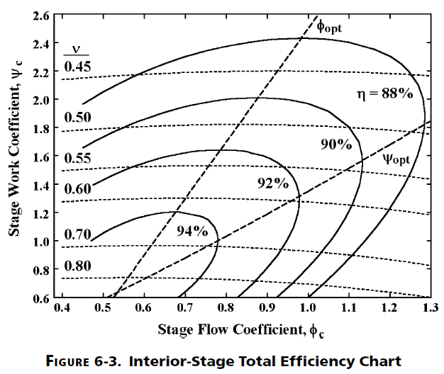
 | Kacker and Okapuu Efficiency Correlation and "Smith Chart", as developed by Aungier. Aungier "Turbine Aerodynamics".

 |  | Load Coeff. | Flow Coeff.
 |  |  |  |  | #DIV/0!
 |  | 2.5 | 0.9

 |  | eff_opt | 0.877375
 |  | Flow_opt | 1
 |  | K | 0.088

 |  | Isen. Eff. | 0.876495
 |  | Does not include tip clearance effects.

 |  | Tip Clearance Correction

 |  | Tip Zweiffel | 0.8
 |  | Tip. Clr. | 0.001
 |  | H/T Ratio | 0.818106
 |  | Ktip | 1.2606839355
 |  | Isen. Eff. | 0.87527946783
 |  | from Bashkarone & Hill.

#DIV/0!

 |  |  |  | #DIV/0!

REFDATA
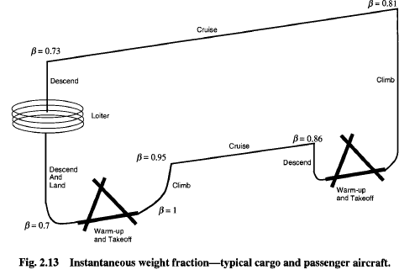
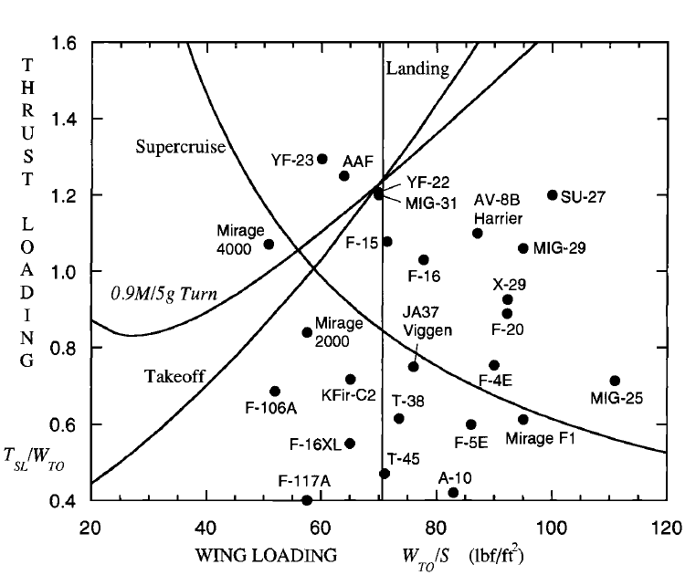
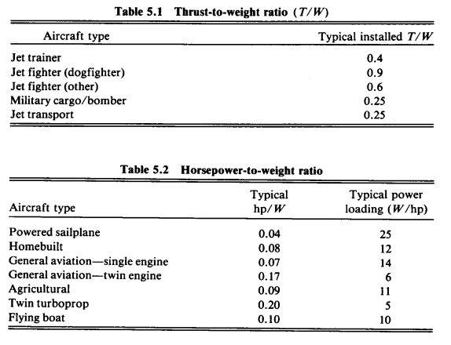
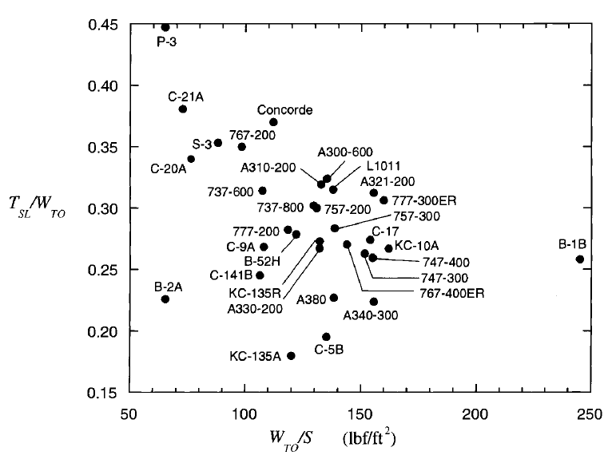

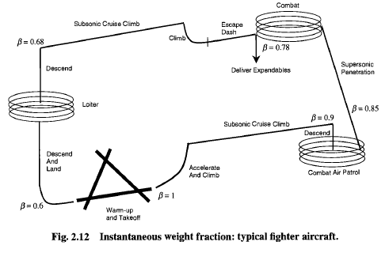

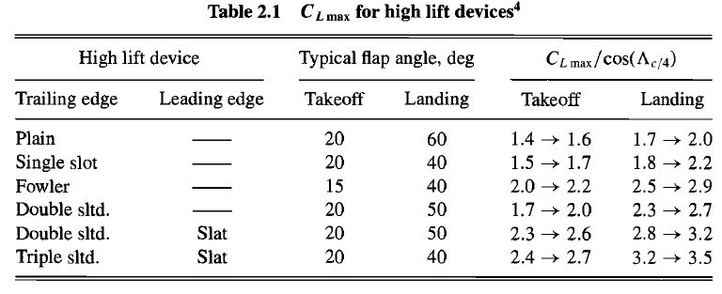
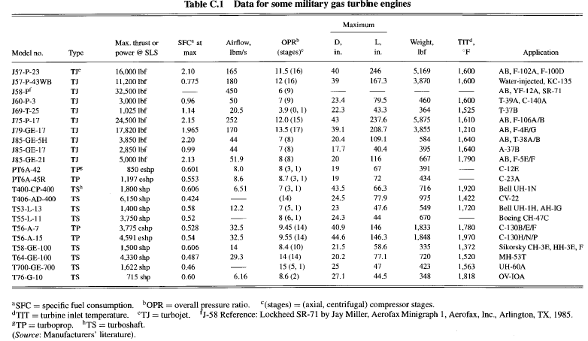
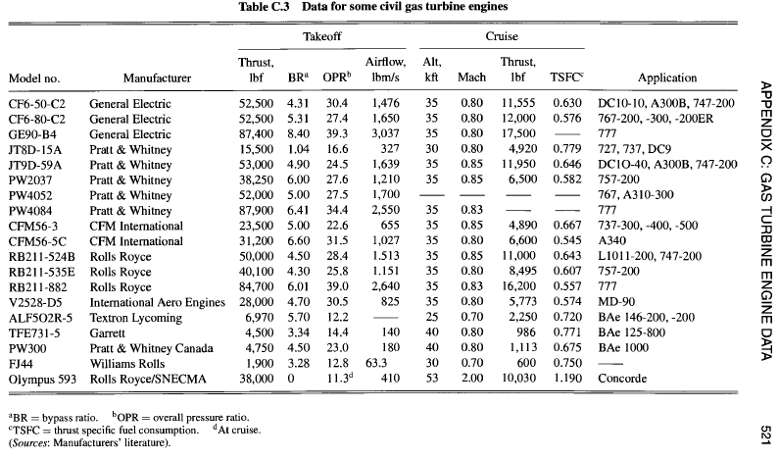

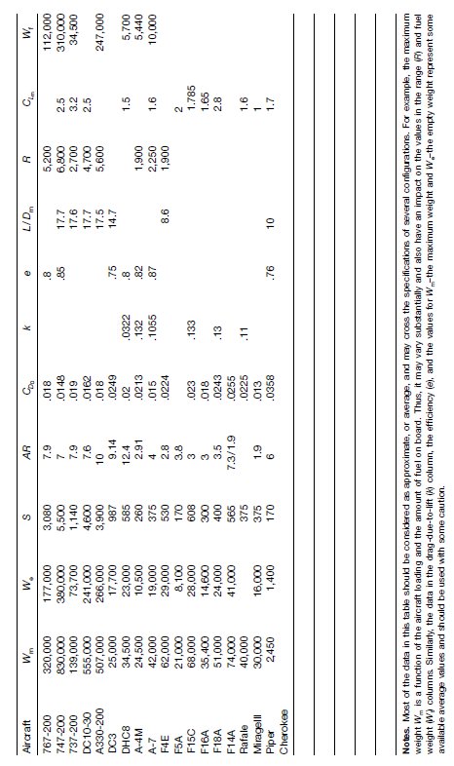

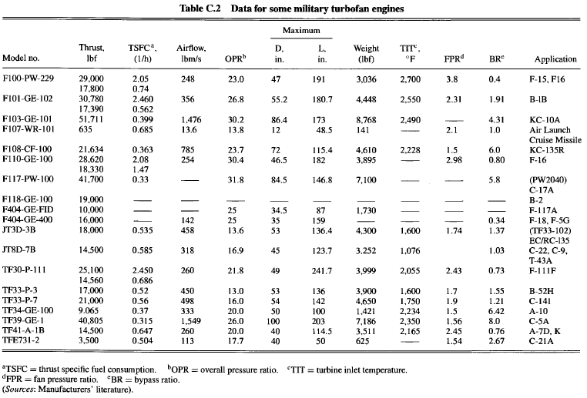

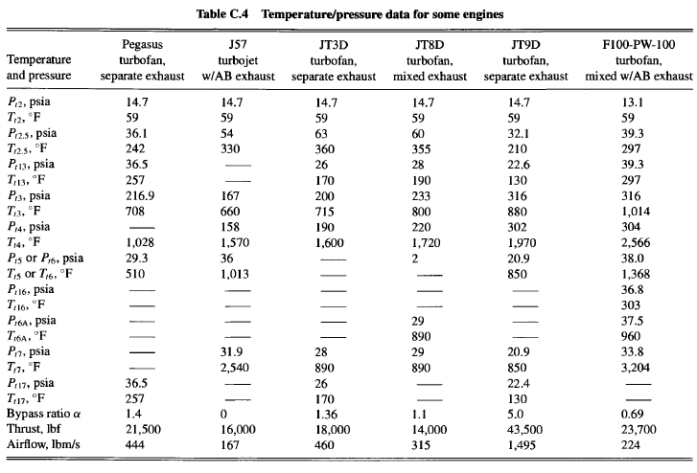

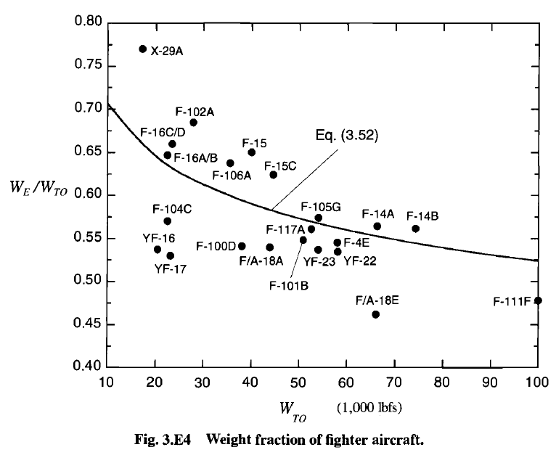

Cycle
Station-by-Station Cycle (requested station numbering; mixed engine)
 |  |  | 2 | 21 | 13 |  |  | 25 |  | 3 | 4 | 41 |  | 44 |  |  | 45 | 5 | 16 | 64 |  |  | 8
 | 0 | 1 | 2 | 2.1 | 12.1 |  |  | 2.6 | 3.0 | 3.1 | 4.0 | 4.05 | 4.1 | 4.4 | 4.5 | 4.7 | 4.8 | 5.0 | 15 | 6 | 7 | 8 | 9
 | Ambient conditions | Inlet face | Fan face | Fan root LPC trailing edge | Fan tip trailing edge |  |  | HPC inlet | HPC outlet | HPC discharge diffuser | Combustor outlet | NGV cool pre-throat | NGV cool post-throat | HPT turbine outlet | IPT inlet | IPT outlet | LPT inlet | LPT outlet | Bypass duct exit | Mixer | Core Nozzle Inlet | Core Nozzle Throat | Core Nozzle Exit
W [kg/s] |  | #VALUE! | #VALUE! |  |  |  |  |  |  | #VALUE! |  | #VALUE! |  |  |  |  |  |  |  | #VALUE! | #VALUE! | #VALUE! | #VALUE!
Wcorr [kg/s] |  | 69 | 69
Offtake Flow [kg/s] | 0 | 0 | 0 | 0 | 0 |  |  | 0 | #VALUE! | 0 | 0 | 0 | 0 | 0 |  |  | 0 | 0 | 0 | 0 | 0 | 0 | 0
FAR | 0 | 0 | 0 | 0 | 0 |  |  | 0 | 0 | 0 | #VALUE! |  |  |  |  |  |  |  | 0 | #VALUE! | #VALUE! | #VALUE! | #VALUE!
Pt [kPa] | 20.645820541 |  |  |  |  |  |  |  |  |  |  |  |  |  |  |  |  |  |  | 0 | 0 | 0 | 0
Tt [K] | 216.65 |  |  |  |  |  |  |  |  |  | 1700 | #NAME? | #NAME? | 1402.008652 |  |  | 1402.008652 | #NAME?
ht [kJ/kg] | 216.83286856 | #NAME? | #NAME? | #NAME? | #NAME? |  |  | #NAME? | #NAME? | #NAME? | #NAME? | #NAME? | #NAME? | #NAME? |  |  | #NAME? | #NAME? | #NAME? | #NAME? | #NAME? | #NAME? | #NAME?
M | 0.65 | 0.65 | 0.5 | 0.52 | 0.52 |  |  | 0.52 | 0.55 | 0.2 | 0.4 | 0.4 | 0.4 | 0.4 |  |  | 0.4 | 0.5 | 0.5 | 0.5 | 0.5 | 1 | 1
V [m/s] | 184.24254647
Ts [K] | 199.71108712 |  |  |  |  |  |  |  |  |  |  |  |  | 1361.702265
Ps [kPa] | 15.538703742
rho [kg/m^3] | 0.27105352506
cp [J/kg-K] | 1001.9921633 | #NAME? | #NAME? | #NAME? | #NAME? |  |  | #NAME? | #NAME? | #NAME? | #NAME? | #NAME? | #NAME? | #NAME? |  |  | #NAME? | #NAME? | #NAME? | #NAME? | #NAME? | #NAME? | #NAME?
gamma | 1.4015010091 | #NAME? | #NAME? | #NAME? | #NAME? |  |  | #NAME? | #NAME? | #NAME? | #NAME? | #NAME? | 1.37 | 1.37 |  |  | #NAME? | #NAME? | #NAME? | #NAME? | #NAME? | #NAME? | #NAME?
R [J/kg-K] | 287.05 | 287.05 | 287.05 | 287.05 | 287.05 |  |  | 287.05 | 287.05 | 287.05 | #NAME? | #NAME? | #NAME? | #NAME? |  |  | #NAME? | #NAME? | 287.05 | #NAME? | #NAME? | #NAME? | #NAME?
power | 0 |  |  | #VALUE! | #VALUE! |  |  |  | #VALUE!
 |  | #VALUE! | #VALUE!

Station-by-Station Cycle (requested station numbering; mixed engine)
 |  |  | 2 | 21 | 13 |  |  | 25 |  | 3 | 4 | 41 |  | 44 |  |  | 45 | 5 | 16 | 64 |  |  | 8
 | 0 | 1 | 2 | 2.1 | 12.1 |  |  | 2.6 | 3 | 3.1 | 4 | 4.05 | 4.1 | 4.4 | 4.5 | 4.7 | 4.8 | 5 | 15 | 6 | 7 | 8 | 9
 | Ambient conditions | Inlet face | Fan face | Fan root LPC trailing edge | Fan tip trailing edge |  |  | HPC inlet | HPC outlet | HPC discharge diffuser | Combustor outlet | NGV cool pre-throat | NGV cool post-throat | HPT turbine outlet | IPT inlet | IPT outlet | LPT inlet | LPT outlet | Bypass duct exit | Mixer | Core Nozzle Inlet | Core Nozzle Throat | Core Nozzle Exit
W [kg/s] |  | 14.9883432 | 14.68857633 | 6.676625606 | 8.011950728 |  |  | 6.676625606 | 6.476326838 | 5.763930886 | 5.929155627 | 6.252971969 | 6.576788311 | 6.576788311 |  |  | 6.576788311 | 6.777087079 | 8.011950728 | 14.78903781 | 14.78903781 | 14.78903781 | 14.78903781
Wcorr [kg/s] |  | 50 | 50 | 10.48483212 | 12.58179855 |  |  | 10.69880829 | 2.008796946 | 1.787829282 | 3.229691473 | 3.350533546 | 3.39076694 | 4.900706249 |  |  | 5.445229166 | 5.551684785 | 12.83856995 | 38.64266209 | 38.64266209 | 38.64266209 | 38.64266209
Offtake Flow [kg/s] | 0 | 0 | 0 | 0 | 0 |  |  | 0 | -0.200298768 | 0 | 0 | 0 | 0 | 0 |  |  | 0 | 0 | 0 | 0 | 0 | 0 | 0
FAR | 0 | 0 | 0 | 0 | 0 |  |  | 0 | 0 | 0 | 0.028665288 | 0.028665288 | 0.028665288 | 0.028665288 |  |  | 0.028665288 | 0.028665288 | 0 | 0.013135889 | 0.013135889 | 0.013135889 | 0.013135889
Pt [kPa] | 20.64582054 | 27.43135738 | 26.88273024 | 67.20682559 | 67.20682559 |  |  | 65.86268908 | 461.0388236 | 461.0388236 | 451.8180471 | 451.8180471 | 451.8180471 | 299.9423841 |  |  | 269.9481457 | 269.9481457 | 65.86268908 | 64.5454353 | 64.5454353 | 64.5454353 | 64.5454353
Tt [K] | 216.65 | 235.0242885 | 235.0242885 | 312.6231102 | 312.6231102 |  |  | 312.6231102 | 573.9511876 | 573.9511876 | 1700 | 1645.006144 | 1522.932662 | 1402.008652 |  |  | 1402.008652 | 1372.491185 | 312.6231102 | 798.3084081 | 798.3084081 | 798.3084081 | 798.3084081
ht [kJ/kg] | 216.8328686 | 235.243982 | 235.243982 | 313.073347 | 313.073347 |  |  | 313.073347 | 579.9066707 | 579.9066707 | 1955.605426 | 1884.363504 | 1727.357974 | 1573.554797 |  |  | 1573.554797 | 1536.300903 | 313.073347 | 873.6182434 | 830.4776036 | 830.4776036 | 830.4776036
M | 0.65 | 0.65 | 0.5 | 0.52 | 0.52 |  |  | 0.52 | 0.55 | 0.2 | 0.4 | 0.4 | 0.4 | 0.4 |  |  | 0.4 | 0.5 | 0.5 | 0.5 | 0.5 | 1 | 1
V [m/s] | 184.2425465 | 191.8950055 | 150.0253507 | 179.5251755 | 179.5251755 |  |  | 179.5251755 | 254.9390821 | 94.96500055 | 313.0767901 | 308.1381588 | 296.8828543 | 285.9141155 |  |  | 285.299458 | 350.7331903 | 172.9554469 | 271.6954076 | 273.200008 | 513.3235052 | 513.6865648
Ts [K] | 199.7110871 | 216.65 | 223.7934421 | 296.5822201 | 296.5822201 |  |  | 296.5822201 | 542.8466069 | 569.6352151 | 1662.247954 | 1608.280652 | 1488.485048 | 1369.149074 |  |  | 1369.813822 | 1323.678397 | 297.7347718 | 765.4026011 | 763.7705305 | 678.6542995 | 677.3553411
Ps [kPa] | 15.53870374 | 20.64582054 | 22.65893084 | 55.89251361 | 55.89251361 |  |  | 54.77466334 | 376.4138503 | 448.5452064 | 408.1836132 | 408.1361656 | 408.0183775 | 270.64792 |  |  | 243.6966975 | 230.273237 | 55.52324318 | 54.75609735 | 54.64652584 | 34.6218108 | 34.57119799
rho [kg/m^3] | 0.271053525 | 0.331983045 | 0.352723591 | 0.656524561 | 0.656524561 |  |  | 0.64339407 | 2.415632791 | 2.743164418 | 0.85546577 | 0.884068915 | 0.954944488 | 0.688647277 |  |  | 0.61977061 | 0.606043591 | 0.649662377 | 0.249221324 | 0.249254097 | 0.177723075 | 0.177803586
cp [J/kg-K] | 1001.992163 | 1002.044054 | 1002.044054 | 1004.597891 | 1004.597891 |  |  | 1004.597891 | 1044.764698 | 1044.764698 | 1298.16908 | 1292.686901 | 1279.325615 | 1264.112597 |  |  | 1264.112597 | 1260.056805 | 1004.597891 | 1121.66212 | 1080.527376 | 1101.094748 | 1090.811062
gamma | 1.401501009 | 1.40147187 | 1.40147187 | 1.400042985 | 1.400042985 |  |  | 1.400042985 | 1.378836521 | 1.378836521 | 1.283893007 | 1.285440635 | 1.289284176 | 1.3 |  |  | 1.293788375 | 1.295012975 | 1.400042985 | 1.343932011 | 1.361761824 | 1.352621677 | 1.357133279
R [J/kg-K] | 287.05 | 287.05 | 287.05 | 287.05 | 287.05 |  |  | 287.05 | 287.05 | 287.05 | 287.0497162 | 287.0497162 | 287.0497162 | 287.0497162 |  |  | 287.0497162 | 287.0497162 | 287.05 | 287.04987 | 287.04987 | 287.04987 | 287.04987
power | 0 |  |  | 519.6375311 | 623.5650374 |  |  |  | 1781.546202
 |  | 0.23527406355

 |  | OPR | Thrust | Sp Thrust | TSFC
 |  | 17.149999999 | 7596.9300293 | 528.41153812 | 25.571797051
Pressure
 | 0 | 1 | 2 | 2.1 | 12.1 | 2.6 | 3.1 | 4 | 4.05 | 4.4 | 4.8 | 5 | 15 | 6 | 9
 | amb | 1 | 2 | 21 | 13 | 25 | 3 | 4 | 41 | 44 | 45 | 5 | 16 | 64 | 8
Pt Excel | 20.64582054 | 27.43135738 | 26.88273024 | 67.20682559 | 67.20682559 | 65.86268908 | 461.0388236 | 451.8180471 | 451.8180471 | 299.9423841 | 269.9481457 | 269.9481457 | 65.86268908 | 64.5454353 | 64.5454353
Pt Gasturb | 20.646 | 27.43 | 26.882 | 67.205 | 67.205 | 66.533 | 465.728 | 451.756 | 451.756 | 213.294 | 209.028 | 126.032 | 65.188 | 75.339 | 75.339

Temp
 | 0 | 1 | 2 | 2.1 | 12.1 | 2.6 | 3.1 | 4 | 4.05 | 4.4 | 4.8 | 5 | 15 | 6 | 9
 | amb | 1 | 2 | 21 | 13 | 25 | 3 | 4 | 41 | 44 | 45 | 5 | 16 | 64 | 8
Pt Excel | 216.65 | 235.0242885 | 235.0242885 | 312.6231102 | 312.6231102 | 312.6231102 | 573.9511876 | 1700 | 1645.006144 | 1402.008652 | 1402.008652 | 1372.491185 | 312.6231102 | 798.3084081 | 798.3084081
Pt Gasturb | 216.65 | 235 | 235 | 312.42 | 312.42 | 312.42 | 581.99 | 1700 | 1647.37 | 1378.88 | 1378.88 | 1221.25 | 312.42 | 760.92 | 760.92

Total Pressure Comparision
Total Temprature Comparison

 | 2 | 21 | 25 | 3 | 4 | 44 | 45 | 5 | 6 | 13 | 16 | 64 | 8
Tt | 234.997 | 323.569 | 323.569 | 682.163 | 1606.68 | 1174.73 | 1174.73 | 954.849 | 942.152 | 323.569 | 323.57 | 595.229 | 595.229

Pt | 26.8818 | 75.2692 | 74.5165 | 783.453 | 759.949 | 215.599 | 211.287 | 90.1844 | 88.3807 | 75.2692 | 73.0111 | 77.8728 | 77.8728

Total Pressure
Total Temprature

MIXER
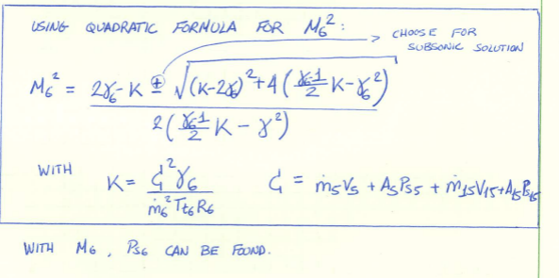
 | INPUTS |  |  | St.5 | St.15 | St.6
W5 [kg/s] | 70 |  | M | 0.50 | 0.49 | 0.51
Tt5 [K] | 744 |  | W [kg/s] | 70.00 | 495.00 | 565.00
Pt5 [kPa] | 75 |  | Tt [K] | 744.00 | 310.00 | 366.69
M5 | 0.5 |  | Pt [kPa] | 75.00 | 75.00 | 74.53
FAR 5 | 0.02 |  | FAR | 0.02 | 0.00 | 0.00
W15 [kg/s] | 495 |  | ht [kJ/kg] | 774.68 | 310.44 | 367.96
Pt15 [kPa] | 75 |  | cp [J/kg-K] | 1116.87 | 1004.44 | 1011.64
Tt15 [K] | 310 |  | gamma | 1.35 | 1.40 | 1.40
 |  |  | R [J/kg-K] | 287.05 | 287.05 | 287.05
Required (Pt/Ps)15 | 1.1790439426 |  | (g/(g-1)) | 3.89 | 3.50 | 3.52
Required M15 | 0.49080966599 |  | Tt/Ts | 1.04 | 1.05 | 1.05
ht-Ave. Tt6 [K] | 366.68870998 |  | Pt/Ps | 1.18 | 1.18 | 1.19
k factor | 6.8178517055 |  | Ts [K] | 713.16 | 295.75 | 348.84
M6^2 | 0.25834138195 |  | Ps [kPa] | 63.61 | 63.61 | 62.51
Ps6 [kPa] | 62.510074569 |  | rhos [kg/m3] | 0.31 | 0.75 | 0.62
Mom. Def. [N] | 0.00 |  | V [m/s] | 262.45 | 169.21 | 190.04
Ps6/(min(Ps5,Ps15)) | 0.98 |  | A [m2] | 0.86 | 3.90 | 4.76
Ideal Pt6/Pt5 | 0.99373922743 |  | mom [N] | 72971.65 | 332100.74 | 405072.39

Pt15/Pt5 | Pt15 | 0.99373922743
0.8 | 60 | 0.99373922743
0.85 | 63.75 | 0.99373922743
0.9 | 67.5 | 0.99373922743
0.95 | 71.25 | 0.99373922743
1 | 75 | 0.99373922743
1.05 | 78.75 | 0.99373922743
1.1 | 82.5 | 0.99373922743
1.15 | 86.25 | 0.99373922743
1.2 | 90 | 0.99373922743
1.25 | 93.75 | 0.99373922743
1.3 | 97.5 | 0.99373922743
1.35 | 101.25 | 0.99373922743
1.4 | 105 | 0.99373922743
1.45 | 108.75 | 0.99373922743
1.5 | 112.5 | 0.99373922743
1.55 | 116.25 | 0.99373922743
1.6 | 120 | 0.99373922743
1.65 | 123.75 | 0.99373922743
1.7 | 127.5 | 0.99373922743
1.75 | 131.25 | 0.99373922743
1.8 | 135 | 0.99373922743
1.85 | 138.75 | 0.99373922743

Pt5/Pt15 | Pt5 | 0.99373922743
0.5 | 37.5 | #VALUE!
0.55 | 41.25 | #VALUE!
0.6 | 45 | #VALUE!
0.65 | 48.75 | 1.3635298198
0.7 | 52.5 | 1.2948786587
0.75 | 56.25 | 1.2327138363
0.8 | 60 | 1.1762759609
0.85 | 63.75 | 1.1248249815
0.9 | 67.5 | 1.0776708752
0.95 | 71.25 | 1.0341778012
1 | 75 | 0.99373922743
1.05 | 78.75 | 0.95570865996
1.1 | 82.5 | 0.91918919963
1.15 | 86.25 | 0.88190230109
1.2 | 90 | #VALUE!

OPLINE
WrTP Turb | W2/W4 | P4/P3 | P2/P0 |  | W2 | r(PR…) | rT2/P3 | Eff |  |  |  |  | matches work or capacity
0.00074611888524 | 1.2080306351 | 0.95 | 0.997 |  | 13.43614415 | 1.2879139755 | 0.00055693125175 | 0.9

 |  |  |  |  |  |  |  |  |  |  |  |  | Wcore
Gamma | Pamb [kPa] | Tamb [K] | Minf | PR | TR |  | PR/r(TR) | T0 | P0 | P0/rT0 | rT2/P3 | r(PR…) | Work | Capacity
1.4 | 24.54 | 220 | 0.85 | 24.255 | 7.6570160945 |  | 8.7653951464 | 251.79 | 39357.712406 | 2480.336527 | 0.00040438425035 | 1.2853427292 | 16.687544261 | 18.560379513
1.4 | 24.54 | 220 | 0.85 | 23.255 | 7.6570160945 |  | 8.4040100652 | 251.79 | 39357.712406 | 2480.336527 | 0.00040438425035 | 1.2724250218 | 16.856956848 | 17.795160815
1.4 | 24.54 | 220 | 0.85 | 22.255 | 7.6570160945 |  | 8.0426249839 | 251.79 | 39357.712406 | 2480.336527 | 0.00040438425035 | 1.2589654107 | 17.037174734 | 17.029942118
1.4 | 24.54 | 220 | 0.85 | 21.255 | 7.6570160945 |  | 7.6812399026 | 251.79 | 39357.712406 | 2480.336527 | 0.00040438425035 | 1.2449138832 | 17.229475849 | 16.26472342
1.4 | 24.54 | 220 | 0.85 | 20.255 | 7.6570160945 |  | 7.3198548213 | 251.79 | 39357.712406 | 2480.336527 | 0.00040438425035 | 1.2302130665 | 17.435364872 | 15.499504722
1.4 | 24.54 | 220 | 0.85 | 19.255 | 7.6570160945 |  | 6.95846974 | 251.79 | 39357.712406 | 2480.336527 | 0.00040438425035 | 1.2147966994 | 17.656628221 | 14.734286024
1.4 | 24.54 | 220 | 0.85 | 18.255 | 7.6570160945 |  | 6.5970846588 | 251.79 | 39357.712406 | 2480.336527 | 0.00040438425035 | 1.1985876844 | 17.895406373 | 13.969067327
1.4 | 24.54 | 220 | 0.85 | 17.255 | 7.6570160945 |  | 6.2356995775 | 251.79 | 39357.712406 | 2480.336527 | 0.00040438425035 | 1.1814955737 | 18.154290344 | 13.203848629
1.4 | 24.54 | 220 | 0.85 | 16.255 | 7.6570160945 |  | 5.8743144962 | 251.79 | 39357.712406 | 2480.336527 | 0.00040438425035 | 1.1634132784 | 18.436452535 | 12.438629931
1.4 | 24.54 | 220 | 0.85 | 15.255 | 7.6570160945 |  | 5.5129294149 | 251.79 | 39357.712406 | 2480.336527 | 0.00040438425035 | 1.144212693 | 18.745827428 | 11.673411234
1.4 | 24.54 | 220 | 0.85 | 14.255 | 7.6570160945 |  | 5.1515443336 | 251.79 | 39357.712406 | 2480.336527 | 0.00040438425035 | 1.1237387763 | 19.087366332 | 10.908192536
1.4 | 24.54 | 220 | 0.85 | 13.255 | 7.6570160945 |  | 4.7901592524 | 251.79 | 39357.712406 | 2480.336527 | 0.00040438425035 | 1.1018013817 | 19.467404962 | 10.142973838
1.4 | 24.54 | 220 | 0.85 | 12.255 | 7.6570160945 |  | 4.4287741711 | 251.79 | 39357.712406 | 2480.336527 | 0.00040438425035 | 1.0781637247 | 19.894208266 | 9.3777551405
1.4 | 24.54 | 220 | 0.85 | 11.255 | 7.6570160945 |  | 4.0673890898 | 251.79 | 39357.712406 | 2480.336527 | 0.00040438425035 | 1.0525256721 | 20.378803343 | 8.6125364427
1.4 | 24.54 | 220 | 0.85 | 10.255 | 7.6570160945 |  | 3.7060040085 | 251.79 | 39357.712406 | 2480.336527 | 0.00040438425035 | 1.0244987773 | 20.936299936 | 7.847317745
1.4 | 24.54 | 220 | 0.85 | 9.255 | 7.6570160945 |  | 3.3446189272 | 251.79 | 39357.712406 | 2480.336527 | 0.00040438425035 | 0.99356761919 | 21.588076413 | 7.0820990473
1.4 | 24.54 | 220 | 0.85 | 8.255 | 7.6570160945 |  | 2.983233846 | 251.79 | 39357.712406 | 2480.336527 | 0.00040438425035 | 0.95902727606 | 22.36559295 | 6.3168803496
1.4 | 24.54 | 220 | 0.85 | 7.255 | 7.6570160945 |  | 2.6218487647 | 251.79 | 39357.712406 | 2480.336527 | 0.00040438425035 | 0.91987668282 | 23.317488186 | 5.5516616519
1.4 | 24.54 | 220 | 0.85 | 6.255 | 7.6570160945 |  | 2.2604636834 | 251.79 | 39357.712406 | 2480.336527 | 0.00040438425035 | 0.87462414748 | 24.523921214 | 4.7864429542
1.4 | 24.54 | 220 | 0.85 | 5.255 | 7.6570160945 |  | 1.8990786021 | 251.79 | 39357.712406 | 2480.336527 | 0.00040438425035 | 0.82090032306 | 26.128889321 | 4.0212242565
1.4 | 24.54 | 220 | 0.85 | 4.255 | 7.6570160945 |  | 1.5376935208 | 251.79 | 39357.712406 | 2480.336527 | 0.00040438425035 | 0.75459031783 | 28.424978664 | 3.2560055588
1.4 | 24.54 | 220 | 0.85 | 3.255 | 7.6570160945 |  | 1.1763084396 | 251.79 | 39357.712406 | 2480.336527 | 0.00040438425035 | 0.66751291921 | 32.133031537 | 2.4907868611
1.4 | 24.54 | 220 | 0.85 | 2.255 | 7.6570160945 |  | 0.81492335829 | 251.79 | 39357.712406 | 2480.336527 | 0.00040438425035 | 0.53906725521 | 39.789494683 | 1.7255681633
1.4 | 24.54 | 220 | 0.85 | 1.255 | 7.6570160945 |  | 0.45353827701 | 251.79 | 39357.712406 | 2480.336527 | 0.00040438425035 | 0.27294263807 | 78.585060349 | 0.96034946563
1.4 | 24.54 | 220 | 0.85 | 0.255 | 7.6570160945 |  | 0.092153195726 | 251.79 | 39357.712406 | 2480.336527 | 0.00040438425035 | #NUM! | #NUM! | 0.19513076792
1.4 | 24.54 | 220 | 0.85 | -0.745 | 7.6570160945 |  | -0.26923188555 | 251.79 | 39357.712406 | 2480.336527 | 0.00040438425035 | #NUM! | #NUM! | -0.5700879298
1.4 | 24.54 | 220 | 0.85 | -1.745 | 7.6570160945 |  | -0.63061696683 | 251.79 | 39357.712406 | 2480.336527 | 0.00040438425035 | #NUM! | #NUM! | -1.3353066275
1.4 | 24.54 | 220 | 0.85 | -2.745 | 7.6570160945 |  | -0.99200204811 | 251.79 | 39357.712406 | 2480.336527 | 0.00040438425035 | #NUM! | #NUM! | -2.1005253252
1.4 | 24.54 | 220 | 0.85 | -3.745 | 7.6570160945 |  | -1.3533871294 | 251.79 | 39357.712406 | 2480.336527 | 0.00040438425035 | #NUM! | #NUM! | -2.8657440229
1.4 | 24.54 | 220 | 0.85 | -4.745 | 7.6570160945 |  | -1.7147722107 | 251.79 | 39357.712406 | 2480.336527 | 0.00040438425035 | #NUM! | #NUM! | -3.6309627206
1.4 | 24.54 | 220 | 0.85 | -5.745 | 7.6570160945 |  | -2.076157292 | 251.79 | 39357.712406 | 2480.336527 | 0.00040438425035 | #NUM! | #NUM! | -4.3961814184
1.4 | 24.54 | 220 | 0.85 | 58.212 | 5 |  | 26.033197821 | 251.79 | 39357.712406 | 2480.336527 | 0.00040438425035 | 1.5612190771 | 13.738759665 | 55.1242726
1.4 | 24.54 | 220 | 0.85 | 57.212 | 5 |  | 25.585984226 | 251.79 | 39357.712406 | 2480.336527 | 0.00040438425035 | 1.5555964696 | 13.788417564 | 54.177315399
1.4 | 24.54 | 220 | 0.85 | 56.212 | 5 |  | 25.13877063 | 251.79 | 39357.712406 | 2480.336527 | 0.00040438425035 | 1.5498824362 | 13.839252052 | 53.230358198
1.4 | 24.54 | 220 | 0.85 | 55.212 | 5 |  | 24.691557035 | 251.79 | 39357.712406 | 2480.336527 | 0.00040438425035 | 1.5440737733 | 13.89131404 | 52.283400996
1.4 | 24.54 | 220 | 0.85 | 54.212 | 5 |  | 24.244343439 | 251.79 | 39357.712406 | 2480.336527 | 0.00040438425035 | 1.5381671033 | 13.944657664 | 51.336443795
1.4 | 24.54 | 220 | 0.85 | 53.212 | 5 |  | 23.797129844 | 251.79 | 39357.712406 | 2480.336527 | 0.00040438425035 | 1.5321588613 | 13.999340555 | 50.389486594
1.4 | 24.54 | 220 | 0.85 | 52.212 | 5 |  | 23.349916248 | 251.79 | 39357.712406 | 2480.336527 | 0.00040438425035 | 1.5260452814 | 14.055424139 | 49.442529392
1.4 | 24.54 | 220 | 0.85 | 51.212 | 5 |  | 22.902702653 | 251.79 | 39357.712406 | 2480.336527 | 0.00040438425035 | 1.5198223804 | 14.112973964 | 48.495572191
1.4 | 24.54 | 220 | 0.85 | 50.212 | 5 |  | 22.455489057 | 251.79 | 39357.712406 | 2480.336527 | 0.00040438425035 | 1.5134859413 | 14.172060076 | 47.54861499
1.4 | 24.54 | 220 | 0.85 | 49.212 | 5 |  | 22.008275462 | 251.79 | 39357.712406 | 2480.336527 | 0.00040438425035 | 1.5070314943 | 14.232757421 | 46.601657789
1.4 | 24.54 | 220 | 0.85 | 48.212 | 5 |  | 21.561061866 | 251.79 | 39357.712406 | 2480.336527 | 0.00040438425035 | 1.5004542959 | 14.295146306 | 45.654700587
1.4 | 24.54 | 220 | 0.85 | 47.212 | 5 |  | 21.113848271 | 251.79 | 39357.712406 | 2480.336527 | 0.00040438425035 | 1.4937493061 | 14.359312903 | 44.707743386
1.4 | 24.54 | 220 | 0.85 | 46.212 | 5 |  | 20.666634675 | 251.79 | 39357.712406 | 2480.336527 | 0.00040438425035 | 1.4869111629 | 14.425349826 | 43.760786185
1.4 | 24.54 | 220 | 0.85 | 45.212 | 5 |  | 20.21942108 | 251.79 | 39357.712406 | 2480.336527 | 0.00040438425035 | 1.479934154 | 14.493356766 | 42.813828984
1.4 | 24.54 | 220 | 0.85 | 44.212 | 5 |  | 19.772207484 | 251.79 | 39357.712406 | 2480.336527 | 0.00040438425035 | 1.4728121857 | 14.563441213 | 41.866871782
1.4 | 24.54 | 220 | 0.85 | 43.212 | 5 |  | 19.324993889 | 251.79 | 39357.712406 | 2480.336527 | 0.00040438425035 | 1.4655387475 | 14.635719267 | 40.919914581
1.4 | 24.54 | 220 | 0.85 | 42.212 | 5 |  | 18.877780293 | 251.79 | 39357.712406 | 2480.336527 | 0.00040438425035 | 1.4581068732 | 14.710316561 | 39.97295738
1.4 | 24.54 | 220 | 0.85 | 41.212 | 5 |  | 18.430566698 | 251.79 | 39357.712406 | 2480.336527 | 0.00040438425035 | 1.4505090969 | 14.787369297 | 39.026000179
1.4 | 24.54 | 220 | 0.85 | 40.212 | 5 |  | 17.983353102 | 251.79 | 39357.712406 | 2480.336527 | 0.00040438425035 | 1.4427374039 | 14.867025438 | 38.079042977
1.4 | 24.54 | 220 | 0.85 | 39.212 | 5 |  | 17.536139507 | 251.79 | 39357.712406 | 2480.336527 | 0.00040438425035 | 1.4347831749 | 14.949446062 | 37.132085776
1.4 | 24.54 | 220 | 0.85 | 38.212 | 5 |  | 17.088925911 | 251.79 | 39357.712406 | 2480.336527 | 0.00040438425035 | 1.4266371236 | 15.034806911 | 36.185128575
1.4 | 24.54 | 220 | 0.85 | 37.212 | 5 |  | 16.641712316 | 251.79 | 39357.712406 | 2480.336527 | 0.00040438425035 | 1.4182892249 | 15.123300176 | 35.238171373
1.4 | 24.54 | 220 | 0.85 | 36.212 | 5 |  | 16.19449872 | 251.79 | 39357.712406 | 2480.336527 | 0.00040438425035 | 1.4097286347 | 15.215136556 | 34.291214172
1.4 | 24.54 | 220 | 0.85 | 35.212 | 5 |  | 15.747285125 | 251.79 | 39357.712406 | 2480.336527 | 0.00040438425035 | 1.4009435969 | 15.310547643 | 33.344256971
1.4 | 24.54 | 220 | 0.85 | 34.212 | 5 |  | 15.300071529 | 251.79 | 39357.712406 | 2480.336527 | 0.00040438425035 | 1.3919213375 | 15.40978869 | 32.39729977
1.4 | 24.54 | 220 | 0.85 | 33.212 | 5 |  | 14.852857934 | 251.79 | 39357.712406 | 2480.336527 | 0.00040438425035 | 1.3826479435 | 15.513141857 | 31.450342568
1.4 | 24.54 | 220 | 0.85 | 32.212 | 5 |  | 14.405644338 | 251.79 | 39357.712406 | 2480.336527 | 0.00040438425035 | 1.3731082213 | 15.620920006 | 30.503385367
1.4 | 24.54 | 220 | 0.85 | 31.212 | 5 |  | 13.958430743 | 251.79 | 39357.712406 | 2480.336527 | 0.00040438425035 | 1.3632855345 | 15.733471193 | 29.556428166
1.4 | 24.54 | 220 | 0.85 | 30.212 | 5 |  | 13.511217147 | 251.79 | 39357.712406 | 2480.336527 | 0.00040438425035 | 1.3531616134 | 15.851183977 | 28.609470965
1.4 | 24.54 | 220 | 0.85 | 29.212 | 5 |  | 13.064003552 | 251.79 | 39357.712406 | 2480.336527 | 0.00040438425035 | 1.3427163326 | 15.974493766 | 27.662513763
1.4 | 24.54 | 220 | 0.85 | 28.212 | 5 |  | 12.616789956 | 251.79 | 39357.712406 | 2480.336527 | 0.00040438425035 | 1.3319274495 | 16.103890413 | 26.715556562

DIFF
Pt1 [kPa] | 101.325 | Pt2/Pt1 | Cpr | loss factor | AR | AR-1 | Pt2 [kPa] | Ps2 [kPa] | rhos2 [kg/m3]
Tt1 [K] | 288.15 | 1 | 0.13963891886 | 0 | 1.0504954293 | 0.05049542928 | 101.325 | 82.495309727 | 1.0693589833
gamma | 1.4 | 0.995 | 0.12079215271 | 0.02314857156 | 1.0557743008 | 0.055774300784 | 100.818375 | 82.082833179 | 1.0640121884
M1 | 0.6 | 0.99 | 0.10194538656 | 0.04629714312 | 1.0611064942 | 0.061106494222 | 100.31175 | 81.67035663 | 1.0586653935
M2 | 0.55 | 0.985 | 0.083098620401 | 0.06944571468 | 1.0664928216 | 0.066492821604 | 99.805125 | 81.257880081 | 1.0533185985
R [J/kgK] | 287 | 0.98 | 0.064251854247 | 0.09259428624 | 1.0719341115 | 0.07193411151 | 99.2985 | 80.845403533 | 1.0479718036
 |  | 0.975 | 0.045405088092 | 0.1157428578 | 1.0774312095 | 0.077431209518 | 98.791875 | 80.432926984 | 1.0426250087
Tt/Ts)1 | 1.072 | 0.97 | 0.026558321938 | 0.13889142936 | 1.0829849786 | 0.082984978639 | 98.28525 | 80.020450436 | 1.0372782138
Pt/Ps)1 | 1.2755037763 | 0.965 | 0.0077115557834 | 0.16204000092 | 1.0885962998 | 0.088596299772 | 97.778625 | 79.607973887 | 1.0319314189
Ps1 [kPa] | 79.439200322 | 0.96 | -0.011135210371 | 0.18518857248 | 1.0942660722 | 0.094266072167 | 97.272 | 79.195497338 | 1.026584624
Ts1 [K] | 268.79664179 | 0.955 | -0.029981976525 | 0.20833714404 | 1.0999952139 | 0.099995213906 | 96.765375 | 78.78302079 | 1.0212378291
Tt/Ts)2 | 1.0605 | 0.95 | -0.04882874268 | 0.2314857156 | 1.1057846624 | 0.1057846624 | 96.25875 | 78.370544241 | 1.0158910341
Pt/Ps)2 | 1.2282516465 | 0.945 | -0.067675508834 | 0.25463428716 | 1.1116353749 | 0.1116353749 | 95.752125 | 77.958067692 | 1.0105442392
Ts2 [K] | 271.71145686 | 0.94 | -0.086522274989 | 0.27778285872 | 1.117548329 | 0.11754832902 | 95.2455 | 77.545591144 | 1.0051974443
rhos1 [kg/m3] | 1.0297436639 | 0.935 | -0.10536904114 | 0.30093143028 | 1.1235245233 | 0.12352452329 | 94.738875 | 77.133114595 | 0.99985064938
V1 [m/s] | 198.24862878 | 0.93 | -0.1242158073 | 0.32408000184 | 1.1295649777 | 0.12956497772 | 94.23225 | 76.720638046 | 0.99450385447
V2 [m/s] | 181.72790971 | 0.925 | -0.14306257345 | 0.3472285734 | 1.1356707344 | 0.13567073436 | 93.725625 | 76.308161498 | 0.98915705955
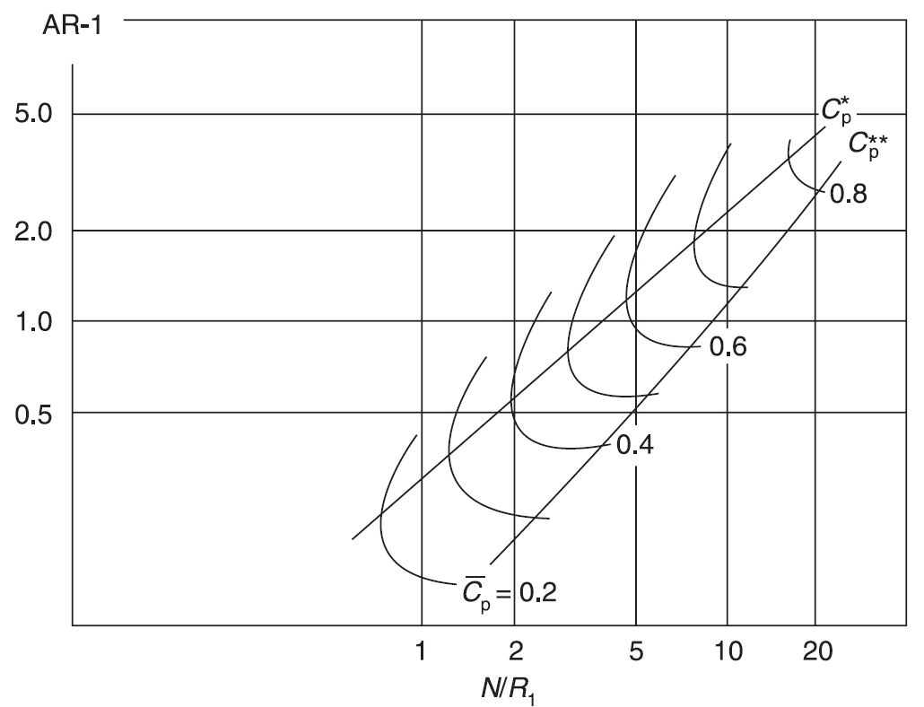
 |  |  |  |  |  |  |  |  |  | Cpr** (best at given AR-1)
 |  |  |  |  |  |  |  |  |  | N/R1 | AR-1 | Cpr
 |  |  |  |  |  |  |  |  |  | 1.3965695796 | 0.13212601998 | 0.2
 |  |  |  |  |  |  |  |  |  | 2.3535468937 | 0.22405062056 | 0.3
 |  |  |  |  |  |  |  |  |  | 3.9662778435 | 0.38804157729 | 0.4
 |  |  |  |  |  |  |  |  |  | 5.5973042897 | 0.57359192914 | 0.5
 |  |  |  |  |  |  |  |  |  | 7.7358544467 | 0.83014410945 | 0.6
 |  |  |  |  |  |  |  |  |  | 11.26428655 | 1.3212601998 | 0.7
 |  |  |  |  |  |  |  |  |  | 20.421912298 | 2.7675104561 | 0.8

 |  |  |  |  |  |  |  |  |  | N/R1 | Cpr
 |  |  |  |  |  |  |  |  |  | 1 | 0.1057

 |  |  |  |  |  |  | AR-1 @ Target Cpr: |  | 0.061106494222

 |  |  |  |  |  |  | 0.001 | 0.061106494222
 |  |  |  |  |  |  | 40 | 0.061106494222

