Sheet1 (2)
QUOTATION
To: |  |  | Quotation Ref: | DBQ-25
Attn: |  |  | Quotation Date:
Mobile: |  |  | Subject: | Offer for
Email: |  |  | Your Ref:
From: | Mr. Husain Abdul Kadir/ +971 54 337 3553 |  | Dated:

Good Day ,
Thank you for your enquiry, we are pleased to offer the following in line with your requirement.

SL. No. | Description | Brand & Model | Image | Delivery Lead Time | Qty | Unit | Unit Price (AED) | Total Price (AED) | CP | % | Profit in AED | SP
1 | Your Requirement: ALLEN KEY SET 2 -14MM We OFFER: ALLEN KEY (1.5 - 12 MM ) | BRAND : MAX | 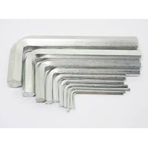 | Ex stock, subject to prior sales. | 3.00 | Each | 14.40 |  | 0.00 | 0.00%
2 | Your Requirement: OFF SET HEXAGON KEY WRENCH CHROME PLATED 1.5MM We OFFER: Stanley Hex Key Set Ring 10Pcs 1.5-10MM | STANLEY-69213 | 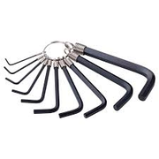 | Ex stock, subject to prior sales. | 2.00 | Each | 19.80 |  | 0.00 | 0.00%
3 | Your Requirement: BELT WRENCH 12" We OFFER: ADJUSTABLE WRENCH 12" | BRAND :- MAX | 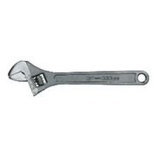 | Ex stock, subject to prior sales. | 3.00 | Each | 13.80 |  | 0.00 | 0.00%
4 | Your Requirement: BELT WRENCH 14" We OFFER: PIPE WRENCH 14" | BRAND :- FORCE MODEL :- 68414 | 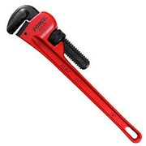 | Ex stock, subject to prior sales. | 3.00 | Each | 51.30 |  | 0.00 | 0.00%
5 | Your Requirement: CIRCLIP PLIER EXTERNAL STRAIGHT JAW 400MM-16" We OFFER: |  |  | Ex stock, subject to prior sales. | 1.00 | Each | 0.00 |  | 0.00 | 0.00%
6 | Your Requirement: STANLEY STHT84271-8 BASIC STRAIGHT EXTERIOR T CIRCLIP PLIER We OFFER: Stanley STHT0-74367 200MM COMBINATION PLIER | STANLEY-STHT0-74367 | 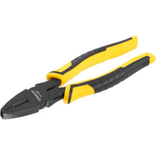 | Ex stock, subject to prior sales. | 1.00 | Each | 33.90 |  | 0.00 | 0.00%
7 | Your Requirement: STANLEY STHT84273-8 STRAIGHT INTERIOR TY BASIC CIRCLIP PLIER We OFFER: Stanley STHT0-74367 200MM COMBINATION PLIER | STANLEY-STHT0-74367 |  | Ex stock, subject to prior sales. | 1.00 | Each | 33.90 |  | 0.00 | 0.00%
8 | Your Requirement: EXTERNAL CIRCLIP PLIER 12" We OFFER: CIRCLIP PLIER BENT INSIDE 7" | BRAND :- CLARKE MODEL :- CPBI7CL | 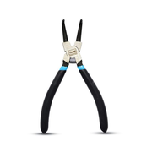 | Ex stock, subject to prior sales. | 1.00 | Each | 25.00 |  | 0.00 | 0.00%
9 | Your Requirement: CIRCLIP PLIER EXTERNAL BEND JAW 90 DEG.(400MM) 16" We OFFER: 90 DEGREE BENT INSIDE CIRCLIP PLIER 7"L 68HB-07 | KINGTONY 68HB07 | 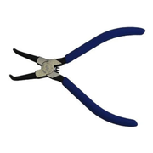 | Ex stock, subject to prior sales. | 1.00 | Each | 51.75 |  | 0.00 | 0.00%
10 | Your Requirement: INTERNAL CIRCLIP PLIER 12" We OFFER: CIRCLIP PLIER BENT INSIDE 7" | BRAND :- CLARKE MODEL :- CPBI7CL |  | Ex stock, subject to prior sales. | 1.00 | Each | 25.00 |  | 0.00 | 0.00%
11 | Your Requirement: CIRCLIP PLIER BEND 400MM We OFFER: 90 DEGREE BENT INSIDE CIRCLIP PLIER 7"L 68HB-07 | KINGTONY 68HB07 |  | Ex stock, subject to prior sales. | 1.00 | Each | 51.75 |  | 0.00 | 0.00%
12 | Your Requirement: STANLEY STHT84274-8 BENT EXTERIOR TYPE BASIC CIRCLIP PLIER We OFFER: 90 DEGREE BENT INSIDE CIRCLIP PLIER 7"L 68HB-07 | KINGTONY 68HB07 |  | Ex stock, subject to prior sales. | 1.00 | Each | 51.75 |  | 0.00 | 0.00%
13 | Your Requirement: STANLEY STHT84272-8 BENT EXTERIOR TYPE BASIC CIRCLIP PLIER We OFFER: 90 DEGREE BENT INSIDE CIRCLIP PLIER 7"L 68HB-07 | KINGTONY 68HB07 |  | Ex stock, subject to prior sales. | 1.00 | Each | 51.75 |  | 0.00 | 0.00%
14 | Your Requirement: COMBINATION PLIER HIGH LEVERAGE 111-65/ NWS-GERMANY 205MM We OFFER: Combination plier-10" | MAXX GERMANY | 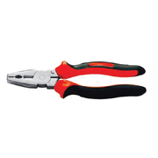 | Ex stock, subject to prior sales. | 1.00 | Each | 43.75 |  | 0.00 | 0.00%
15 | Your Requirement: SLIDING RATCHET TUBE CUTTER 1/4" to 3-1/2" # 70038 - MASTERCOOL We OFFER: | 1 |  | Ex stock, subject to prior sales. | 2.00 | Each | 607.50 |  | 0.00 | 0.00%
16 | Your Requirement: IMPACT DEEP 6-POINT SOCKET 3/8-INCH DRIVE: 7 MM - 19 MM AND 5/16" - 1" SET We OFFER: 21MM IMPACT DEEP SOCKET X 1/2" DRIVE | BRAND :- GENERIC |  | Ex stock, subject to prior sales. | 2.00 | Set | 5.75 |  | 0.00 | 0.00%
17 | Your Requirement: IMPACT DEEP 6-POINT SOCKET 3/8-INCH DRIVE: 10 MM - 32 MM SET We OFFER: 21MM IMPACT DEEP SOCKET X 1/2" DRIVE | BRAND :- GENERIC |  | Ex stock, subject to prior sales. | 2.00 | Set | 5.75 |  | 0.00 | 0.00%
18 | Your Requirement: IMPACT DEEP 12-PONITS 1/2-INCH DRIVE: 10 - 36MM We OFFER: 21MM IMPACT DEEP SOCKET X 1/2" DRIVE | BRAND :- GENERIC |  | Ex stock, subject to prior sales. | 2.00 | Set | 5.75 |  | 0.00 | 0.00%
19 | Your Requirement: IMPACT DEEP 12-PONITS SOCKET 3/8-INCH DRIVE: 7 - 19MM We OFFER: 21MM IMPACT DEEP SOCKET X 1/2" DRIVE | BRAND :- GENERIC |  | Ex stock, subject to prior sales. | 2.00 | Set | 5.75 |  | 0.00 | 0.00%
20 | Your Requirement: HAMMER HEAD SCREWDRIVER FLAT 5MM X 150MM We OFFER: Screwdriver Slotted 5.5mmX75mmL Screw Driver Flat, 5.5x300 | HAN-0410M5-3 HAN-0410M5-1 | 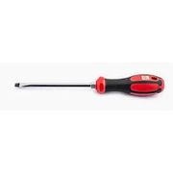 | Ex stock, subject to prior sales. | 3.00 | Each | 38.00 |  | 0.00 | 0.00%
21 | Your Requirement: HAMMER HEAD SCREWDRIVER FLAT 6MM X 150MM We OFFER: SCREW DRIVER FLAT 6 X 6" NOTE :- PRICE MENTIONED IS FOR GIVEN QTY ANY VARIATION IN QTY WILL EFFECT THE PRICE. | BRAND :- GENERIC | 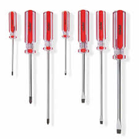 | Ex stock, subject to prior sales. | 3.00 | Each | 3.81 |  | 0.00 | 0.00%
22 | Your Requirement: HAMMER HEAD SCREWDRIVER FLAT 8MM X 200MM We OFFER: Screw Driver - Flat 6 x 8" NOTE :- PRICE MENTIONED IS FOR GIVEN QTY ANY VARIATION IN QTY WILL EFFECT THE PRICE. | BRAND :- GENERIC |  | Ex stock, subject to prior sales. | 3.00 | Each | 4.12 |  | 0.00 | 0.00%
23 | Your Requirement: HAMMER HEAD SCREWDRIVER FLAT 10MM X 200MM We OFFER: SCREW DRIVER FLAT 10" | BRAND :- GENERIC | 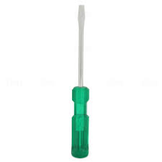 | Ex stock, subject to prior sales. | 3.00 | Each | 4.06 |  | 0.00 | 0.00%
24 | Your Requirement: HAMMER HEAD SCREWDRIVER FLAT 3/8" X 10" We OFFER: Screwdriver Slotted 5.5mmX75mmL Screw Driver Flat, 5.5x300 | HAN-0410M5-3 HAN-0410M5-1 |  | Ex stock, subject to prior sales. | 3.00 | Each | 38.00 |  | 0.00 | 0.00%
25 | Your Requirement: MONKEY PLIER 10" We OFFER: MONKEY PLIER 10" | BRAND :- STANLEY MODEL :- 84-110 | 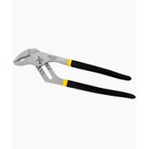 | Ex stock, subject to prior sales. | 3.00 | Each | 35.00 |  | 0.00 | 0.00%
26 | Your Requirement: MONKEY PLIER 12" We OFFER: WATER PUMP PLIER 12" | BRAND :- GENERIC | 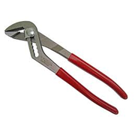 | Ex stock, subject to prior sales. | 3.00 | Each | 14.40 |  | 0.00 | 0.00%
27 | Your Requirement: MONKEY PLIER 8" We OFFER: MONKEY PLIER 10" | BRAND :- STANLEY MODEL :- 84-110 | 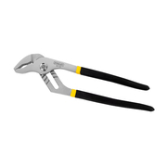 | Ex stock, subject to prior sales. | 3.00 | Each | 35.00 |  | 0.00 | 0.00%
28 | Your Requirement: NOSE PLIER LONG NOSE ROUND 7" We OFFER: NOSE PLIER LONG 6" | BRAND :- CLARKE | 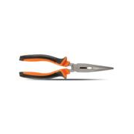 | Ex stock, subject to prior sales. | 3.00 | Each | 10.00 |  | 0.00 | 0.00%
29 | Your Requirement: NOSE PLIER FLAT NOSE 8" We OFFER: LONG NOSE PLIER 8" | BRAND : STANLEY MODEL: 74364 | 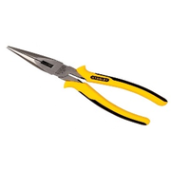 | Ex stock, subject to prior sales. | 3.00 | Each | 35.28 |  | 0.00 | 0.00%
30 | Your Requirement: NOSE PLIER LONG NOSE ROUND 8" We OFFER: LONG NOSE PLIER 8" | BRAND : STANLEY MODEL: 74364 |  | Ex stock, subject to prior sales. | 2.00 | Set | 36.23 |  | 0.00 | 0.00%
31 | Your Requirement: STANLEY 0-84-101 STANLEY® 152MM LONG NOSE PLIER We OFFER: LONG NOSE PLIER 8" | BRAND : STANLEY MODEL: 74364 |  | Ex stock, subject to prior sales. | 2.00 | Each | 35.28 |  | 0.00 | 0.00%
32 | Your Requirement: NOSE PLIER BEND 6" We OFFER: Nose Plier 200mm | STANELY 74-364 | 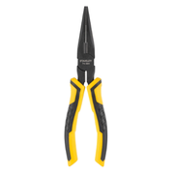 | Ex stock, subject to prior sales. | 2.00 | Each | 35.69 |  | 0.00 | 0.00%
33 | Your Requirement: STANLEY STHT84072-8 8" BENT NOSE PLIER We OFFER: LONG NOSE PLIER 8" | BRAND : STANLEY MODEL: 74364 |  | Ex stock, subject to prior sales. | 2.00 | Each | 35.28 |  | 0.00 | 0.00%
34 | Your Requirement: SCREW DRIVER PHILIPS 6" We OFFER: SCREW DRIVER FLAT 6" | BRAND :- GENERIC | 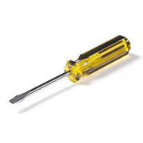 | Ex stock, subject to prior sales. | 2.00 | Each | 3.44 |  | 0.00 | 0.00%
35 | Your Requirement: SCREW DRIVER PHILIPS 12" We OFFER: SCREW DRIVER FLAT 12" | BRAND :- GENERIC |  | Ex stock, subject to prior sales. | 3.00 | Each | 4.69 |  | 0.00 | 0.00%
36 | Your Requirement: SCREW DRIVER SET FLAT SPIRTEX UK 4" 6" 8" 10" 12" We OFFER: SCREW DRIVER SET 7PCS. FLAT = 5X75MM, 5X150MM, 6X125MM, 8X150MM - STAR = PH0X75MM, PH1X75MM, | BRAND :- UKEN MODEL :- U6000 | 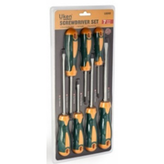 | Ex stock, subject to prior sales. | 3.00 | Set | 33.35 |  | 0.00 | 0.00%
37 | Your Requirement: SCREW DRIVER SET STAR 6" TO 12" We OFFER: SCREW DRIVER STAR 6X150 | BRAND :- MAX | 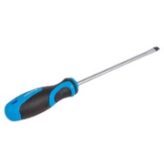 | Ex stock, subject to prior sales. | 2.00 | Each | 3.45 |  | 0.00 | 0.00%
38 | Your Requirement: HAMMER HEAD SCREWDRIVER SET WITH MAGNETIC TIP We OFFER: 8pc Star tamperproof jeweler screwdriver set | FORCE 2088AT | 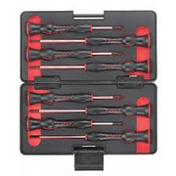 | Ex stock, subject to prior sales. | 2.00 | Set | 46.25 |  | 0.00 | 0.00%
39 | Your Requirement: HAMMER HEAD SCREWDRIVER PHILIPS 3 X150MM We OFFER: INSULATED NUT SCREWDRIVER WITH T-HANDLE (PREMIUM LINE) H5.0x130, H6.0x130, H8.0x130, H10x130, H12x130 | V31905, V31906, V31908, V31910, V31912 | 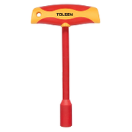 | Ex stock, subject to prior sales. | 2.00 | Each | 150.00 |  | 0.00 | 0.00%
40 | Your Requirement: HAMMER HEAD SCREWDRIVER PHILIPS 5 X 150MM We OFFER: SCREW, M6X50MM, SS, GR.304, WITH PHILIPS HEAD | ORIGIN :- CHINA |  | Ex stock, subject to prior sales. | 2.00 | Each | 0.40 |  | 0.00 | 0.00%
41 | Your Requirement: HAMMER HEAD SCREWDRIVER PHILIPS 6 X 150MM We OFFER: HAMMER FIXING SCREW 6*40 | - | 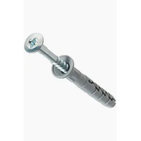 | Ex stock, subject to prior sales. | 2.00 | Each | 0.08 |  | 0.00 | 0.00%
42 | Your Requirement: HAMMER HEAD SCREWDRIVER PHILIPS 8 X 200MM We OFFER: Screw Driver 863-300 - 8 x 300mm NOTE :- PRICE MENTIONED IS FOR GIVEN QTY ANY VARIATION IN QTY WILL EFFECT THE PRICE. | BRAND :- GENERIC | 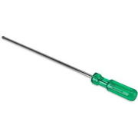 | Ex stock, subject to prior sales. | 2.00 | Each | 11.10 |  | 0.00 | 0.00%
43 | Your Requirement: SPANNER ADJUSTABLE 6" We OFFER: ADJUSTABLE WRENCH 6" | BRAND :- STANLEY MODEL :- 87431 | 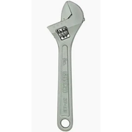 | Ex stock, subject to prior sales. | 2.00 | Set | 22.50 |  | 0.00 | 0.00%
44 | Your Requirement: SPANNER ADJUSTABLE 12" We OFFER: ADJUSTABLE SPANNER 12" | BRAND : MAX | 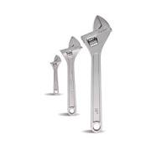 | Ex stock, subject to prior sales. | 3.00 | Each | 14.40 |  | 0.00 | 0.00%
45 | Your Requirement: ADJUSTABLE WRENCH 8" We OFFER: Adjustable Wrench 8" Inch | BRAND : MAX | 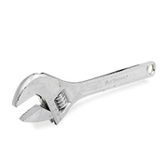 | Ex stock, subject to prior sales. | 3.00 | Each | 10.00 |  | 0.00 | 0.00%
46 | Your Requirement: SOCKET SET FROM 4mm-12mm 9PEC We OFFER: Stanley Drive Metric Socket Silver, 27 Piece Set 10-32mm | STANLEY 86-477 | 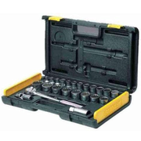 | Ex stock, subject to prior sales. | 2.00 | Set | 205.00 |  | 0.00 | 0.00%
47 | Your Requirement: SOCKET SET 1/4" DRIVE 6 POINT 6MM TO 22MM We OFFER: SOCKET SET 1/2" DR 24 PCS 6 PT 8MM - 32MM | BRAND :- GENERIC | 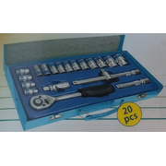 | Ex stock, subject to prior sales. | 2.00 | Each | 135.00 |  | 0.00 | 0.00%
48 | Your Requirement: RING RATCHET COMBINATION SPANNER SET 8-24 MM BLACK (15PCS/SET) We OFFER: 8MM - 32MM COMBINATION WRENCH SET (14PCS) | BRAND :- STANLEY MODEL :- 80944 | 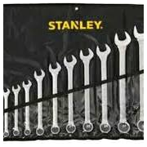 | Ex stock, subject to prior sales. | 3.00 | Set | 156.40 |  | 0.00 | 0.00%
49 | Your Requirement: STANLEY 12PT SOCKET SET #86-477; 27PC-1/2" SQ. DRIVE: 20 PC 1/2" DRIVE 12 PT SOCKET: 10 TO 32MM; (2) EXT BAR: 5 & 10(125 & 250MM) UNIVERSAL JOINT; (1) SPARK PLUG SOCKET 6 PT 13/16; (1) SLIDING T-BAR 10(254MM); (1) FLIP-DRIVE RATCHET We OFFER: | STANLEY | 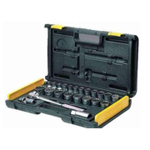 | Ex stock, subject to prior sales. | 2.00 | Set | 1,738.00 |  | 0.00 | 0.00%
50 | Your Requirement: SPANNER SET RING 6MM-32MM We OFFER: RING SPANNER SET 6MM - 22MM | CLARKE-RSS6-22C | 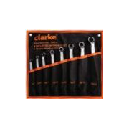 | Ex stock, subject to prior sales. | 2.00 | Each | 60.00 |  | 0.00 | 0.00%
51 | Your Requirement: SPANNER OPEN END 6-32MM We OFFER: OPEN END SPANNER 6 X 7 MM | BRAND :- UKEN MODEL :- U9806 | 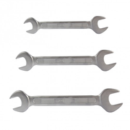 | Ex stock, subject to prior sales. | 2.00 | Each | 5.10 |  | 0.00 | 0.00%
52 | Your Requirement: SOCKET INCH 1/2" DRIVE 12 POINT (32 PCS/SET) # TW-432S - GENIUS We OFFER: SOCKET SET 1/2" DR 24 PCS 6 PT 8MM - 32MM | BRAND :- GENERIC |  | Ex stock, subject to prior sales. | 2.00 | Set | 135.00 |  | 0.00 | 0.00%
53 | Your Requirement: SOCKET INCH 1/2" DRIVE 6 POINT (12 PCS/SET) # GD-421S - GENIUS We OFFER: SOCKET SET 1/2" DR 24 PCS 6 PT 8MM - 32MM | BRAND :- GENERIC |  | Ex stock, subject to prior sales. | 2.00 | Set | 135.00 |  | 0.00 | 0.00%
54 | Your Requirement: SOCKET DEEP 1/2" DRIVE 6 POINT 8 -36MM (25 PCS/SET) # DS-425M - GENIUS We OFFER: SOCKET SET 1/2" DR 24 PCS 6 PT 8MM - 32MM | BRAND :- GENERIC |  | Ex stock, subject to prior sales. | 2.00 | Each | 135.00 |  | 0.00 | 0.00%
55 | Your Requirement: SQUARE DRIVE 1/2" 6 POINT CHROME DEEP SOCKET (21MM) SNAP ON # TSM21 We OFFER: Deep Socket(6 PT) 1/2" Drive, 10mm | HAN-4300M10 | 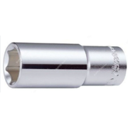 | Ex stock, subject to prior sales. | 2.00 | Each | 14.50 |  | 0.00 | 0.00%
56 | Your Requirement: IMPACT SOCKET 1/2" DRIVE 30MM 6POINT We OFFER: 24MM IMPACT SOCKET X 1/2" DRIVE | BRAND :- GENERIC |  | Ex stock, subject to prior sales. | 2.00 | Set | 5.60 |  | 0.00 | 0.00%
57 | Your Requirement: BOX SPANNER SET 10MM - 32MM We OFFER: BOX SPANNER SET 1/2" 10-32MM | BRAND : STANLEY MODEL : 86-477 | 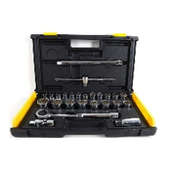 | Ex stock, subject to prior sales. | 2.00 | Each | 196.25 |  | 0.00 | 0.00%
58 | Your Requirement: SPANNER BOX SET 6-22MM We OFFER: Box spanner set (8mm to 32 mm) | MAXX GERMANY |  | Ex stock, subject to prior sales. | 2.00 | Each | 112.50 |  | 0.00 | 0.00%
59 | Your Requirement: HEXAGONAL 10MM MAGNET WRENCH SOCKET FOR SOCKET WRENCH RATCHET HAND ¼" We OFFER: Socket Wrench 6-32mm, 1/2Inch | BRAND : MAX | 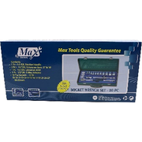 | Ex stock, subject to prior sales. | 2.00 | Each | 118.75 |  | 0.00 | 0.00%
60 | Your Requirement: WIRE SIDE CUTTER 8" We OFFER: Wire Cutter-8" | MAX GERMANY | 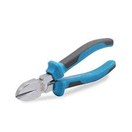 | Ex stock, subject to prior sales. | 1.00 | Each | 13.50 |  | 0.00 | 0.00%
Total Amount (AED).
VAT 5% (AED).
GRAND TOTAL AMOUNT (AED).
NOTE :- STOCK AVAILBILITY AS PER THE QUOTATION DATE KINDLY CONFIRM AT THE TIME OF CONFIRMATION.
TERMS:
Price: | Ex Warehouse Dubai, Packed.
Delivery: | Stated in Description Column Against Each Item.
Payment: | 30 Days Credit.
Validity: | 15 days from offer date.

Please revert for clarifications if any. Thank you for providing an opportunity to quote.

Best Regards,
Dbest Building Hardware and Tools Trading LLC.

(This message has been electronically transmitted and does not require a signature).

