Zone Summary
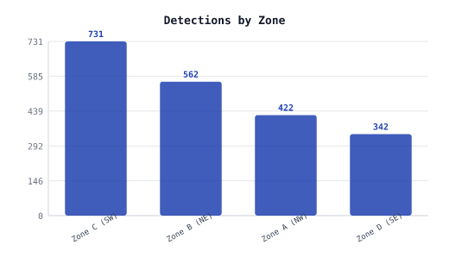
Zone | Detections | Unique Objects | % of Total
Zone C (SW) | 731 | 22 | 35.5%
Zone B (NE) | 562 | 17 | 27.3%
Zone A (NW) | 422 | 18 | 20.5%
Zone D (SE) | 342 | 8 | 16.6%

Class Breakdown
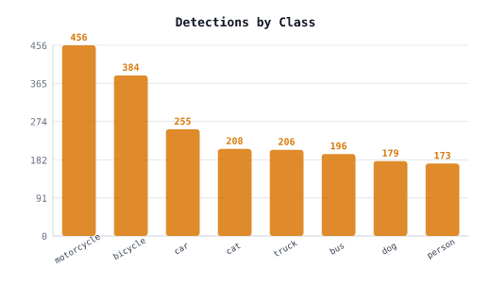
Object Class | Detections | Unique Objects | Avg Confidence | Min Confidence | Max Confidence | % of Total
motorcycle | 456 | 13 | 0.779 | 0.550 | 0.990 | 22.2%
bicycle | 384 | 11 | 0.763 | 0.550 | 0.989 | 18.7%
car | 255 | 8 | 0.766 | 0.551 | 0.989 | 12.4%
cat | 208 | 6 | 0.783 | 0.551 | 0.985 | 10.1%
truck | 206 | 8 | 0.753 | 0.550 | 0.990 | 10.0%
bus | 196 | 8 | 0.775 | 0.551 | 0.988 | 9.5%
dog | 179 | 5 | 0.776 | 0.551 | 0.989 | 8.7%
person | 173 | 6 | 0.766 | 0.551 | 0.990 | 8.4%

