priority weights
 |  |  |  | Matrices of relative importance at three layers
Based on Analytical Hierarchy Method, source: Thomas L. Saaty - The Analytic Hierarchy Process: Decision Making In Complex Environments

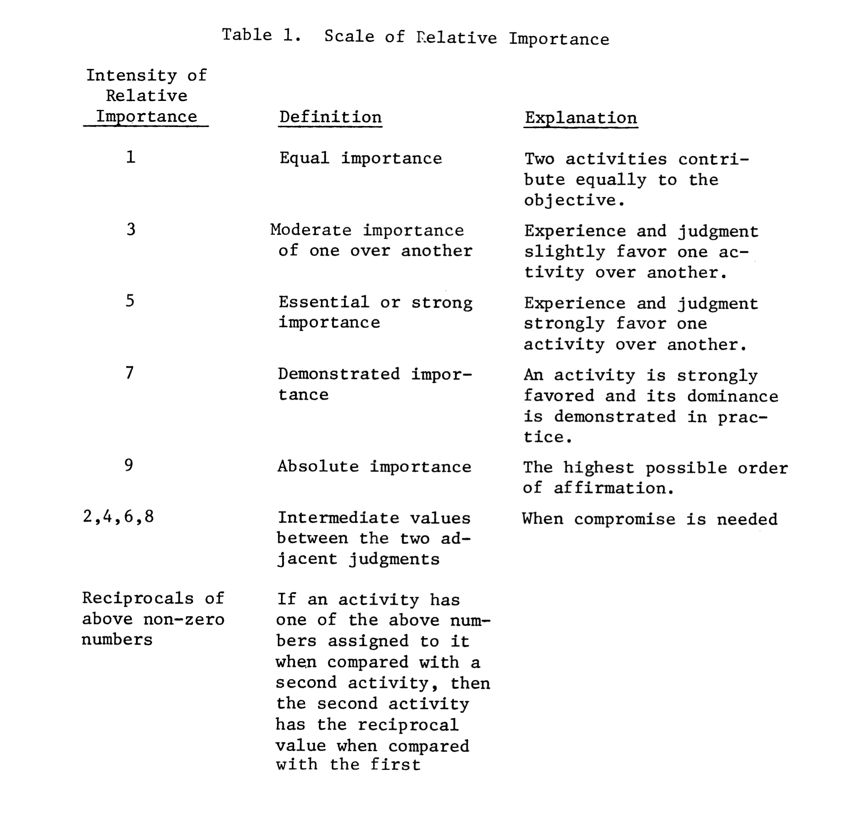

 |  |  |  | Layer 0
 |  |  |  | Standpoint |  |  |  |  |  |  |  |  |  |  |  |  |  |  |  |  |  | * note hyphen as forward slash is used for separating layer information in 1st column of layer 1 and 2 tables
 |  |  |  |  |  |  |  |  |  |  |  |  |  |  |  |  |  | Standpoint | Customer | Utility | Grid | State-Society
 |  |  |  |  |  |  |  |  |  |  |  |  |  |  |  |  |  | Customer | 1 | 1 | 1 | 1
 |  |  |  |  |  |  |  |  |  |  |  |  |  |  |  |  |  | Utility | leave empty | 1 | 1 | 1
 |  |  |  |  |  |  |  |  |  |  |  |  |  |  |  |  |  | Grid | leave empty | leave empty | 1 | 1
 |  |  |  |  |  |  |  |  |  |  |  |  |  |  |  |  |  | State-Society | leave empty | leave empty | leave empty | 1

 |  |  |  | Layer 1 |  |  |  |  |  |  |  |  | *mg was initially inconsistent
 |  |  |  | Metric Category
 |  |  |  |  | Metric Category/Customer | Technology Capabilities and Characteristics | Customer Energy Impacts | Customer Financial Impacts | Grid Energy Impacts | Grid Cost and Emissions Impacts |  |  | Metric Category/Utility | Technology Capabilities and Characteristics | Customer Energy Impacts | Customer Financial Impacts | Grid Energy Impacts | Grid Cost and Emissions Impacts |  |  |  | Metric Category/Grid | Technology Capabilities and Characteristics | Customer Energy Impacts | Customer Financial Impacts | Grid Energy Impacts | Grid Cost and Emissions Impacts |  |  | Metric Category/State-Society | Technology Capabilities and Characteristics | Customer Energy Impacts | Customer Financial Impacts | Grid Energy Impacts | Grid Cost and Emissions Impacts
 |  |  |  |  | Technology Capabilities and Characteristics | 1 | 4 | 1 | 4 | 2 |  |  | Technology Capabilities and Characteristics | 1 | 5 | 1 | 3 | 5 |  |  |  | Technology Capabilities and Characteristics | 1 | 0.33333333333 | 1 | 0.14285714286 | 0.14285714286 |  |  | Technology Capabilities and Characteristics | 1 | 3 | 0.33333333333 | 0.33333333333 | 0.14285714286
 |  |  |  |  | Customer Energy Impacts | leave empty | 1 | 0.2 | 3 | 0.2 |  |  | Customer Energy Impacts | leave empty | 1 | 1 | 0.2 | 0.33333333333 |  |  |  | Customer Energy Impacts | leave empty | 1 | 3 | 0.2 | 0.2 |  |  | Customer Energy Impacts | leave empty | 1 | 0.33333333333 | 0.33333333333 | 0.14285714286
 |  |  |  |  | Customer Financial Impacts | leave empty | leave empty | 1 | 7 | 3 |  |  | Customer Financial Impacts | leave empty | leave empty | 1 | 0.2 | 0.33333333333 |  |  |  | Customer Financial Impacts | leave empty | leave empty | 1 | 0.14285714286 | 0.14285714286 |  |  | Customer Financial Impacts | leave empty | leave empty | 1 | 1 | 0.33333333333
 |  |  |  |  | Grid Energy Impacts | leave empty | leave empty | leave empty | 1 | 0.14285714286 |  |  | Grid Energy Impacts | leave empty | leave empty | leave empty | 1 | 0.33333333333 |  |  |  | Grid Energy Impacts | leave empty | leave empty | leave empty | 1 | 1 |  |  | Grid Energy Impacts | leave empty | leave empty | leave empty | 1 | 0.33333333333
 |  |  |  |  | Grid Cost and Emissions Impacts | leave empty | leave empty | leave empty | leave empty | 1 |  |  | Grid Cost and Emissions Impacts | leave empty | leave empty | leave empty | leave empty | 1 |  |  |  | Grid Cost and Emissions Impacts | leave empty | leave empty | leave empty | leave empty | 1 |  |  | Grid Cost and Emissions Impacts | leave empty | leave empty | leave empty | leave empty | 1

 |  |  |  | Layer 2
 |  |  |  | Metric
 |  |  |  |  | Metric/Technology Capabilities and Characteristics/Customer | Technology usability score | Technology acceptance score | Non-energy impacts score | Interoperability score | Compatibility with load flexibility tariffs and programs | Ease of implementation of new DR programs |  | Metric/Technology Capabilities and Characteristics/Utility | Technology usability score | Technology acceptance score | Non-energy impacts score | Interoperability score | Compatibility with load flexibility tariffs and programs | Ease of implementation of new DR programs |  |  | Metric/Technology Capabilities and Characteristics/Grid | Technology usability score | Technology acceptance score | Non-energy impacts score | Interoperability score | Compatibility with load flexibility tariffs and programs | Ease of implementation of new DR programs |  | Metric/Technology Capabilities and Characteristics/State-Society | Technology usability score | Technology acceptance score | Non-energy impacts score | Interoperability score | Compatibility with load flexibility tariffs and programs | Ease of implementation of new DR programs
 |  |  |  |  | Technology usability score | 1 | 1 | 1 | 5 | 9 | 9 |  | Technology usability score | 1 | 3 | 1 | 1 | 0.2 | 0.14285714286 |  |  | Technology usability score | 1 | 1 | 1 | 1 | 0.33333333333 | 1 |  | Technology usability score | 1 | 1 | 1 | 1 | 1 | 1
 |  |  |  |  | Technology acceptance score | leave empty | 1 | 1 | 5 | 9 | 9 |  | Technology acceptance score | leave empty | 1 | 3 | 3 | 0.33333333333 | 0.2 |  |  | Technology acceptance score | leave empty | 1 | 1 | 1 | 0.33333333333 | 1 |  | Technology acceptance score | leave empty | 1 | 1 | 1 | 1 | 1
 |  |  |  |  | Non-energy impacts score | leave empty | leave empty | 1 | 7 | 9 | 9 |  | Non-energy impacts score | leave empty | leave empty | 1 | 1 | 0.33333333333 | 0.2 |  |  | Non-energy impacts score | leave empty | leave empty | 1 | 1 | 0.33333333333 | 1 |  | Non-energy impacts score | leave empty | leave empty | 1 | 1 | 1 | 1
 |  |  |  |  | Interoperability score | leave empty | leave empty | leave empty | 1 | 9 | 9 |  | Interoperability score | leave empty | leave empty | leave empty | 1 | 0.33333333333 | 0.2 |  |  | Interoperability score | leave empty | leave empty | leave empty | 1 | 0.33333333333 | 1 |  | Interoperability score | leave empty | leave empty | leave empty | 1 | 1 | 1
 |  |  |  |  | Compatibility with load flexibility tariffs and programs | leave empty | leave empty | leave empty | leave empty | 1 | 1 |  | Compatibility with load flexibility tariffs and programs | leave empty | leave empty | leave empty | leave empty | 1 | 0.33333333333 |  |  | Compatibility with load flexibility tariffs and programs | leave empty | leave empty | leave empty | leave empty | 1 | 3 |  | Compatibility with load flexibility tariffs and programs | leave empty | leave empty | leave empty | leave empty | 1 | 1
 |  |  |  |  | Ease of implementation of new DR programs | leave empty | leave empty | leave empty | leave empty | leave empty | 1 |  | Ease of implementation of new DR programs | leave empty | leave empty | leave empty | leave empty | leave empty | 1 |  |  | Ease of implementation of new DR programs | leave empty | leave empty | leave empty | leave empty | leave empty | 1 |  | Ease of implementation of new DR programs | leave empty | leave empty | leave empty | leave empty | leave empty | 1

 |  |  |  |  | Metric/Customer Energy Impacts/Customer | Energy consumption impact (resulting RTE; annual kWh) | Load shedding capability (kW) | Load shifting capability (kWh) |  |  |  |  | Metric/Customer Energy Impacts/Utility | Energy consumption impact (resulting RTE; annual kWh) | Load shedding capability (kW) | Load shifting capability (kWh) |  |  |  |  |  | Metric/Customer Energy Impacts/Grid | Energy consumption impact (resulting RTE; annual kWh) | Load shedding capability (kW) | Load shifting capability (kWh) |  |  |  |  | Metric/Customer Energy Impacts/State-Society | Energy consumption impact (resulting RTE; annual kWh) | Load shedding capability (kW) | Load shifting capability (kWh)
 |  |  |  |  | Energy consumption impact (resulting RTE; annual kWh) | 1 | 3 | 3 |  |  |  |  | Energy consumption impact (resulting RTE; annual kWh) | 1 | 0.33333333333 | 0.33333333333 |  |  |  |  |  | Energy consumption impact (resulting RTE; annual kWh) | 1 | 0.33333333333 | 0.33333333333 |  |  |  |  | Energy consumption impact (resulting RTE; annual kWh) | 1 | 1 | 1
Example relative importance rating | metric A | metric B |  |  | Load shedding capability (kW) | leave empty | 1 | 1 |  |  |  |  | Load shedding capability (kW) | leave empty | 1 | 1 |  |  |  |  |  | Load shedding capability (kW) | leave empty | 1 | 1 |  |  |  |  | Load shedding capability (kW) | leave empty | 1 | 1
metric A | 1 | 5 | <- matric A is of essential or strong importance compared to metric B |  | Load shifting capability (kWh) | leave empty | leave empty | 1 |  |  |  |  | Load shifting capability (kWh) | leave empty | leave empty | 1 |  |  |  |  |  | Load shifting capability (kWh) | leave empty | leave empty | 1 |  |  |  |  | Load shifting capability (kWh) | leave empty | leave empty | 1
matric B | 0.2 | 1

 |  |  |  |  | Metric/Customer Financial Impacts/Customer | Up-front costs (average, $) | Customer bill savings (average, $/year) | Net benefit to the customer (average, $ annuity of life-cycle) | Aggregate customer net benefit ($M) |  |  |  | Metric/Customer Financial Impacts/Utility | Up-front costs (average, $) | Customer bill savings (average, $/year) | Net benefit to the customer (average, $ annuity of life-cycle) | Aggregate customer net benefit ($M) |  |  |  |  | Metric/Customer Financial Impacts/Grid | Up-front costs (average, $) | Customer bill savings (average, $/year) | Net benefit to the customer (average, $ annuity of life-cycle) | Aggregate customer net benefit ($M) |  |  |  | Metric/Customer Financial Impacts/State-Society | Up-front costs (average, $) | Customer bill savings (average, $/year) | Net benefit to the customer (average, $ annuity of life-cycle) | Aggregate customer net benefit ($M)
 |  |  |  |  | Up-front costs (average, $) | 1 | 5 | 3 | 9 |  |  |  | Up-front costs (average, $) | 1 | 1 | 1 | 1 |  |  |  |  | Up-front costs (average, $) | 1 | 1 | 1 | 1 |  |  |  | Up-front costs (average, $) | 1 | 1 | 1 | 1
 |  |  |  |  | Customer bill savings (average, $/year) | leave empty | 1 | 1 | 9 |  |  |  | Customer bill savings (average, $/year) | leave empty | 1 | 1 | 1 |  |  |  |  | Customer bill savings (average, $/year) | leave empty | 1 | 1 | 1 |  |  |  | Customer bill savings (average, $/year) | leave empty | 1 | 1 | 1
 |  |  |  |  | Net benefit to the customer (average, $ annuity of life-cycle) | leave empty | leave empty | 1 | 9 |  |  |  | Net benefit to the customer (average, $ annuity of life-cycle) | leave empty | leave empty | 1 | 1 |  |  |  |  | Net benefit to the customer (average, $ annuity of life-cycle) | leave empty | leave empty | 1 | 1 |  |  |  | Net benefit to the customer (average, $ annuity of life-cycle) | leave empty | leave empty | 1 | 1
 |  |  |  |  | Aggregate customer net benefit ($M) | leave empty | leave empty | leave empty | 1 |  |  |  | Aggregate customer net benefit ($M) | leave empty | leave empty | leave empty | 1 |  |  |  |  | Aggregate customer net benefit ($M) | leave empty | leave empty | leave empty | 1 |  |  |  | Aggregate customer net benefit ($M) | leave empty | leave empty | leave empty | 1

 |  |  |  |  | Metric/Grid Energy Impacts/Customer | Total load shed capability (GW) | Total load shift capability (GWh) | Generation Capacity Hours Load Reduction (MW) | Persistent system ramp impact | Net load load factor impact (baseline net load load factor = 0.375) | System reliability impact | Utilization of renewable generation (GWh/y) | Metric/Grid Energy Impacts/Utility | Total load shed capability (GW) | Total load shift capability (GWh) | Generation Capacity Hours Load Reduction (MW) | Persistent system ramp impact | Net load load factor impact (baseline net load load factor = 0.375) | System reliability impact | Utilization of renewable generation (GWh/y) |  | Metric/Grid Energy Impacts/Grid | Total load shed capability (GW) | Total load shift capability (GWh) | Generation Capacity Hours Load Reduction (MW) | Persistent system ramp impact | Net load load factor impact (baseline net load load factor = 0.375) | System reliability impact | Utilization of renewable generation (GWh/y) | Metric/Grid Energy Impacts/State-Society | Total load shed capability (GW) | Total load shift capability (GWh) | Generation Capacity Hours Load Reduction (MW) | Persistent system ramp impact | Net load load factor impact (baseline net load load factor = 0.375) | System reliability impact | Utilization of renewable generation (GWh/y)
 |  |  |  |  | Total load shed capability (GW) | 1 | 1 | 1 | 1 | 1 | 0.33333333333 | 0.33333333333 | Total load shed capability (GW) | 1 | 3 | 5 | 5 | 5 | 0.33333333333 | 0.33333333333 |  | Total load shed capability (GW) | 1 | 1 | 5 | 5 | 5 | 1 | 5 | Total load shed capability (GW) | 1 | 1 | 1 | 1 | 1 | 1 | 1
 |  |  |  |  | Total load shift capability (GWh) | leave empty | 1 | 1 | 1 | 1 | 0.33333333333 | 0.33333333333 | Total load shift capability (GWh) | leave empty | 1 | 3 | 3 | 3 | 0.2 | 0.2 |  | Total load shift capability (GWh) | leave empty | 1 | 5 | 5 | 5 | 1 | 5 | Total load shift capability (GWh) | leave empty | 1 | 1 | 1 | 1 | 1 | 1
 |  |  |  |  | Generation Capacity Hours Load Reduction (MW) | leave empty | leave empty | 1 | 1 | 1 | 0.33333333333 | 0.33333333333 | Generation Capacity Hours Load Reduction (MW) | leave empty | leave empty | 1 | 3 | 0.33333333333 | 0.2 | 0.2 |  | Generation Capacity Hours Load Reduction (MW) | leave empty | leave empty | 1 | 1 | 3 | 0.33333333333 | 5 | Generation Capacity Hours Load Reduction (MW) | leave empty | leave empty | 1 | 1 | 1 | 1 | 1
 |  |  |  |  | Persistent system ramp impact | leave empty | leave empty | leave empty | 1 | 1 | 0.33333333333 | 0.33333333333 | Persistent system ramp impact | leave empty | leave empty | leave empty | 1 | 0.2 | 0.2 | 0.2 |  | Persistent system ramp impact | leave empty | leave empty | leave empty | 1 | 3 | 0.33333333333 | 5 | Persistent system ramp impact | leave empty | leave empty | leave empty | 1 | 1 | 1 | 1
 |  |  |  |  | Net load load factor impact (baseline net load load factor = 0.375) | leave empty | leave empty | leave empty | leave empty | 1 | 0.33333333333 | 0.33333333333 | Net load load factor impact (baseline net load load factor = 0.375) | leave empty | leave empty | leave empty | leave empty | 1 | 0.2 | 0.2 |  | Net load load factor impact (baseline net load load factor = 0.375) | leave empty | leave empty | leave empty | leave empty | 1 | 0.2 | 3 | Net load load factor impact (baseline net load load factor = 0.375) | leave empty | leave empty | leave empty | leave empty | 1 | 1 | 1
 |  |  |  |  | System reliability impact | leave empty | leave empty | leave empty | leave empty | leave empty | 1 | 1 | System reliability impact | leave empty | leave empty | leave empty | leave empty | leave empty | 1 | 1 |  | System reliability impact | leave empty | leave empty | leave empty | leave empty | leave empty | 1 | 7 | System reliability impact | leave empty | leave empty | leave empty | leave empty | leave empty | 1 | 1
 |  |  |  |  | Utilization of renewable generation (GWh/y) | leave empty | leave empty | leave empty | leave empty | leave empty | leave empty | 1 | Utilization of renewable generation (GWh/y) | leave empty | leave empty | leave empty | leave empty | leave empty | leave empty | 1 |  | Utilization of renewable generation (GWh/y) | leave empty | leave empty | leave empty | leave empty | leave empty | leave empty | 1 | Utilization of renewable generation (GWh/y) | leave empty | leave empty | leave empty | leave empty | leave empty | leave empty | 1

 |  |  |  |  | Metric/Grid Cost and Emissions Impacts/Customer | Net economic benefit to the grid ($M) | Greenhouse gas emissions impact (ktons) | Air quality impacts (ktons NOx, ktons PM) |  |  |  |  | Metric/Grid Cost and Emissions Impacts/Utility | Net economic benefit to the grid ($M) | Greenhouse gas emissions impact (ktons) | Air quality impacts (ktons NOx, ktons PM) |  |  |  |  |  | Metric/Grid Cost and Emissions Impacts/Grid | Net economic benefit to the grid ($M) | Greenhouse gas emissions impact (ktons) | Air quality impacts (ktons NOx, ktons PM) |  |  |  |  | Metric/Grid Cost and Emissions Impacts/State-Society | Net economic benefit to the grid ($M) | Greenhouse gas emissions impact (ktons) | Air quality impacts (ktons NOx, ktons PM)
 |  |  |  |  | Net economic benefit to the grid ($M) | 1 | 0.2 | 0.2 |  |  |  |  | Net economic benefit to the grid ($M) | 1 | 5 | 5 |  |  |  |  |  | Net economic benefit to the grid ($M) | 1 | 5 | 5 |  |  |  |  | Net economic benefit to the grid ($M) | 1 | 1 | 1
 |  |  |  |  | Greenhouse gas emissions impact (ktons) | leave empty | 1 | 1 |  |  |  |  | Greenhouse gas emissions impact (ktons) | leave empty | 1 | 1 |  |  |  |  |  | Greenhouse gas emissions impact (ktons) | leave empty | 1 | 1 |  |  |  |  | Greenhouse gas emissions impact (ktons) | leave empty | 1 | 1
 |  |  |  |  | Air quality impacts (ktons NOx, ktons PM) | leave empty | leave empty | 1 |  |  |  |  | Air quality impacts (ktons NOx, ktons PM) | leave empty | leave empty | 1 |  |  |  |  |  | Air quality impacts (ktons NOx, ktons PM) | leave empty | leave empty | 1 |  |  |  |  | Air quality impacts (ktons NOx, ktons PM) | leave empty | leave empty | 1

