priority weights
 |  |  |  | Matrices of relative importance at three layers
Based on Analytical Hierarchy Method, source: Thomas L. Saaty - The Analytic Hierarchy Process: Decision Making In Complex Environments

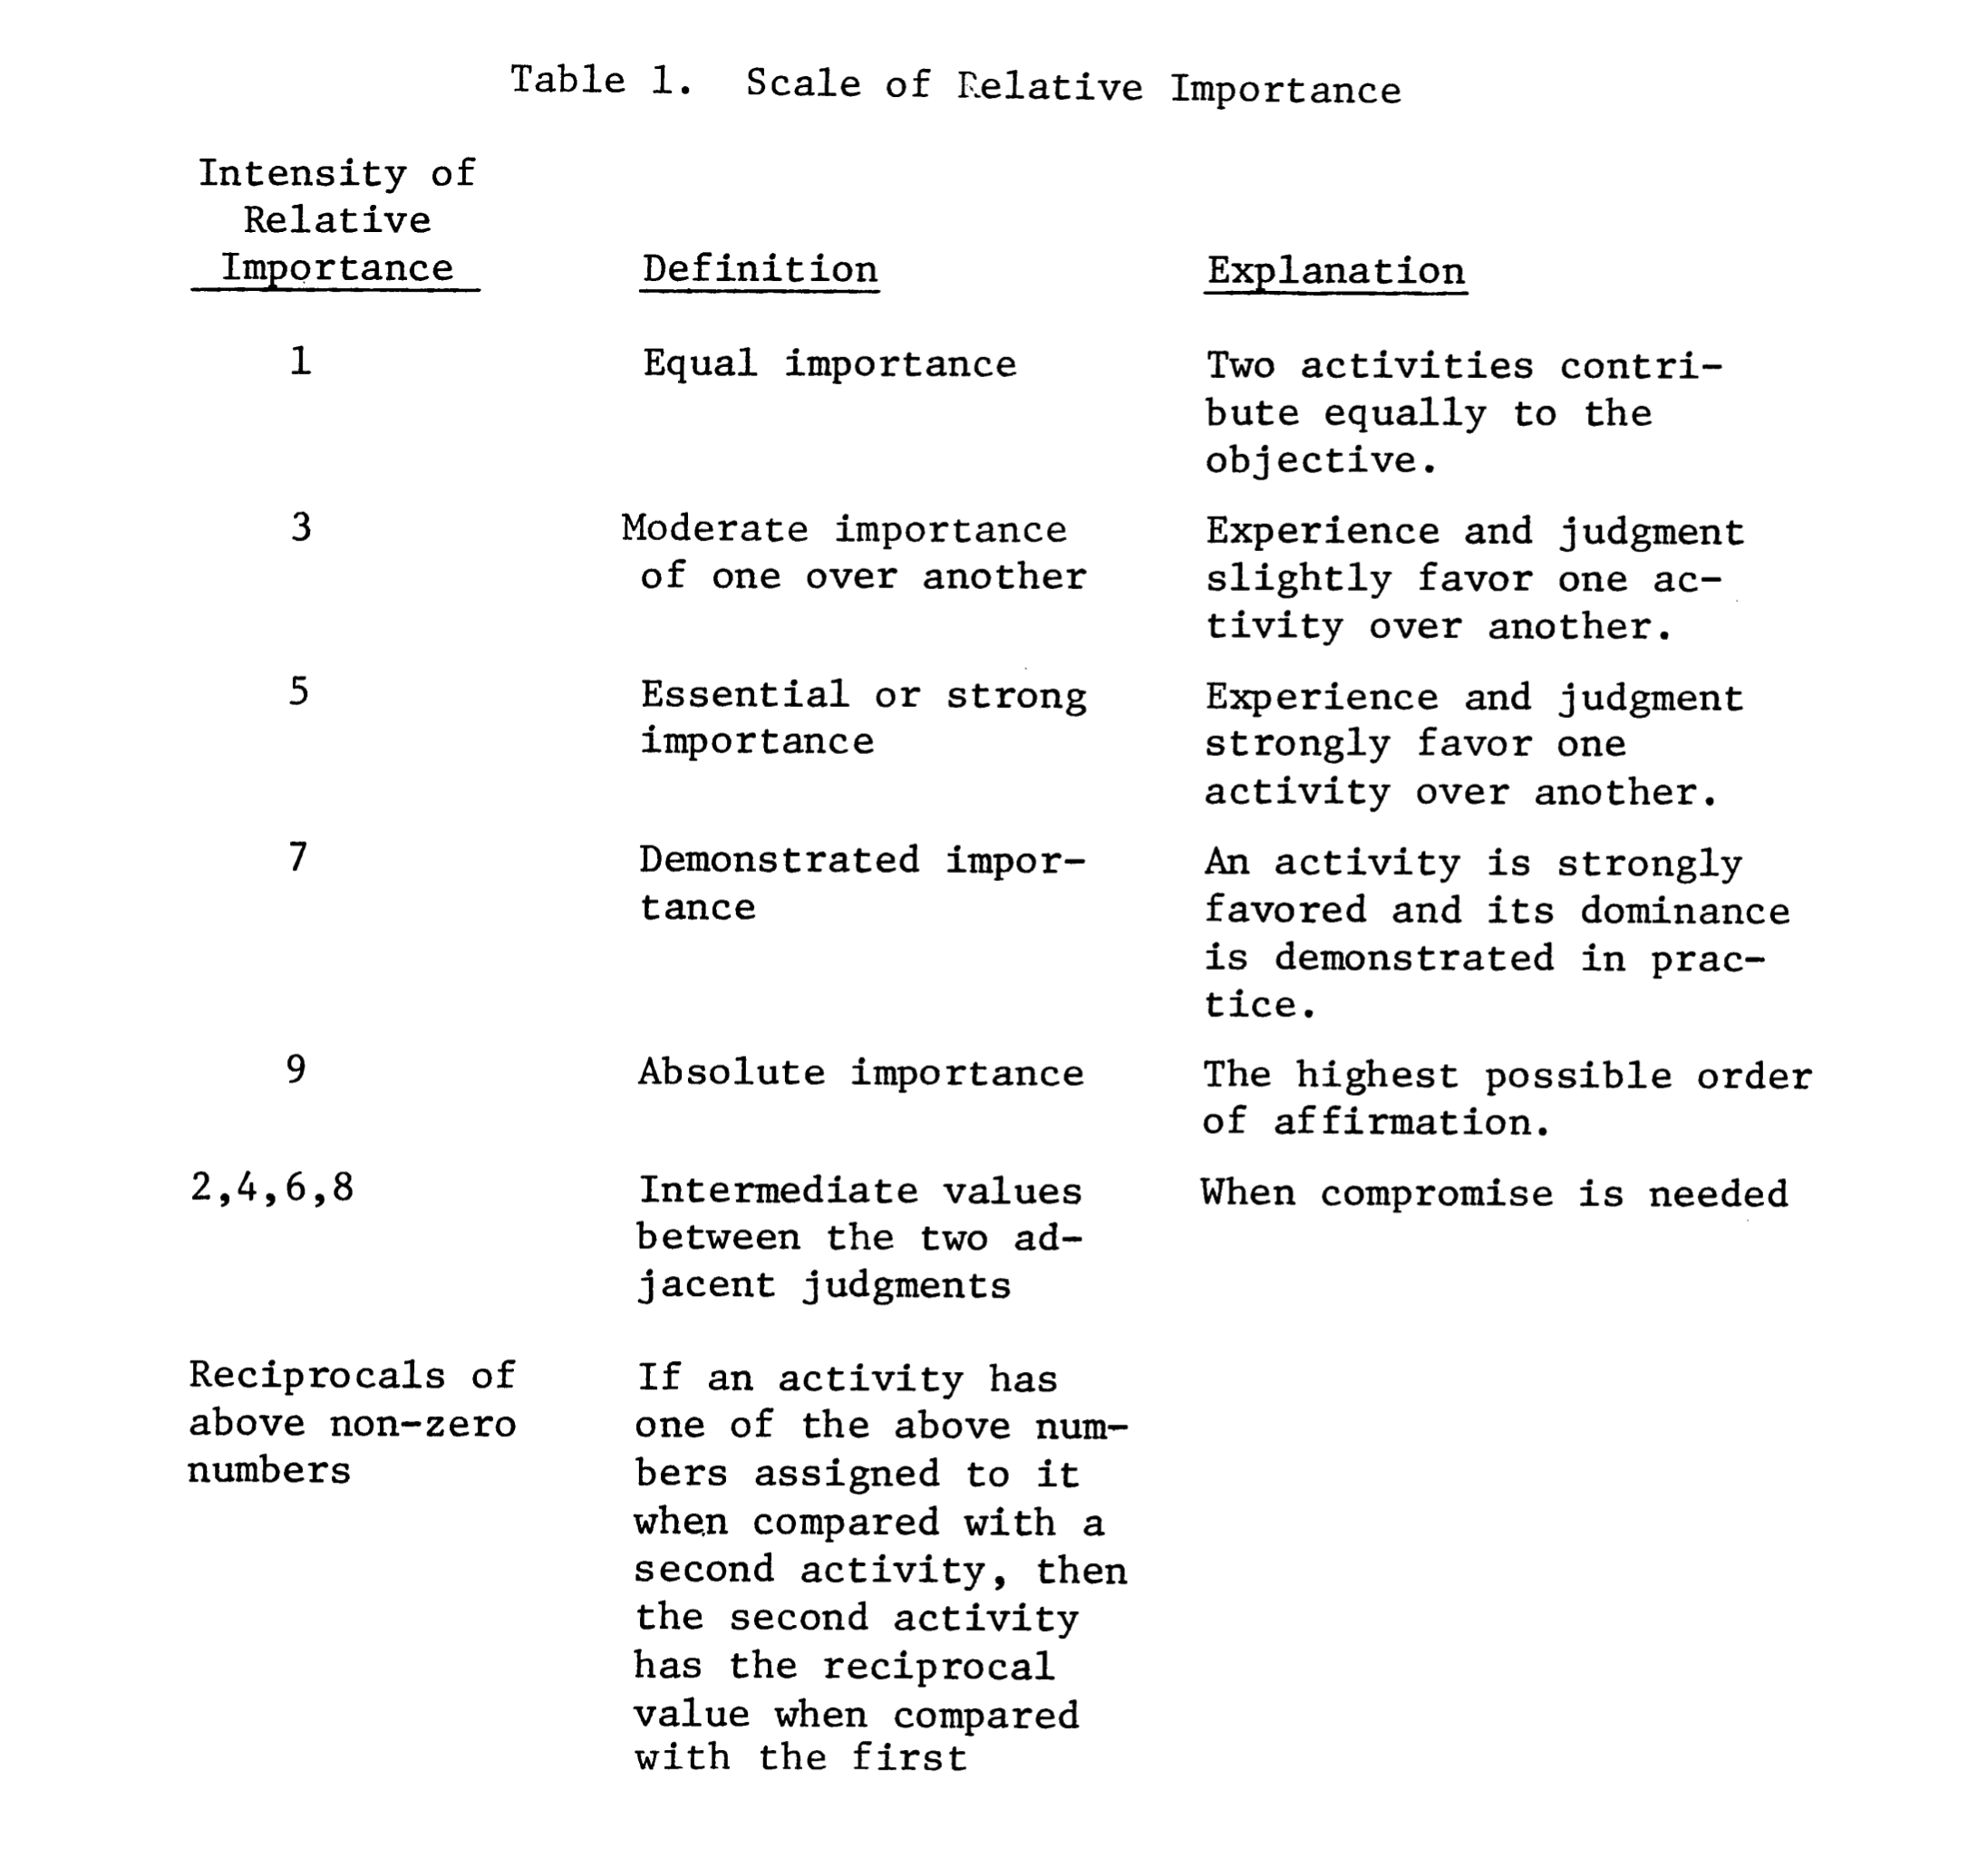

 |  |  |  | Layer 2
 |  |  |  |  |  |  |  |  |  | Layer 2 | A Layer 2 | B Layer 2
 |  |  |  |  |  |  |  |  |  | A Layer 2 | 1 | 1
 |  |  |  |  |  |  |  |  |  | B Layer 2 | leave empty | 1

 |  |  |  | Layer 1
 |  |  |  |  |  |  |  | Layer 1/A Layer 2 | A Layer 1 | B Layer 1 |  |  | Layer 1/B Layer 2 | A Layer 1 | B Layer 1
 |  |  |  |  |  |  |  | A Layer 1 | 1 | 3 |  |  | A Layer 1 | 1 | 5
 |  |  |  |  |  |  |  | B Layer 1 | leave empty | 1 |  |  | B Layer 1 | leave empty | 1

 |  |  |  | Layer 0
 |  |  |  |  | Layer 0/A Layer 1/A Layer 2 | A Layer 0 | B Layer 0 | Layer 0/B Layer 1/A Layer 2 | C Layer 0 | D Layer 0 |  |  | Layer 0/A Layer 1/B Layer 2 | A Layer 0 | B Layer 0 | Layer 0/B Layer 1/B Layer 2 | C Layer 0 | D Layer 0
 |  |  |  |  | A Layer 0 | 1 | 0.33333333333 | C Layer 0 | 1 | 7 |  |  | A Layer 0 | 1 | 9 | C Layer 0 | 1 | 0.11111111111
 |  |  |  |  | B Layer 0 | leave empty | 1 | D Layer 0 | leave empty | 1 |  |  | B Layer 0 | leave empty | 1 | D Layer 0 | leave empty | 1

Example relative importance rating | metric A | metric B
metric A | 1 | 5 | <- matric A is of essential or strong importance compared to metric B
matric B | 0.2 | 1

