Train vs. test experiments
DB lenght (train vs. test): |  | 50-50 |  |  |  |  |  | 55-45 |  |  |  |  |  |  | Description: This experiment verified the accuracy of models with different sizes of training and testing datasets.
Model | AUC | CA | F1 | Prec | Recall | Spec |  | Model | AUC | CA | F1 | Prec | Recall | Spec |  | Due to the small size of the dataset (n=43), we decided to perform several experiments with different training and testing splits.
Gradient Boosting | 0.582 | 0.619 | 0.473 | 0.383 | 0.619 | 0.381 |  | Gradient Boosting | 0.381 | 0.684 | 0.597 | 0.789 | 0.684 | 0.459 |  | Finally, we decided to use the results obtained by the 10-fold cross-validation experiment in the later steps. For details, see the /machine_learning repository.
kNN | 0.562 | 0.667 | 0.572 | 0.783 | 0.667 | 0.458 |  | kNN | 0.548 | 0.684 | 0.597 | 0.789 | 0.684 | 0.459
 | Gradient Boosting | kNN | Logistic Regression | Neural Network | Random Forest | SVM | Tree
50-50 | 62% | 67% | 48% | 48% | 52% | 52% | 43%
55-45 | 68% | 68% | 58% | 53% | 63% | 53% | 63%
60-40 | 65% | 65% | 77% | 59% | 65% | 65% | 65%
65-35 | 60% | 60% | 67% | 53% | 53% | 60% | 60%
70-30 | 67% | 67% | 75% | 58% | 67% | 75% | 58%
75-25 | 60% | 60% | 70% | 50% | 60% | 70% | 50%
80-20 | 63% | 63% | 88% | 63% | 63% | 63% | 50%
85-15 | 83% | 67% | 83% | 67% | 67% | 83% | 50%
90-10 | 100% | 75% | 100% | 75% | 100% | 100% | 50%
95-5 | 100% | 50% | 100% | 50% | 100% | 100% | 50%
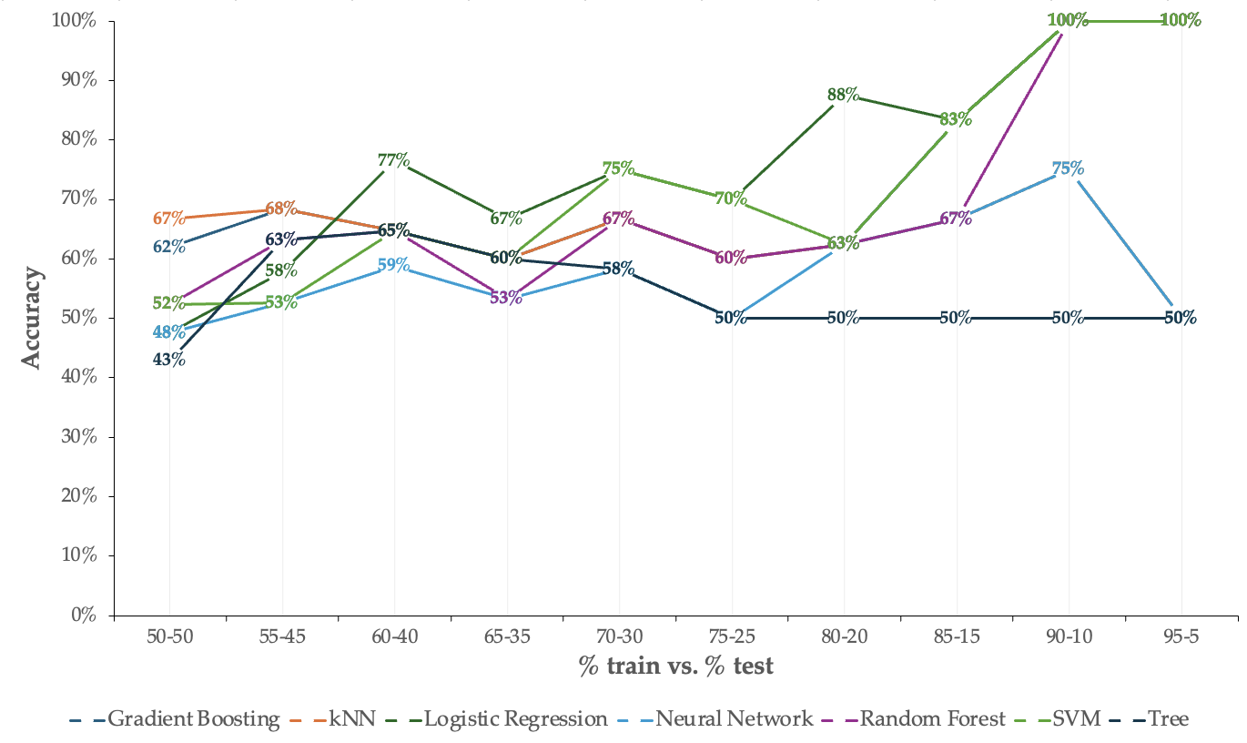
Logistic Regression | 0.486 | 0.476 | 0.443 | 0.424 | 0.476 | 0.341 |  | Logistic Regression | 0.452 | 0.579 | 0.579 | 0.579 | 0.579 | 0.516
Neural Network | 0.409 | 0.476 | 0.443 | 0.424 | 0.476 | 0.341 |  | Neural Network | 0.286 | 0.526 | 0.488 | 0.471 | 0.526 | 0.367
Random Forest | 0.471 | 0.524 | 0.507 | 0.498 | 0.524 | 0.418 |  | Random Forest | 0.458 | 0.632 | 0.561 | 0.593 | 0.632 | 0.428
SVM | 0.332 | 0.524 | 0.476 | 0.459 | 0.524 | 0.370 |  | SVM | 0.321 | 0.526 | 0.488 | 0.471 | 0.526 | 0.367
Tree | 0.346 | 0.429 | 0.371 | 0.328 | 0.429 | 0.264 |  | Tree | 0.321 | 0.632 | 0.489 | 0.399 | 0.632 | 0.368

60-40 |  |  |  |  |  |  |  | 65-35
Model | AUC | CA | F1 | Prec | Recall | Spec |  | Model | AUC | CA | F1 | Prec | Recall | Spec
Gradient Boosting | 0.364 | 0.647 | 0.508 | 0.419 | 0.647 | 0.353 |  | Gradient Boosting | 0.324 | 0.600 | 0.450 | 0.360 | 0.600 | 0.400
kNN | 0.477 | 0.647 | 0.508 | 0.419 | 0.647 | 0.353 |  | kNN | 0.500 | 0.600 | 0.450 | 0.360 | 0.600 | 0.400
Logistic Regression | 0.576 | 0.765 | 0.724 | 0.827 | 0.765 | 0.569 |  | Logistic Regression | 0.528 | 0.667 | 0.635 | 0.667 | 0.667 | 0.556
Neural Network | 0.152 | 0.588 | 0.479 | 0.404 | 0.588 | 0.321 |  | Neural Network | 0.176 | 0.533 | 0.417 | 0.343 | 0.533 | 0.356
Random Forest | 0.523 | 0.647 | 0.508 | 0.419 | 0.647 | 0.353 |  | Random Forest | 0.352 | 0.533 | 0.417 | 0.343 | 0.533 | 0.356
SVM | 0.273 | 0.647 | 0.508 | 0.419 | 0.647 | 0.353 |  | SVM | 0.361 | 0.600 | 0.450 | 0.360 | 0.600 | 0.400
Tree | 0.515 | 0.647 | 0.508 | 0.419 | 0.647 | 0.353 |  | Tree | 0.444 | 0.600 | 0.450 | 0.360 | 0.600 | 0.400

70-30 |  |  |  |  |  |  |  | 75-25
Model | AUC | CA | F1 | Prec | Recall | Spec |  | Model | AUC | CA | F1 | Prec | Recall | Spec
Gradient Boosting | 0.641 | 0.667 | 0.533 | 0.444 | 0.667 | 0.333 |  | Gradient Boosting | 0.500 | 0.600 | 0.450 | 0.360 | 0.600 | 0.400
kNN | 0.359 | 0.667 | 0.533 | 0.444 | 0.667 | 0.333 |  | kNN | 0.375 | 0.600 | 0.450 | 0.360 | 0.600 | 0.400
Logistic Regression | 0.609 | 0.750 | 0.739 | 0.741 | 0.750 | 0.625 |  | Logistic Regression | 0.625 | 0.700 | 0.690 | 0.695 | 0.700 | 0.633
Neural Network | 0.234 | 0.583 | 0.491 | 0.424 | 0.583 | 0.292 |  | Neural Network | 0.292 | 0.500 | 0.400 | 0.333 | 0.500 | 0.333
Random Forest | 0.672 | 0.667 | 0.533 | 0.444 | 0.667 | 0.333 |  | Random Forest | 0.583 | 0.600 | 0.562 | 0.575 | 0.600 | 0.483
SVM | 0.516 | 0.750 | 0.695 | 0.818 | 0.750 | 0.500 |  | SVM | 0.500 | 0.700 | 0.640 | 0.800 | 0.700 | 0.550
Tree | 0.391 | 0.583 | 0.491 | 0.424 | 0.583 | 0.292 |  | Tree | 0.438 | 0.500 | 0.400 | 0.333 | 0.500 | 0.333

80-20 |  |  |  |  |  |  |  | 85-15
Model | AUC | CA | F1 | Prec | Recall | Spec |  | Model | AUC | CA | F1 | Prec | Recall | Spec
Gradient Boosting | 0.867 | 0.625 | 0.481 | 0.391 | 0.625 | 0.375 |  | Gradient Boosting | 0.875 | 0.833 | 0.815 | 0.867 | 0.833 | 0.667
kNN | 0.800 | 0.625 | 0.481 | 0.391 | 0.625 | 0.375 |  | kNN | 0.750 | 0.667 | 0.533 | 0.444 | 0.667 | 0.333
Logistic Regression | 0.867 | 0.875 | 0.868 | 0.896 | 0.875 | 0.792 |  | Logistic Regression | 0.875 | 0.833 | 0.815 | 0.867 | 0.833 | 0.667
Neural Network | 0.600 | 0.625 | 0.481 | 0.391 | 0.625 | 0.375 |  | Neural Network | 0.625 | 0.667 | 0.533 | 0.444 | 0.667 | 0.333
Random Forest | 0.667 | 0.625 | 0.605 | 0.604 | 0.625 | 0.508 |  | Random Forest | 0.500 | 0.667 | 0.667 | 0.667 | 0.667 | 0.583
SVM | 0.733 | 0.625 | 0.481 | 0.391 | 0.625 | 0.375 |  | SVM | 0.625 | 0.833 | 0.815 | 0.867 | 0.833 | 0.667
Tree | 0.233 | 0.500 | 0.417 | 0.357 | 0.500 | 0.300 |  | Tree | 0.312 | 0.500 | 0.444 | 0.400 | 0.500 | 0.250

90-10 |  |  |  |  |  |  |  | 95-5
Model | AUC | CA | F1 | Prec | Recall | Spec |  | Model | AUC | CA | F1 | Prec | Recall | Spec
Gradient Boosting | 1,000 | 1,000 | 1,000 | 1,000 | 1,000 | 1,000 |  | Gradient Boosting | 1,000 | 1,000 | 1,000 | 1,000 | 1,000 | 1,000
kNN | 1,000 | 0.750 | 0.643 | 0.562 | 0.750 | 0.250 |  | kNN | 1,000 | 0.500 | 0.333 | 0.250 | 0.500 | 0.500
Logistic Regression | 1,000 | 1,000 | 1,000 | 1,000 | 1,000 | 1,000 |  | Logistic Regression | 1,000 | 1,000 | 1,000 | 1,000 | 1,000 | 1,000
Neural Network | 0.667 | 0.750 | 0.643 | 0.562 | 0.750 | 0.250 |  | Neural Network | 0.000 | 0.500 | 0.333 | 0.250 | 0.500 | 0.500
Random Forest | 1,000 | 1,000 | 1,000 | 1,000 | 1,000 | 1,000 |  | Random Forest | 1,000 | 1,000 | 1,000 | 1,000 | 1,000 | 1,000
SVM | 1,000 | 1,000 | 1,000 | 1,000 | 1,000 | 1,000 |  | SVM | 1,000 | 1,000 | 1,000 | 1,000 | 1,000 | 1,000
Tree | 0.167 | 0.500 | 0.500 | 0.500 | 0.500 | 0.167 |  | Tree | 0.000 | 0.500 | 0.333 | 0.250 | 0.500 | 0.500

EN
Model | 50-50 | 55-45 | 60-40 | 65-35 | 70-30 | 75-25 | 80-20 | 85-15 | 90-10 | 95-5
Gradient Boosting | 0.619 | 0.684 | 0.647 | 0.600 | 0.667 | 0.600 | 0.625 | 0.833 | 1,000 | 1,000
kNN | 0.667 | 0.684 | 0.647 | 0.600 | 0.667 | 0.600 | 0.625 | 0.667 | 0.750 | 0.500
Logistic Regression | 0.476 | 0.579 | 0.765 | 0.667 | 0.750 | 0.700 | 0.875 | 0.833 | 1,000 | 1,000
Neural Network | 0.476 | 0.526 | 0.588 | 0.533 | 0.583 | 0.500 | 0.625 | 0.667 | 0.750 | 0.500
Random Forest | 0.524 | 0.632 | 0.647 | 0.533 | 0.667 | 0.600 | 0.625 | 0.667 | 1,000 | 1,000
 | kNN
50-50 | 67%
55-45 | 68%
60-40 | 65%
65-35 | 60%
70-30 | 67%
75-25 | 60%
80-20 | 63%
85-15 | 67%
90-10 | 75%
95-5 | 50%
SVM | 0.524 | 0.526 | 0.647 | 0.600 | 0.750 | 0.700 | 0.625 | 0.833 | 1,000 | 1,000
Tree | 0.429 | 0.632 | 0.647 | 0.600 | 0.583 | 0.500 | 0.500 | 0.500 | 0.500 | 0.500
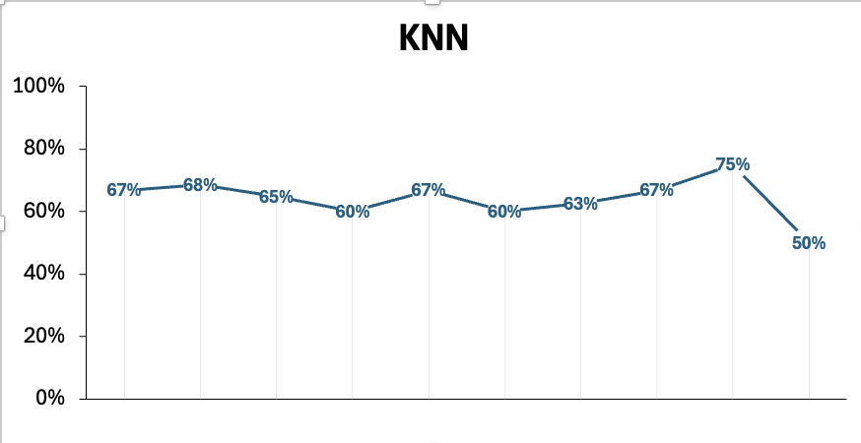

 | 50-50 | 55-45 | 60-40 | 65-35 | 70-30 | 75-25 | 80-20 | 85-15 | 90-10 | 95-5
kNN | 67% | 68% | 65% | 60% | 67% | 60% | 63% | 67% | 75% | 50%
Logistic Regression | 48% | 58% | 77% | 67% | 75% | 70% | 88% | 83% | 100% | 100%
Neural Network | 48% | 53% | 59% | 53% | 58% | 50% | 63% | 67% | 75% | 50%
Random Forest | 52% | 63% | 65% | 53% | 67% | 60% | 63% | 67% | 100% | 100%
SVM | 52% | 53% | 65% | 60% | 75% | 70% | 63% | 83% | 100% | 100%
Tree | 43% | 63% | 65% | 60% | 58% | 50% | 50% | 50% | 50% | 50%
Gradient Boosting | 62% | 68% | 65% | 60% | 67% | 60% | 63% | 83% | 100% | 100%

 | SVM
50-50 | 52%
55-45 | 53%
60-40 | 65%
65-35 | 60%
70-30 | 75%
75-25 | 70%
80-20 | 63%
85-15 | 83%
90-10 | 100%
95-5 | 100%
 | Random Forest
50-50 | 52%
55-45 | 63%
60-40 | 65%
65-35 | 53%
70-30 | 67%
75-25 | 60%
80-20 | 63%
85-15 | 67%
90-10 | 100%
95-5 | 100%
 | Logistic Regression
50-50 | 48%
55-45 | 58%
60-40 | 77%
65-35 | 67%
70-30 | 75%
75-25 | 70%
80-20 | 88%
85-15 | 83%
90-10 | 100%
95-5 | 100%
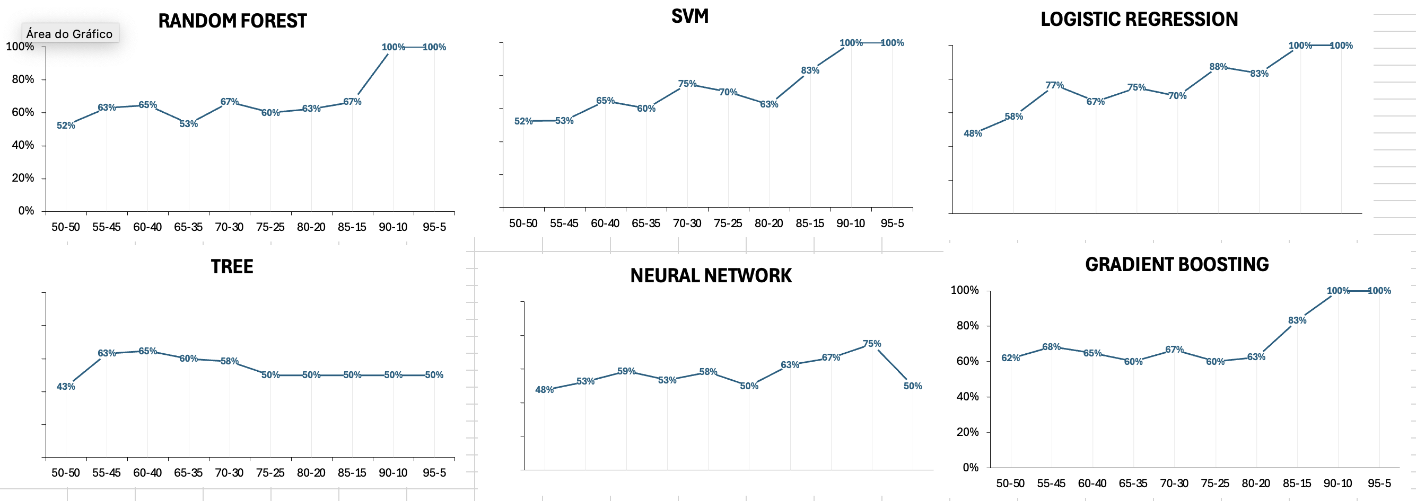

 | Tree
50-50 | 43%
55-45 | 63%
60-40 | 65%
65-35 | 60%
70-30 | 58%
75-25 | 50%
80-20 | 50%
85-15 | 50%
90-10 | 50%
95-5 | 50%
 | Gradient Boosting
50-50 | 62%
55-45 | 68%
60-40 | 65%
65-35 | 60%
70-30 | 67%
75-25 | 60%
80-20 | 63%
85-15 | 83%
90-10 | 100%
95-5 | 100%
 | Neural Network
50-50 | 48%
55-45 | 53%
60-40 | 59%
65-35 | 53%
70-30 | 58%
75-25 | 50%
80-20 | 63%
85-15 | 67%
90-10 | 75%
95-5 | 50%

