Elements in the Scene
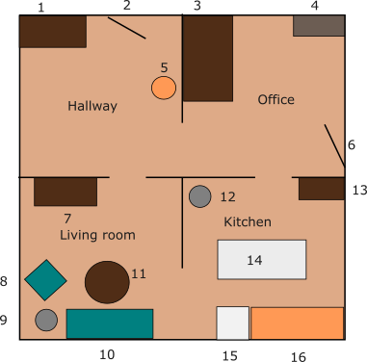
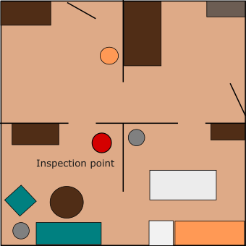
Number | Name | Object Category
1 | hallway cabinet (p) | -
2 | entrance | -
3 | desk (p) | decorations
4 | shelf (p) | cleaning supplies
5 | coathanger | -
6 | exit | -
7 | TV table (p) | toys
8 | lounge chair | -
9 | lamp | -
10 | couch | -
11 | coffee table (p) | fruits
12 | trashcan | -
13 | kitchen cabinet (p) | drinks
14 | dinner table (p) / kitchen table | snacks
15 | dishwasher (p) | dishes
16 | kitchen counter (p) | food

