Sheet2
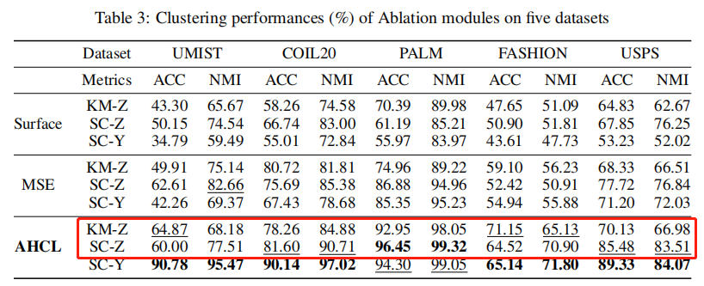

 | UMINST |  | COIL20 |  | PALM |  | FASHION |  |  |  | USPS
data | origin | Advisor-vgae128-16 | origin | Advisor-vgae128-16 | origin | Advisor-vgae128-16 | origin |  | Advisor-vgae128-16 |  | origin |  | Advisor-vgae128-16
clustering |  |  |  |  |  |  | sp | km | sp | km | sp | km | sp | km
acc |  |  |  |  |  |  | 59.95 | 57.45 | 62.40 | 70.68 | 80.48 | 68.73 | 82.00 | 92.95
nmi |  |  |  |  |  |  | 68.05 | 60.15 | 68.92 | 67.52 | 85.14 | 68.42 | 85.86 | 87.46

