cocoapods的使用
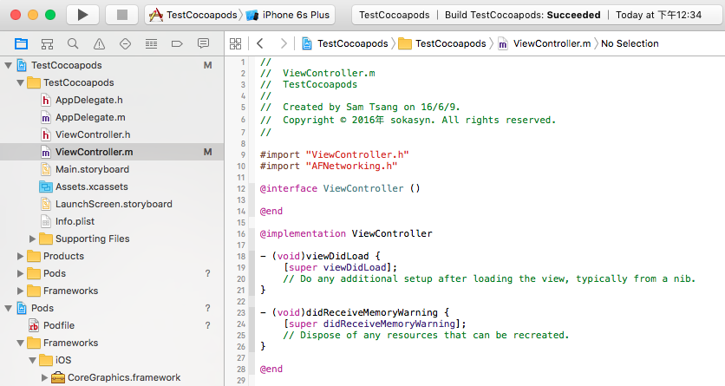
1.新建iOS工程,如TestCocoapods

2.新建文件Podfile
 | 在工程的目录下,即与.xcodeproj同一级的目录下新建Podfile
 | 可以通过以下方式
 | 2.1 通过终端进入TestCocoapods目录
 | 2.2 vi Podfile
 | 输入以下内容
 |  | platform :ios, '7.0'
 |  | pod 'AFNetworking', '~> 3.1.0'

 | 备注:通过pod search AFNetworking
 | 在显示的目标版本中,拷贝pod 'AFNetworking'的那一句过来即可,注意那个箭头,不是横线

3 pod install

 | 编辑好Podfile之后,执行命令 pod install

 |  | 可能会出现以下错误
 |  | sc:TestCocoapods samtsang$ pod install
 |  | Analyzing dependencies
 |  | [!] The dependency `AFNetworking (~> 3.1.0)` is not used in any concrete target.

 | 错误原始是说找不到库所需要用在的具体的项目,可以修改Podfile,设置target为所创建的项目的名称
 | 方式1
 |  | target "TestCocoapods" do
 |  | platform :ios, '7.0'
 |  | pod 'AFNetworking', '~> 3.1.0'
 |  | end

 | 方式2
 |  | platform :ios, '7.0'
 |  | def pods
 |  | pod 'AFNetworking', '~> 3.1.0'
 |  | end
 |  | target 'TestCocoapods' do
 |  | pods
 |  | end

 | 再次执行pod install命令,成功

 |  | sc:TestCocoapods samtsang$ pod install
 |  | Analyzing dependencies
 |  | Downloading dependencies
 |  | Installing AFNetworking (3.1.0)
 |  | Generating Pods project
 |  | Integrating client project

 |  | [!] Please close any current Xcode sessions and use `TestCocoapods.xcworkspace` for this project from now on.
 |  | Sending stats
 |  | Pod installation complete! There is 1 dependency from the Podfile and 1 total pod installed.
 |  | sc:TestCocoapods samtsang$

4 打开工程

 | 当使用cocoapods之后,原来的工程目录下面多了一下几个文件和文件夹
 | Podfile
 | Podfile.lock
 | Pods/
 | TestCocoapods.xcworkspace

 | 从3中pod install成功后的提示也很清楚,我们以后就通过这个新增的.xcworkspace文件来打开我们的工程

 | 打开之后是这样子的
 | 显然,cocoapods除了帮我们下载AFNetworking这个库之外,还帮我们下载了这个库所依赖的iOS框架,如CoreGraphics.framework等
 | 很cool!否则,平常,我们还要自己去关联这些依赖库,现在,cocoapods帮我们做了!

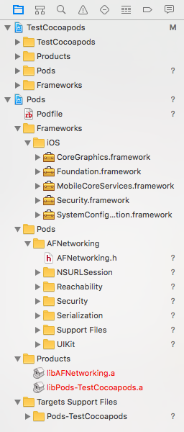

5 在项目中使用库

 | 在我们的原项目中,任意一个类文件,如ViewController.h
 | 加入 #import "AFNetworking.h", 然后编译,结果Succeeded,说明库导入没有问题

