Tabelle1
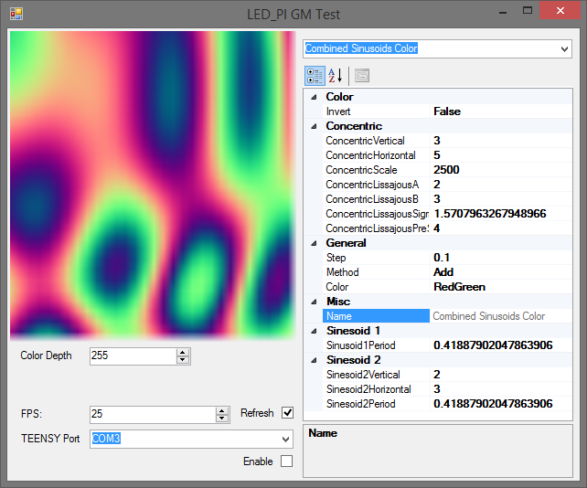

Control | Name | Werte | Std Wert | (alle Werte Float)

Checkbox | Invertieren | true/false | false
Slider | Concentric Scale | 1 to 2500 | 2500
Slider | Concentric Speed | 1 to 5 | 4
Slider | Periode | 0-2 | 0.418879
Slider | Speed | 0-1 | 0.1
Dropdown | Methode | Add;Mutliply;Subtract;AddFlat;Divide | Add
Dropdown | Farbe | RedGreen;GreenBlue;RGB;Grey | RedGreen

