Forma Gráfica
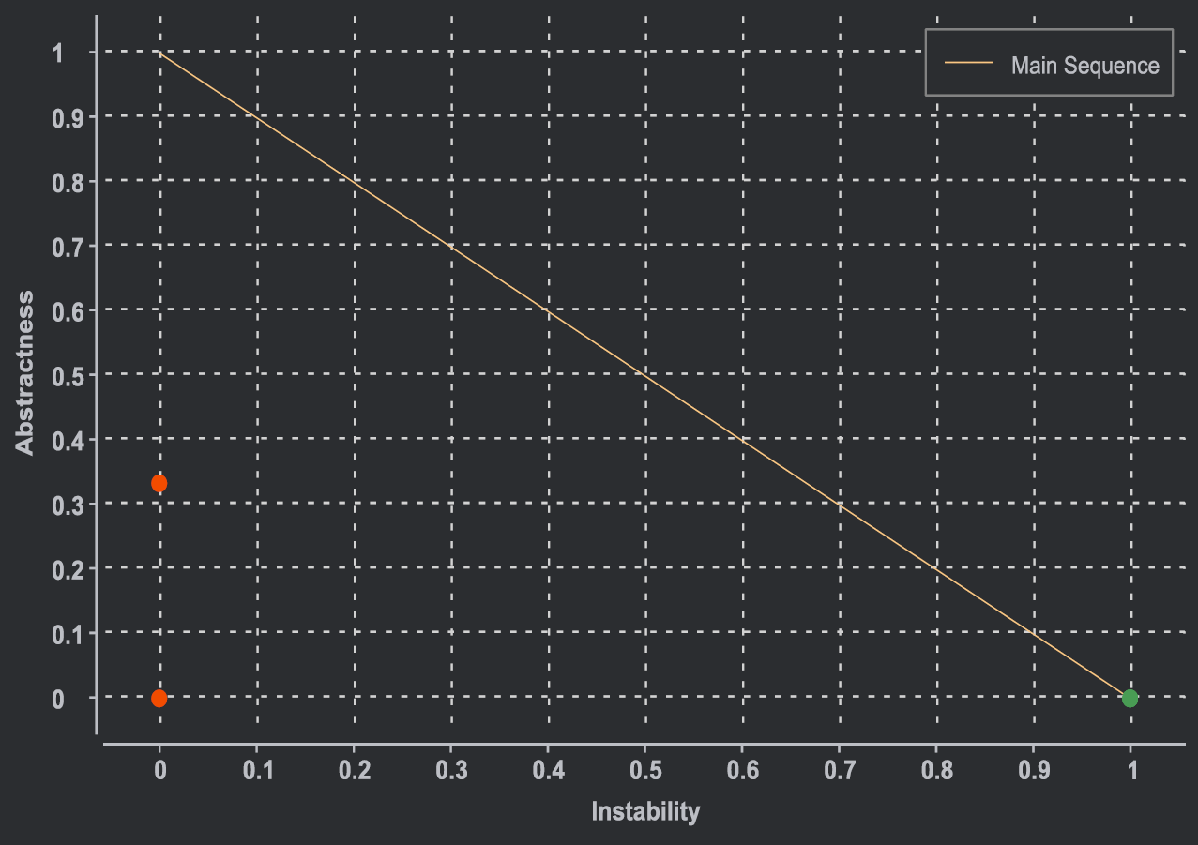
Package | Instability | Abstractness | Distance
iscteiul.ista | 1 | 0 | 0
iscteiul.ista.Cambio_Moedas | 1 | 0 | 0
iscteiul.ista.Qrcodes | 1 | 0 | 0
iscteiul.ista.base | 1 | 1 | 1
iscteiul.ista.base.ui | 1 | 0 | 0
iscteiul.ista.base.ui.component | 0 | 0 | 1
iscteiul.ista.examplefeature | 0 | 0.3333 | 0.6667
iscteiul.ista.examplefeature.ui | 1 | 0 | 0
iscteiul.ista.pdf.ui | 1 | 0 | 0

